Table 1
Data as reported by 17 February 2020*
Coronavirus disease 2019 (COVID-19)
Situation Report – 28
SITUATION IN NUMBERS total and new cases in last 24 hours Globally 71 429 confirmed (2162 new) China 70 635 confirmed (2051 new) 1772 deaths (106 new) † Outside of China 794 confirmed (111 new) 25 countries 3 deaths WHO RISK ASSESSMENT
HIGHLIGHTS • No new countries reported cases of COVID-19 in the past 24 hours. • From today, WHO will be reporting all confirmed cases, including both laboratory-confirmed as previously reported, and those reported as clinically diagnosed (currently only applicable to Hubei province, China). From 13 February through 16 February, we reported only laboratory confirmed cases for Hubei province as mentioned in the situation report published on 13 February. The change in reporting is now shown in the figures. This accounts for the apparent large increase in cases compared to prior situation reports. • Based on the evidence currently available about COVID-19, WHO has developed guidance documents for managing public health events at Points of Entry and mass gatherings. These are posted on WHO COVID-19 Points of Entry and Mass Gatherings website. See Technical Focus for more details. • WHO Eastern Mediterranean office has updated information on COVID-19 cases. For more information please see here.
China | Very High
Regional Level | High
Global Level | High
Figure 1. Countries, territories or areas with reported confirmed cases of COVID-19, 17 February 2020
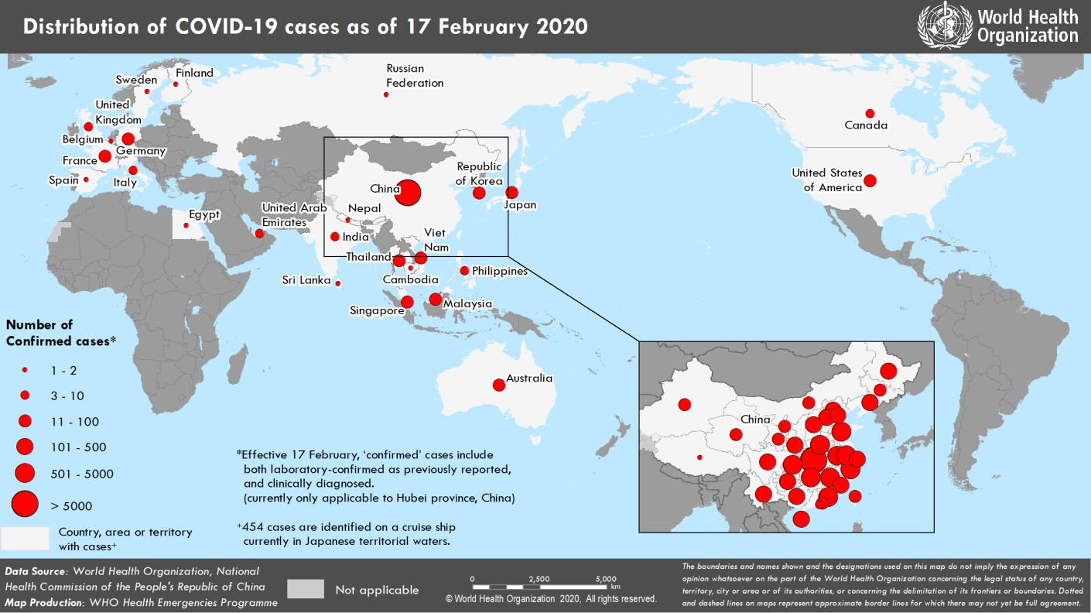
*The situation report includes information provided by national authorities as of 10 AM Central European Time †As reported by China

