Table 1
HIGHLIGHTS • No new countries reported cases of COVID-19 in the past 24 hours. • WHO Operations Support and Logistics (OSL) continues to gather and assess the needs of Member States for critical items such as Personal Protective Equipment (PPE). On 14 February, OSL started the dispatch of laboratory COVID-19 testing kits for 56 countries. As of 17 February, 37 shipments have been dispatched to 34 countries and three regional offices.
SITUATION IN NUMBERS total and new cases in last 24 hours Globally 73 332 confirmed (1901 new) China 72 528 confirmed (1891 new) 1870 deaths (98 new) † Outside of China 804 confirmed (10 new) 25 countries 3 deaths WHO RISK ASSESSMENT
• Health care workers are on the front line of the response to the COVID-19 outbreak. WHO has developed guidance on the Rights, Roles and Responsibilities Of Health Workers, Including Key Considerations For Occupational Safety And Health.
China | Very High
Regional Level | High
Global Level | High
Figure 1. Countries, territories or areas with reported confirmed cases of COVID-19, 18 February 2020
Coronavirus disease 2019 (COVID-19)
Situation Report – 29
*The situation report includes information provided by national authorities as of 10 AM Central European Time †As reported by China

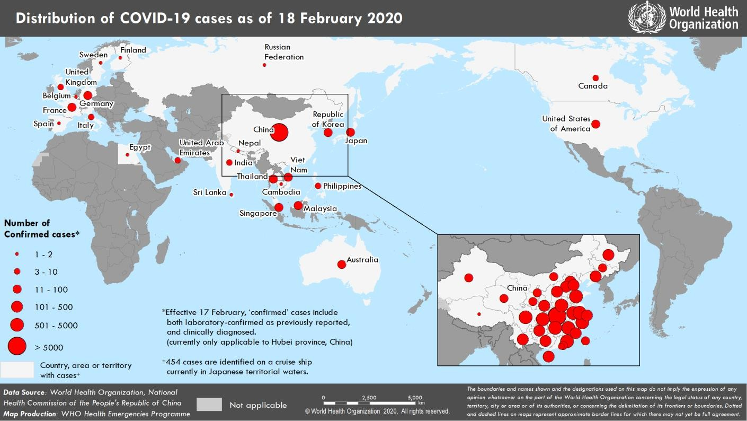
Data as reported by 18 February 2020*

