Table 2
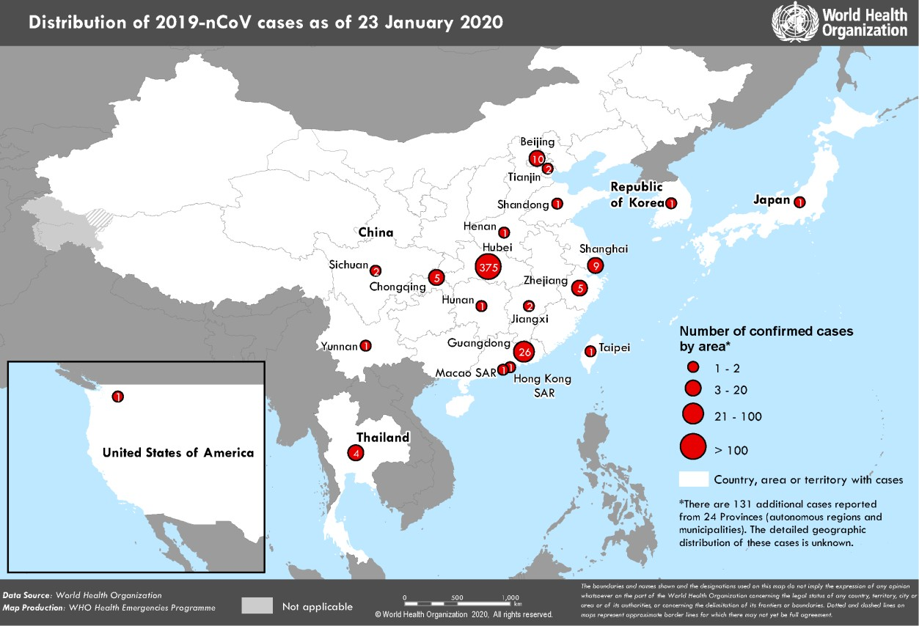 reported from Guangdong Province. There have been very few reports of hospital outbreaks or infections of health care workers, which is a prominent feature of MERS and SARS. WHO assesses the risk of this event to be very high in China, high at the regional level and high at the global level.3 Figure 1. Countries, territories or areas with reported confirmed cases of 2019-nCoV, 23 January 2020 3 Note: Error in situation reports published on 23,24 and 25 January as originally published, which incorrectly summarized the risk for global level to be moderate.

