Table 2
continuously updates guidance and works closely with Member States to implement these measures. On 22 and 23 January, WHO Director-General convened an Emergency Committee under the International Health Regulations (IHR) (2005) regarding the outbreak of novel coronavirus (2019- nCoV). The details are available here.
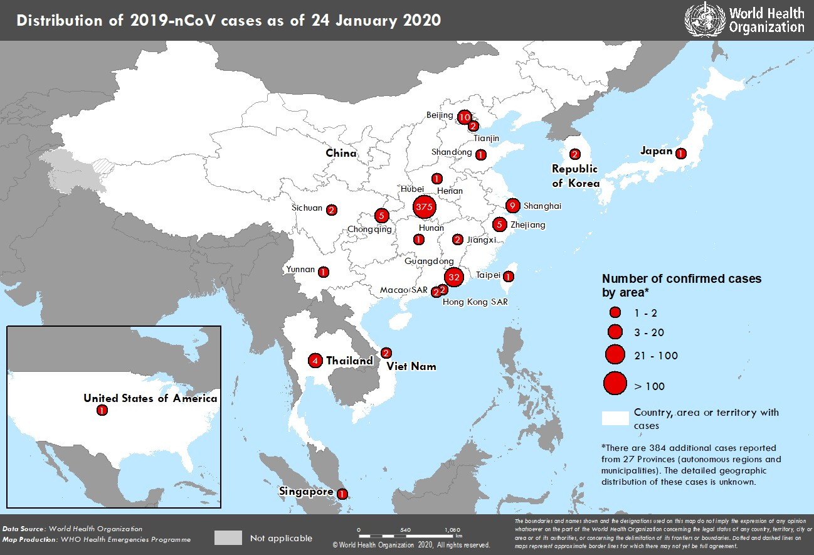 WHO assesses the risk of this event to be very high in China, high at the regional level and high at the global level.3 Figure 1. Countries, territories or areas with reported confirmed cases of 2019-nCoV, 24 January 2020 3 Note: Error in situation reports published on 23,24 and 25 January as originally published, which incorrectly summarized the risk for global level to be moderate.

