Table 2
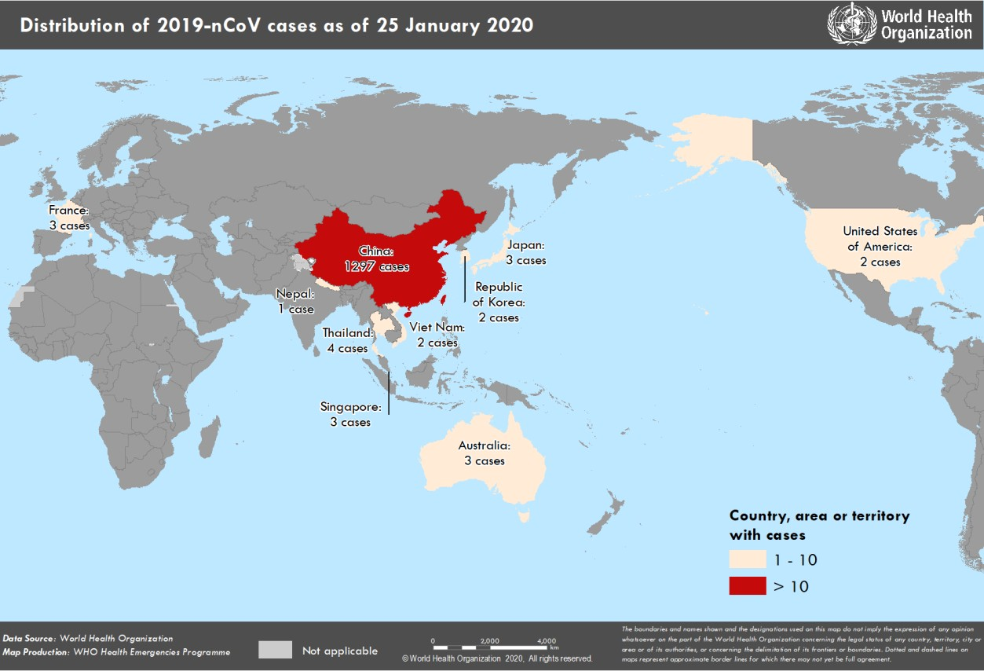
Figure 1. Countries, territories or areas with reported confirmed cases of 2019-nCoV, 25 January 2020

