Table 2
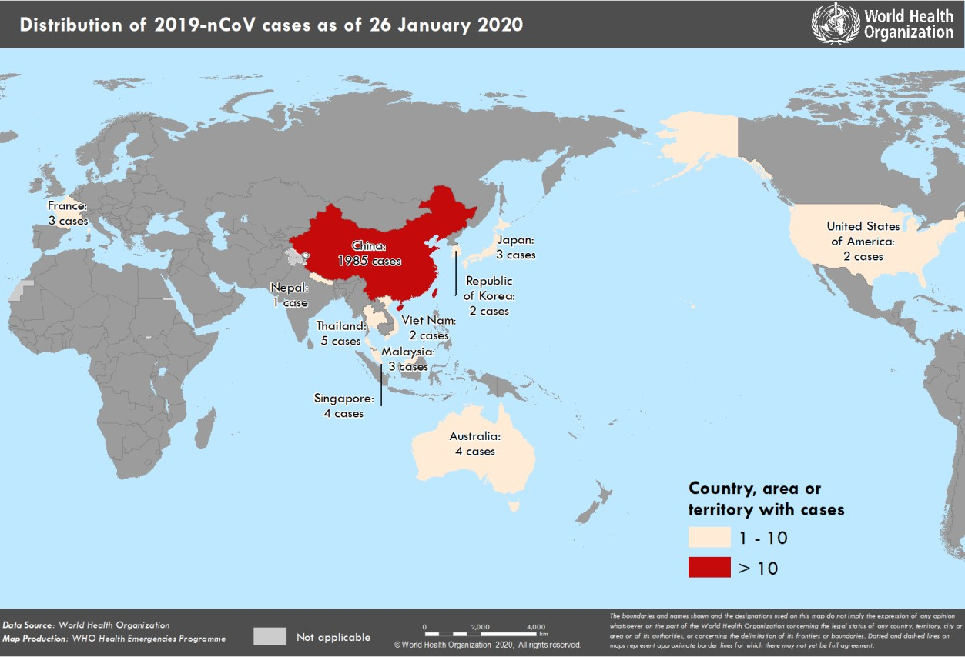
Figure 1. Countries, territories or areas with reported confirmed cases of 2019-nCoV, 26 January 2020

Table 4
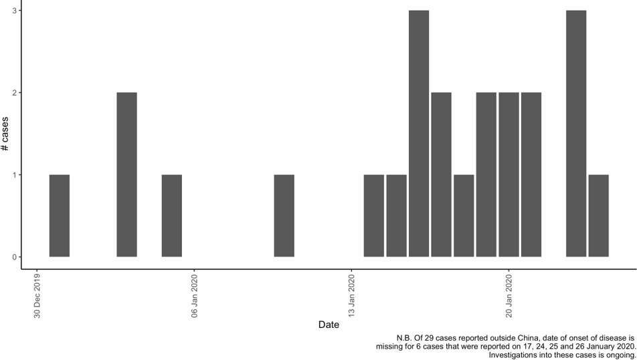
Figure 2: Epidemic curve by date of onset of 2019-nCoV cases identified outside of China, 26 January 2020

