Table 1
Data as reported by 28 January 2020*
Novel Coronavirus(2019-nCoV)
Situation Report - 8
SITUATION IN NUMBERS Globally 4593 confirmed China 4537 confirmed 6973 suspected 976 severe 106 deaths Outside of China 56 confirmed 14 countries WHO RISK ASSESSMENT1
HIGHLIGHTS • A World Health Organization (WHO) senior leadership team, led by Director- General Dr Tedros Adhanom Ghebreyesus, today met President Xi Jinping of the People’s Republic of China in Beijing. They shared the latest information on the outbreak and reiterated their commitment to bring it under control. • The discussions focused on continued collaboration to improve containment measures in Wuhan, to strengthen public health measures in other cities and provinces, to conduct further studies and transmissibility of the virus, to continue to share data, and for China to share biological material with WHO. These measures will advance scientific understanding of the virus and contribute to the development such as vaccines and treatments. https://www.who.int/news-room/detail/28-01-2020-who-china-leaders- discuss-next-steps-in-battle-against-coronavirus-outbreak • WHO is launching a Global 2019-nCoV Clinical Data Platform to allow Member States to contribute anonymized clinical data in order to inform the public health clinical response • WHO is continually monitoring developments and the Director-General can reconvene the Emergency Committee on very short notice as needed. Committee members are regularly informed of developments.
China | Very High
Regional Level | High
Global Level | High
1 An error in the wording of the situation reports dated 23, 24 and 25 January was corrected on 26 January. Those reports did not correctly reflect the WHO risk assessment. The risk assessment used to inform our actions, our advice to countries, and to brief Emergency Committee members, evaluates the risk as follows: very high in China, high in the region and high globally. (The situation reports on the above dates incorrectly reported it as moderate at the global level. They have been corrected.)
*The situation report includes information reported to WHO Geneva by 10 AM

Table 2
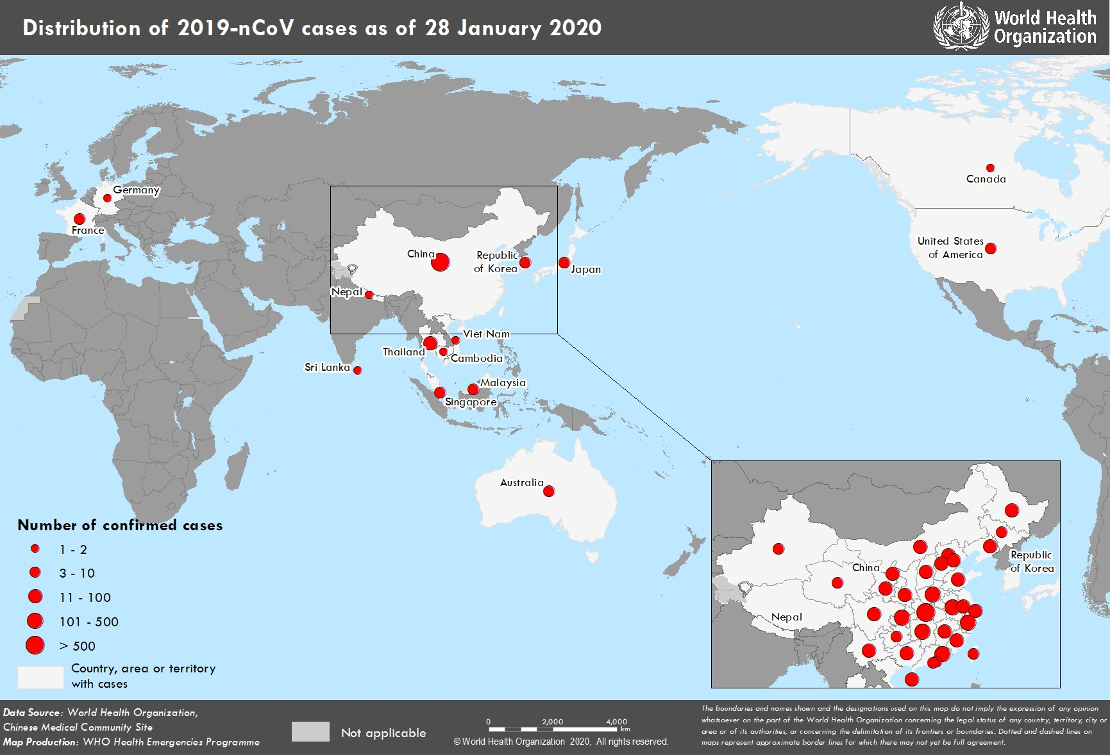
Figure 1. Countries, territories or areas with reported confirmed cases of 2019-nCoV, 28 January 2020

