Table 1
Novel Coronavirus(2019-nCoV)
Situation Report - 12
Data as reported by 1 February 2020*
SITUATION IN NUMBERS
total and new cases in last 24 hours
Globally
11953 confirmed (2128 new)
China
11821 confirmed (2102 new)
1795 severe (268 new)
259 deaths (46 new)
Outside of China
132 confirmed (26 new)
23 countries (4 new)
WHO RISK ASSESSMENT
HIGHLIGHTS • The main driver of transmission, based on currently available data, is symptomatic cases. WHO is aware of possible transmission of 2019-nCoV from infected people before they developed symptoms. Detailed exposure histories are being taken to better understand the pre-clinical phase of infection and how transmission may have occurred in these few instances. Asymptomatic infection may be rare, and transmission from an asymptomatic person is very rare with other coronaviruses, as we have seen with Middle East Respiratory Syndrome coronavirus. Thus, transmission from asymptomatic cases is likely not a major driver of transmission. Persons who are symptomatic will spread the virus more readily through coughing and sneezing. • In China, 60.5% of all cases since the start of the outbreak have been reported from Hubei Province (see further information under Technical Focus). • Additional instances of human-to-human transmission outside China were reported (see further information under Technical Focus).
 | China | Very High
 | Regional Level | High
 | Global Level | High

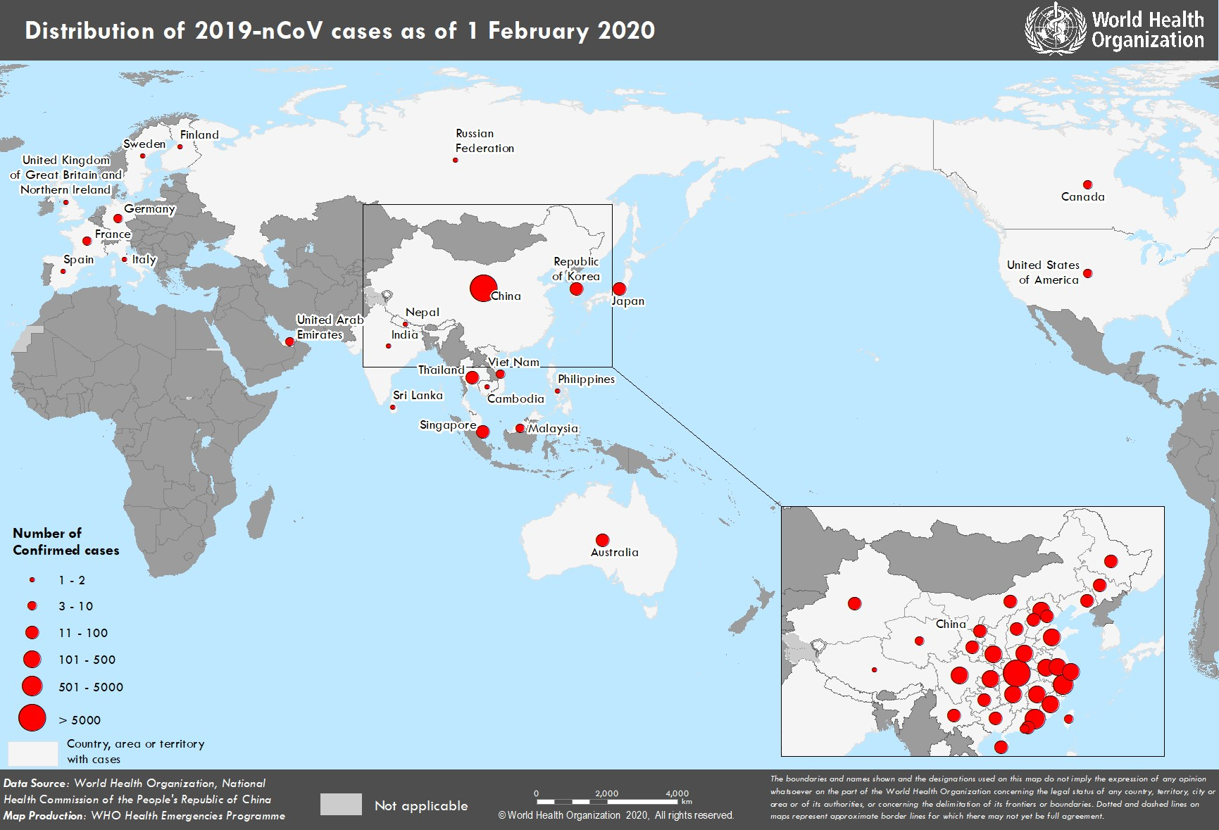 Figure 1. Countries, territories or areas with reported confirmed cases of 2019-nCoV, 01 February 2020 *The situation report includes information reported to WHO Geneva by 10 AM

