Table 1
Novel Coronavirus(2019-nCoV)
Situation Report - 13
Data as reported by 2 February 2020*
SITUATION IN NUMBERS
total and new cases in last 24 hours
Globally
14557 confirmed (2604 new)
China
14411 confirmed (2590 new)
2110 severe (315 new)
304 deaths (45 new)
Outside of China
146 confirmed (14 new)
23 countries
1 death
WHO RISK ASSESSMENT
HIGHLIGHTS • No new countries have reported cases of 2019-nCoV acute respiratory disease in the last 24 hours. • WHO is receiving information about cases from a number of countries. As additional details become known, WHO requests countries to share information in a timely manner as specified in the guidance on Global Surveillance for human infection with novel coronavirus (2019-nCoV). • The first death has been reported outside of China, in the Philippines. The patient was a close contact of the first patient confirmed in the Philippines. • Due to the high demand for timely and trustworthy information about 2019- nCoV WHO technical risk communication and social media teams have been working closely to track and respond to myths and rumours.
 | China | Very High
 | Regional Level | High
 | Global Level | High
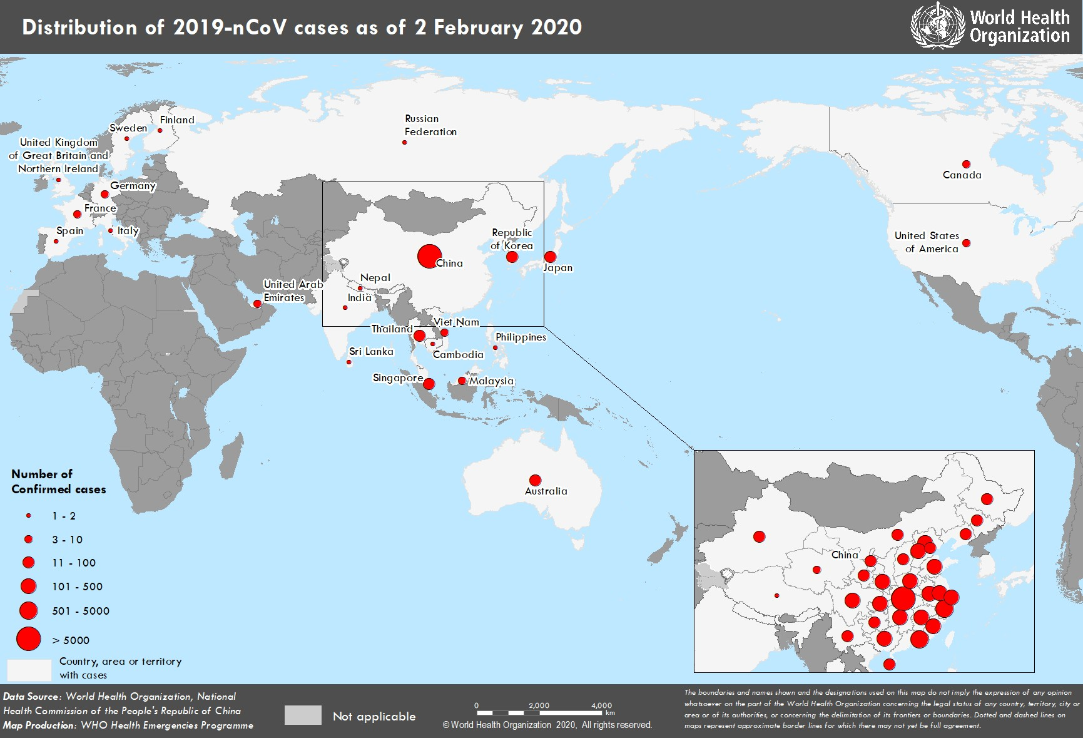 Figure 1. Countries, territories or areas with reported confirmed cases of 2019-nCoV, 2 February 2020 *The situation report includes information reported to WHO Geneva by 10 AM

