Table 1
Data as reported by 3 February 2020*
Novel Coronavirus(2019-nCoV)
Situation Report – 14 - ERRATUM
SITUATION IN NUMBERS
total and new cases in last 24 hours
Globally
17391 confirmed (2838 new)
China
17238 confirmed (2831 new)
2296 severe (186 new)
361 deaths (57 new)
Outside of China
153 confirmed (7 new)
23 countries
1 death
WHO RISK ASSESSMENT
HIGHLIGHTS • No new countries reported cases of 2019-nCoV in the past 24 hours. • WHO has developed a dashboard for Novel coronavirus (2019-nCoV) with the number of confirmed cases globally, which includes cases in China by provinces, regions and cities, as well as confirmed cases outside China by country. • WHO has prepared a list of Q&A to respond to queries WHO is receiving from various organizations and individuals. • Working with technical experts in health operations, WHO operational support and logistics has developed a “2019-nCoV kit”, similar to prepared treatment kits used for outbreaks of other high threat pathogens. In the coming days, the costing, procurement and assembly of these kits will be a priority.
 | China | Very High
 | Regional Level | High
 | Global Level | High
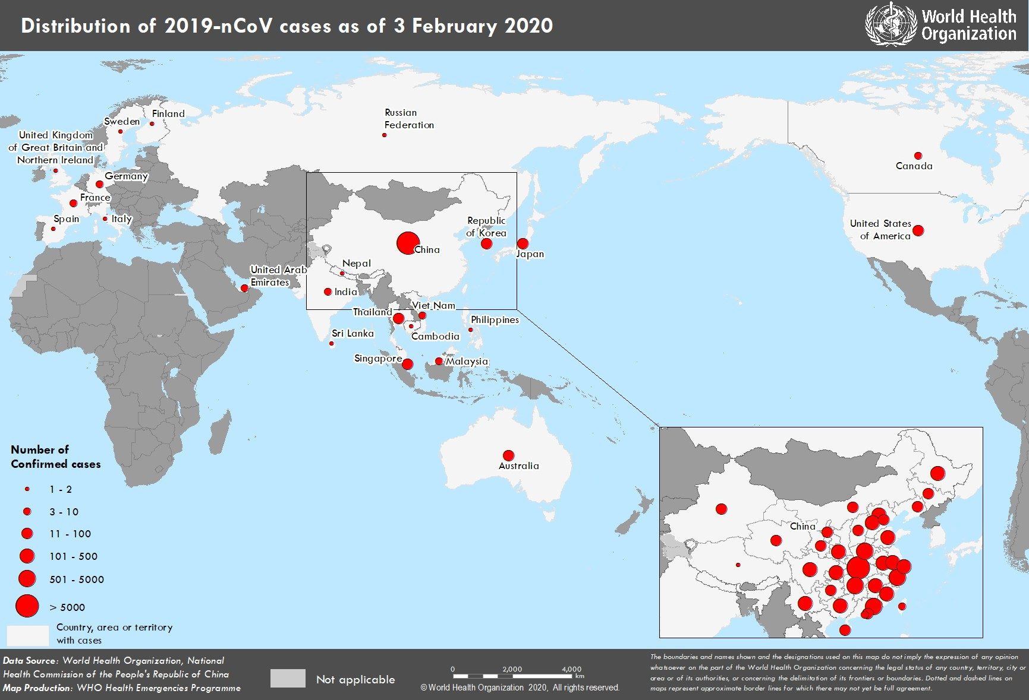 Figure 1. Countries, territories or areas with reported confirmed cases of 2019-nCoV, 3 February 2020 *The situation report includes information provided by national authorities as of 10 AM Central European Time

Table 2
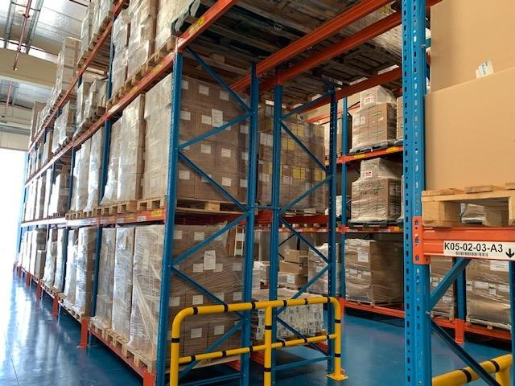 TECHNICAL FOCUS: Operational Support and Logistics WHO Operational Support and Logistics (OSL) is working to support the 2019-nCoV response, both at the global level and directly with Member States. Amongst these activities, WHO OSL has updated the Disease Commodity Package (DCP), which has been published here. This document provides guidance on commodities required for all aspects of response. WHO OSL has also been working to develop global commodity cost estimates for the 2019-nCoV response, which will aid in global strategic response planning and financing. Working with technical experts in health operations, WHO OSL has developed a “2019-nCoV kit”, similar to prepared treatment kits used for cholera, Ebola and other high threat pathogens in emergencies. In the coming days, the costing, procurement and assembly of these kits will be a priority. Through the Pandemic Supply Chain Network (PSCN), a market survey has been distributed to over 40 organizations to understand the availability, distribution and forecasting of crucial response commodities throughout the world. A report of the findings will be redistributed to all partners. The Network is exploring operational options within its stakeholders to ensure in particular that critical personal protective equipment is secured and distributed to appropriate locations. Additional stakeholders are encouraged to join the Pandemic Supply Chain Network by contacting WHO OSL. Guidance is currently under development for managing the logistics associated with case management, focusing on isolation, triage and standard treatment centre configuration. OSL is setting up a global supply chain system and a coordination mechanism between responders and suppliers to ensure access to essential commodities for countries/populations most in need.

