Table 1
Data as reported by 4 February 2020*
Novel Coronavirus(2019-nCoV)
Situation Report - 15
SITUATION IN NUMBERS
total and new cases in last 24 hours
Globally
20630 confirmed (3241 new)
China
20471 confirmed (3235 new)
2788 severe (492 new)
425 deaths (64 new)
Outside of China
159 confirmed (6 new)
23 countries
1 death
WHO RISK ASSESSMENT
HIGHLIGHTS • No new countries reported cases of 2019-nCoV in the 24 hours since the previous situation report. • The business sector is one audience to whom EPI-WIN is reaching out with tailored information. EPI-WIN colleagues co-hosted a call with a global communications firm whose clients include large multinationals. Over 50 multinationals were represented on the call, where WHO provided an update of the 2019-nCoV situation and responded to questions about improving communications with employees; the role of businesses in public health crises; and managing uncertainty through accessing accurate information.
 | China | Very High
 | Regional Level | High
 | Global Level | High
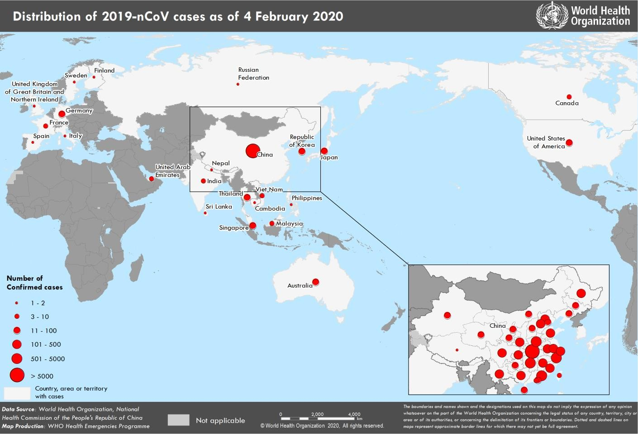 Figure 1. Countries, territories or areas with reported confirmed cases of 2019-nCoV, 4 February 2020 *The situation report includes information provided by national authorities as of 10 AM Central European Time

