Table 1
Data as reported by 5 February 2020*
Novel Coronavirus(2019-nCoV)
Situation Report – 16 - ERRATUM
SITUATION IN NUMBERS
total and new cases in last 24 hours
Globally
24554 confirmed (3925 new)
China
24363 confirmed (3893 new)
3219 severe (431 new)
491 deaths (66 new)
Outside of China
191 confirmed (32 new)
24 countries (1 new)
1 death
WHO RISK ASSESSMENT
HIGHLIGHTS • Belgium reported its first confirmed case of 2019-nCoV acute respiratory disease.

• WHO and partners have developed a global strategic preparedness and response plan, which outlines the public health measures that the international community can provide to support all countries to prepare for and respond to the 2019‑nCoV outbreak. The overall goal of the plan is to stop further transmission of 2019‑nCoV within China and to other countries, and to mitigate the impact of the outbreak in all countries. • WHO is working with the travel and tourism industry to discuss real and perceived risks experienced in the industry, measures put in place for customers and employees, and challenges faced regarding implementation of the Temporary Recommendations associated with the declaration of a Public Health Emergency of International Concern. In the coming days, WHO will work with the industry to identify solutions to these challenges, within the framework of the International Health Regulations (2005).
 | China | Very High
 | Regional Level | High

 | Global Level | High
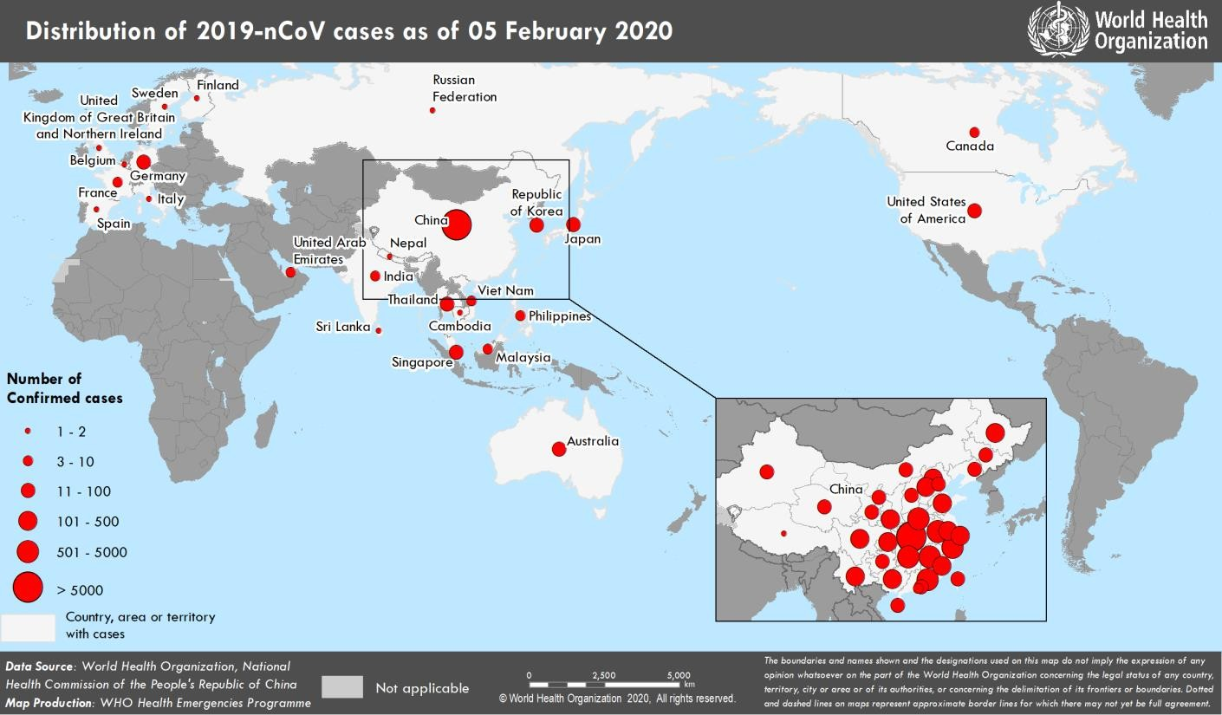 Figure 1. Countries, territories or areas with reported confirmed cases of 2019-nCoV, 5 February 2020 *The situation report includes information provided by national authorities as of 10 AM Central European Time

