Table 1
Novel Coronavirus(2019-nCoV)
Situation Report – 17 - ERRATUM
Data as reported by 6 February 2020*
SITUATION IN NUMBERS
total and new cases in last 24 hours
Globally
28 276 confirmed (3722 new)
China
28 060 confirmed (3697 new)
3859 severe (640 new)
564 deaths (73 new)
Outside of China
216 confirmed (25 new)
24 countries
1 death
WHO RISK ASSESSMENT
HIGHLIGHTS • No new countries reported cases of 2019-nCoV in the past 24 hours. • WHO is working with partners to strengthen global diagnostic capacity for 2019- nCoV detection to improve surveillance and track the spread of disease. WHO and partners have activated a network of specialized referral laboratories with demonstrated expertise in the molecular detection of coronaviruses. These international labs can support national labs to confirm new cases and troubleshoot their molecular assays. • WHO is convening a global research and innovation forum to mobilize international action in response to the new coronavirus, covering a broad spectrum of research areas including epidemiology, clinical care, vaccines, therapeutics, diagnostics, animal health, social sciences, and other topics. More details can be found here.
 | China | Very High
 | Regional Level | High
 | Global Level | High
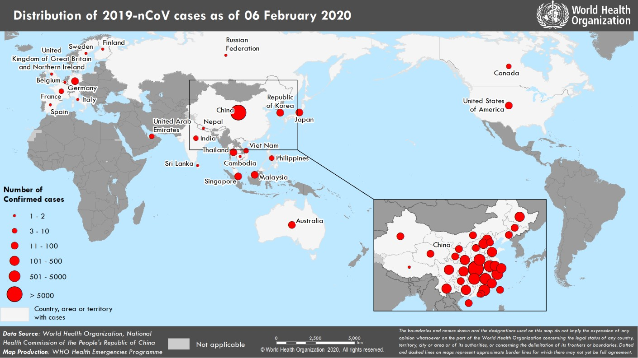 Figure 1. Countries, territories or areas with reported confirmed cases of 2019-nCoV, 6 February 2020 *The situation report includes information provided by national authorities as of 10 AM Central European Time

