Table 1
Data as reported by 7 February 2020*
Novel Coronavirus(2019-nCoV)
Situation Report – 18
SITUATION IN NUMBERS
total and new cases in last 24 hours
Globally
31 481 confirmed (3205 new)
China
31 211 confirmed (3151 new)
4821 severe (962 new)
637 deaths (73 new)
Outside of China
270 confirmed (54 new)
24 countries
1 death
WHO RISK ASSESSMENT
HIGHLIGHTS • No new countries reported cases of 2019-nCoV in the past 24 hours. • To date, a total of 72 States Parties were identified to be implementing travel restrictions through official reports, official statements and the media. Of these 72 States Parties, WHO received 23 (32%) official reports from States Parties about their travel restrictions. • “The Pandemic Supply Chain Network (PSCN)” has commissioned a market assessment of the personal protective equipment market which will be distributed shortly to stakeholders of the PSCN as it continues to monitor the market. Additionally, senior management of WHO spoke with the stakeholders of the PSCN to ensure the private sector’s continued engagement to distribute supplies to those countries in most need. The PSCN will encourage manufacturers to increase production, commit supplies to frontline health emergency responders, and expand the number of stakeholders who are involved in the PSCN to gain a critical mass of suppliers to mitigate the operational risks within the market. WHO will continue to provide the technical guidance and coordination of supplies to those countries in most need.
 | China | Very High

 | Regional Level | High
 | Global Level | High
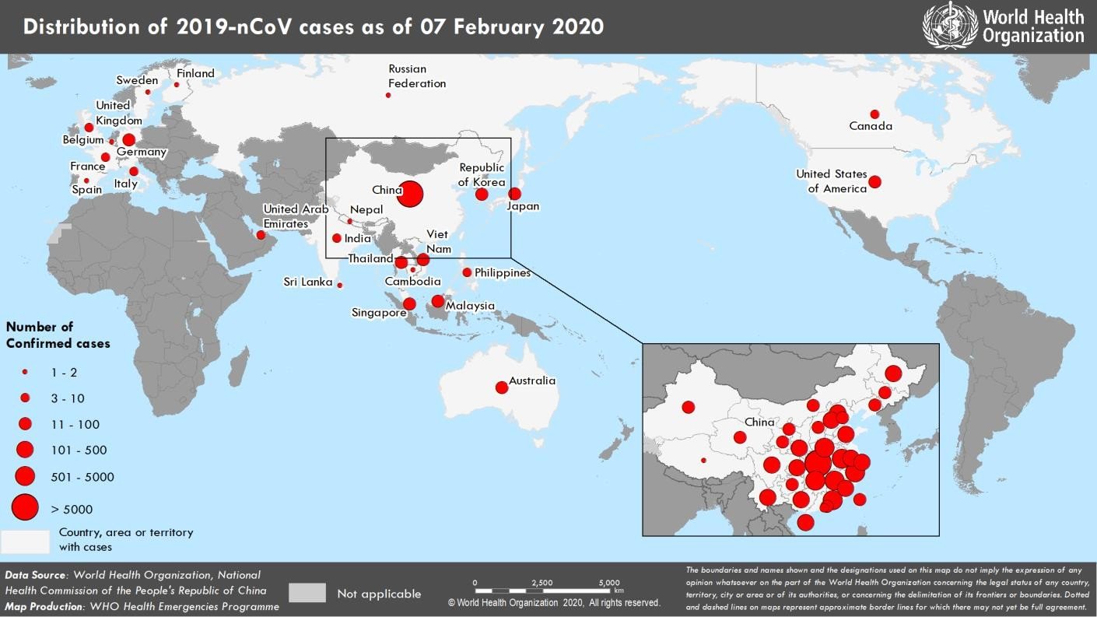 Figure 1. Countries, territories or areas with reported confirmed cases of 2019-nCoV, 7 February 2020 *The situation report includes information provided by national authorities as of 10 AM Central European Time

