Table 1
Data as reported by 8 February 2020*
Novel Coronavirus(2019-nCoV)
Situation Report – 19
SITUATION IN NUMBERS
total and new cases in last 24 hours
Globally
34 886 confirmed (3419 new)
China
34 598 confirmed (3401 new)
6101 severe (1280 new)
723 deaths (86 new)
Outside of China
288 confirmed (18 new)
24 countries
1 death
WHO RISK ASSESSMENT
HIGHLIGHTS • No new countries reported cases of 2019-nCoV in the past 24 hours. • The infection prevention and control (IPC) global network is convened through weekly teleconferences with international IPC experts to discuss technical aspects of IPC measures, share epidemiological updates and experiences regarding the IPC measures put in place in affected countries. In consultation with the global IPC expert network, WHO has released three key IPC interim guidance materials on IPC measures during health care and home care, as well as advice on the use of masks in various settings.
 | China | Very High
 | Regional Level | High
 | Global Level | High

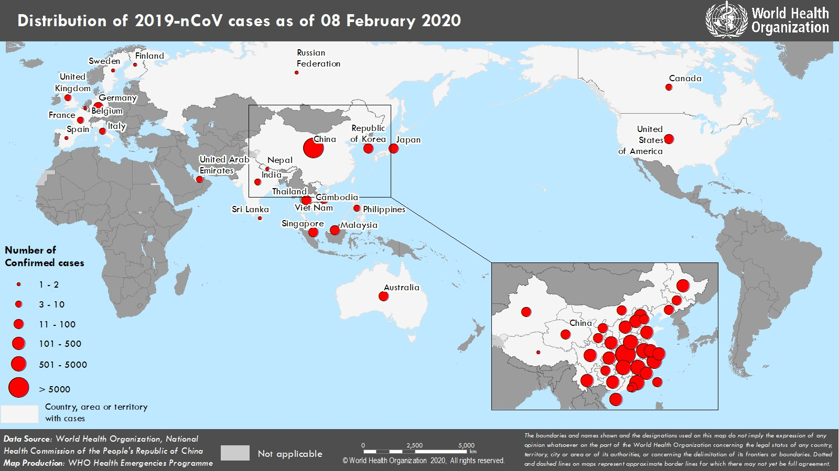 Figure 1. Countries, territories or areas with reported confirmed cases of 2019-nCoV, 8 February 2020 *The situation report includes information provided by national authorities as of 10 AM Central European Time

