Table 1
Data as reported by 9 February 2020*
Novel Coronavirus(2019-nCoV)
Situation Report – 20
SITUATION IN NUMBERS
total and new cases in last 24 hours
Globally
37 558 confirmed (2676 new)
China
37 251 confirmed (2657 new)
6188 severe (87 new)
812 deaths (89 new)
Outside of China
307 confirmed (19 new)
24 countries
1 death
WHO RISK ASSESSMENT
HIGHLIGHTS • No new countries reported cases of 2019-nCoV in the past 24 hours. • Update on Cruise Ship Diamond Princess:
On 9 February, Japanese National Health Authorities provided WHO with a detailed update on the situation of the Cruise Ship Diamond Princess, currently harboured in Yokohama, Japan. Following confirmation of a case of 2019-nCoV, all crew and passengers are being quarantined for a 14-day period on board the vessel, asked to stay in their cabins and to wear a mask when leaving their cabin. All crew and passengers are closely followed-up and are medically examined and tested for 2019-nCoV when displaying any signs or symptoms suggestive of 2019- nCoV disease. The quarantine period will come to an end on 19 February. Epidemiological and environmental investigations are ongoing. As of 8 February, 64 individuals were found to have been infected with 2019-nCoV among passengers and crew members. All individuals testing positive were disembarked and admitted for medical care in infectious disease hospitals in the Yokohama area. Close contacts of the infected passengers are asked to remain in quarantine for 14 days from last contact with a confirmed case. Thus, the quarantine period will be extended beyond the 19 February as appropriate only for close contacts of newly confirmed cases.
 | China | Very High
 | Regional Level | High
 | Global Level | High

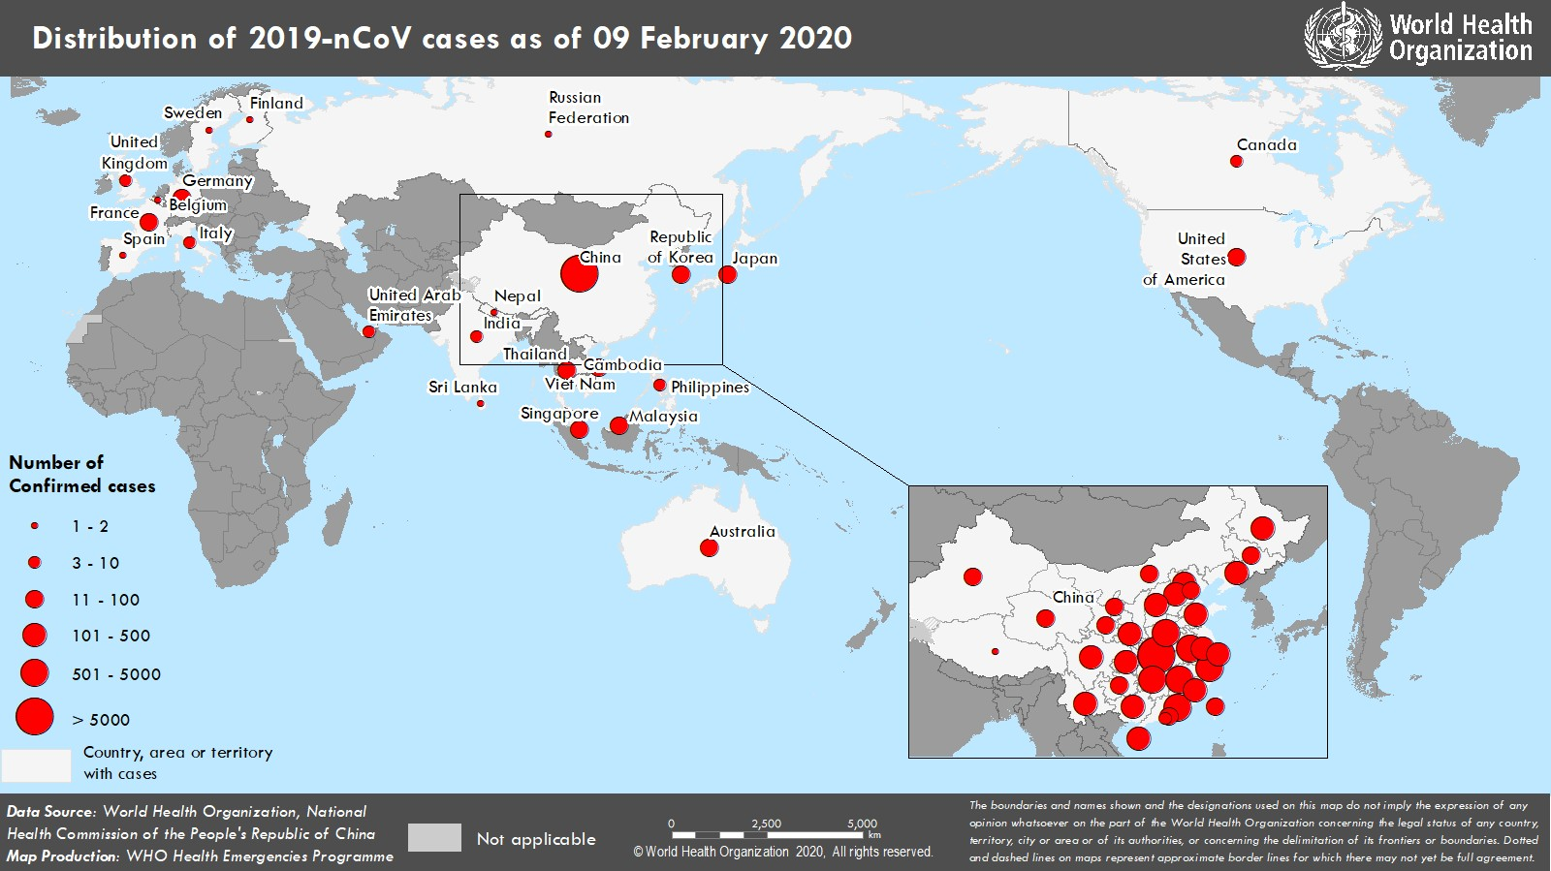 Figure 1. Countries, territories or areas with reported confirmed cases of 2019-nCoV, 9 February 2020 *The situation report includes information provided by national authorities as of 10 AM Central European Time

