Table 1
Data as reported by 12 February 2020*
Coronavirus disease 2019 (COVID-19)
Situation Report – 23
SITUATION IN NUMBERS
total and new cases in last 24 hours
Globally
45 171 confirmed (2068 new)
China
44 730 confirmed (2022 new)
8204 severe (871 new)
1114 deaths (97 new)
Outside of China
441 confirmed (46 new)
24 countries
1 death
WHO RISK ASSESSMENT
HIGHLIGHTS • No new countries reported cases of COVID-19 in the past 24 hours. • WHO has published key considerations for repatriation and quarantine of travellers in relation to COVID-19. More information can be found here. • The UN activated a Crisis Management Team (CMT) on the COVID-19 outbreak, to be led by WHO. The WHO Director-General nominated Dr Mike Ryan, Executive Director of WHO Health Emergencies Programme as the Crisis Manager. The CMT brings together WHO, OCHA, IMO (International Maritime Organization), UNICEF, ICAO, WFP, FAO, the World Bank and several departments of the UN Secretariat. It held its first meeting yesterday via teleconference. This mechanism will help WHO focus on the health response while the other agencies will bring their expertise to bear on the wider social, economic and developmental implications of the outbreak. Additional members will be included depending on the evolution of the outbreak and its impact globally. • WHO has prepared a list of Q&A on infection prevention and control for health care workers caring for patients with suspected or confirmed 2019- nCoV
 | China | Very High
 | Regional Level | High

 | Global Level | High
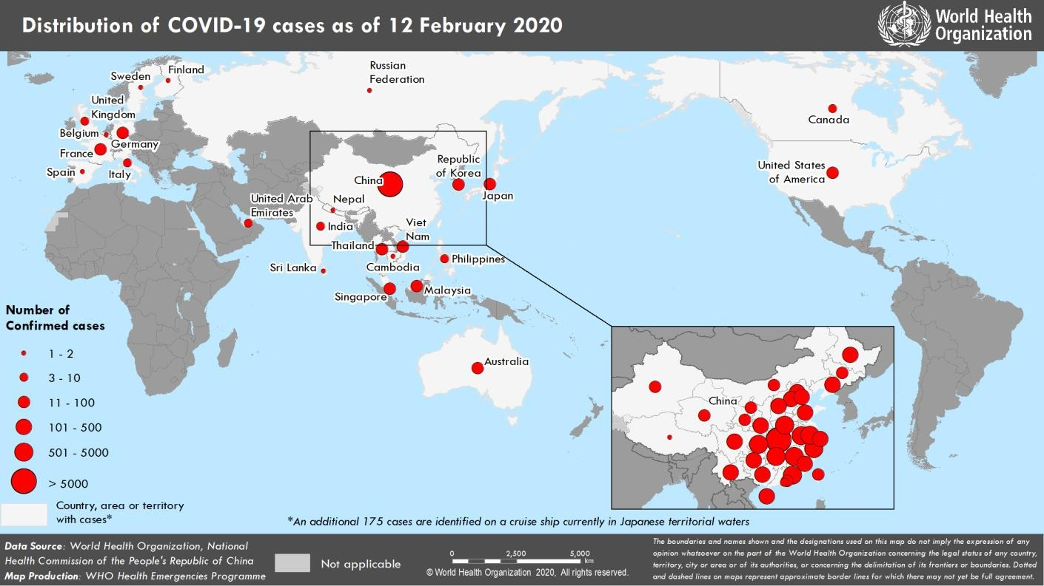 Figure 1. Countries, territories or areas with reported confirmed cases of COVID-19, 12 February 2020 *The situation report includes information provided by national authorities as of 10 AM Central European Time

Table 2
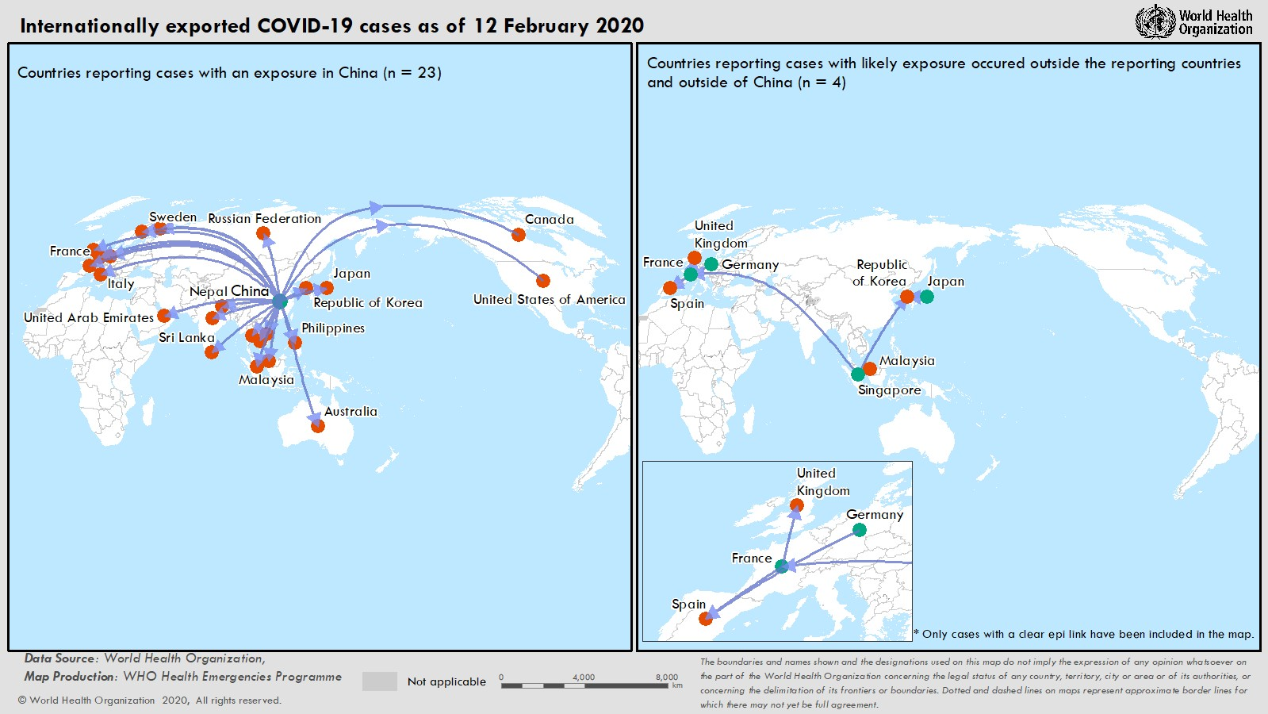
TECHNICAL FOCUS: Internationally exported COVID-19 cases Excluding China, there are 24 countries reporting cases of COVID-19. Among these 24 countries, 23 report cases with an exposure in China. In addition, 11 of these 23 countries report cases attributed to local transmission inside the reporting country. Four of the 24 countries report cases where likely exposure occurred outside the reporting country and outside of China. Among these four reporting countries the most likely countries where exposure occurred were France, Germany, Japan and Singapore (see map below). All transmissions occurred within known defined clusters.

