Help
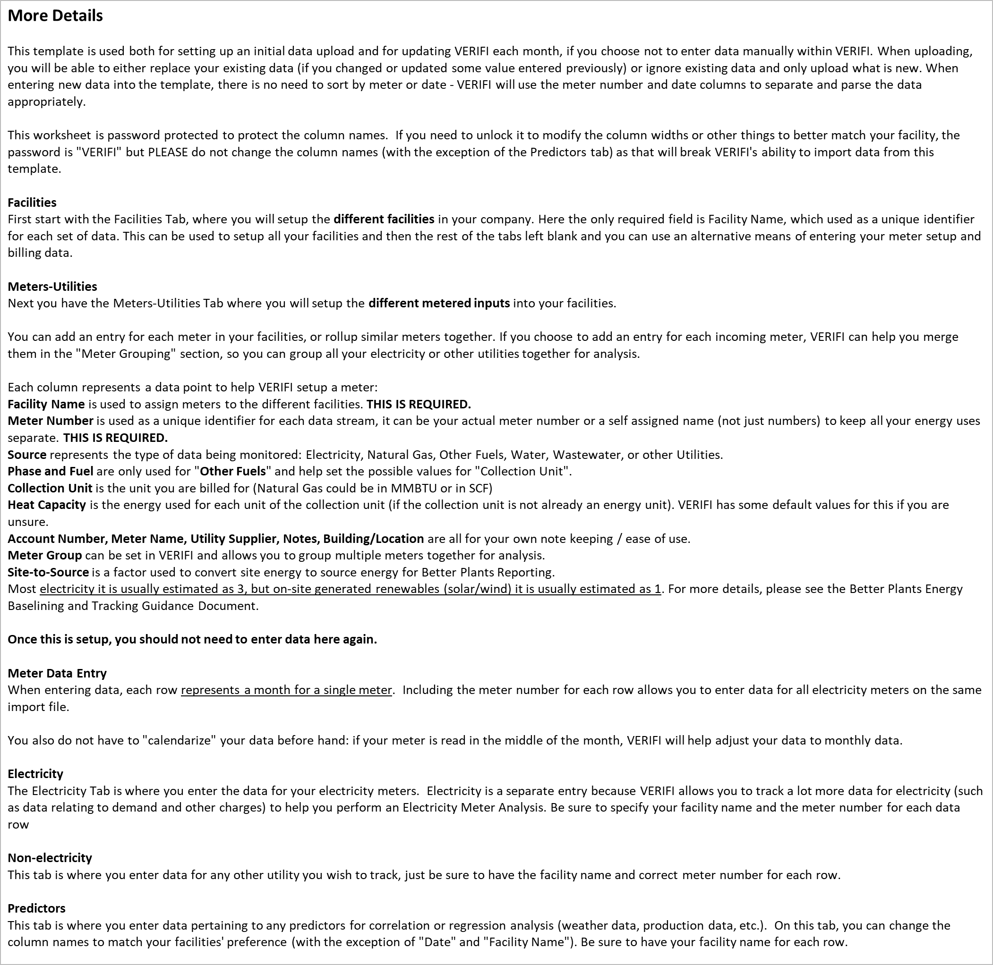

This is the template for adding facilities, meters, and data to VERIFI.
Please read the help tab before getting started.
There is more help on each page - feel free to move or delete those help boxes as you get started.

Color Guide
 | This field is free data entry | This field is mandatory and it is blank (in error) | This field is not applicable based on other data
 | This field is a dropdown | This field is suggested and it is blank | This field is inactive (need data above or to the left to activate)

Meters-Utilities
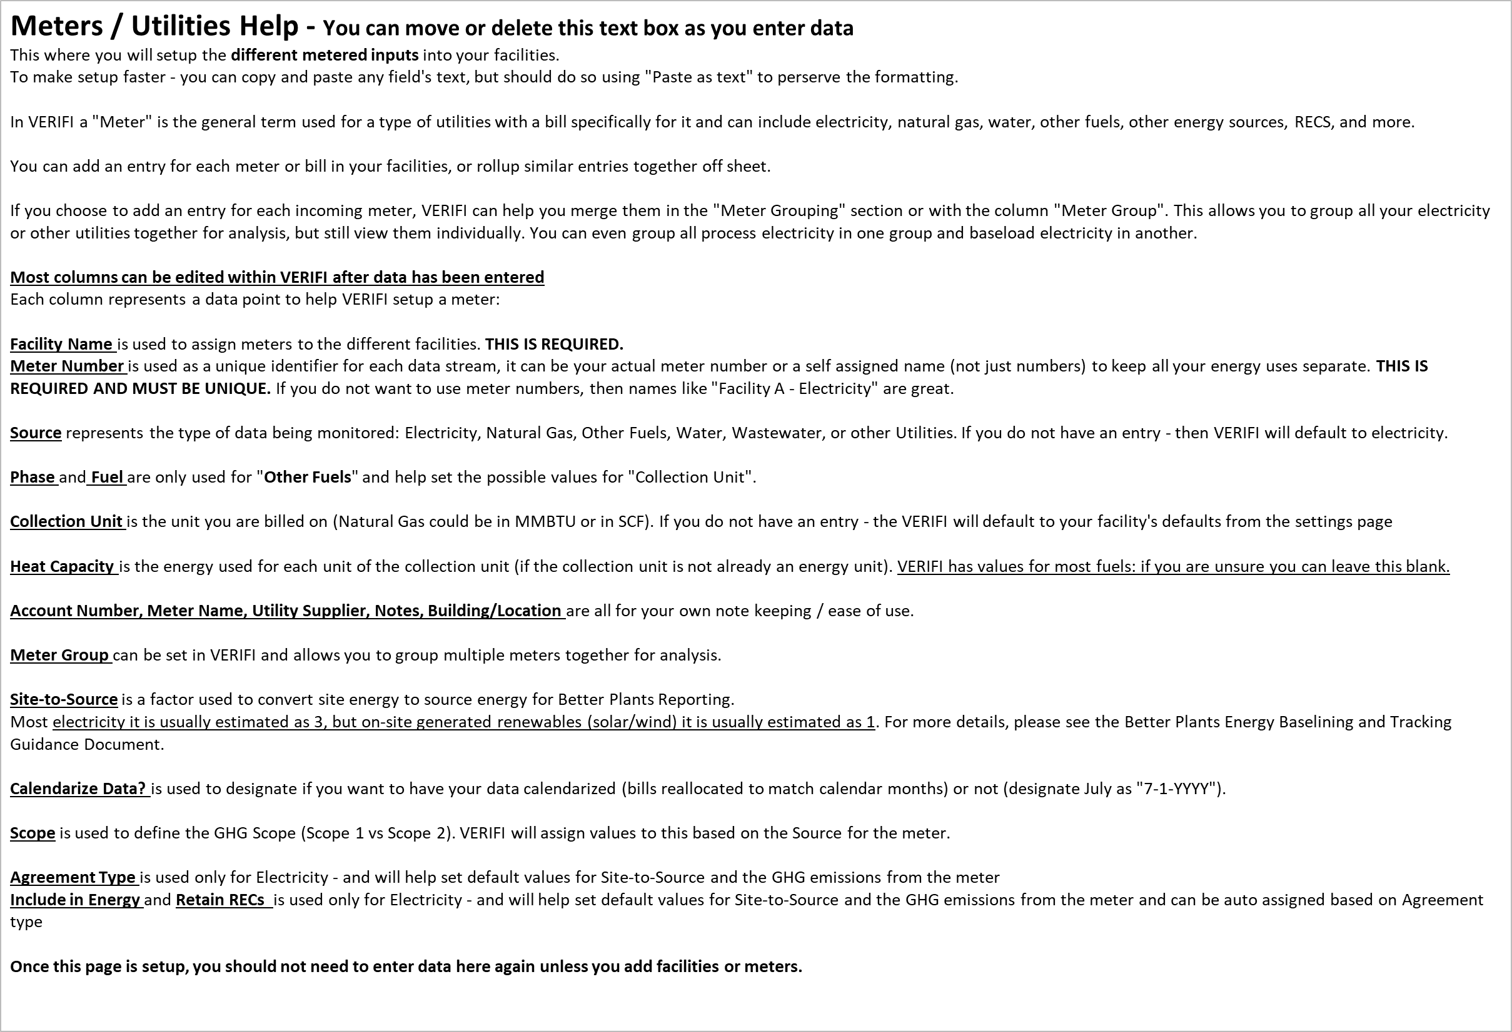
Facility Name | Meter Number | Account Number | Source | Meter Name | Utility Supplier | Notes | Building / Location | Meter Group | Phase | Fuel | Collection Unit | Heat Capacity | Site To Source | Calendarize Data? | Scope | Agreement Type | Include In Energy | Retain RECS

Non-electricity
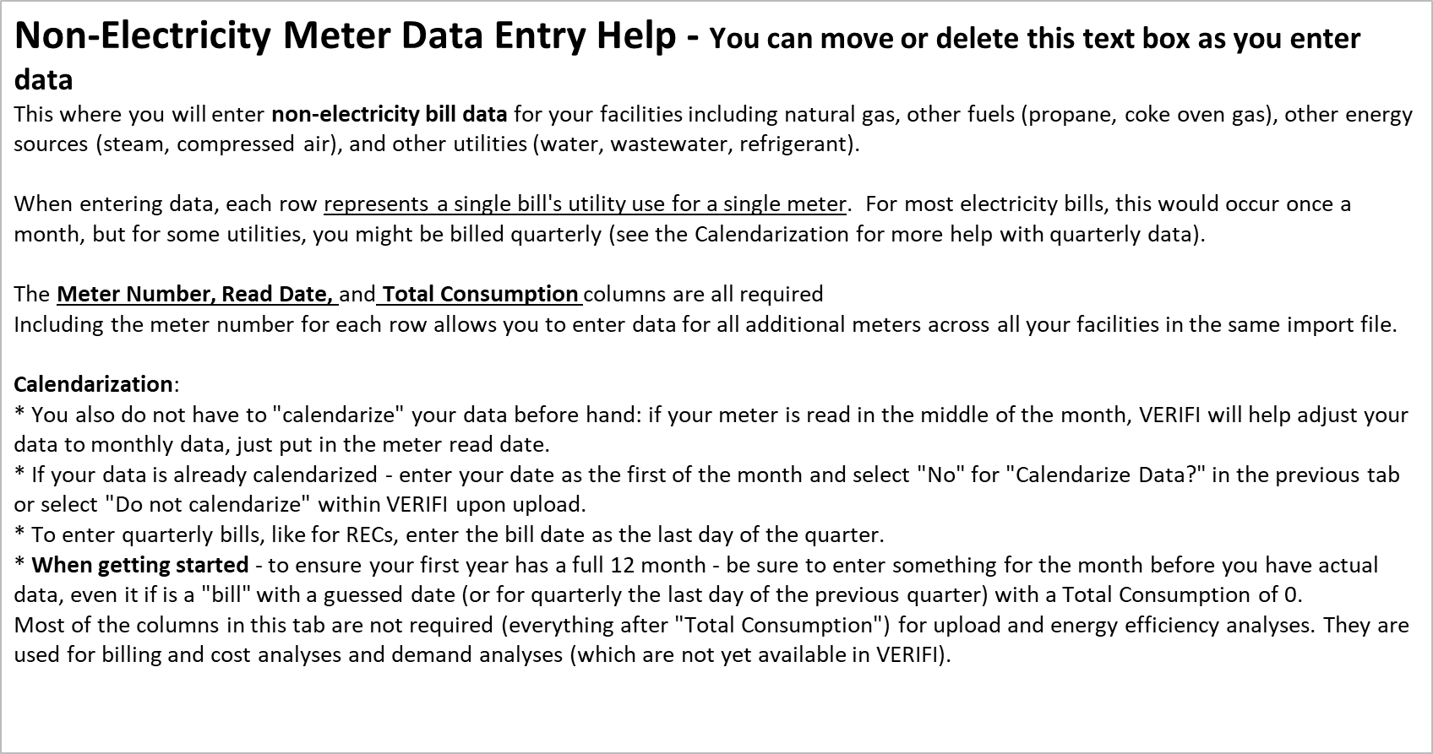
Meter Number | Read Date | Total Consumption | Total Cost | Commodity Charge | Delivery Charge | Other Charge | Demand Usage | Demand Charge | Local Sales Tax | State Sales Tax | Late Payment

Predictors
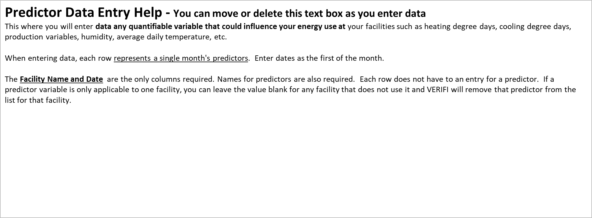
Facility Name | Date

