Help
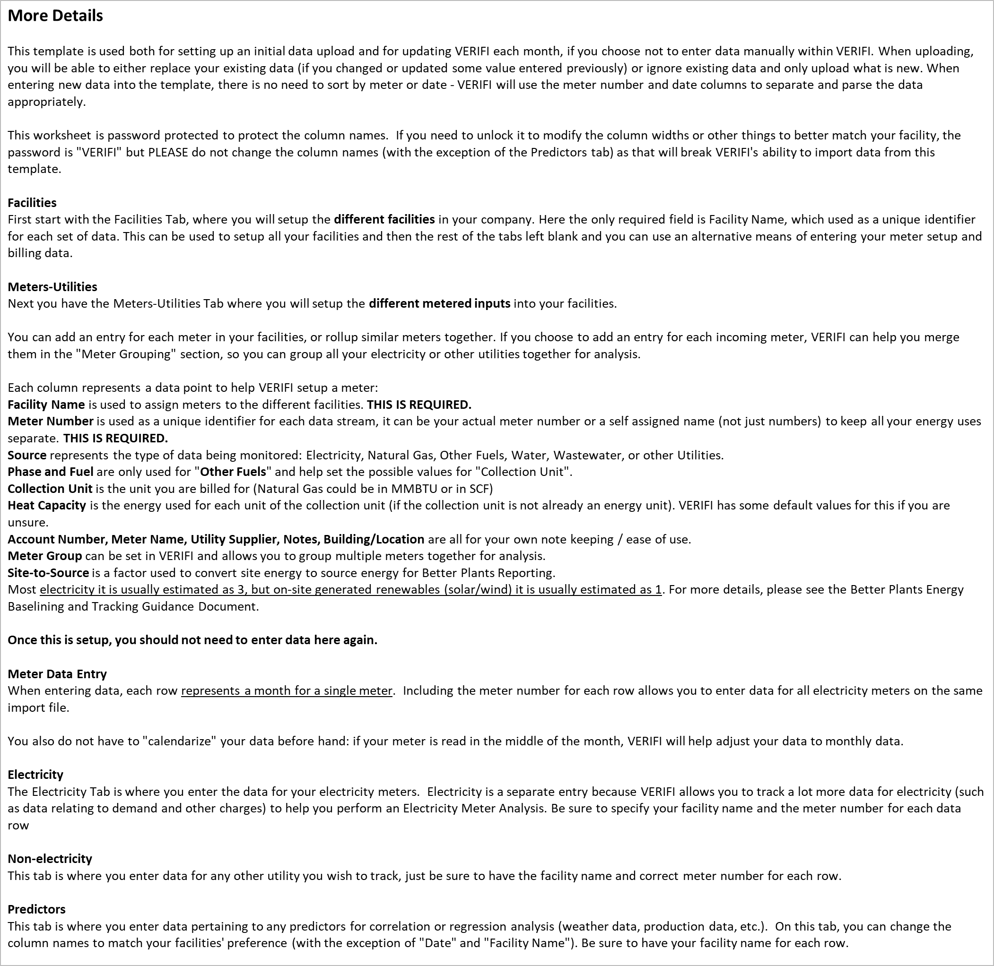


Color Guide
 | This field is free data entry | This field is mandatory and it is blank (in error) | This field is not applicable based on other data
 | This field is a dropdown | This field is suggested and it is blank | This field is inactive (need data above or to the left to activate)

Meters-Utilities
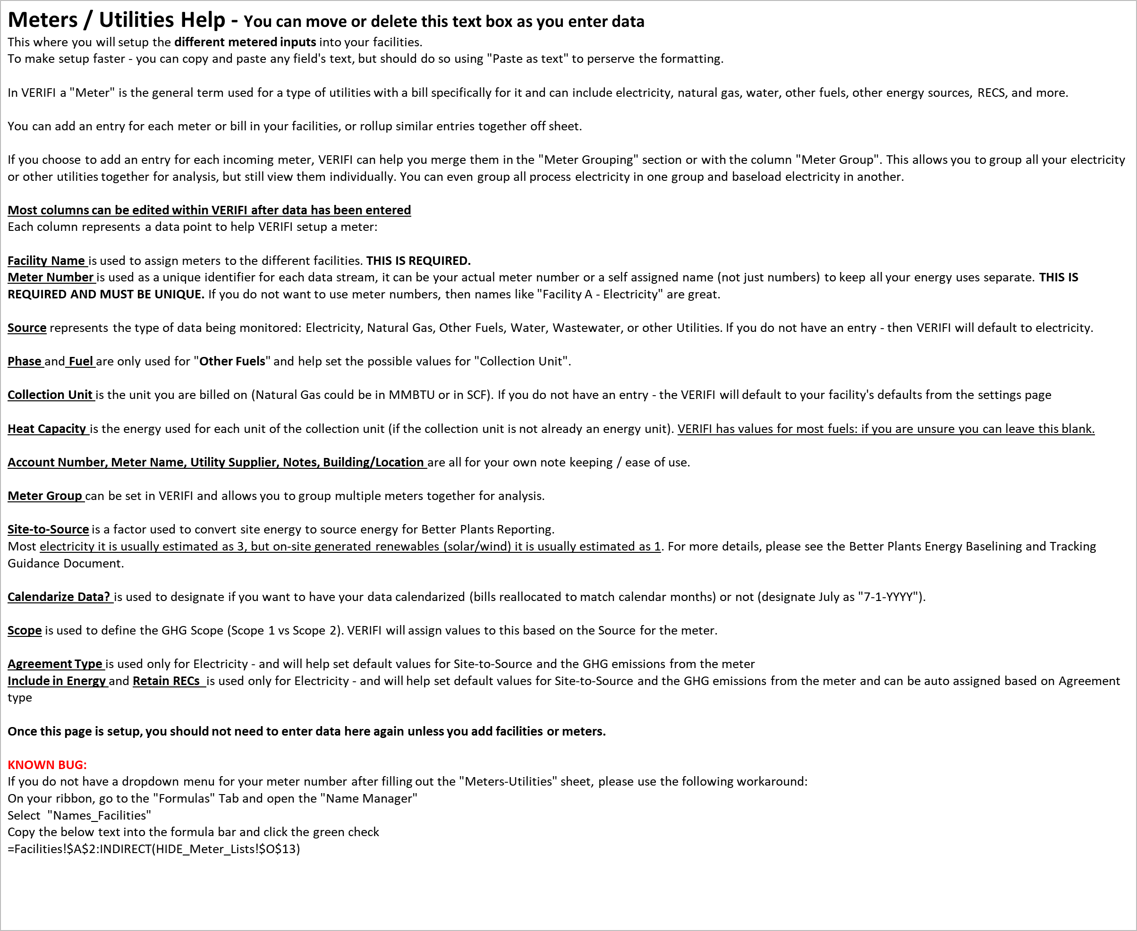
Facility Name | Meter Number | Account Number | Source | Meter Name | Utility Supplier | Notes | Building / Location | Meter Group | Phase | Fuel | Collection Unit | Heat Capacity | Site To Source | Calendarize Data? | Scope | Agreement Type | Include In Energy | Retain RECS

Electricity
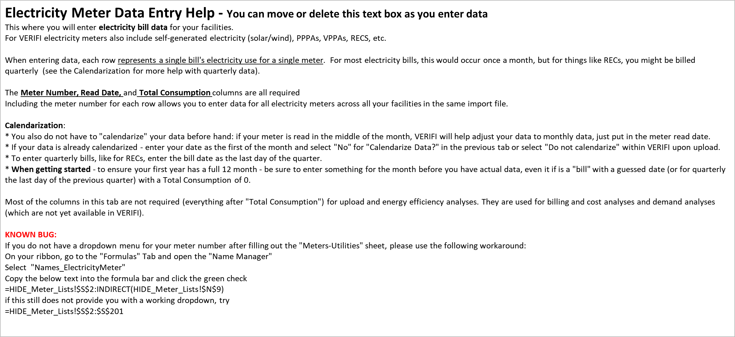
Meter Number | Read Date | Total Consumption | Total Real Demand | Total Billed Demand | Total Cost | Non-energy Charge | Block 1 Consumption | Block 1 Consumption Charge | Block 2 Consumption | Block 2 Consumption Charge | Block 3 Consumption | Block 3 Consumption Charge | Other Consumption | Other Consumption Charge | On Peak Amount | On Peak Charge | Off Peak Amount | Off Peak Charge | Transmission & Delivery Charge | Power Factor | Power Factor Charge | Local Sales Tax | State Sales Tax | Late Payment | Other Charge

Non-electricity
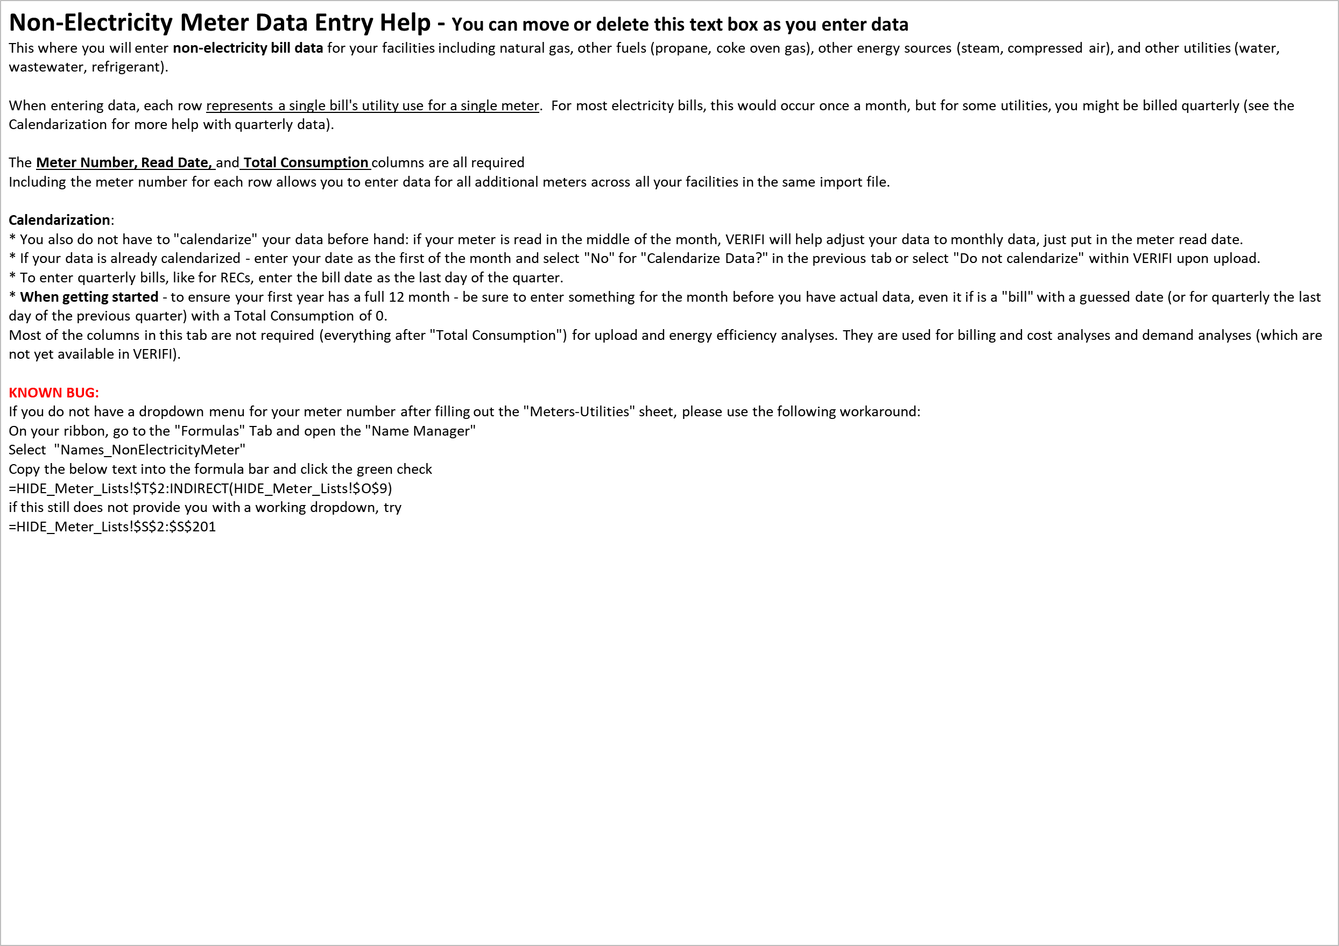
Meter Number | Read Date | Total Consumption | Total Cost | Commodity Charge | Delivery Charge | Other Charge | Demand Usage | Demand Charge | Local Sales Tax | State Sales Tax | Late Payment

Predictors
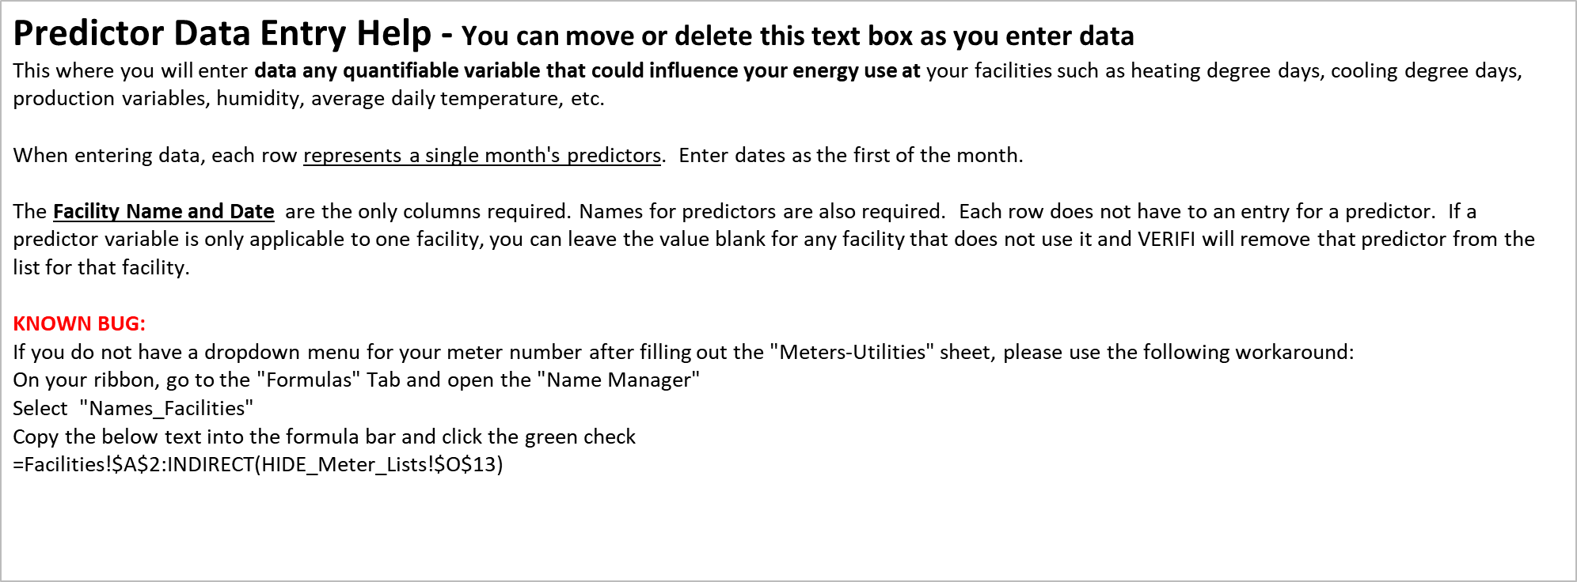
Facility Name | Date

