Help
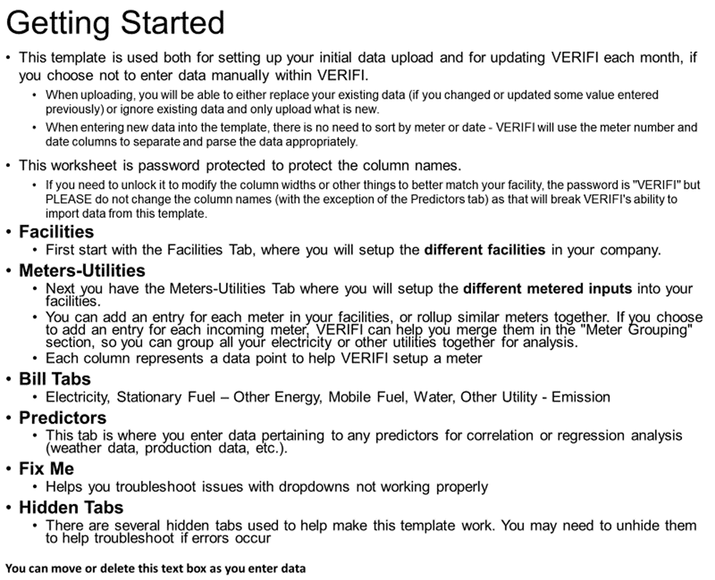


Color Guide
 | This field is free data entry | This field is mandatory and it is blank (in error) | This field is not applicable based on other data
 | This field is a dropdown | This field is suggested and it is blank | This field is inactive (need data above or to the left to activate)

Facilities
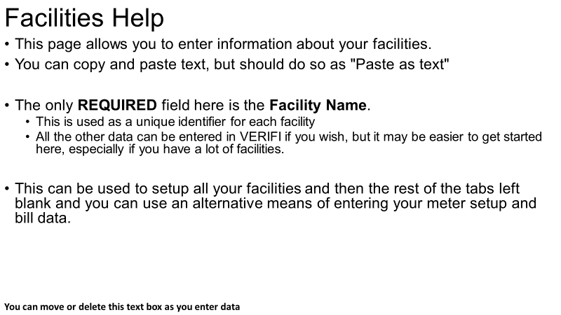
Facility Name | Address | Country | State | City | Zip | NAICS Code 2 digit | NAICS Code 3 digit | Contact Name | Contact Phone | Contact Email

Meters-Utilities
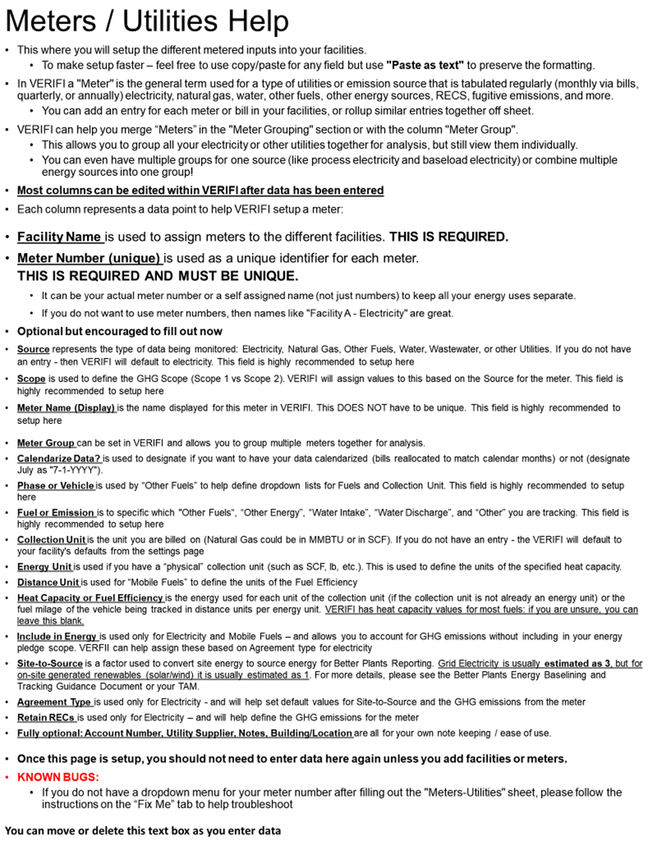
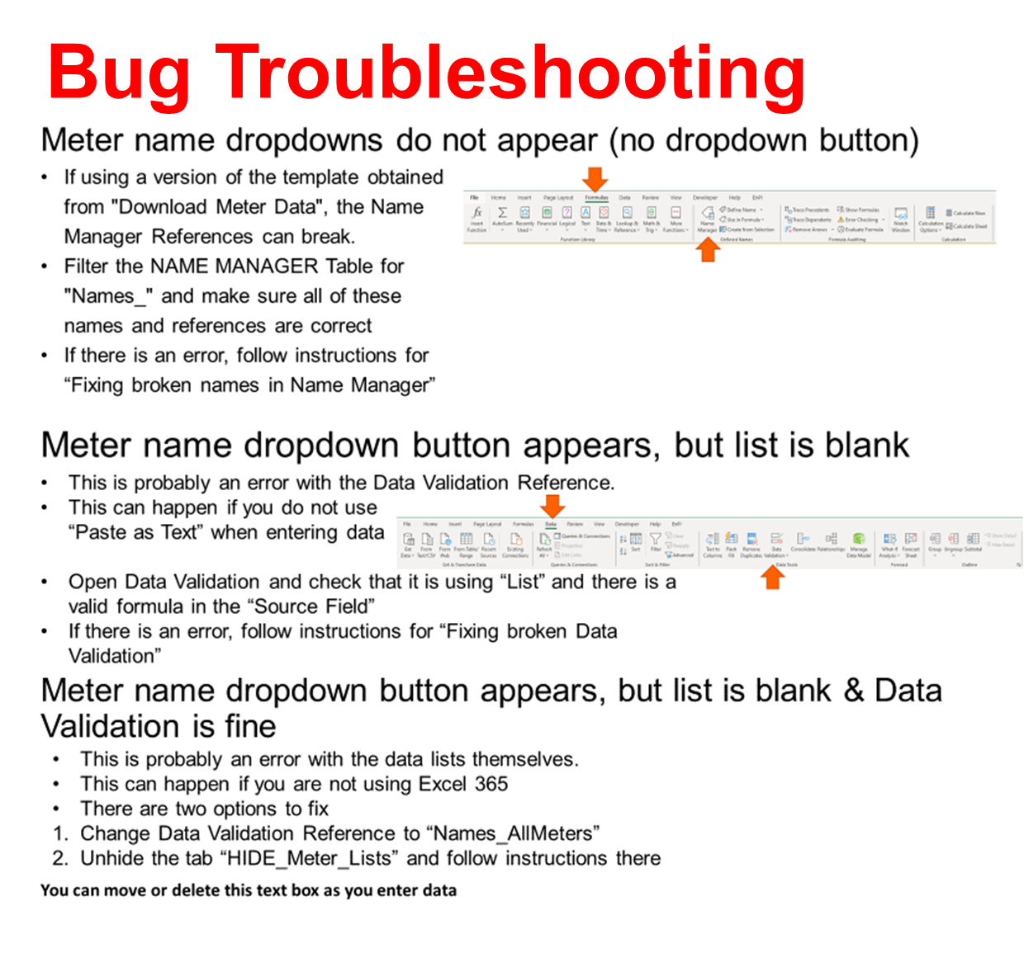
Facility Name | Meter Number (unique) | Source | Scope | Meter Name (Display) | Meter Group | Calendarize Data? | Phase or Vehicle | Fuel or Emission | Collection Unit | Energy Unit | Distance Unit | Estimation Method | Heat Capacity or Fuel Efficiency | Include In Energy | Site To Source | Agreement Type | Retain RECS | Account Number | Utility Supplier | Notes | Building / Location

Electricity
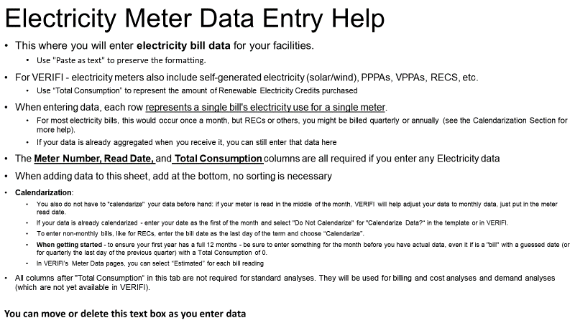
Meter Number | Read Date | Total Consumption | Total Real Demand | Total Billed Demand | Total Cost | Non-energy Charge | Block 1 Consumption | Block 1 Consumption Charge | Block 2 Consumption | Block 2 Consumption Charge | Block 3 Consumption | Block 3 Consumption Charge | Other Consumption | Other Consumption Charge | On Peak Amount | On Peak Charge | Off Peak Amount | Off Peak Charge | Transmission & Delivery Charge | Power Factor | Power Factor Charge | Local Sales Tax | State Sales Tax | Late Payment | Other Charge

Stationary Fuel - Other Energy
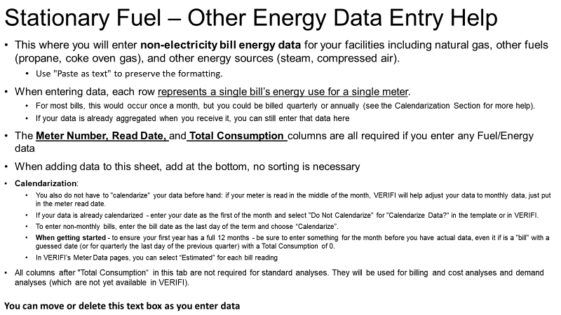
Meter Number | Read Date | Total Consumption | Total Cost | Commodity Charge | Delivery Charge | Other Charge | Demand Usage | Demand Charge | Local Sales Tax | State Sales Tax | Late Payment

Mobile Fuel
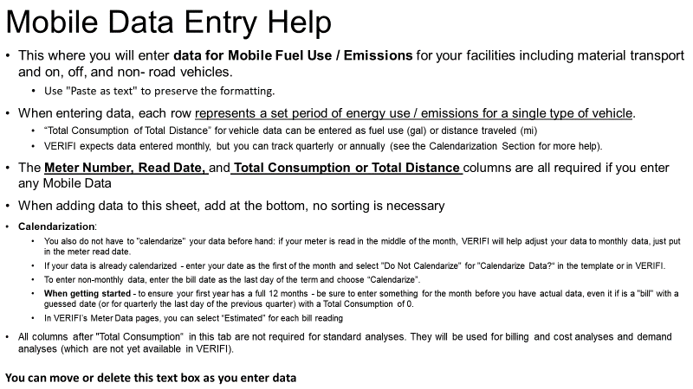
Meter Number | Read Date | Total Consumption or Total Distance | Total Cost | Other Charge

Water
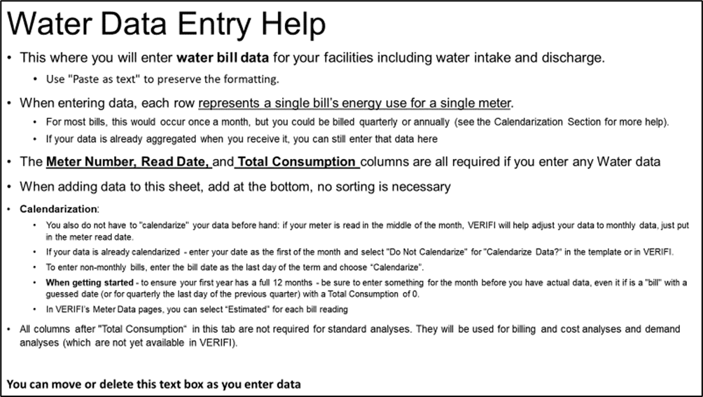
Meter Number | Read Date | Total Consumption | Total Cost | Commodity Charge | Delivery Charge | Other Charge | Demand Usage | Demand Charge | Local Sales Tax | State Sales Tax | Late Payment

Other Utility - Emission
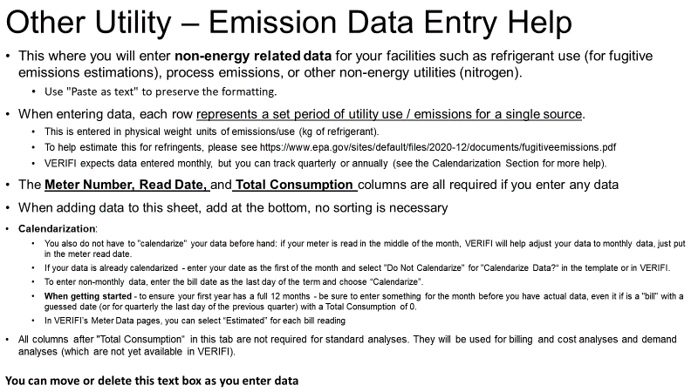
Meter Number | Read Date | Total Consumption | Total Cost | Other Charge

Predictors
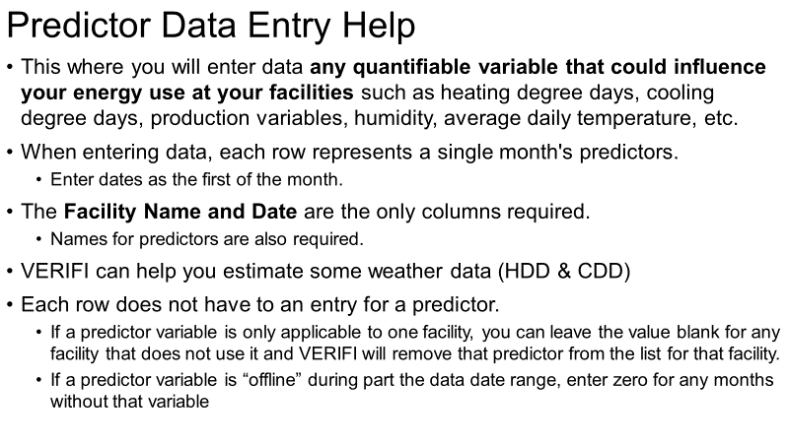
Facility Name | Date

Fix Me
DATA VALIDATION: If Data Validation Reference is blank… |  |  |  | NAME MANAGER: If Data Validation Reference is blank, check Name Manager for the array
Tab | Column | Column Name | Data Validation Reference | Name Manager Name | Name Manager Reference
Meters-Utilities | A | Facility Name | Names_Facilities | AgreementType_Electricity | HIDE_Lists!$D$2:$D$8
Meters-Utilities | B | Source | Sources | BlankList | HIDE_Lists!$A$93
Meters-Utilities | D | Scope | INDIRECT("Scope"&SUBSTITUTE(C2," ","")) | ChoiceCalendarization | HIDE_Lists!$D$93:$D$95
Meters-Utilities | G | Calendarize Data? | ChoiceCalendarization | ChoiceEstimationMethod | HIDE_Lists!$C$93:$C$94
Meters-Utilities | H | Phase or Vehicle | INDIRECT('HIDE_Meters-Utilites'!$L2) | Countries | HIDE_Lists!$M$2:$M$250
Meters-Utilities | I | Fuel | INDIRECT('HIDE_Meters-Utilites'!$M2) | Fuel | HIDE_Lists!$K$34
Meters-Utilities | J | Collection Unit | INDIRECT('HIDE_Meters-Utilites'!$N2) | FuelAll | HIDE_Lists!$A$115:$A$255
Meters-Utilities | K | Energy Unit | INDIRECT('HIDE_Meters-Utilites'!$O2) | FuelGas | HIDE_Lists!$A$34:$A$41
Meters-Utilities | L | Distance Unit | INDIRECT('HIDE_Meters-Utilites'!$P2) | FuelLiquid | HIDE_Lists!$B$34:$B$64
Meters-Utilities | M | Estimation Method | INDIRECT('HIDE_Meters-Utilites'!$Q2) | FuelMaterial | HIDE_Lists!$G$34:$G$36
Meters-Utilities | O | Include in Energy | INDIRECT('HIDE_Meters-Utilites'!$U2) | FuelNonRoad | HIDE_Lists!$J$34:$J$38
Meters-Utilities | Q | Agreement Type | IF($C2 = "Electricity",AgreementType_Electricity,BlankList) | FuelOffRoad | HIDE_Lists!$I$34:$I$38
Meters-Utilities | R | Retain RECS | IF($C2 = "Electricity", YesNo, BlankList) | FuelOnRoad | HIDE_Lists!$H$34:$H$38
Facilities | C | Country | Countries | FuelOtherEnergy | HIDE_Lists!$D$34:$D$39
Facilities | D | State | States | FuelSolid | HIDE_Lists!$C$34:$C$43
Facilities | G | NAICS Code 2 digit | NAICS2dig | FuelWaterDischarge | HIDE_Lists!$F$34:$F$41
Facilities | H | NAICS Code 3 digit | INDIRECT("List3_"&LEFT(G2,2)) | FuelWaterIntake | HIDE_Lists!$E$34:$E$42
Electricity | A | Meter Number | Names_ElectricityMeter | List3_11 | HIDE_NAICS3!$A$2:$A$6
Stationary Fuel - Other energy | A | Meter Number | Names_StationaryMeter | List3_21 | HIDE_NAICS3!$B$2:$B$4
Mobile Fuel | A | Meter Number | Names_MobileMeter | List3_22 | HIDE_NAICS3!$C$2
Water | A | Meter Number | Names_WaterMeter | List3_23 | HIDE_NAICS3!$D$2:$D$4
Other Utility - Emission | A | Meter Number | Names_Other | List3_31 | HIDE_NAICS3!$E$2:$E$22
 |  |  |  | List3_42 | HIDE_NAICS3!$F$2:$F$4
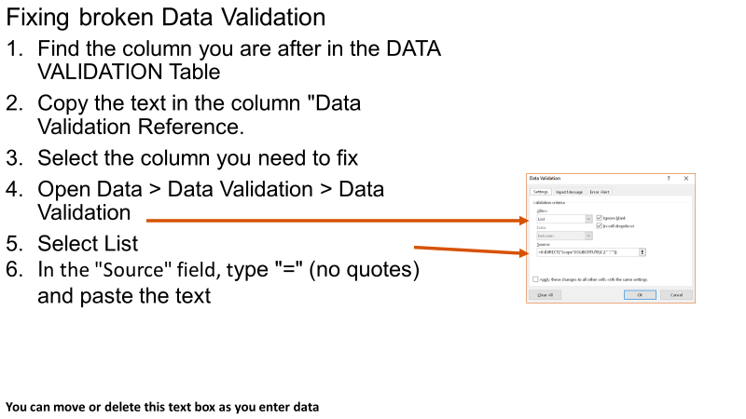
 |  |  |  | List3_44 | HIDE_NAICS3!$G$2:$G$13
 |  |  |  | List3_48 | HIDE_NAICS3!$H$2:$H$12
 |  |  |  | List3_51 | HIDE_NAICS3!$I$2:$I$7
 |  |  |  | List3_52 | HIDE_NAICS3!$J$2:$J$6
 |  |  |  | List3_53 | HIDE_NAICS3!$K$2:$K$4
 |  |  |  | List3_54 | HIDE_NAICS3!$L$2
 |  |  |  | List3_55 | HIDE_NAICS3!$M$2
 |  |  |  | List3_56 | HIDE_NAICS3!$N$2:$N$3
 |  |  |  | List3_61 | HIDE_NAICS3!$O$2:$O$3
 |  |  |  | List3_62 | HIDE_NAICS3!$P$2:$P$4
 |  |  |  | List3_71 | HIDE_NAICS3!$Q$2:$Q$4
 |  |  |  | List3_72 | HIDE_NAICS3!$R$2:$R$3
 |  |  |  | List3_81 | HIDE_NAICS3!$S$2:$S$5
 |  |  |  | List3_92 | HIDE_NAICS3!$T$2:$T$9
 |  |  |  | NAICS2dig | HIDE_Lists!$Q$4:$Q$23
 |  |  |  | Names_AllMeters | HIDE_Meter_Lists!$B$2:$B$201
 |  |  |  | Names_ElectricityMeter | HIDE_Meter_Lists!$AA$2:INDIRECT(HIDE_Meter_Lists!$U$8)
 |  |  |  | Names_Facilities | HIDE_Meter_Lists!$AJ$2:INDIRECT(HIDE_Meter_Lists!$AH$8)
 |  |  |  | Names_MobileMeter | HIDE_Meter_Lists!$AC$2:INDIRECT(HIDE_Meter_Lists!$W$8)
 |  |  |  | Names_Other | HIDE_Meter_Lists!$AE$2:INDIRECT(HIDE_Meter_Lists!$Y$8)
 |  |  |  | Names_StationaryMeter | HIDE_Meter_Lists!$AB$2:INDIRECT(HIDE_Meter_Lists!$V$8)
 |  |  |  | Names_WaterMeter | HIDE_Meter_Lists!$AD$2:INDIRECT(HIDE_Meter_Lists!$X$8)
 |  |  |  | PhaseAll | HIDE_Lists!$C$115:$C$128
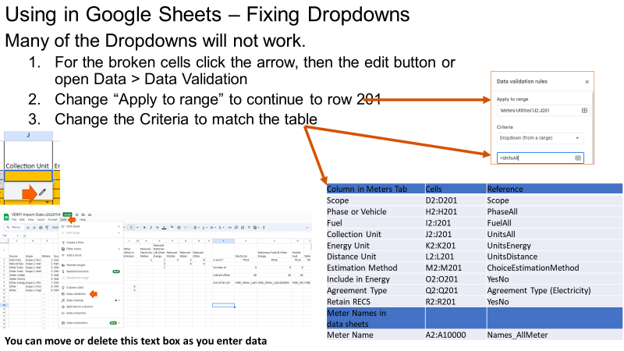
 |  |  |  | PhaseNO | HIDE_Lists!$C$17
 |  |  |  | PhaseSLG | HIDE_Lists!$A$17:$A$19
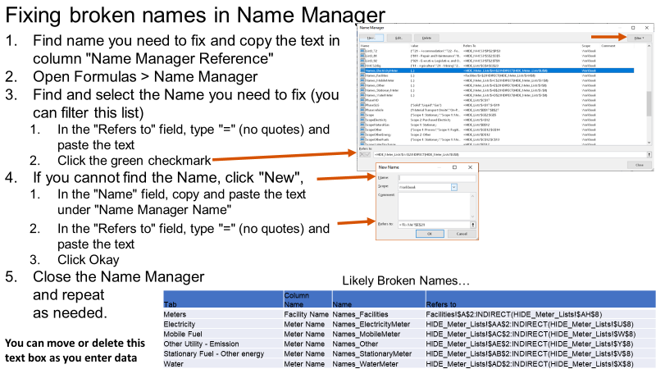
 |  |  |  | PhaseVehicle | HIDE_Lists!$B$17:$B$27
 |  |  |  | Scope | HIDE_Lists!$G$2:$G$7
 |  |  |  | ScopeElectricity | HIDE_Lists!$A$12
 |  |  |  | ScopeNaturalGas | HIDE_Lists!$B$12
 |  |  |  | ScopeOther | HIDE_Lists!$G$12:$G$14
 |  |  |  | ScopeOtherEnergy | HIDE_Lists!$D$12
 |  |  |  | ScopeOtherFuels | HIDE_Lists!$C$12:$C$13
 |  |  |  | ScopeWaterDischarge | HIDE_Lists!$F$12
 |  |  |  | ScopeWaterIntake | HIDE_Lists!$E$12
 |  |  |  | Sources | HIDE_Lists!$A$2:$A$8
 |  |  |  | States | HIDE_Lists!$O$2:$A$31
 |  |  |  | UnitsAll | HIDE_Lists!$B$115:$B$144
 |  |  |  | UnitsBlank | HIDE_Lists!$K$68
 |  |  |  | UnitsDistance | HIDE_Lists!$B$68:$B$69
 |  |  |  | UnitsEnergy | HIDE_Lists!$A$68:$A$76
 |  |  |  | UnitsGas | HIDE_Lists!$C$68:$C$74
 |  |  |  | UnitsGasEnergy | HIDE_Lists!$G$68:$G$83
 |  |  |  | UnitsLiquid | HIDE_Lists!$D$68:$D$73
 |  |  |  | UnitsLiquidEnergy | HIDE_Lists!$H$68:$H$82
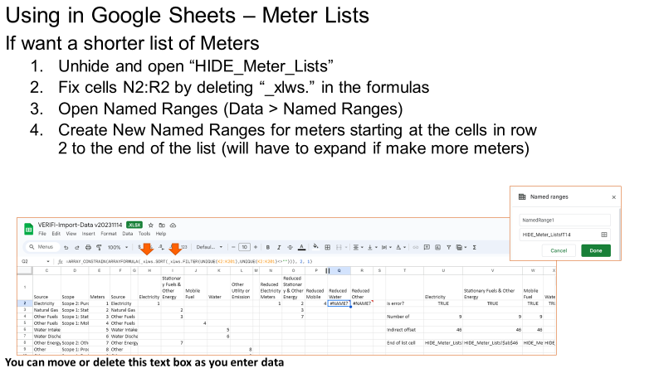
 |  |  |  | UnitsOtherEnergy | HIDE_Lists!$F$68:$F$78
 |  |  |  | UnitsOtherEnergyEnergy | HIDE_Lists!$J$68:$J$87
 |  |  |  | UnitsSolid | HIDE_Lists!$E$68:$E$72
 |  |  |  | UnitsSolidEnergy | HIDE_Lists!$I$68:$I$81
 |  |  |  | YesNo | HIDE_Lists!$B$93:$B$94

