Lines between buses
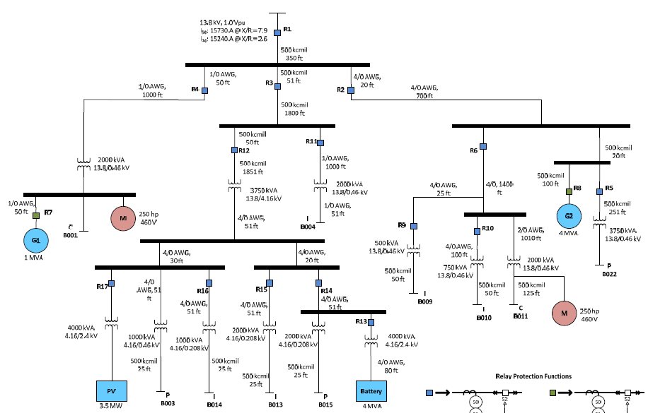
ohms per 1000 feet |  | 600 v and 5 kV nonshielded |  |  | 5 kv and 15 kv shielded |  |  | Line number | From Bus | To Bus | Line details | distance (in feet) | Voltage level | Feet conversion | R | X | Z
 | R | X | Z | R | X | Z |  | 1 | 1 | 2 | 500 kcmil | 350 | 13.8 kV | 0.35 | 0.0105 | 0.01841 | 0.017675
500 kcmil | 0.0294 | 0.0466 | 0.0551 | 0.03 | 0.0526 | 0.0505 | 500 kcmil | 2 | 2 | R4 | 1/0 AWG | 50 | 13.8 kV | 0.05 | 0.0064 | 0.003175 | 0.00715
1/0 AWG | 0.128 | 0.054 | 0.139 | 0.128 | 0.0635 | 0.143 | 1/0 AWG | 3 | 2 | R3 | 500 kcmil | 51 | 13.8 kV | 0.051 | 0.00153 | 0.0026826 | 0.0025755
2/0 AWG | 0.102 | 0.0533 | 0.115 | 0.103 | 0.063 | 0.121 | 2/0 AWG | 4 | 2 | R2 | 4/0 AWG | 20 | 13.8 kV | 0.02 | 0.0013 | 0.001166 | 0.001858
4/0 AWG | 0.064 | 0.0497 | 0.081 | 0.065 | 0.0583 | 0.0929 | 4/0 AWG | 5 | R4 | 3 | 1/0 AWG | 1000 | 13.8 kV | 1 | 0.128 | 0.0635 | 0.143
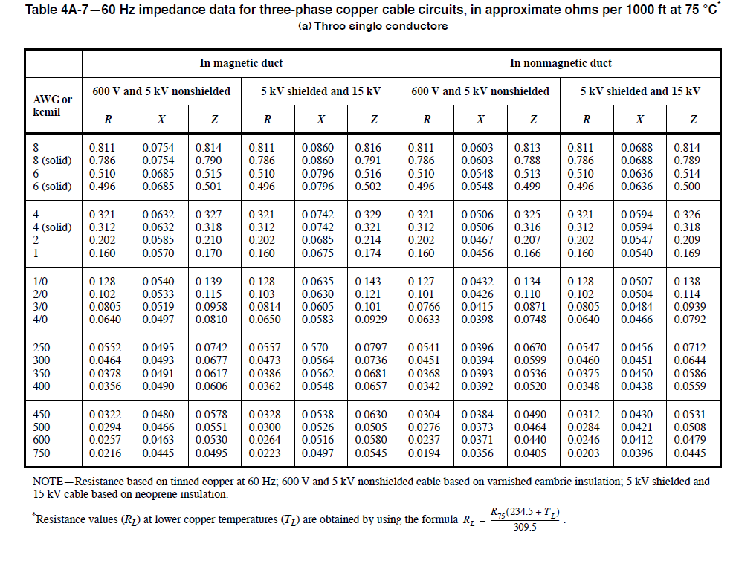
 |  |  |  |  |  |  |  | 6 | 3 | R7 | 1/0 AWG | 50 | 460 V | 0.05 | 0.0064 | 0.0027 | 0.00695
 |  |  |  |  |  |  |  | 7 | R3 | 4 | 500 kcmil | 1800 | 13.8 kV | 1.8 | 0.054 | 0.09468 | 0.0909
 |  |  |  |  |  |  |  | 8 | 4 | R12 | 500 kcmil | 50 | 13.8 kV | 0.05 | 0.0015 | 0.00263 | 0.002525
 |  |  |  |  |  |  |  | 9 | 4 | transformer 3 | 1/0 AWG | 1000 | 13.8 kV | 1 | 0.128 | 0.0635 | 0.143
 |  |  |  |  |  |  |  | 10 | R12 | transformer 2 | 500 kcmil | 1851 | 13.8 kV | 1.851 | 0.05553 | 0.0973626 | 0.0934755
 |  |  |  |  |  |  |  | 11 | transformer 3 | B004 | 1/0 AWG | 51 | 460 V | 0.051 | 0.006528 | 0.002754 | 0.007089
 |  |  |  |  |  |  |  | 12 | transformer 2 | 6 | 4/0 AWG | 51 | 4.16 kV | 0.051 | 0.003264 | 0.0025347 | 0.004131
 |  |  |  |  |  |  |  | 13 | 6 | 8 | 4/0 AWG | 30 | 4.16 kV | 0.03 | 0.00192 | 0.001491 | 0.00243
 |  |  |  |  |  |  |  | 14 | 6 | 9 | 4/0 AWG | 20 | 4.16 kV | 0.02 | 0.00128 | 0.000994 | 0.00162
 |  |  |  |  |  |  |  | 15 | 8 | transformer 5 | 4/0 AWG | 51 | 4.16 kV | 0.051 | 0.003264 | 0.0025347 | 0.004131
 |  |  |  |  |  |  |  | 16 | 8 | transformer 6 | 4/0 AWG | 51 | 4.16 kV | 0.051 | 0.003264 | 0.0025347 | 0.004131
 |  |  |  |  |  |  |  | 17 | transformer 5 | B003 | 500 kcmil | 25 | 460 V | 0.025 | 0.000735 | 0.001165 | 0.0013775
 |  |  |  |  |  |  |  | 18 | transformer 6 | B014 | 500 kcmil | 25 | 460 V | 0.025 | 0.000735 | 0.001165 | 0.0013775
 |  |  |  |  |  |  |  | 19 | 9 | transformer 7 | 4/0 AWG | 51 | 4.16 kV | 0.051 | 0.00153 | 0.0026826 | 0.0025755
 |  |  |  |  |  |  |  | 20 | 9 | 11 | 4/0 AWG | 51 | 4.16 kV | 0.051 | 0.00153 | 0.0026826 | 0.0025755
 |  |  |  |  |  |  |  | 21 | transformer 7 | B013 | 500 kcmil | 25 | 280 V | 0.025 | 0.000735 | 0.001165 | 0.0013775
 |  |  |  |  |  |  |  | 22 | transformer 8 | B015 | 500 kcmil | 25 | 280 V | 0.025 | 0.000735 | 0.001165 | 0.0013775
 |  |  |  |  |  |  |  | 23 | transformer 9 | battery | 4/0 AWG | 80 | 2.4 kV | 0.08 | 0.0024 | 0.004208 | 0.00404
 |  |  |  |  |  |  |  | 24 | R2 | 5 | 4/0 AWG | 700 | 13.8 kV | 0.7 | 0.021 | 0.03682 | 0.03535
 |  |  |  |  |  |  |  | 25 | 5 | 10 | 4/0 AWG | 1400 | 13.8 kV | 1.4 | 0.042 | 0.07364 | 0.0707
 |  |  |  |  |  |  |  | 26 | 10 | transformer 10 | 4/0 AWG | 25 | 13.8 kV | 0.025 | 0.00075 | 0.001315 | 0.0012625
 |  |  |  |  |  |  |  | 27 | transformer 10 | B009 | 500 kcmil | 50 | 460 V | 0.05 | 0.0015 | 0.00263 | 0.002525
 |  |  |  |  |  |  |  | 28 | 10 | transformer 11 | 4/0 AWG | 100 | 13.8 kV | 0.1 | 0.0065 | 0.00583 | 0.00929
 |  |  |  |  |  |  |  | 29 | 10 | transformer 12 | 2/0 AWG | 1010 | 13.8 kV | 1.01 | 0.10403 | 0.06363 | 0.12221
 |  |  |  |  |  |  |  | 30 | transformer 11 | B010 | 500 kcmil | 50 | 460 V | 0.05 | 0.00147 | 0.00233 | 0.002755
 |  |  |  |  |  |  |  | 31 | transformer 12 | B011 | 500 kcmil | 125 | 460 V | 0.125 | 0.003675 | 0.005825 | 0.0068875
 |  |  |  |  |  |  |  | 32 | 5 | 7 | 500 kcmil | 20 | 13.8 kV | 0.02 | 0.0006 | 0.001052 | 0.00101
 |  |  |  |  |  |  |  | 33 | 7 | G2 | 500 kcmil | 100 | 13.8 kV | 0.1 | 0.003 | 0.00526 | 0.00505
 |  |  |  |  |  |  |  | 34 | 7 | transformer 13 | 500 kcmil | 251 | 13.8 kV | 0.251 | 0.00753 | 0.0132026 | 0.0126755

Fuel cost
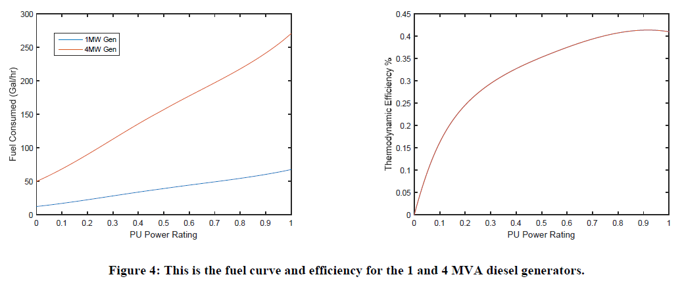
Diesel gen |  |  | PV rating |  | Battery rating
Generator | 1 MW genset | 4 MW genset | Power rating (kW) | 3500 | Power rating (kVA) | 4000
Rating (kVA) | 1000 | 4000 | voltage (V) | 2400 | Storage (kWh) | 500
voltage(V) | 480 | 13800 | Max ramp rate | 2.5 | voltage (V) | 2400
Minimum output power | 25 kW | 100 kW |  |  | Ramp rate (MW/s) | 8 MW/s
Startup time | < 10 sec | < 15 sec

