instructions
The goal is to complete the calculations for nikolaus et al parameters for 0 < [Ca2+] < 10. I suggest intervals of 0.5 mM at least at first to see if that's sufficient (hopefully). The only parameters that change in the model are the initial tension induced by Ca (gamma0) and shrinkage (epsiloncat). We are approximating that all the rupture rate parameters are independent of [Ca], which can't be exactly true but we don't have any info on this.
Steps:
Read off value of gamma for pure DOPS at specific [Ca] using fig of Ohki BBA 1982 pasted on the "ohki" spreadsheet. Enter value in "parameters" spreadsheet (red column).
Read off value of area per DPPC lipid (A_L) in angstrom^2 at the specific [Ca] using the figure of Uhrikova on the the "uhrikova" spreadsheet. Enter value in "parameters" spreadsheet (blue column).
Enter values from yellow columns of "parameters" spreadsheet into the all_run.m matlab command file. The area looks like this near the top:
%%% begin Ben S's parameter area
epsiloncat=0.064;
gamma0=8.7;
%%% end Ben S's parameter area
4) In matlab, Edit/Clear Workspace
5) In matlab, command all_run and the calculation will begin (it takes about 30 minutes on my laptop). All kinds of intermediate results and tracking numbers will stream through command window as program is running--no need to pay any attention to them.
6) Pathway outcome distributions will appear in the command window at the very bottom of the stream of crap and looks like this:
deadendfraction =
0.1412
fusionfraction =
0.6021
lysisfraction =
0.2567
Tfusion =
4.2645
Tlysis =
0.1762
I recommend copying and storing them in the results tab of this spreadsheet in whatever manner you feel is best organized and such.
7) Repeat for all [Ca] values
8) Produce graphs

ohki
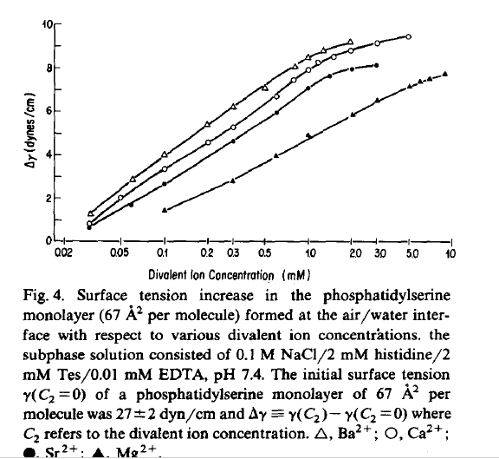

results plot
 | DeHF | Fus | Lys
0 | 1 | 4.2707E-06 | 2.6622E-11
0.5 | 0.9949 | 0.0051 | 1.841E-07
1 | 0.9485 | 0.0514 | 9.3016E-06
1.5 | 0.4114 | 0.5503 | 0.0383
2 | 0.1032 | 0.5438 | 0.353
2.5 | 0.0175 | 0.2793 | 0.7032
3 | 0.0241 | 0.3211 | 0.6547
3.5 | 0.0675 | 0.4756 | 0.4569
4 | 0.0867 | 0.5159 | 0.3974
4.5 | 0.1098 | 0.5524 | 0.3377
5 | 0.1355 | 0.5815 | 0.283
5.5 | 0.1483 | 0.5925 | 0.2592
6 | 0.1617 | 0.6015 | 0.2368
6.5 | 0.1758 | 0.6086 | 0.2156
7 | 0.1903 | 0.6139 | 0.1958
7.5 | 0.2051 | 0.6176 | 0.1774
8 | 0.2199 | 0.6199 | 0.1602
8.5 | 0.2348 | 0.6208 | 0.1444
9 | 0.2501 | 0.6202 | 0.1298
9.5 | 0.2653 | 0.6183 | 0.1163
10 | 0.3531 | 0.5859 | 0.061

uhrikova
