About
Mobile Application Security Design Checklist
About
OWASP MASVS v1.4.2 OWASP MASTG v1.5.0

About the Checklist

OWASP Mobile Application Security Design Checklist

The OWASP Mobile Application Security Design Checklist includes links to the MASDG rulebooks for each L1 requirement of MASVS (v1.4.2).

Using the Checklists

* Discard rules for non-targeted platforms by selecting N/A in the Status column.
* Read the rules provided in the Description column and verify your mobile application design. You can refer to the details of the rule from the link in the Description column.
* Set the result of a verification by selecting "Pass" or "Fail" in the Status column.

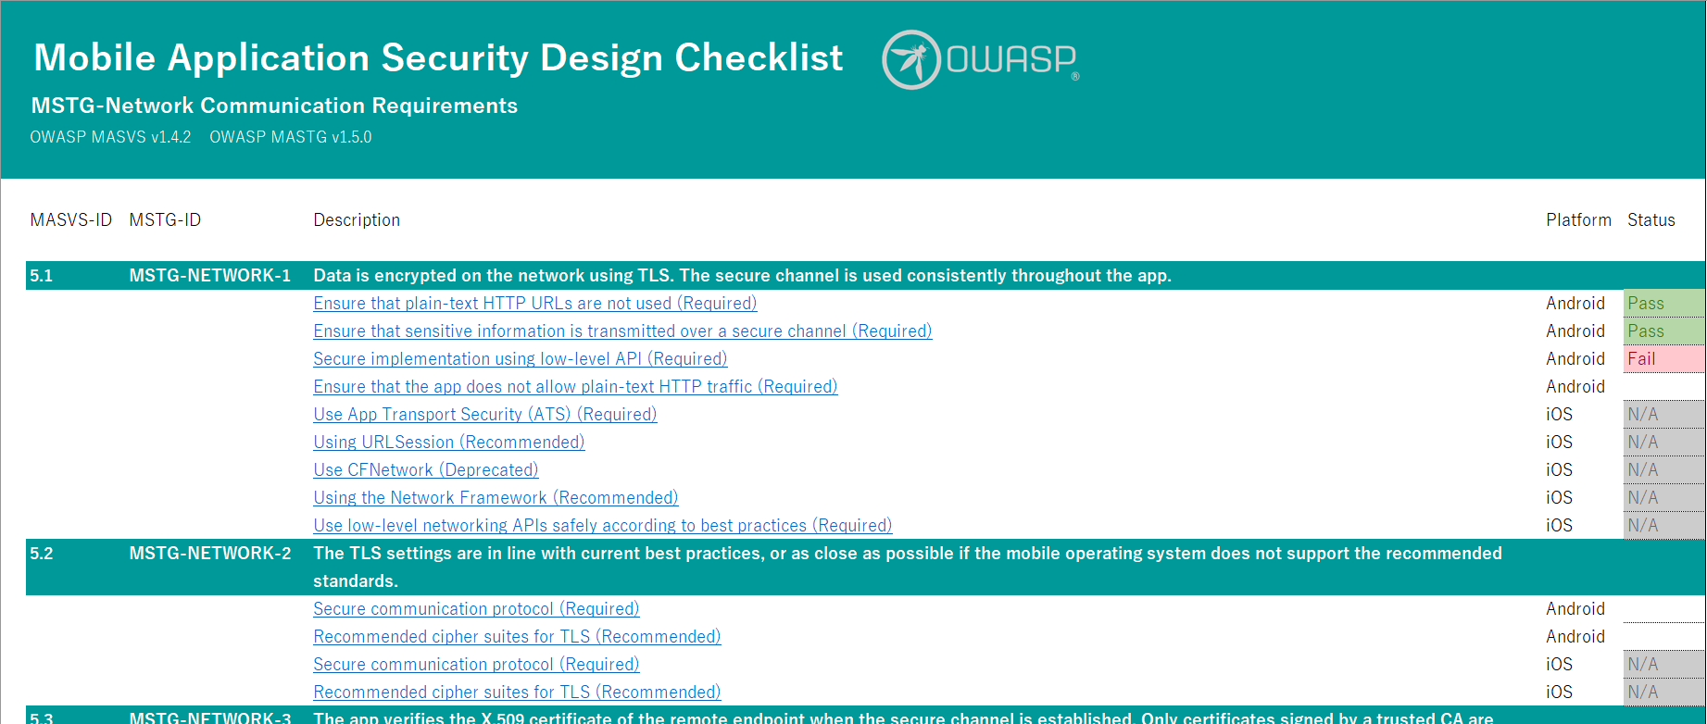

About the Project

The OWASP MASDG (Mobile Application Security Design Guide)

https://github.com/OWASP/www-project-mobile-application-security-design-guide

License

Copyright © 2023 LAC Co., Ltd. This work is licensed under a Creative Commons Attribution-ShareAlike 4.0 International License.

