TASVS-ARCH
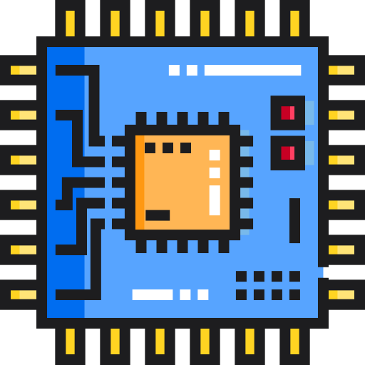 | Thick Client Application Security Checklist
 | TASVS-ARCH: Architecture & Threat Modelling

 |  |  |  |  |  |  |  | OWASP TASTG v0.1 (commit: TBC) OWASP TASVS v0.1 (commit: TBC)

TASVS-ID | Description | L1 | L2 | L3 | Status | Ticket | Owner | Tester Notes | Testing Notes

