TASVS-ARCH
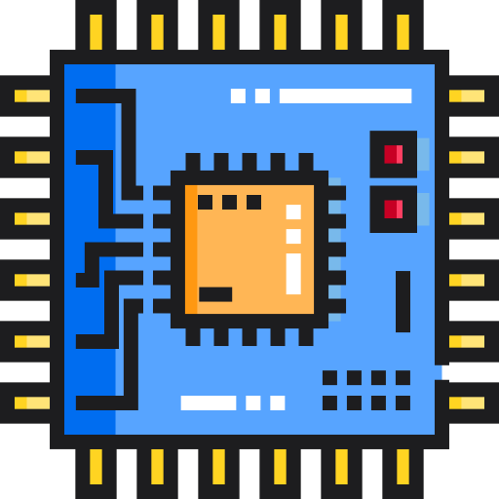 | Thick Client Application Security Checklist
 | TASVS-ARCH: Architecture & Threat Modelling

 |  |  |  |  |  |  |  | OWASP TASTG v0.1 (commit: TBC) OWASP TASVS v0.1 (commit: TBC)

TASVS-ID | Description | L1 | L2 | L3 | Status | Ticket | Owner | Tester Notes | Testing Notes

TASVS-ARCH-1 | Threat Modeling
TASVS-ARCH-1.1 | Completed a low fidelity threat model for thick client. | X | X | X |  |  |  |  | TASVS-ARCH-1.1 satisfied by TASVS-ARCH-1.3
TASVS-ARCH-1.2 | Completed a high fidelity threat model for thick client which is in currently in production. |  | X | X
TASVS-ARCH-1.3 | Threat model includes server-side components and dependencies (cloud APIs, OIDC provider, file storage, etc.). |  | X | X |  |  |  |  | External dependencies can be defined as out-of-scope where appropriate.
TASVS-ARCH-1.4 | Threat modeling process included all phases (system modeling, auto-threat identification, manual threat identification, threat mitigation). |  | X | X
TASVS-ARCH-1.5 | Threat model checked-in to source code repository. | X | X | X
TASVS-ARCH-1.6 | Threat model updated regularly as part of a documented process within development team's SSDLC. |  | X | X |  |  |  |  | Within prior 90 days

