Work_DC
Variable | Coefficient | t-Statistic | Cluster | Nest Coefficient | t-Statistic
Constant (Waikiki) | -2.3700 | -4.32 | Waikiki | 1.000
Constant (Urban Center) | -0.4320 | -0.66 | Urban Center | 0.920 | -0.58
Time (PartySize = 1) | -0.0520 | -3.50 | Remaining Zones | 0.786 | -1.83
Time (PartySize >= 1) | -0.0773 | -4.58
Intra-cluster (Urban Center) | 1.6300 | 2.45
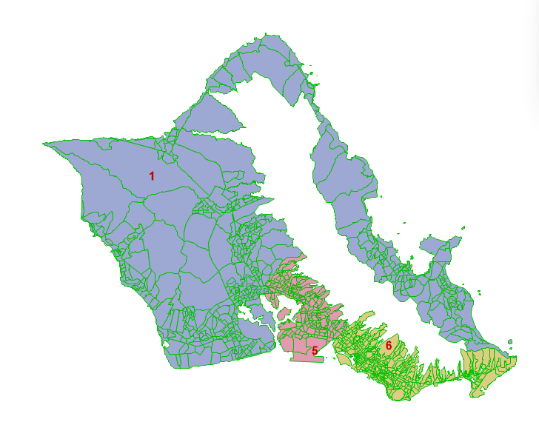
Intra Zonal | 1.2800 | 3.13
Short Distance Zone (<= 1 mile) | 0.8720 | 3.06
Size coefficient | 0.4760 | -8.40
Sample Size | 180
Rho^2 | 0.116

Size term: SizeCoefficient * ln(1 + Employment)

Rec_DC
Variable | Coefficient | t-Statistic | Cluster | Nest Coefficient | t-Statistic
Constant (Waikiki Beach) | 1.5200 | 10.12 | Waikiki Beach (1 zone) | 1.000
Constant (Diamond Head) | -1.3500 | -6.50 | Diamond Head (4 zones) | 1.000
Constant (Ko Olina) | 1.0800 | 3.98 | Ko Olina (3 zones) | 1.000
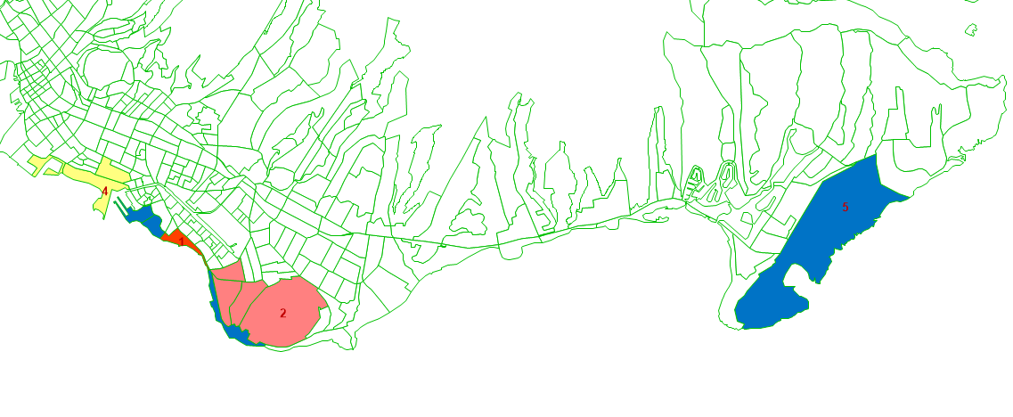
Constant (Ala Moana) | -0.3410 | -1.10 | Ala Moana (3 zones) | 1.000
Constant (Beaches) | -0.7910 | -1.62 | Beaches (15 zones) | 0.910 | -0.30
Time to Waikiki Zone | -0.0751 | -8.38 | Remaining Zones | 0.202 | -22.00
Time to DiamondHead Area | -0.0305 | -3.55
Time to Ko Olina | -0.1430 | -10.21
Time to Ala Moana | -0.2910 | -4.27
Time to other beaches | -0.0137 | -1.84
Intra Zonal | 0.4940 | 5.04
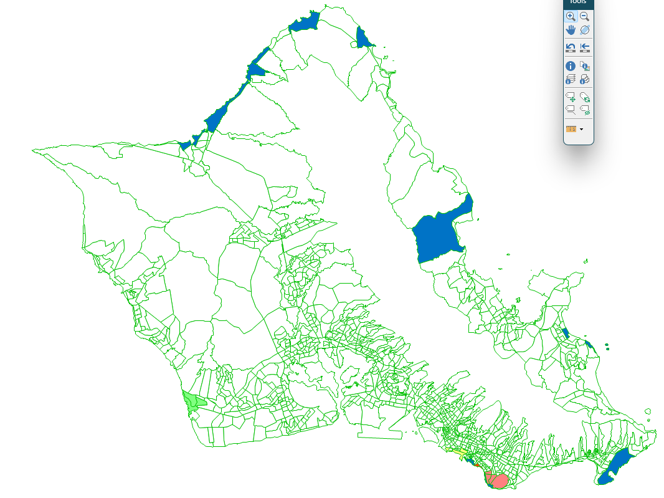
Short Distance Zone (<= 1 mile) | 0.2920 | 5.77
Size coefficient | 0.0789 | -59.45
Sample Size | 1724
Rho^2 | 0.25

Size Terms | Coefficient | t-Statistic
Visitor Arrivals | 0.000
Emp_Hotel | -1.220 | -1.79
Emp_Services | -1.980 | -4.80
Note: Coeffs need to be exponentiated
Size term: SizeCoeff * ln(1 + VisitorArrivals + 0.2952*Emp_Hotel + 0.1380*Emp_Services)

