Information
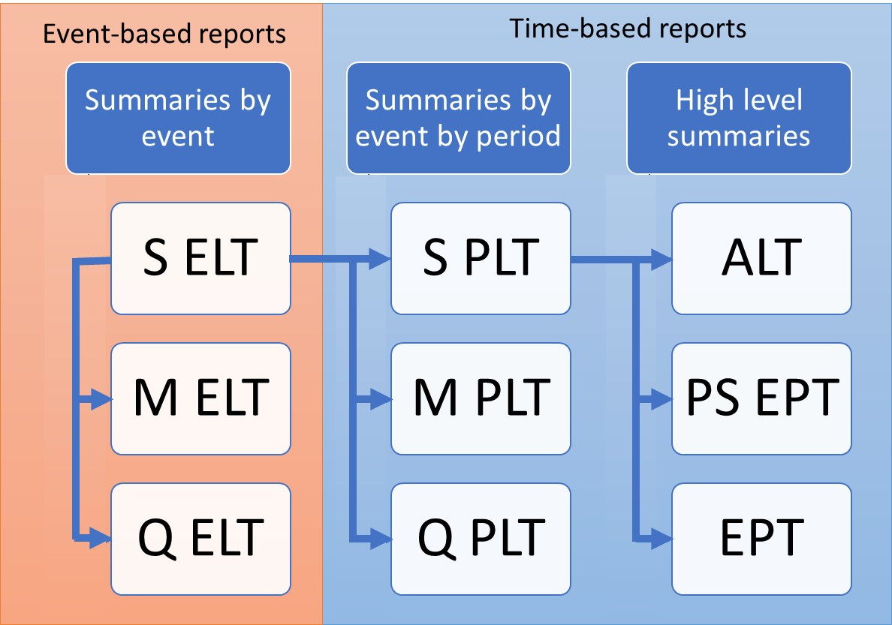
ORD Exceedance Probability Table
Mean Damage (EPCalc = 1)
Purpose
To demonstrate the calculation of Open Results Data Mean Damage Exceedance Probability Table, derived from Sample PLT
Sample PLT is derived from Sample ELT as demonstrated in SELT_SPLT.xls

Data
Subset of results from running PiWind 10 locations against PiWind model in the Oasis Platform
* Events 1-142
* Periods 1-100
* SummaryId 1 represents 'All risks' summary level

Worksheets
Period | Reference: The range of periods in the model. The maximum number of periods in a model is needed to compute return periods.

SampleId | Reference: The range of SampleIds in the output data. The Mean Damage EPT uses only SampleId -1 which is the mean damage loss.

ReturnPeriods | Input: The return periods requested by the user for loss output

SPLT | Output: The Sample Period Loss Table is derived from the Sample Event Loss Table and the occurrence file (See SELT_SPLT.xls). This is used as a basis for all EPTs.

EPT OEP Mean Damage | Output: The Mean Damage EPT contains the return period losses for the mean damage (SampleId -1). The OEP losses are computed by taking the maximum event loss in each period, for each SummaryId.
 | The period losses are ranked and return periods computed by taking the frequency of years where the loss is exceeded (the rank) relative to the total number of periods. Note that periods with no losses are not shown.

EPT AEP Mean Damage | Output: The Mean Damage EPT contains the return period losses for the mean damage (SampleId -1). The AEP losses are computed by taking the sum of the event losses in each period, for each SummaryId.
 | The period losses are ranked and return periods computed by taking the frequency of years where the loss is exceeded (the rank) relative to the total number of periods. Note that periods with no losses are not shown.

Charts | The Mean Damage EPT return period charts for OEP and AEP EPType side by side

Charts
Mean Damage Return Period Loss charts
OEP
AEP
 | Loss | EPType | EPCalc
 |  | 1 |  | Loss | EPType | EPCalc
 | ReturnPeriod | 1 |  |  | 3 | 3 Total | Grand Total
 | 5 | 349,520 |  | ReturnPeriod | 1
 | 10 | 673,200 |  | 5 | 349520 | 349520 | 349520
 | 25 | 2,006,000 |  | 10 | 699040 | 699040 | 699040
 | 50 | 3,400,000 |  | 25 | 2346000 | 2346000 | 2346000
 |  |  |  | 50 | 3749520 | 3749520 | 3749520
 |  |  |  | Grand Total | 3749520 | 3749520 | 3749520

