Information
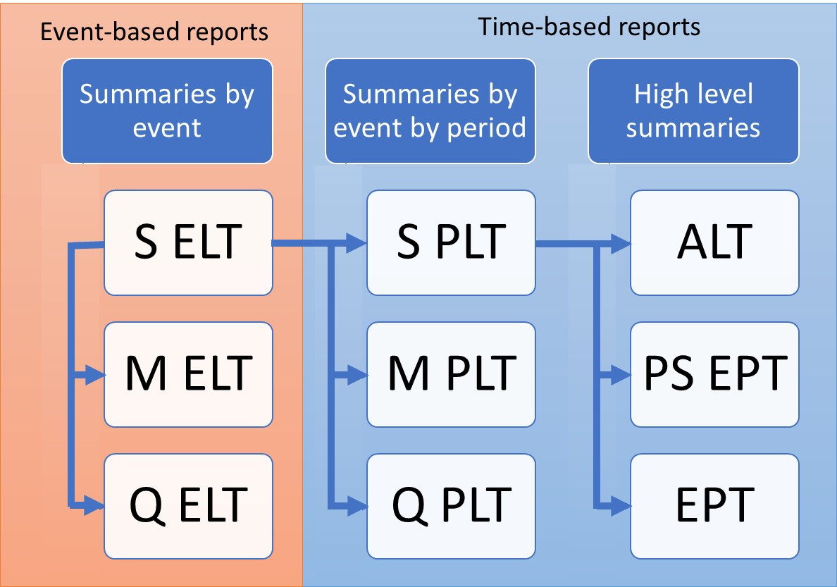
ORD Exceedance Probability Table
Per Sample Mean (EPCalc = 3)
Purpose
To demonstrate the calculation of Open Results Data Exceedance Probability Table Per Sample Mean, derived from Per Sample Exceedance Probability Table
Per Sample Mean EPT is derived from PSEPT as demonstrated in PSEPT.xls

Data
Subset of results from running PiWind 10 locations against PiWind model in the Oasis Platform
* Events 1-142
* Periods 1-100
* SummaryId 1 represents 'All risks' summary level

Worksheets
ReturnPeriods | Input: The return periods requested by the user for loss output

PSEPT | Output: The PSEPT is derived from the Sample Period Loss Table (See PSEPT.xls).
 | This table contains both OEP (EPType = 1) and AEP (EPType = 3) Losses

EPT Per Sample Mean | Output: The Exceedance Probability Table for the Per Sample Mean is computed by taking the average of the losses across the samples of the PSEPT for each required SummaryId, Return Period and EPType.
 | It is the 'mean of the curves' at each return period.

Charts | The PSEPT and the Per Sample Mean EPT return period loss charts side by side (both OEP and AEP EPTypes are within the same chart)

Charts
Return Period Loss charts
Per Sample
 | 1 - 1 | 1 - 2 | 1 - 3 | 1 - 4 | 1 - 5 | 1 - 6 | 1 - 7 | 1 - 8 | 1 - 9 | 1 - 10 | 3 - 1 | 3 - 2
5 | 336080.75 | 330394.31 | 506360.69 | 237860.16 | 407164.75 | 402663.69 | 308479.69 | 352565.16 | 339759.16 | 270232.38 | 380801.97 | 345039.88
10 | 625950.12 | 788190.25 | 815152.25 | 715343.31 | 856941 | 691946.75 | 719653 | 729847.44 | 811551.06 | 709100.5 | 788893.16 | 976680.44
25 | 1340967.5 | 1686825.5 | 1688121.38 | 1441917.38 | 1642221.5 | 1922743.88 | 1567045 | 1534103.38 | 1522992.88 | 1456641.12 | 1537419.6 | 1861481.19
50 | 1624029.88 | 2158957.5 | 1857988.5 | 2493995.75 | 2135673.25 | 2166947 | 2585149.25 | 2226121.5 | 2540796.5 | 2351043.25 | 4443862.75 | 3547672.23
Per Sample Mean
 | 1 | 3
5 | 349156.074 | 385291.701
10 | 746367.568 | 933331.606
25 | 1580357.952 | 1919035.204
50 | 2214070.238 | 3750437.244

