Information
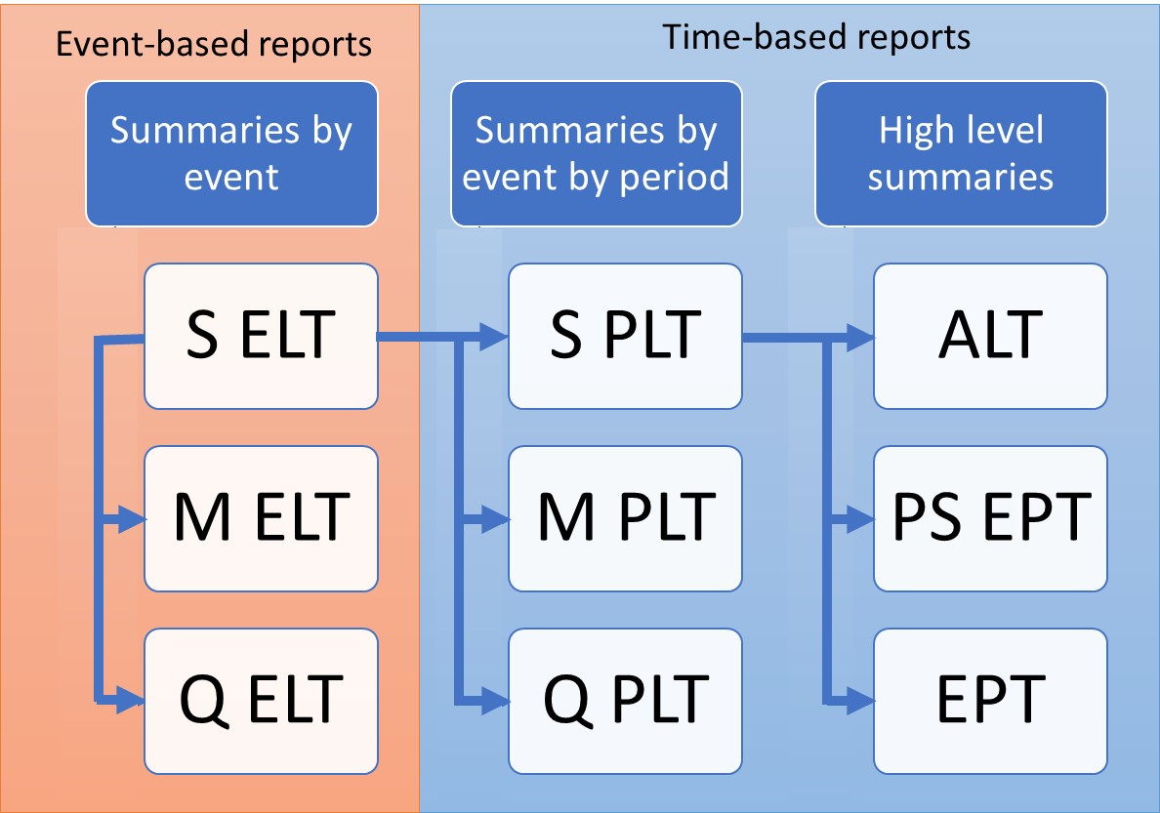
ORD Per Sample Exceedance Probability Table
Purpose
To demonstrate the calculation of Open Results Data Per Sample Exceedance Probability Table, derived from Sample PLT
Sample PLT is derived from Sample ELT as demonstrated in SELT_SPLT.xls

Data
Subset of results from running PiWind 10 locations against PiWind model in the Oasis Platform
* Events 1-142
* Periods 1-100
* SummaryId 1 represents 'All risks' summary level

Worksheets
Period | Reference: The range of periods in the model. The maximum number of periods in a model is needed to compute return periods.

ReturnPeriods | Input: The return periods requested by the user for loss output

SPLT | Output: The Sample Period Loss Table is derived from the Sample Event Loss Table and the occurrence file (See SELT_SPLT.xls). This is used as a basis for all EPTs.

PSEPT Occ | Output: The Per Sample Exceedance Probability Table contains the return period losses per sample. The Occurrence losses are computed by taking the maximum event loss in each period, for each Sample and SummaryId.
 | The period losses are ranked and return periods computed by taking the frequency (the rank) of periods where the loss is exceeded relative to the total number of periods. Note that periods with no losses are not shown.

PSEPT Agg | Output: The Per Sample Exceedance Probability Table contains the return period losses per sample. The Aggregate losses are computed by taking the sum of the event losses in each period, for each Sample and SummaryId.
 | The period losses are ranked and return periods computed by taking the frequency (the rank) of periods where the loss is exceeded relative to the total number of periods. Note that periods with no losses are not shown.

Charts | The Per Sample return period loss charts side by side (OEP and AEP)

Charts
Per Sample Return Period Loss charts
OEP
AEP

Loss | EPType | SampleId |  |  |  |  |  |  |  |  | Loss | EPType | SampleId
 | 1 | 1 | 1 | 1 | 1 | 1 | 1 | 1 | 1 | 1 |  | 3 | 3 | 3 | 3 | 3 | 3 | 3 | 3 | 3 | 3
ReturnPeriod | 1 | 2 | 3 | 4 | 5 | 6 | 7 | 8 | 9 | 10 | ReturnPeriod | 1 | 2 | 3 | 4 | 5 | 6 | 7 | 8 | 9 | 10
5 | 336080.75 | 330394.31 | 506360.69 | 237860.16 | 407164.75 | 402663.69 | 308479.69 | 352565.16 | 339759.16 | 270232.38 | 5 | 380801.97 | 345039.88 | 521602 | 276118.53 | 474091.38 | 417271.19 | 311419.25 | 473397.31 | 363450.59 | 289724.91
10 | 625950.12 | 788190.25 | 815152.25 | 715343.31 | 856941 | 691946.75 | 719653 | 729847.44 | 811551.06 | 709100.5 | 10 | 788893.16 | 976680.44 | 912356.31 | 804771.65 | 862929.25 | 1207143.5 | 764020.88 | 1154011 | 903637.62 | 958872.25
25 | 1340967.5 | 1686825.5 | 1688121.38 | 1441917.38 | 1642221.5 | 1922743.88 | 1567045 | 1534103.38 | 1522992.88 | 1456641.12 | 25 | 1537419.6 | 1861481.19 | 1719697.5 | 1557701.88 | 2106006.94 | 2145427.5 | 1959000.25 | 2107742.3 | 2540796.5 | 1655078.38
50 | 1624029.88 | 2158957.5 | 1857988.5 | 2493995.75 | 2135673.25 | 2166947 | 2585149.25 | 2226121.5 | 2540796.5 | 2351043.25 | 50 | 4443862.75 | 3547672.23 | 3455951.34 | 3666542 | 4015256.81 | 3801864.81 | 3606663.28 | 3780313.47 | 3508919.69 | 3677326.06

