Data
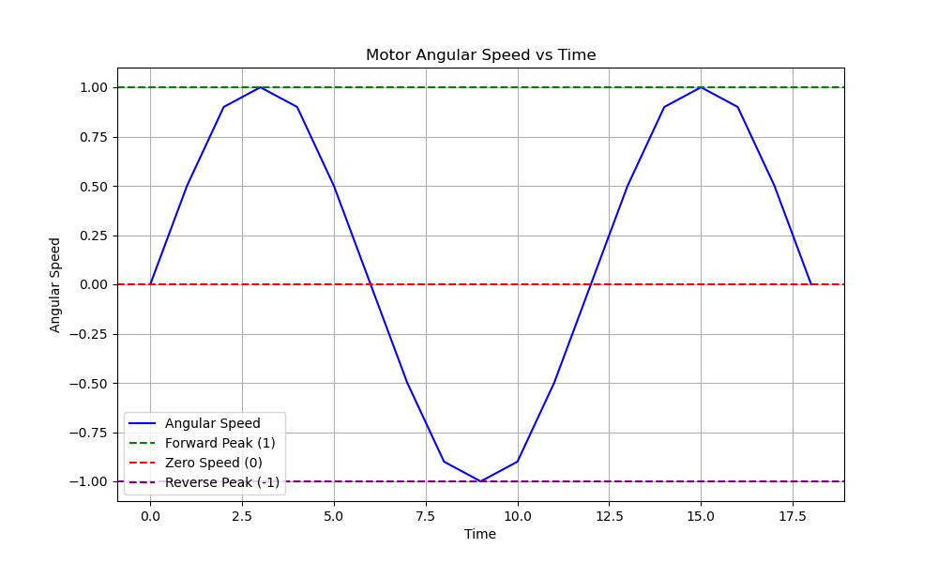
Time | AngularSpeed
0 | 0
1 | 0.5
2 | 0.9
3 | 1
4 | 0.9
5 | 0.5
6 | 0
7 | -0.5
8 | -0.9
9 | -1
10 | -0.9
11 | -0.5
12 | 0
13 | 0.5
14 | 0.9
15 | 1
16 | 0.9
17 | 0.5
18 | 0

