Schematic
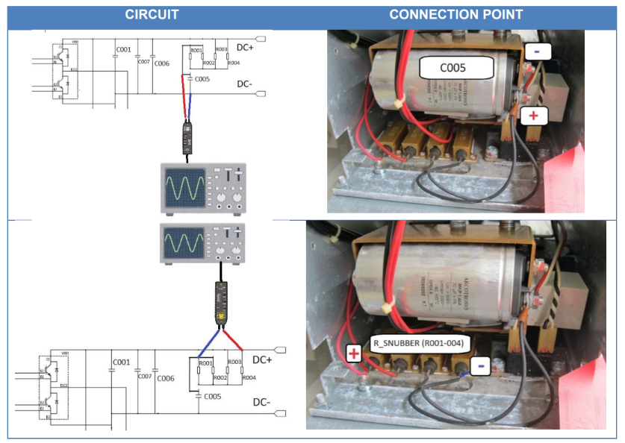
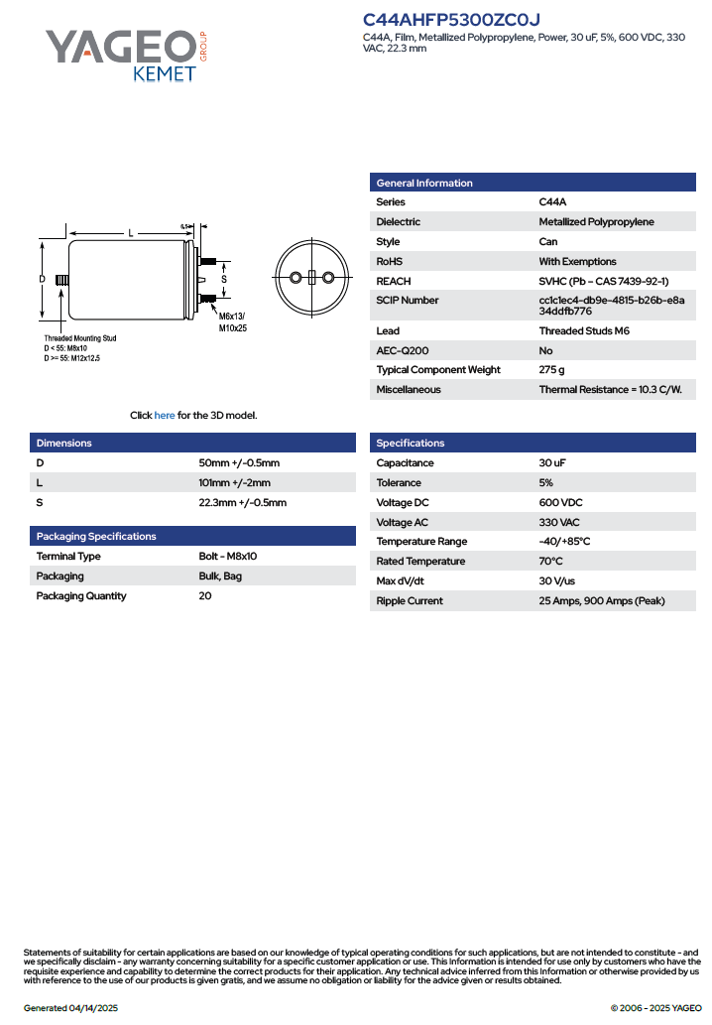
Schematic and measuring points: snubber capacitor (C005) in series connection with snubber resistors, as in the schematic below.

Case 1_0N2437A
Power module Nr.1
Resistor´s voltage |  | FFT plots: | Capacitor´s temperature data
DC Voltage (V) | (-0.1591) |  | C005 Core Temp. (ºC) | 56
Max. (V) | 55.6017 |  | C005 Case Temp. (ºC) | 48
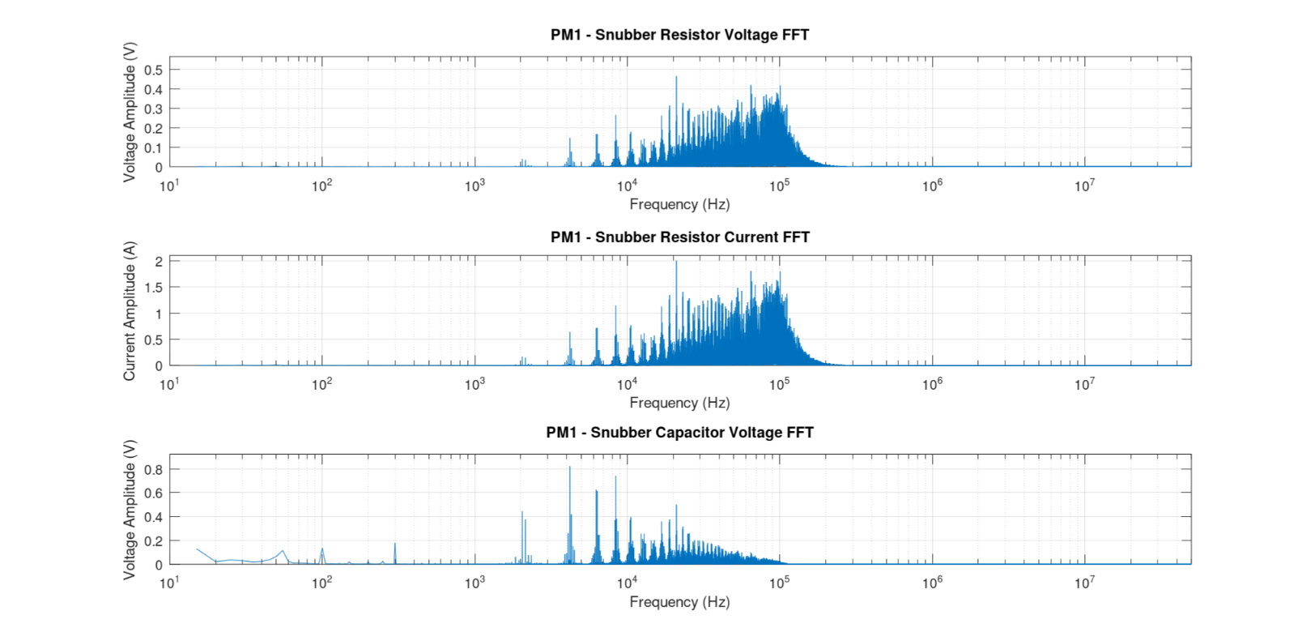
Min. (V) | (-52.5559)
RMS Voltage (V) | 5.8408
RMS AC (V) | 5.8386
Fundamental freq. (Hz) | 20999.21
Amplitude (V) | 0.465
Phase (rad) | (-2.8577)
Capacitor´s current (C005)
DC (A) | (-0.6852)
Max (A) | 239.456
Min (A) | (-226.3390)
RMS (A) | 25.1541
Fundamental freq.(Hz) | 20999.21
Amplitude (A) | 2.0027
Phase (rad) | (-2.8577)
Capacitor´s voltage (C005)
DC Voltage (V) | 226.5027
Max. (V) | 247.8103
Min. (V) | 207.9165
RMS DC Voltage (V) | 226.5146
RMS AC (V) - ripple- | 2.3255
Fundamental freq. (Hz) | 4199.84
Amplitude (V) | 0.8227
Phase (rad) | -1.71

Power module Nr.2
Resistor´s voltage |  | FFT plots: | Capacitor´s temperature data
DC Voltage (V) | 1.1165 |  | C005 Core Temp. (ºC) | 55.3
Max. (V) | 54.7777 |  | C005 Case Temp. (ºC) | 49.2
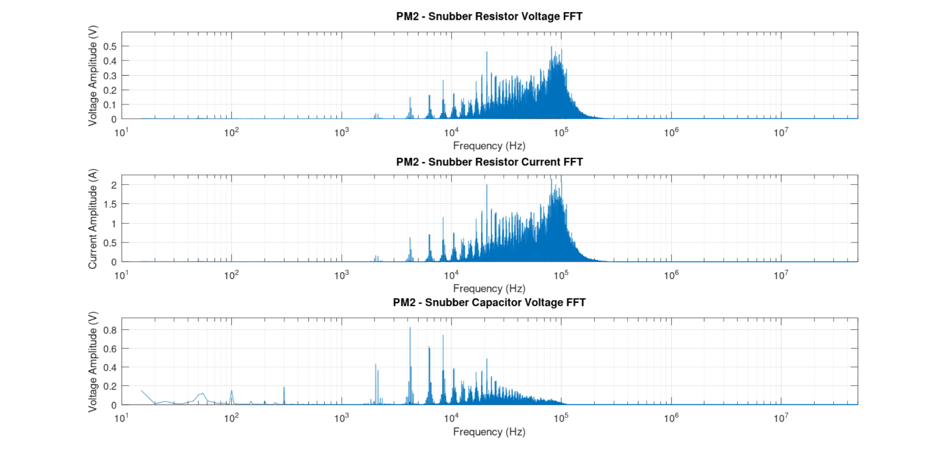
Min. (V) | (-49.6994)
RMS Voltage (V) | 5.914
RMS AC (V) | 5.8077
Fundamental freq. (Hz) | 81451.93
Amplitude (V) | 0.4974
Phase (rad) | (-0.4369)
Capacitor´s current (C005)
DC (A) | 4.8311
Max (A) | 237.0302
Min (A) | (-215.0558)
RMS (A) | 25.5908
Fundamental freq. (Hz) | 81451.93
Amplitude (A) | 2.1522
Phase (rad) | (-0.4369)
Capacitor´s voltage (C005)
DC Voltage (V) | 230.176
Max. (V) | 250.0931
Min. (V) | 213.0558
RMS DC Voltage (V) | 230.1871
RMS AC (V) - ripple- | 2.2569
Fundamental freq. (Hz) | 4199.84
Amplitude (V) | 0.8237
Phase (rad) | 0.77

Case 2_0N2437A
Power module Nr.1
Resistor´s voltage |  | FFT plots: | Capacitor´s temperature data
DC Voltage (V) | (-0.1610) |  | C005 Core Temp. (ºC) | 68.4
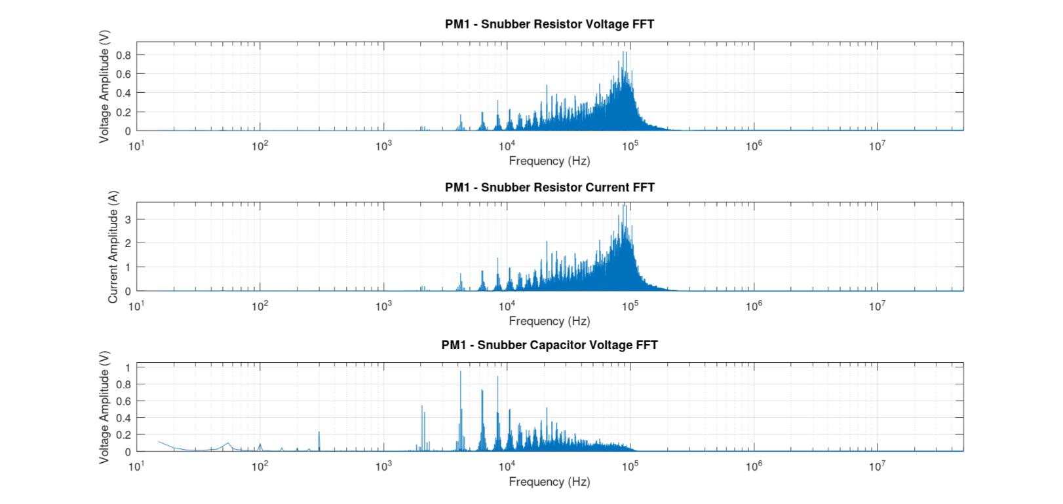
Max. (V) | 65.4897 |  | C005 Case Temp. (ºC) | 56.4
Min. (V) | (-62.2242)
RMS Voltage (V) | 7.1488
RMS AC (V) | 7.1469
Fundamental freq. (Hz) | 87151.71
Amplitude (V) | 0.8347
Phase (rad) | (-0.0753)
Capacitor´s current (C005)
DC (A) | (-0.6936)
Max (A) | 282.0399
Min (A) | (-267.9767)
RMS (A) | 30.7871
Fundamental freq.(Hz) | 87151.71
Amplitude (A) | 3.5947
Phase (rad) | (-0.0753)
Capacitor´s voltage (C005)
DC Voltage (V) | 225.9154
Max. (V) | 251.3993
Min. (V) | 203.3753
RMS DC Voltage (V) | 225.9333
RMS AC (V) - ripple- | 2.8418
Fundamental freq. (Hz) | 4199.84
Amplitude (V) | 0.9536
Phase (rad) | 1.8048

Power module Nr.2
Resistor´s voltage |  | FFT plots: | Capacitor´s temperature data
DC Voltage (V) | 1.0722 |  | C005 Core Temp. (ºC) | 67.3
Max. (V) | 65.2882 |  | C005 Case Temp. (ºC) | 57.3

Min. (V) | (-59.4889)
RMS Voltage (V) | 7.1637
RMS AC (V) | 7.083
Fundamental freq. (Hz) | 92851.49
Amplitude (V) | 0.828
Phase (rad) | (-1.8035)
Capacitor´s current (C005)
DC (A) | 4.6394
Max (A) | 282.5108
Min (A) | (-257.4595)
RMS (A) | 30.9982
Fundamental freq. (Hz) | 92851.49
Amplitude (A) | 3.5829
Phase (rad) | (-1.8035)
Capacitor´s voltage (C005)
DC Voltage (V) | 229.5068
Max. (V) | 253.4867
Min. (V) | 208.1729
RMS DC Voltage (V) | 229.5233
RMS AC (V) - ripple- | 2.7494
Fundamental freq. (Hz) | 4199.84
Amplitude (V) | 0.9534
Phase (rad) | (-2.0661)

Case 1_ 0C0920
Power module Nr.1
Resistor´s voltage |  | FFT plots: | Capacitor´s temperature data
DC Voltage (V) | (-0.1585) |  | C005 Core Temp. (ºC) | 62.15
Max. (V) | 56.9659 |  | C005 Case Temp. (ºC) | 56.55
Min. (V) | (-53.1968)
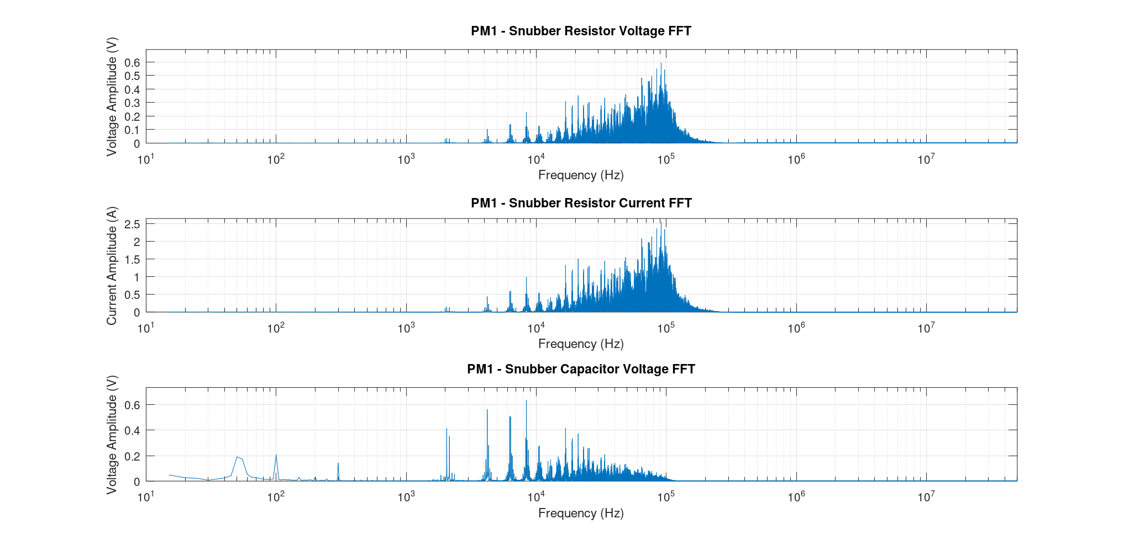
RMS Voltage (V) | 5.7673
RMS AC (V) | 5.7651
Fundamental freq. (Hz) | 91350.17
Amplitude (V) | 0.5927
Phase (rad) | (-1.3792)
Capacitor´s current (C005)
DC (A) | (-0.6827)
Max (A) | 245.33
Min (A) | (-229.099)
RMS (A) | 24.8375
Fundamental freq.(Hz) | 91350.17
Amplitude (A) | 2.5524
Phase (rad) | (-0.3224)
Capacitor´s voltage (C005)
DC Voltage (V) | 232.78
Max. (V) | 253.91
Min. (V) | 215.03
RMS DC Voltage (V) | 232.7988
RMS AC (V) - ripple- | 2.2672
Fundamental freq. (Hz)) | 8399.96
Amplitude (V) | 0.636
Phase (rad) | (-0.2066)

Power module Nr.2
Resistor´s voltage |  | FFT plots: | Capacitor´s temperature data
DC Voltage (V) | 0.5987 |  | C005 Core Temp. (ºC) | 66.05
Max. (V) | 55.8824 |  | C005 Case Temp. (ºC) | 56.00
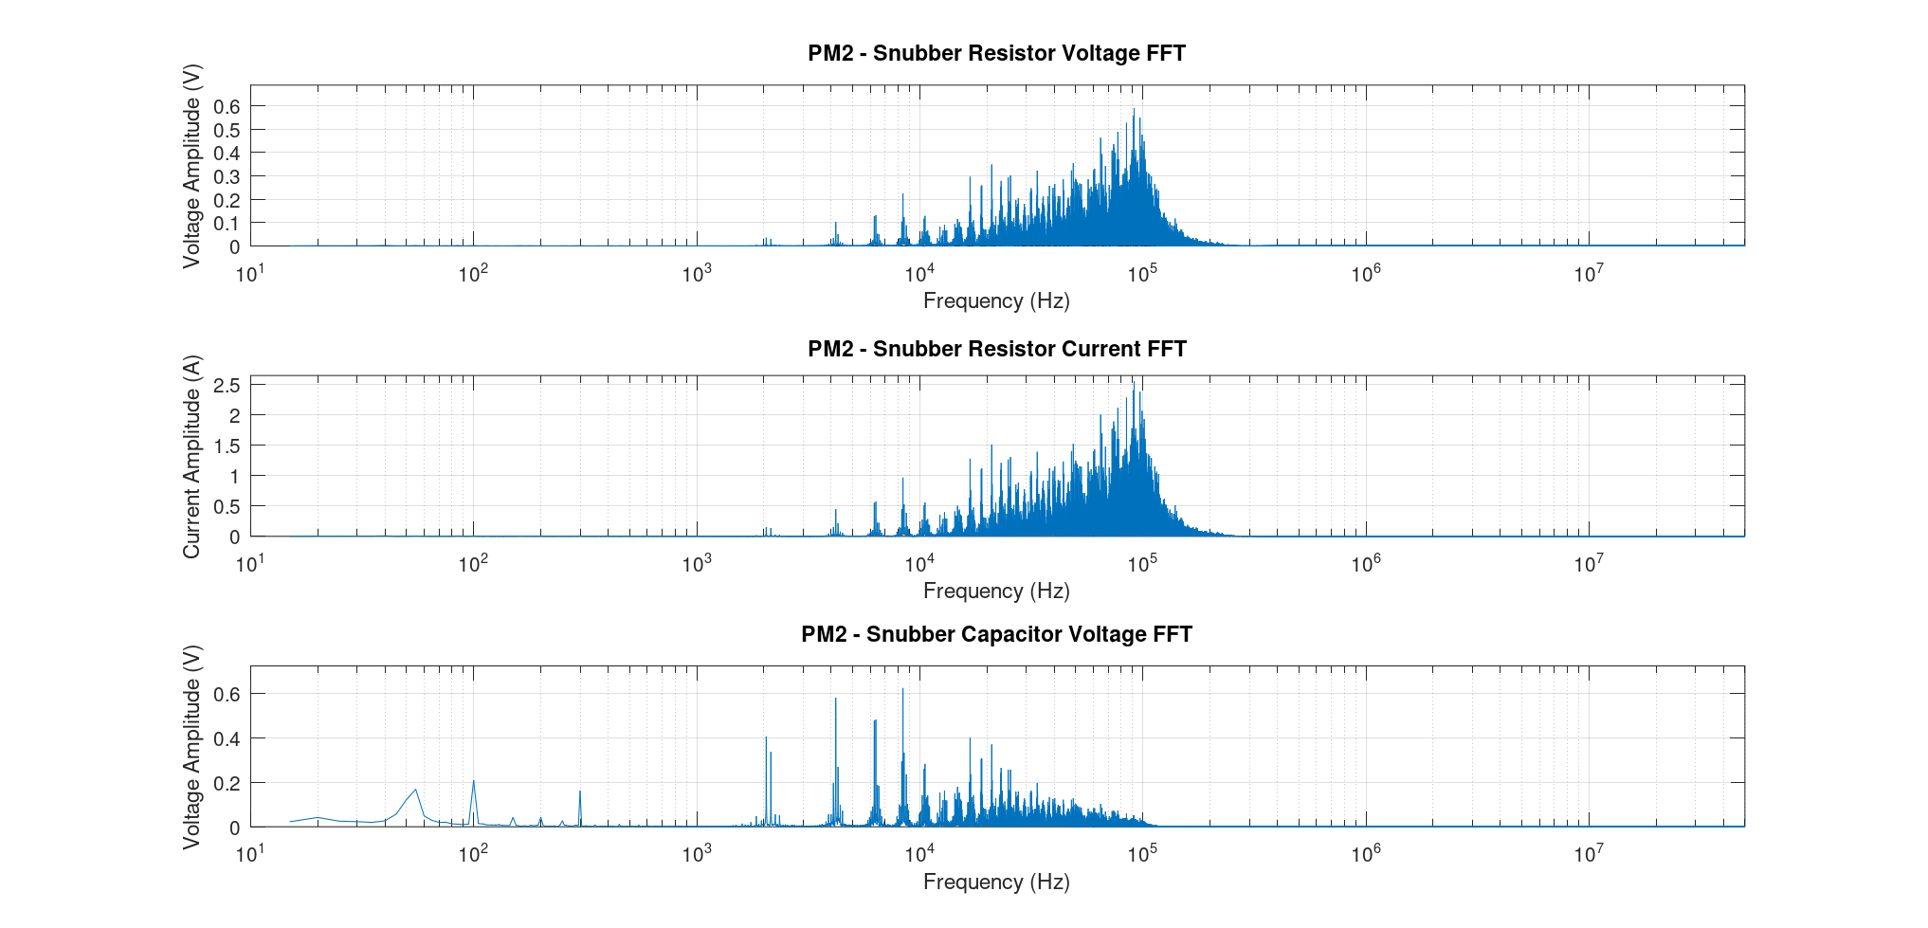
Min. (V) | (-51.0971)
RMS Voltage (V) | 5.787
RMS AC (V) | 5.7559
Fundamental freq. (Hz) | 91350.17
Amplitude (V) | 0.589
Phase (rad) | (-0.3224)
Capacitor´s current (C005)
DC (A) | 2.5905
Max (A) | 241.81
Min (A) | (-221.104)
RMS (A) | 25.041
Fundamental freq. (Hz) | 91350.17
Amplitude (A) | 2.5885
Phase (rad) | (-0.3224)
Capacitor´s voltage (C005)
DC Voltage (V) | 236.7
Max. (V) | 256.489
Min. (V) | 220.2338V
RMS DC Voltage (V) | 236.7171
RMS AC (V) - ripple- | 2.1984
Fundamental freq. (Hz) | 8399.96
Amplitude (V) | 0.6255
Phase (rad) | 2.71

Case 2_ 0C0920
Power module Nr.1
Resistor´s voltage |  | FFT plots: | Capacitor´s temperature data
DC Voltage (V) | (-0.1803) |  | C005 Core Temp. (ºC) | 78.20
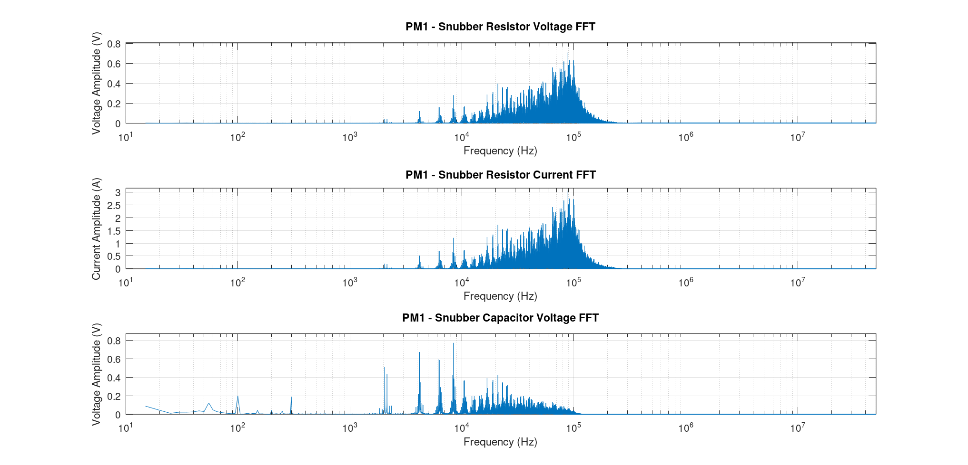
Max. (V) | 65.7155 |  | C005 Case Temp. (ºC) | 68.75
Min. (V) | (-61.1072)
RMS Voltage (V) | 7.0485
RMS AC (V) | 7.0462
Fundamental freq. (Hz) | 88651.79
Amplitude (V) | 0.71
Phase (rad) | (-2.8887)
Capacitor´s current (C005)
DC (A) | (-0.7763)
Max (A) | 283.015
Min (A) | (-263.16)
RMS (A) | 30.3554
Fundamental freq.(Hz) | 88651.79
Amplitude (A) | 3.0577
Phase (rad) | (-2.8887)
Capacitor´s voltage (C005)
DC Voltage (V) | 231.98
Max. (V) | 256.74
Min. (V) | 210.541
RMS Voltage (V) | 231.997
RMS AC (V) - ripple- | 2.7597
Fundamental freq. (Hz)) | 8399.96
Amplitude (V) | 0.7731
Phase (rad) | (-2.0250 )

Power module Nr.2
Resistor´s voltage |  | FFT plots: | Capacitor´s temperature data
DC Voltage (V) | 0.6418 |  | C005 Core Temp. (ºC) | 81.70
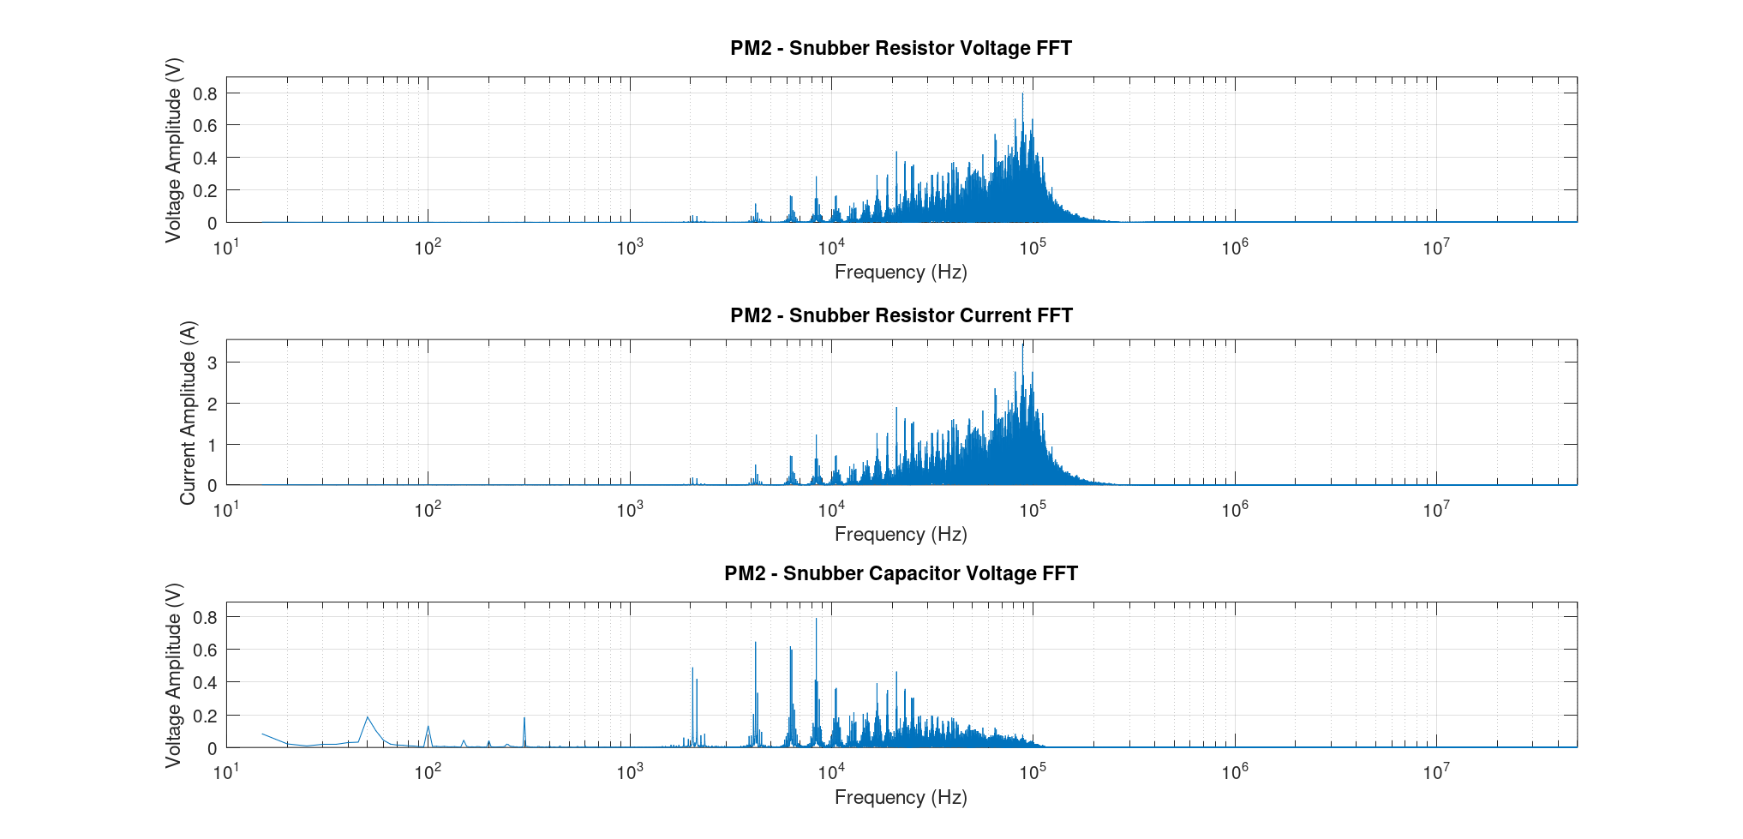
Max. (V) | 66.6158 |  | C005 Case Temp. (ºC) | 66.80
Min. (V) | (-60.8447)
RMS Voltage (V) | 7.0705
RMS AC (V) | 7.0413
Fundamental freq. (Hz) | 88651.79
Amplitude (V) | 0.7971
Phase (rad) | 2.9179
Capacitor´s current (C005)
DC (A) | 2.7772
Max (A) | 288.255
Min (A) | (-263.283)
RMS (A) | 30.595
Fundamental freq. (Hz) | 88651.79
Amplitude (A) | 3.4492
Phase (rad) | 2.9179
Capacitor´s voltage (C005)
DC Voltage (V) | 236.4101
Max. (V) | 260.0177
Min. (V) | 215.46
RMS DC Voltage (V) | 236.42
RMS AC (V) - ripple- | 2.6731
Fundamental freq. (Hz) | 8399.96
Amplitude (V) | 0.7903
Phase (rad) | (-2.3486 )

