1
1、试将数据集class导入sas，并做： 1）生成男生中年龄在35-38岁之间成绩都在70分以上的成员数据集mclass，并去除性别变量sex； 2）将mclass中的变量的label都改为中文的，将日期修改为月日年，并用content加以展示； 3）打印mclass数据集，按label打印。
解:
程序： | PROC IMPORT OUT= WORK.Class
 | DATAFILE= "C:\data\ex1.xlsx"
 | DBMS=EXCEL REPLACE;
 | RANGE="CLASS$";
 | GETNAMES=YES;
 | MIXED=NO;
 | SCANTEXT=YES;
 | USEDATE=YES;
 | SCANTIME=YES;
 | RUN;

1) | DATA MCLASS;
 |  | SET CLASS;
 |  | WHERE 1984<=YEAR(DATE)<=1987 AND MATH>=70 AND ENGLISH>=70;
 |  | DROP SEX;
 | RUN;
 | PROC PRINT DATA=MCLASS;
 | RUN;
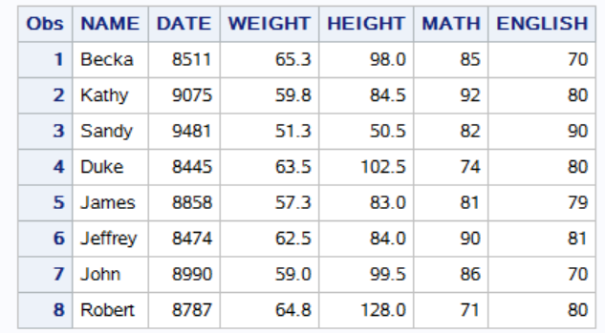
结果：

日志： | 11 DATA MCLASS;
 | 12 SET CLASS;
 | 13 WHERE 1984<=YEAR(DATE)<=1987 AND MATH>=70 AND ENGLISH>=70;
 | 14 DROP SEX;
 | 15 RUN;

 | NOTE: 从数据集 WORK.CLASS. 读取了 8 个观测
 | WHERE (1982<=YEAR(DATE)) and (MATH>=70) and (ENGLISH>=70) and (YEAR(DATE)<=1985);
 | NOTE: 数据集 WORK.MCLASS 有 8 个观测和 6 个变量。
 | NOTE: “DATA 语句”所用时间（总处理时间）:
 | 实际时间 0.26 秒
 | CPU 时间 0.03 秒

 | 16 PROC PRINT DATA=MCLASS;
 | NOTE: 正在写入 HTML Body（主体）文件: sashtml.htm
 | 17 RUN;

 | NOTE: 从数据集 WORK.MCLASS. 读取了 8 个观测
 | NOTE: “PROCEDURE PRINT”所用时间（总处理时间）:
 | 实际时间 1.18 秒
 | CPU 时间 0.34 秒

2） | DATA MCLASS;
Prog: |  | SET MCLASS;
 |  | LABEL NAME="姓名" DATE="日期" WEIGHT="体重" HEIGHT="身高" MATH="数学" ENGLISH="英语";
 |  | FORMAT DATE MMDDYY10.;
 | RUN;
 | PROC CONTENTS DATA=MCLASS;
 | RUN;

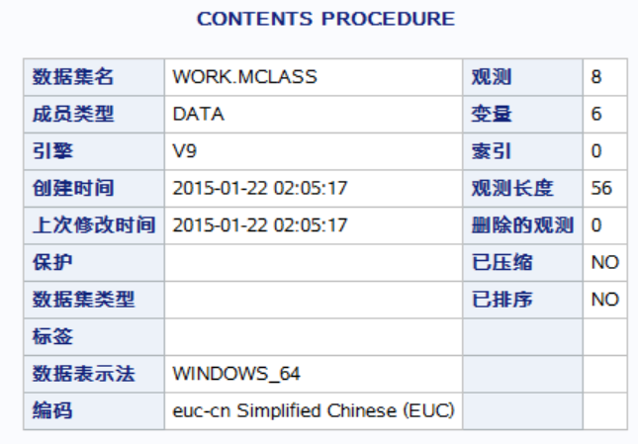
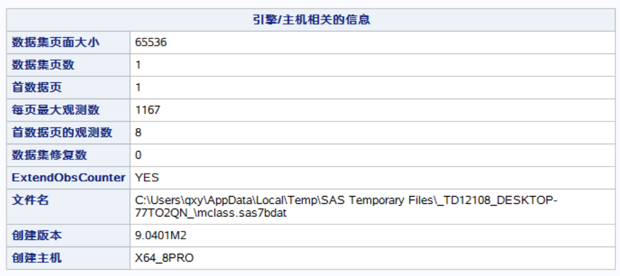
Result:

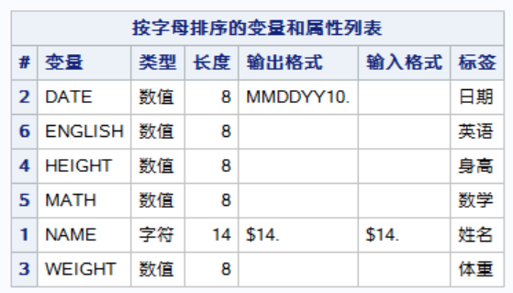

log: | 18 DATA MCLASS;
 | 19 SET MCLASS;
 | 20 LABEL NAME="姓名" DATE="日期" WEIGHT="体重" HEIGHT="身高" MATH="数学" ENGLISH="英语";
 | 21 FORMAT DATE MMDDYY10.;
 | 22 RUN;

 | NOTE: 从数据集 WORK.MCLASS. 读取了 8 个观测
 | NOTE: 数据集 WORK.MCLASS 有 8 个观测和 6 个变量。
 | NOTE: “DATA 语句”所用时间（总处理时间）:
 | 实际时间 0.03 秒
 | CPU 时间 0.01 秒

 | 23 PROC CONTENTS DATA=MCLASS;
 | 24 RUN;

 | NOTE: “PROCEDURE CONTENTS”所用时间（总处理时间）:
 | 实际时间 0.12 秒
 | CPU 时间 0.01 秒

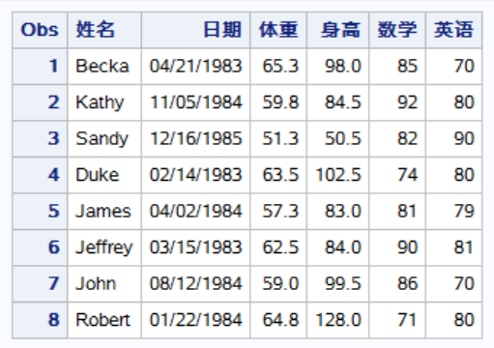
3) | PROC PRINT DATA=MCLASS LABEL;
Prog: | RUN;
Result:

Log: | 25 PROC PRINT DATA=MCLASS LABEL;
 | 26 RUN;

 | NOTE: 从数据集 WORK.MCLASS. 读取了 8 个观测
 | NOTE: “PROCEDURE PRINT”所用时间（总处理时间）:
 | 实际时间 0.01 秒
 | CPU 时间 0.01 秒

3
3、将此Excel表的工作表IQEQ另存为excel文件IQEQ， 1）将其设为sas的库myxls； 2）在数据中找出那些有缺失值的数据，并将其写入此库中，文件名missing，打印结果; 3）在数据中找出所有无缺失值的数据，并将其写入此库中，文件名nonmissing，打印结果。
解：
程序： | LIBNAME MYXLS EXCEL 'C:\DATA\IQEQ.XLSX';
 | DATA MISSING NONMISSING;
 |  | SET MYXLS.'IQEQ$'n;
 |  | IF IQ='.' OR EQ='.' THEN OUTPUT MISSING;
 |  | ELSE OUTPUT NONMISSING;
 | RUN;
 | PROC PRINT DATA=MISSING(OBS=5);
 | RUN;
 | PROC PRINT DATA=NONMISSING(OBS=5);
 | RUN;
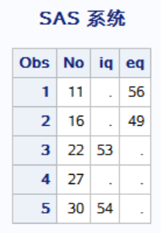
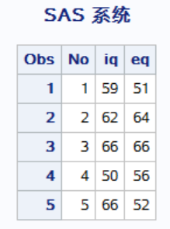
结果：

日志： | 1 LIBNAME MYXLS EXCEL 'C:\DATA\IQEQ.XLSX';
 | NOTE: 已成功分配逻辑库引用名“MYXLS”，如下所示:
 | 引擎: EXCEL
 | 物理名: C:\DATA\IQEQ.XLSX
 | 2 DATA MISSING NONMISSING;
 | 3 SET MYXLS.'IQEQ$'n;
 | 4 IF IQ='.' OR EQ='.' THEN OUTPUT MISSING;
 | 5 ELSE OUTPUT NONMISSING;
 | 6 RUN;

 | NOTE: 字符值已转换为数值，位置:（行:列）。
 | 4:11 4:21
 | NOTE: 从数据集 MYXLS.'IQEQ$'n. 读取了 31 个观测
 | NOTE: 数据集 WORK.MISSING 有 5 个观测和 3 个变量。
 | NOTE: 数据集 WORK.NONMISSING 有 26 个观测和 3 个变量。
 | NOTE: “DATA 语句”所用时间（总处理时间）:
 | 实际时间 0.03 秒
 | CPU 时间 0.03 秒

 | 7 PROC PRINT DATA=MISSING(OBS=5);
 | NOTE: 正在写入 HTML Body（主体）文件: sashtml.htm
 | 8 RUN;

 | NOTE: 从数据集 WORK.MISSING. 读取了 5 个观测
 | NOTE: “PROCEDURE PRINT”所用时间（总处理时间）:
 | 实际时间 0.31 秒
 | CPU 时间 0.25 秒

 | 9 PROC PRINT DATA=NONMISSING(OBS=5);
 | 10 RUN;

 | NOTE: 从数据集 WORK.NONMISSING. 读取了 5 个观测
 | NOTE: “PROCEDURE PRINT”所用时间（总处理时间）:
 | 实际时间 0.01 秒
 | CPU 时间 0.01 秒

4
4、利用custfom数据，从中选出First Name以A开头或Last Name含a的数据，并打印First Name、Last Name和Sex三个变量的该数据集，结果中要含有title，为“这是一份含a姓和以A名开头的顾客报表”。First Name的标签为“名”，Last Name的标签为“姓”。报告中用标签代替变量名。
解：
程序： | proc print data=custfom label;
 |  | title "这是一份以含a或A的姓或名开头的顾客报表";
 |  | where upcase(substr(First_Name,1,1))='A' or upcase(substr(Last_Name,1,1))='A';
 |  | label First_Name="名" Last_Name="姓";
 | run;

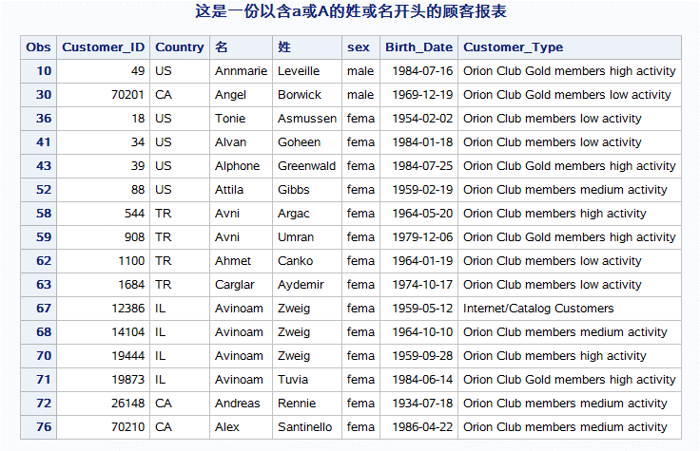
结果：

日志： | 72 proc print data=custfom label;
 | 73 title "这是一份以含a或A的姓或名开头的顾客报表";
 | 74 where upcase(substr(First_Name,1,1))='A' or upcase(substr(Last_Name,1,1))='A';
 | 75 label First_Name="名" Last_Name="姓";
 | 76 run;

 | NOTE: 从数据集 WORK.CUSTFOM. 读取了 16 个观测
 | WHERE (UPCASE(SUBSTR(First_Name, 1, 1))='A') or (UPCASE(SUBSTR(Last_Name, 1, 1))='A');
 | NOTE: “PROCEDURE PRINT”所用时间（总处理时间）:
 | 实际时间 0.12 秒
 | CPU 时间 0.03 秒

5
5. 试导入custfom数据，并打印Last Name、Country、Birthday三个变量。要求：结果不要显示观测序号，只选择来自CA和US的员工，生日要晚于1970年1月1日。打印中Country代码需要将CA改为canada，US改为united states，Birthday要按月日年显示。
解：
程序： | PROC IMPORT OUT= WORK.custfom
 | DATAFILE= "C:\sasdata\custfom.csv"
 | DBMS=CSV REPLACE;
 | GETNAMES=YES;
 | DATAROW=2;
 | RUN;
 | proc format;
 |  | value $cty 'US'='united states'
 |  |  | 'CA'='canada';
 | run;
 | proc print data=custfom noobs;
 |  | var Last_Name Country Birth_Date;
 |  | where (Country in ("CA","US")) & (Birth_Date ge mdy(1,1,1970));
 |  | format Country $cty.;
 | run;

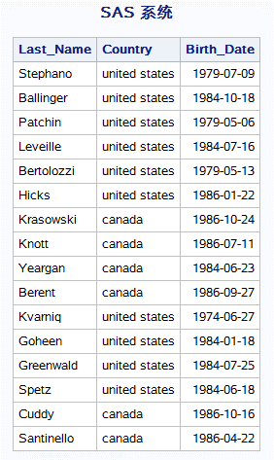
结果：

日志： | 488 PROC IMPORT OUT= WORK.custfom
 | 489 DATAFILE= "C:\sasdata\custfom.csv"
 | 490 DBMS=CSV REPLACE;
 | 491 GETNAMES=YES;
 | 492 DATAROW=2;
 | 493 RUN;

 | NOTE: 文件“C:\sasdata\custfom.csv”（针对文件引用名“#LN00092”）中的字节顺序标记表明数据用“utf-8”编码。
 | 该编码将用于处理文件。
 | NOTE: 文件“C:\sasdata\custfom.csv”（针对文件引用名“#LN00093”）中的字节顺序标记表明数据用“utf-8”编码。
 | 该编码将用于处理文件。
 | 494 /**********************************************************************
 | 495 * PRODUCT: SAS
 | 496 * VERSION: 9.4
 | 497 * CREATOR: External File Interface
 | 498 * DATE: 13OCT14
 | 499 * DESC: Generated SAS Datastep Code
 | 500 * TEMPLATE SOURCE: (None Specified.)
 | 501 ***********************************************************************/
 | 502 data WORK.CUSTFOM ;
 | 503 %let _EFIERR_ = 0; /* set the ERROR detection macro variable */
 | 504 infile 'C:\sasdata\custfom.csv' delimiter = ',' MISSOVER DSD lrecl=13106 firstobs=2 ;
 | 505 informat Customer_ID best32. ;
 | 506 informat Country $2. ;
 | 507 informat First_Name $8. ;
 | 508 informat Last_Name $10. ;
 | 509 informat sex $4. ;
 | 510 informat Birth_Date yymmdd10. ;
 | 511 informat Customer_Type $39. ;
 | 512 format Customer_ID best12. ;
 | 513 format Country $2. ;
 | 514 format First_Name $8. ;
 | 515 format Last_Name $10. ;
 | 516 format sex $4. ;
 | 517 format Birth_Date yymmdd10. ;
 | 518 format Customer_Type $39. ;
 | 519 input
 | 520 Customer_ID
 | 521 Country $
 | 522 First_Name $
 | 523 Last_Name $
 | 524 sex $
 | 525 Birth_Date
 | 526 Customer_Type $
 | 527 ;
 | 528 if _ERROR_ then call symputx('_EFIERR_',1); /* set ERROR detection macro variable */
 | 529 run;

 | NOTE: 文件“C:\sasdata\custfom.csv”（针对文件引用名“#LN00094”）中的字节顺序标记表明数据用“utf-8”编码。
 | 该编码将用于处理文件。
 | NOTE: INFILE 'C:\sasdata\custfom.csv' 是:
 | 文件名=C:\sasdata\custfom.csv,
 | RECFM=V,LRECL=52424,文件大小（字节）=5727,
 | 上次修改时间=2018年10月13日 11时32分33秒,
 | 创建时间=2018年10月13日 11时32分32秒

 | NOTE: 从 INFILE 'C:\sasdata\custfom.csv' 中读取了 77 条记录。
 | 最小记录长度是 57。
 | 最大记录长度是 81。
 | NOTE: 数据集 WORK.CUSTFOM 有 77 个观测和 7 个变量。
 | NOTE: “DATA 语句”所用时间（总处理时间）:
 | 实际时间 0.02 秒
 | CPU 时间 0.03 秒

 | 77 rows created in WORK.CUSTFOM from C:\sasdata\custfom.csv.

 | NOTE: 成功创建“WORK.CUSTFOM”数据集。
 | NOTE: 数据集 WORK.CUSTFOM 有 77 个观测和 7 个变量。
 | NOTE: “PROCEDURE IMPORT”所用时间（总处理时间）:
 | 实际时间 0.13 秒
 | CPU 时间 0.10 秒

 | 530 proc format;
 | 531 value $cty 'US'='united states'
 | 532 'CA'='canada';
 | NOTE: 输出格式 $CTY 已输出。
 | 533 run;

 | NOTE: “PROCEDURE FORMAT”所用时间（总处理时间）:
 | 实际时间 0.12 秒
 | CPU 时间 0.07 秒

 | 534 proc print data=custfom noobs;
 | 535 var Last_Name Country Birth_Date;
 | 536 where (Country in ("CA","US")) & (Birth_Date ge mdy(1,1,1970));
 | 537 format Country $cty.;
 | 538 run;

 | NOTE: 从数据集 WORK.CUSTFOM. 读取了 16 个观测
 | WHERE Country in ('CA', 'US') and (Birth_Date>='01JAN1970'D);
 | NOTE: “PROCEDURE PRINT”所用时间（总处理时间）:
 | 实际时间 0.27 秒
 | CPU 时间 0.01 秒

6
6. 请利用本工作簿中的nonsales.csv工作单存为Excel工作簿，文件名为nonsales.csv。 导入该csv文件，存为subset4，变量名分别为Employee_ID，First，Last，Gender，Salary，Job_Title，Country，Birth_Date，Hire_Date。请按照下列规则清洗数据： 1）Employee_ID 不能重复也不能缺失. 2）Gender 值只能为F 或者 M. 3）Salary 必须为 24000 – 500000之间的数值. 4）Job_Title 不能缺失. 5）Country 值只能为AU 或者 US. 6）Birth_Date 必须早于Hire_Date . 7）Hire_Date 必须晚于01/01/1974. 请按照此原则，清洗数据，并将清洗结果保存为subset5，打印其前五行数据。
解：
程序： | data nonsales;
 | length Employee_ID 8 First $ 12 Last $ 18
 | Gender $ 1 Salary 8 Job_Title $ 25
 | Country $ 2 Birth_Date Hire_Date 8;
 | infile 'c:\sasdata\nonsales.csv' dlm=',';
 | input Employee_ID First $ Last $
 | Gender $ Salary Job_Title $ Country $
 | Birth_Date :date9.
 | Hire_Date :date9.;
 | format Birth_Date Hire_Date ddmmyy10.;
 | run/*通过第一次运行，发现第四行salary是字符，第九行hire_date无效，在csv文件中去掉这两行，再次运行本程序*/;
 | data nonsales_clean;
 |  | set nonsales;
 |  | if employee_id^='.';
 |  | if gender='F' or gender='M';
 |  | if salary > 24000 and salary < 500000;
 |  | if job_title^=' ';
 |  | if country='AU' or country='US';
 |  | if birth_date<hire_date;
 |  | if hire_date>mdy(1,1,1974);
 | run;
 | proc sort data=nonsales_clean out=nonsales_last nodupkey;
 |  | by employee_id;
 | run;
 | proc print data=nonsales_last(obs=10);
 | run;

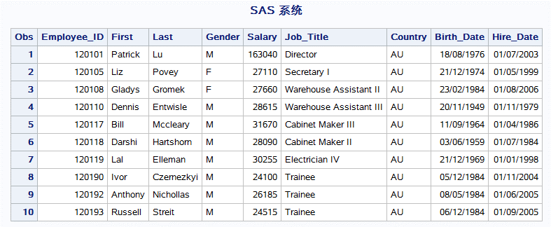
结果：

日志： | 1470 data nonsales;
 | 1471 length Employee_ID 8 First $ 12 Last $ 18
 | 1472 Gender $ 1 Salary 8 Job_Title $ 25
 | 1473 Country $ 2 Birth_Date Hire_Date 8;
 | 1474 infile 'c:\sasdata\nonsales.csv' dlm=',';
 | 1475 input Employee_ID First $ Last $
 | 1476 Gender $ Salary Job_Title $ Country $
 | 1477 Birth_Date :date9.
 | 1478 Hire_Date :date9.;
 | 1479 format Birth_Date Hire_Date ddmmyy10.;
 | 1480 run;

 | NOTE: INFILE 'c:\sasdata\nonsales.csv' 是:
 | 文件名=c:\sasdata\nonsales.csv,
 | RECFM=V,LRECL=32767,文件大小（字节）=16925,
 | 上次修改时间=2018年10月11日 22时40分59秒,
 | 创建时间=2018年10月11日 22时39分58秒

 | NOTE: 在第 4 行、第 23-29 列中有对“Salary”无效的数据。
 | RULE: ----+----1----+----2----+----3----+----4----+----5----+----6----+----7----+----8----+----9----+----0
 | 4 120106,John,Hornsey,M,unknown,Office Assistant II,AU,23DEC1944,01JAN1974 72
 | Employee_ID=120106 First=John Last=Hornsey Gender=M Salary=. Job_Title=Office Assistant II Country=AU Birth_Date=23/12/1944
 | Hire_Date=01/01/1974 _ERROR_=1 _N_=4
 | NOTE: 在第 9 行、第 63-71 列中有对“Hire_Date”无效的数据。
 | 9 120111,Ubaldo,Spillane,M,26895,Security Guard II,AU,23JUL1949,99NOV1978 71
 | Employee_ID=120111 First=Ubaldo Last=Spillane Gender=M Salary=26895 Job_Title=Security Guard II Country=AU
 | Birth_Date=23/07/1949 Hire_Date=. _ERROR_=1 _N_=9
 | NOTE: 从 INFILE 'c:\sasdata\nonsales.csv' 中读取了 235 条记录。
 | 最小记录长度是 55。
 | 最大记录长度是 82。
 | NOTE: 数据集 WORK.NONSALES 有 235 个观测和 9 个变量。
 | NOTE: “DATA 语句”所用时间（总处理时间）:
 | 实际时间 0.02 秒
 | CPU 时间 0.01 秒

 | 1481 data nonsales;
 | 1482 length Employee_ID 8 First $ 12 Last $ 18
 | 1483 Gender $ 1 Salary 8 Job_Title $ 25
 | 1484 Country $ 2 Birth_Date Hire_Date 8;
 | 1485 infile 'c:\sasdata\nonsales.csv' dlm=',';
 | 1486 input Employee_ID First $ Last $
 | 1487 Gender $ Salary Job_Title $ Country $
 | 1488 Birth_Date :date9.
 | 1489 Hire_Date :date9.;
 | 1490 format Birth_Date Hire_Date ddmmyy10.;
 | 1491 run/*通过第一次运行，发现第四行salary是字符，第九行hire_date无效，在csv文件中去掉这两行，再次运行本程序*/;

 | NOTE: INFILE 'c:\sasdata\nonsales.csv' 是:
 | 文件名=c:\sasdata\nonsales.csv,
 | RECFM=V,LRECL=32767,文件大小（字节）=16778,
 | 上次修改时间=2018年10月11日 22时50分23秒,
 | 创建时间=2018年10月11日 22时39分58秒

 | NOTE: 从 INFILE 'c:\sasdata\nonsales.csv' 中读取了 233 条记录。
 | 最小记录长度是 55。
 | 最大记录长度是 82。
 | NOTE: 数据集 WORK.NONSALES 有 233 个观测和 9 个变量。
 | NOTE: “DATA 语句”所用时间（总处理时间）:
 | 实际时间 0.02 秒
 | CPU 时间 0.01 秒

 | 1492 data nonsales_clean;
 | 1493 set nonsales;
 | 1494 if employee_id^='.';
 | 1495 if gender='F' or gender='M';
 | 1496 if salary > 24000 and salary < 500000;
 | 1497 if job_title^=' ';
 | 1498 if country='AU' or country='US';
 | 1499 if birth_date<hire_date;
 | 1500 if hire_date>mdy(1,1,1974);
 | 1501 run;

 | NOTE: 字符值已转换为数值，位置:（行:列）。
 | 1494:21
 | NOTE: 从数据集 WORK.NONSALES. 读取了 233 个观测
 | NOTE: 数据集 WORK.NONSALES_CLEAN 有 188 个观测和 9 个变量。
 | NOTE: “DATA 语句”所用时间（总处理时间）:
 | 实际时间 0.02 秒
 | CPU 时间 0.01 秒

 | 1502 proc sort data=nonsales_clean out=nonsales_last nodupkey;
 | 1503 by employee_id;
 | 1504 run;

 | NOTE: 从数据集 WORK.NONSALES_CLEAN. 读取了 188 个观测
 | NOTE: 1 个具有重复键值的观测已删除。
 | NOTE: 数据集 WORK.NONSALES_LAST 有 187 个观测和 9 个变量。
 | NOTE: “PROCEDURE SORT”所用时间（总处理时间）:
 | 实际时间 0.01 秒
 | CPU 时间 0.01 秒

 | 1505 proc print data=nonsales_last(obs=10);
 | 1506 run;

 | NOTE: 从数据集 WORK.NONSALES_LAST. 读取了 10 个观测
 | NOTE: “PROCEDURE PRINT”所用时间（总处理时间）:
 | 实际时间 0.04 秒
 | CPU 时间 0.00 秒

7
7、数据如下面data步，其中四个变量，分别为编号（ID)、姓名（name）、工作代码（jobcode）、工资（salary），请求出平均收入并将结果输出到一个文本文件。 data pilots; input Id name $ jobcode $ salary; cards; 1 Albert PT1 50000 2 Brenda PT1 70000 3 Carl PT1 60000 4 Donna PT2 80000 5 Edward PT2 90000 6 Flora PT3 100000 ; run;
解：
程序： | data pilots;
 | input Id name $ jobcode $ salary;
 | cards;
 | 1 Albert PT1 50000
 | 2 Brenda PT1 70000
 | 3 Carl PT1 60000
 | 4 Donna PT2 80000
 | 5 Edward PT2 90000
 | 6 Flora PT3 100000
 | ;
 | run;
 | ods listing file='c:\sasdata\sasprint.txt';
 | proc means data=pilots;
 | var Salary;
 | class Jobcode;
 | run;
 | ods listing;

结果：
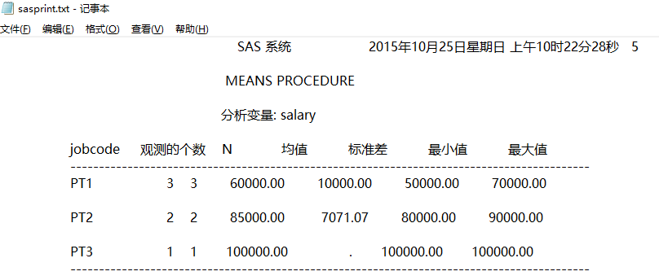

日志：
 | 74 ods listing;
 | 75 data pilots;
 | 76 input Id name $ jobcode $ salary;
 | 77 cards;

 | NOTE: 数据集 WORK.PILOTS 有 6 个观测和 4 个变量。
 | NOTE: “DATA 语句”所用时间（总处理时间）:
 | 实际时间 0.01 秒
 | CPU 时间 0.01 秒

 | 84 ;
 | 85 run;
 | 86 ods listing file='c:\sasdata\sasprint.txt';
 | 87 proc means data=pilots;
 | 88 var Salary;
 | 89 class Jobcode;
 | 90 run;

 | NOTE: 从数据集 WORK.PILOTS. 读取了 6 个观测
 | NOTE: “PROCEDURE MEANS”所用时间（总处理时间）:
 | 实际时间 0.07 秒
 | CPU 时间 0.01 秒

 | 91 ods listing;

