Table 13.8 Final
13.8 | Identified personal wealth1 : analysis by decile
 | Distribution of identified wealth from 2001-2003 to 2014-16.
 | "Identified wealth" is the wealth represented by estates passing on death each year that require a grant of representation. Not all estates require a grant of representation and figures in this table do not represent the entire population. The "identified wealth" population represents 27% of the annual UK adult population which is around 14.1 million people on average per year in 2014-16.
 | Wealth decile | Lowest2 | 2nd | 3rd | 4th | 5th | 6th | 7th | 8th | 9th | Highest | Percentage of adults not in identified wealth population
2001 to 2003 | Proportion of identified wealth | 0% | 1% | 2% | 4% | 5% | 7% | 9% | 11% | 16% | 45% | 65%
 | Minimum required to be in the decile (nearest £1000) |  | £10,000 | £25,000 | £45,000 | £67,000 | £93,000 | £120,000 | £152,000 | £200,000 | £315,000
2005 to 2007 | Proportion of identified wealth | 0% | 1% | 2% | 4% | 6% | 7% | 9% | 11% | 15% | 44% | 66%
 | Minimum required to be in the decile (nearest £1000) |  | £15,000 | £34,000 | £66,000 | £102,000 | £136,000 | £173,000 | £215,000 | £273,000 | £396,000
2008 to 2010 | Proportion of identified wealth | 0% | 1% | 3% | 4% | 6% | 7% | 9% | 11% | 15% | 45% | 69%
 | Minimum required to be in the decile (nearest £1000) |  | £16,000 | £48,000 | £78,000 | £110,000 | £144,000 | £183,000 | £228,000 | £291,000 | £437,000
2011 to 2013 | Proportion of identified wealth | 0% | 1% | 3% | 4% | 5% | 7% | 9% | 11% | 15% | 45% | 70%
 | Minimum required to be in the decile (nearest £1000) |  | £14,000 | £43,000 | £82,000 | £117,000 | £155,000 | £199,000 | £248,000 | £321,000 | £491,000
2014 to 2016 | Proportion of identified wealth | 0% | 1% | 3% | 4% | 6% | 7% | 9% | 11% | 15% | 44% | 73%
 | Minimum required to be in the decile (nearest £1000) |  | £23,000 | £56,000 | £99,000 | £139,000 | £178,000 | £227,000 | £275,000 | £352,000 | £529,000

1. "Identified wealth" is the wealth represented by estates passing on death each year and requiring a grant of representation, grossed up to reflect the living population using mortality rates. Not all estates require a grant of representation, and hence the figures given in this table do not represent the entire population. For 2014-16, the "identified wealth" population was 27% of the total UK (adult) population.
2. In calculating the proportion of identified wealth held by each decile, any estate whose liabilities are greater than their assets are treated as having negative wealth. These estates all fall in the lowest decile.

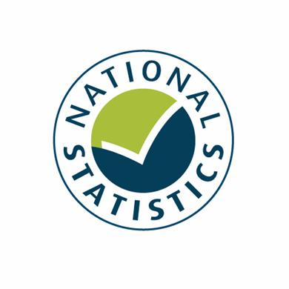
For further details see the accompanying commentary.

Contact point for enquiries
Sarah Hussain
Sarah.Hussain@hmrc.gsi.gov.uk

Room 3E/01
KAI Personal Tax
HM Revenue and Customs
100 Parliament Street
London
SW1A 2BQ

