Sheet2
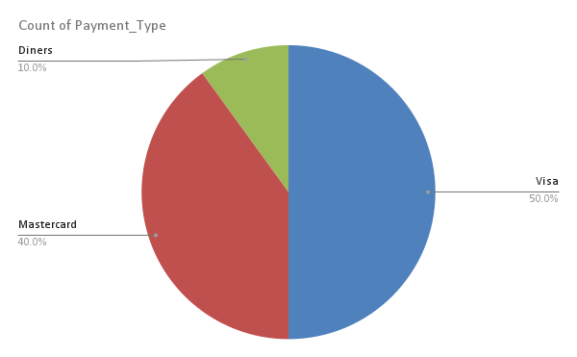
Transaction_date | Price | Payment_Type | Name
2/1/09 | 1200 | Visa | Betina
2/1/09 | 1200 | Mastercard | Federica e Andrea
4/1/09 | 3600 | Visa | Gerd W
4/1/09 | 1200 | Visa | LAURENCE
4/1/09 | 1200 | Mastercard | Fleur
2/1/09 | 1200 | Mastercard | adam
5/1/09 | 1200 | Diners | Stacy
2/1/09 | 1200 | Mastercard | Sean
5/1/09 | 1200 | Visa | Georgia
2/1/09 | 1200 | Visa | Richard

Price vs Name

