1
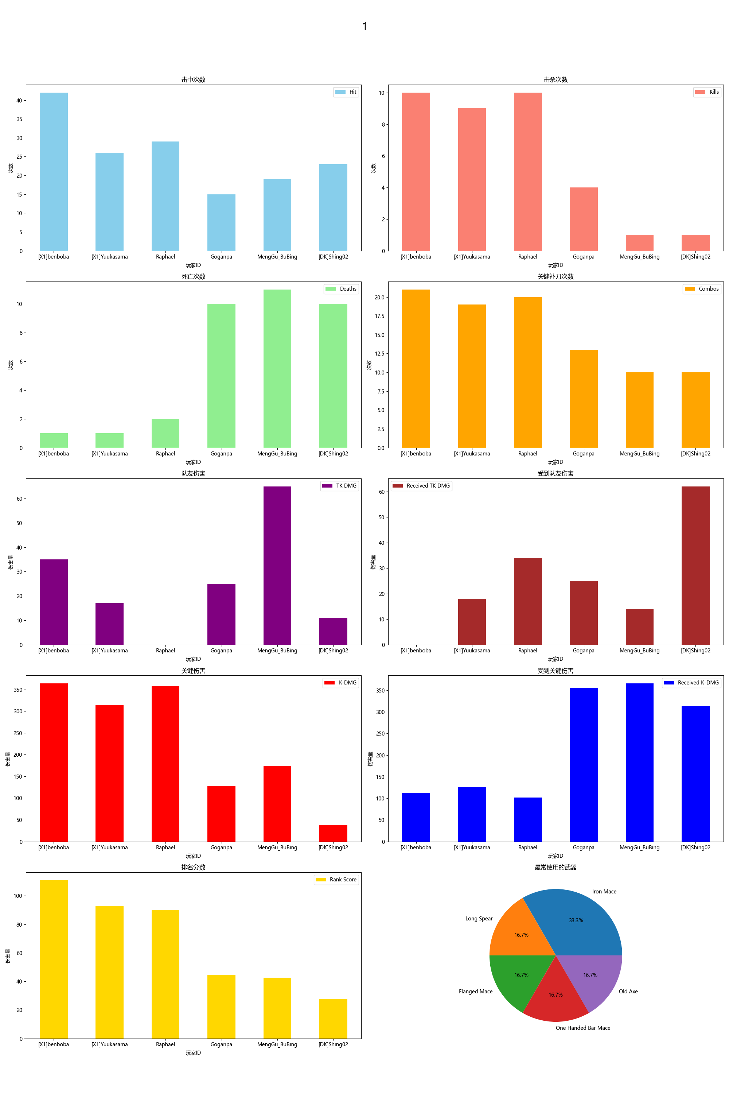
Player ID | Rank Score | Hit | DMG | Most Used Weapon | Combos | Kills | Deaths | TK DMG | Received TK DMG | Kill/Death Ratio | Combo/Hits Ratio | Received Combos | K-DMG | K-DMG/DMG | K-DMG/Combos | Received K-DMG | Received K-DMG/Combos | Team Hits | TK Kills
[X1]benboba | 110.80 | 42 | 834.00 | Long Spear | 21 | 10 | 1 | 35.00 | 0.00 | 10.00 | 0.50 | 7 | 364.00 | 0.44 | 17.33 | 112.00 | 16.00 | 4 | 0
[X1]Yuukasama | 92.79 | 26 | 621.00 | Iron Mace | 19 | 9 | 1 | 17.00 | 18.00 | 9.00 | 0.73 | 6 | 314.00 | 0.51 | 16.53 | 125.00 | 20.83 | 1 | 0
Raphael | 90.21 | 29 | 691.00 | Iron Mace | 20 | 10 | 2 | 0.00 | 34.00 | 5.00 | 0.69 | 5 | 357.00 | 0.52 | 17.85 | 102.00 | 20.40 | 0 | 0
Goganpa | 44.54 | 15 | 283.00 | Flanged Mace | 13 | 4 | 10 | 25.00 | 25.00 | 0.40 | 0.87 | 15 | 128.00 | 0.45 | 9.85 | 355.00 | 23.67 | 2 | 1
MengGu_BuBing | 42.68 | 19 | 447.00 | One Handed Bar Mace | 10 | 1 | 11 | 65.00 | 14.00 | 0.09 | 0.53 | 15 | 174.00 | 0.39 | 17.40 | 366.00 | 24.40 | 3 | 1
[DK]Shing02 | 27.76 | 23 | 212.00 | Old Axe | 10 | 1 | 10 | 11.00 | 62.00 | 0.10 | 0.43 | 13 | 37.00 | 0.17 | 3.70 | 314.00 | 24.15 | 1 | 0

2
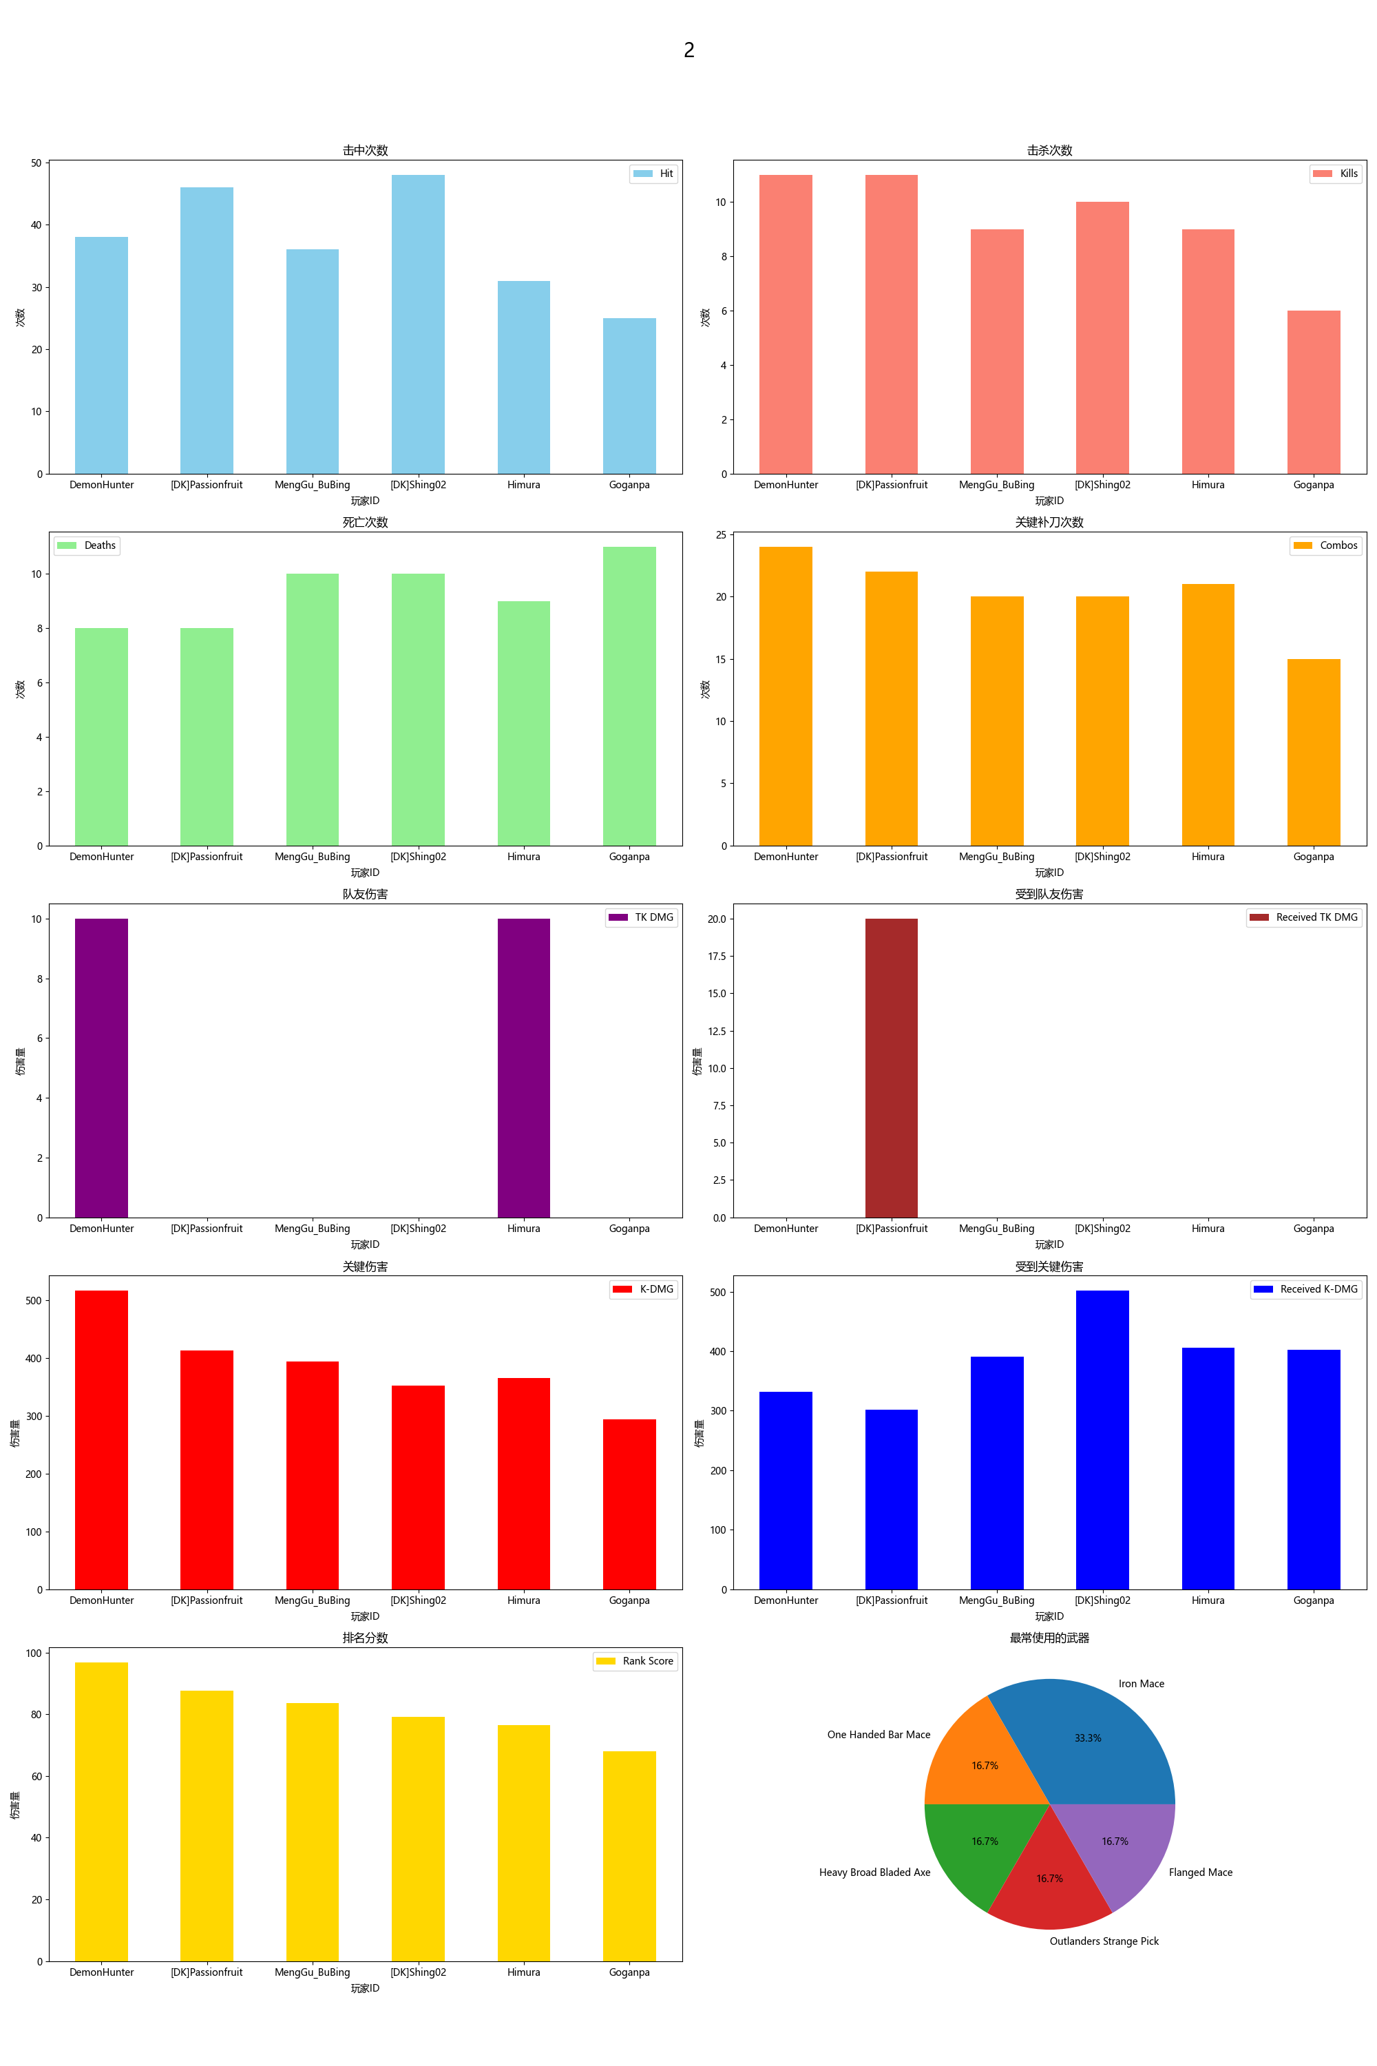
Player ID | Rank Score | Hit | DMG | Most Used Weapon | Combos | Kills | Deaths | TK DMG | Received TK DMG | Kill/Death Ratio | Combo/Hits Ratio | Received Combos | K-DMG | K-DMG/DMG | K-DMG/Combos | Received K-DMG | Received K-DMG/Combos | Team Hits | TK Kills
DemonHunter | 96.81 | 38 | 943.00 | One Handed Bar Mace | 24 | 11 | 8 | 10.00 | 0.00 | 1.38 | 0.63 | 14 | 517.00 | 0.55 | 21.54 | 332.00 | 23.71 | 1 | 0
[DK]Passionfruit | 87.63 | 46 | 1158.00 | Heavy Broad Bladed Axe | 22 | 11 | 8 | 0.00 | 20.00 | 1.38 | 0.48 | 12 | 413.00 | 0.36 | 18.77 | 302.00 | 25.17 | 0 | 0
MengGu_BuBing | 83.72 | 36 | 844.00 | Iron Mace | 20 | 9 | 10 | 0.00 | 0.00 | 0.90 | 0.56 | 17 | 394.00 | 0.47 | 19.70 | 391.00 | 23.00 | 0 | 0
[DK]Shing02 | 79.12 | 48 | 927.00 | Outlanders Strange Pick | 20 | 10 | 10 | 0.00 | 0.00 | 1.00 | 0.42 | 16 | 352.00 | 0.38 | 17.60 | 502.00 | 31.38 | 0 | 0
Himura | 76.54 | 31 | 696.00 | Iron Mace | 21 | 9 | 9 | 10.00 | 0.00 | 1.00 | 0.68 | 14 | 366.00 | 0.53 | 17.43 | 406.00 | 29.00 | 1 | 0
Goganpa | 68.02 | 25 | 557.00 | Flanged Mace | 15 | 6 | 11 | 0.00 | 0.00 | 0.55 | 0.60 | 16 | 294.00 | 0.53 | 19.60 | 403.00 | 25.19 | 0 | 0

3
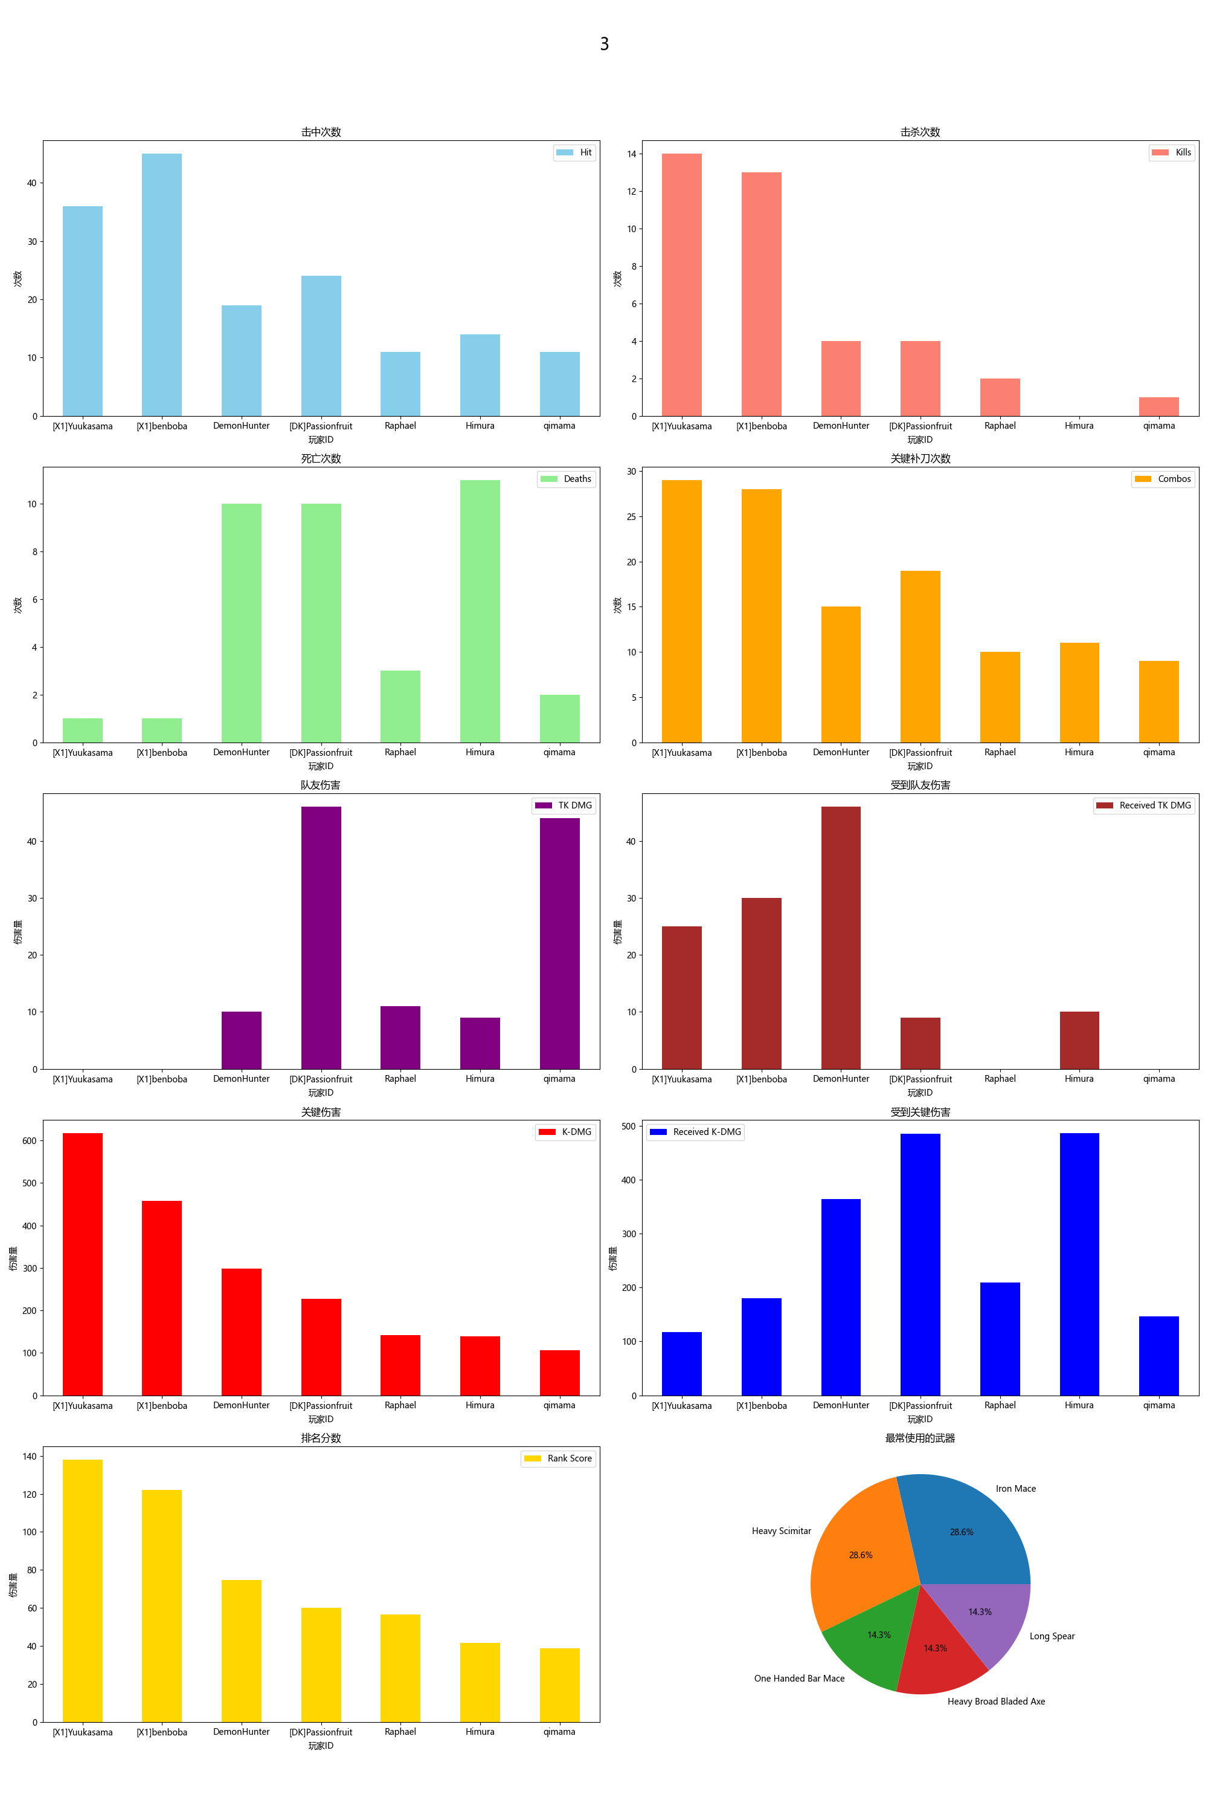
Player ID | Rank Score | Hit | DMG | Most Used Weapon | Combos | Kills | Deaths | TK DMG | Received TK DMG | Kill/Death Ratio | Combo/Hits Ratio | Received Combos | K-DMG | K-DMG/DMG | K-DMG/Combos | Received K-DMG | Received K-DMG/Combos | Team Hits | TK Kills
[X1]Yuukasama | 137.99 | 36 | 900.00 | Iron Mace | 29 | 14 | 1 | 0.00 | 25.00 | 14.00 | 0.81 | 6 | 617.00 | 0.69 | 21.28 | 117.00 | 19.50 | 0 | 0
[X1]benboba | 122.02 | 45 | 889.00 | Heavy Scimitar | 28 | 13 | 1 | 0.00 | 30.00 | 13.00 | 0.62 | 7 | 458.00 | 0.52 | 16.36 | 180.00 | 25.71 | 0 | 0
DemonHunter | 74.57 | 19 | 453.00 | One Handed Bar Mace | 15 | 4 | 10 | 10.00 | 46.00 | 0.40 | 0.79 | 17 | 298.00 | 0.66 | 19.87 | 364.00 | 21.41 | 1 | 0
[DK]Passionfruit | 59.96 | 24 | 524.00 | Heavy Broad Bladed Axe | 19 | 4 | 10 | 46.00 | 9.00 | 0.40 | 0.79 | 21 | 227.00 | 0.43 | 11.95 | 485.00 | 23.10 | 5 | 1
Raphael | 56.43 | 11 | 197.00 | Heavy Scimitar | 10 | 2 | 3 | 11.00 | 0.00 | 0.67 | 0.91 | 8 | 142.00 | 0.72 | 14.20 | 209.00 | 26.13 | 1 | 0
Himura | 41.55 | 14 | 320.00 | Iron Mace | 11 | 0 | 11 | 9.00 | 10.00 | 0.00 | 0.79 | 17 | 139.00 | 0.43 | 12.64 | 486.00 | 28.59 | 1 | 0
qimama | 38.78 | 11 | 292.00 | Long Spear | 9 | 1 | 2 | 44.00 | 0.00 | 0.50 | 0.82 | 6 | 107.00 | 0.37 | 11.89 | 147.00 | 24.50 | 3 | 0

4
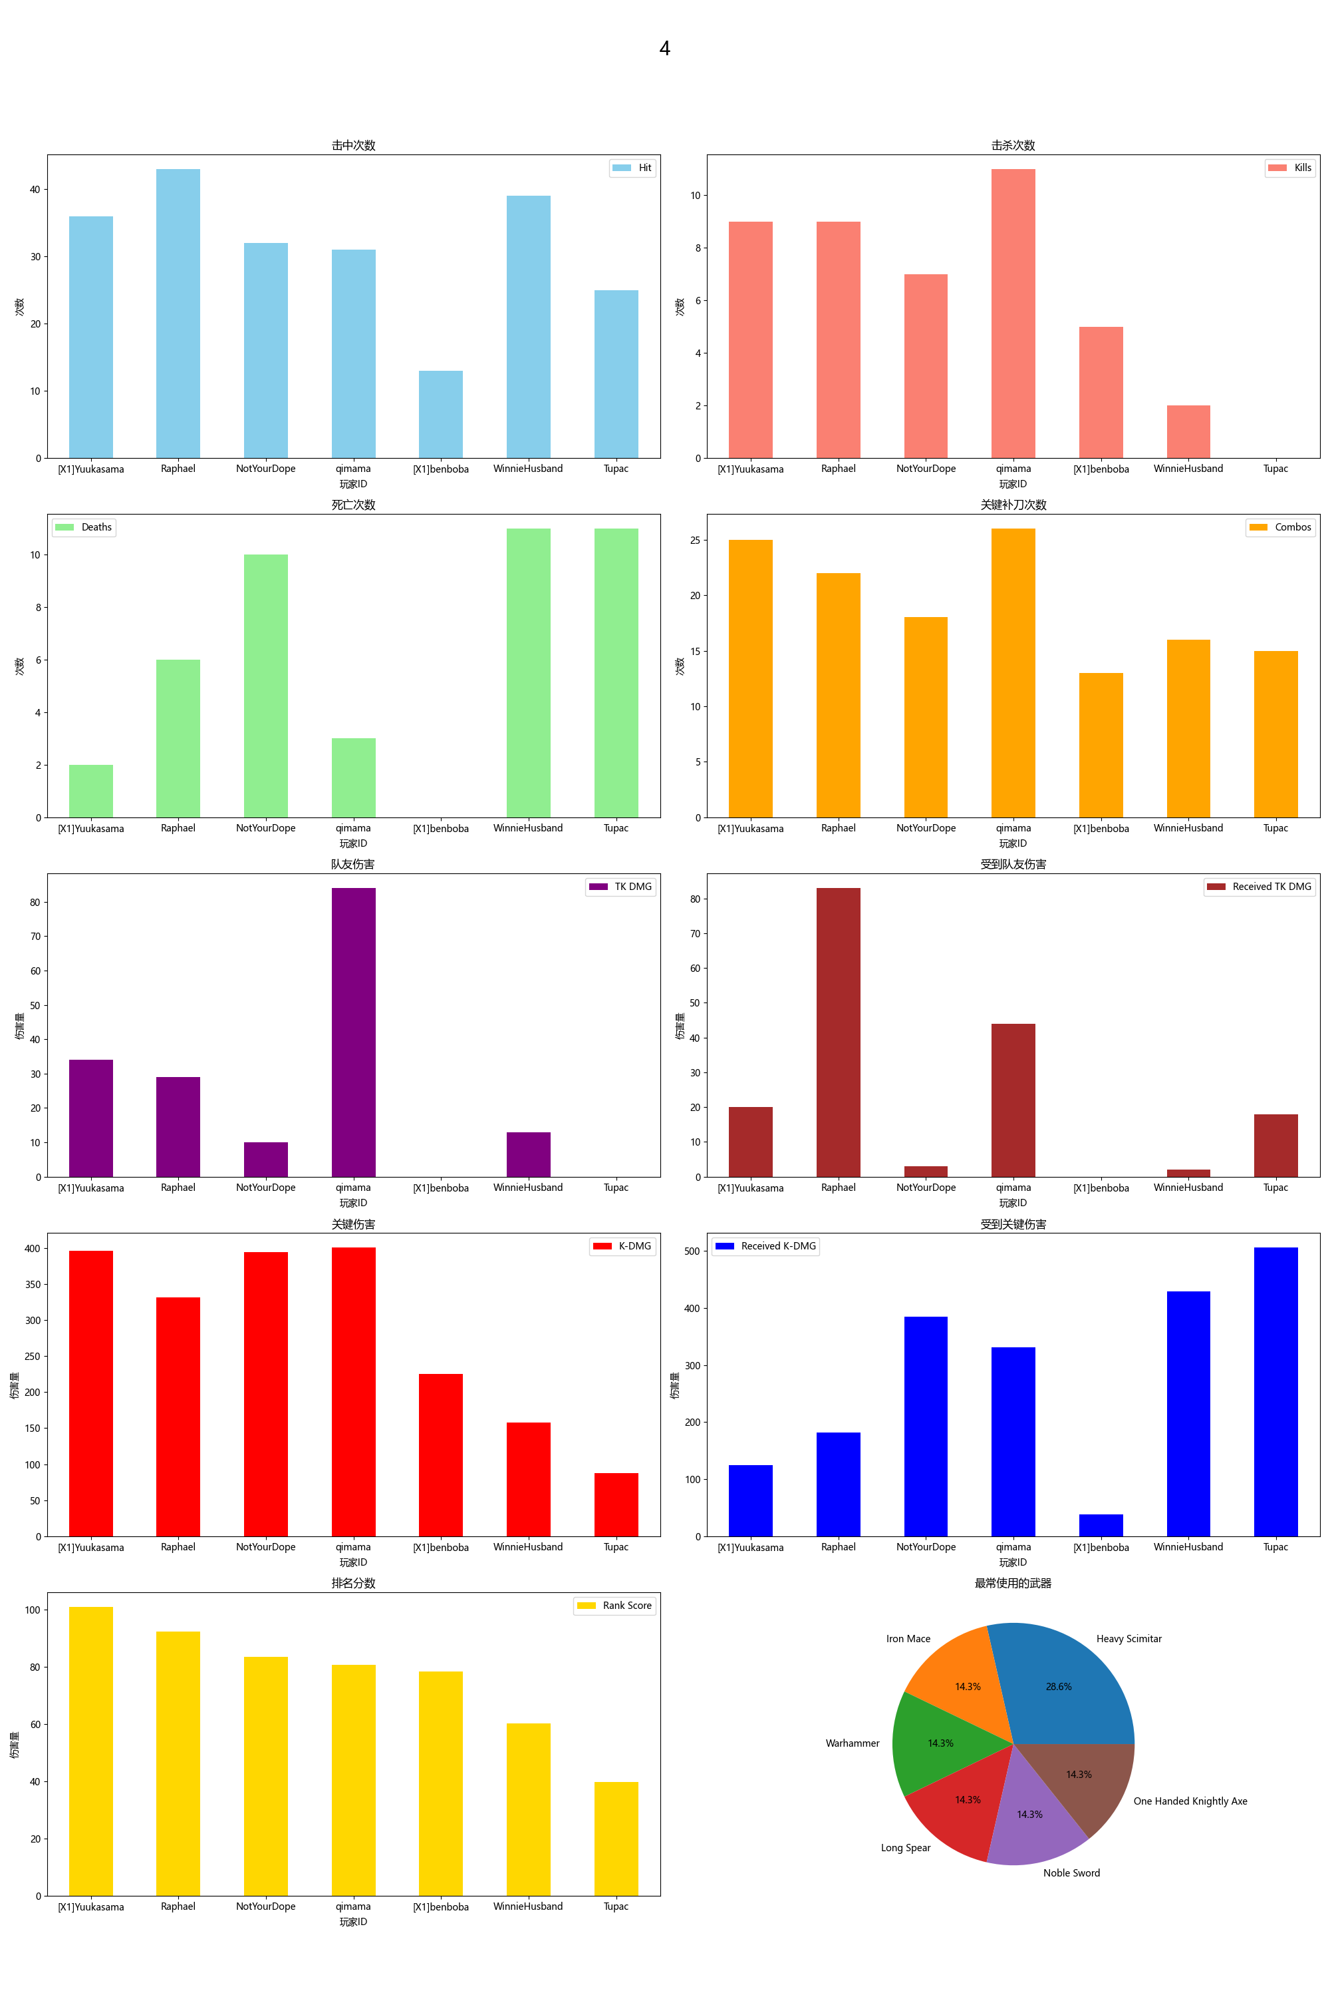
Player ID | Rank Score | Hit | DMG | Most Used Weapon | Combos | Kills | Deaths | TK DMG | Received TK DMG | Kill/Death Ratio | Combo/Hits Ratio | Received Combos | K-DMG | K-DMG/DMG | K-DMG/Combos | Received K-DMG | Received K-DMG/Combos | Team Hits | TK Kills
[X1]Yuukasama | 100.83 | 36 | 758.00 | Iron Mace | 25 | 9 | 2 | 34.00 | 20.00 | 4.50 | 0.69 | 9 | 396.00 | 0.52 | 15.84 | 124.00 | 13.78 | 2 | 1
Raphael | 92.31 | 43 | 726.00 | Heavy Scimitar | 22 | 9 | 6 | 29.00 | 83.00 | 1.50 | 0.51 | 10 | 332.00 | 0.46 | 15.09 | 182.00 | 18.20 | 2 | 0
NotYourDope | 83.40 | 32 | 805.00 | Warhammer | 18 | 7 | 10 | 10.00 | 3.00 | 0.70 | 0.56 | 19 | 395.00 | 0.49 | 21.94 | 385.00 | 20.26 | 2 | 0
qimama | 80.64 | 31 | 709.00 | Long Spear | 26 | 11 | 3 | 84.00 | 44.00 | 3.67 | 0.84 | 10 | 401.00 | 0.57 | 15.42 | 331.00 | 33.10 | 6 | 1
[X1]benboba | 78.28 | 13 | 311.00 | Heavy Scimitar | 13 | 5 | 0 | 0.00 | 0.00 | 0.00 | 1.00 | 3 | 225.00 | 0.72 | 17.31 | 38.00 | 12.67 | 0 | 0
WinnieHusband | 60.12 | 39 | 613.00 | Noble Sword | 16 | 2 | 11 | 13.00 | 2.00 | 0.18 | 0.41 | 19 | 158.00 | 0.26 | 9.88 | 429.00 | 22.58 | 2 | 0
Tupac | 39.76 | 25 | 441.00 | One Handed Knightly Axe | 15 | 0 | 11 | 0.00 | 18.00 | 0.00 | 0.60 | 20 | 88.00 | 0.20 | 5.87 | 506.00 | 25.30 | 0 | 0

5
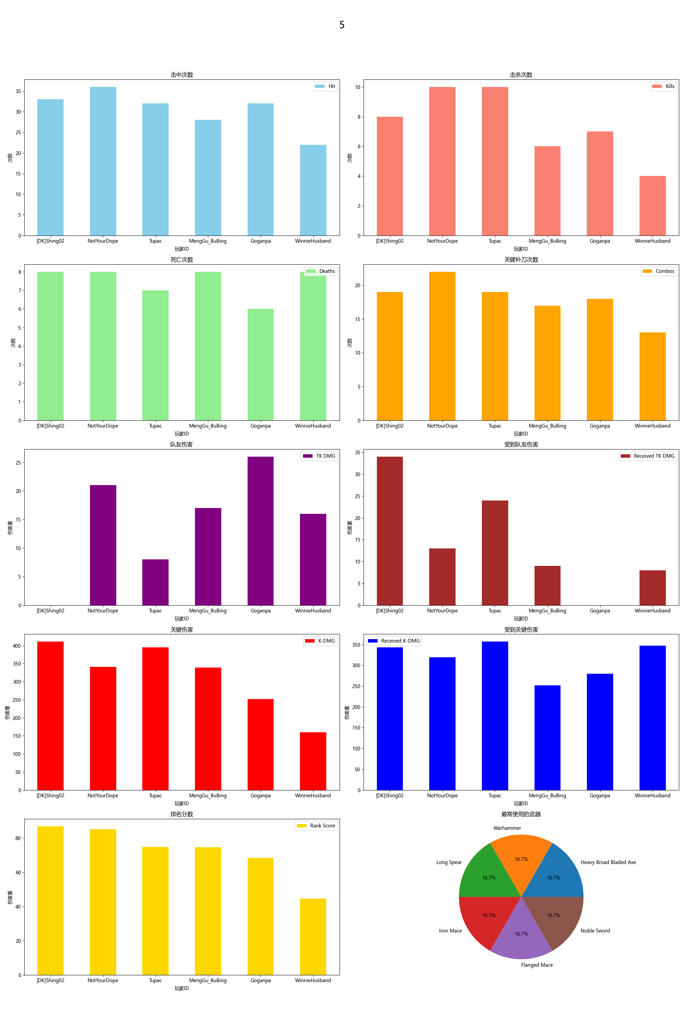
Player ID | Rank Score | Hit | DMG | Most Used Weapon | Combos | Kills | Deaths | TK DMG | Received TK DMG | Kill/Death Ratio | Combo/Hits Ratio | Received Combos | K-DMG | K-DMG/DMG | K-DMG/Combos | Received K-DMG | Received K-DMG/Combos | Team Hits | TK Kills
[DK]Shing02 | 86.90 | 33 | 709.00 | Heavy Broad Bladed Axe | 19 | 8 | 8 | 0.00 | 34.00 | 1.00 | 0.58 | 15 | 411.00 | 0.58 | 21.63 | 343.00 | 22.87 | 0 | 0
NotYourDope | 85.31 | 36 | 710.00 | Warhammer | 22 | 10 | 8 | 21.00 | 13.00 | 1.25 | 0.61 | 15 | 341.00 | 0.48 | 15.50 | 319.00 | 21.27 | 2 | 0
Tupac | 74.97 | 32 | 741.00 | Long Spear | 19 | 10 | 7 | 8.00 | 24.00 | 1.43 | 0.59 | 13 | 395.00 | 0.53 | 20.79 | 357.00 | 27.46 | 1 | 1
MengGu_BuBing | 74.67 | 28 | 768.00 | Iron Mace | 17 | 6 | 8 | 17.00 | 9.00 | 0.75 | 0.61 | 12 | 339.00 | 0.44 | 19.94 | 252.00 | 21.00 | 1 | 0
Goganpa | 68.49 | 32 | 588.00 | Flanged Mace | 18 | 7 | 6 | 26.00 | 0.00 | 1.17 | 0.56 | 11 | 252.00 | 0.43 | 14.00 | 280.00 | 25.45 | 2 | 0
WinnieHusband | 44.66 | 22 | 378.00 | Noble Sword | 13 | 4 | 8 | 16.00 | 8.00 | 0.50 | 0.59 | 13 | 160.00 | 0.42 | 12.31 | 347.00 | 26.69 | 2 | 1

