1
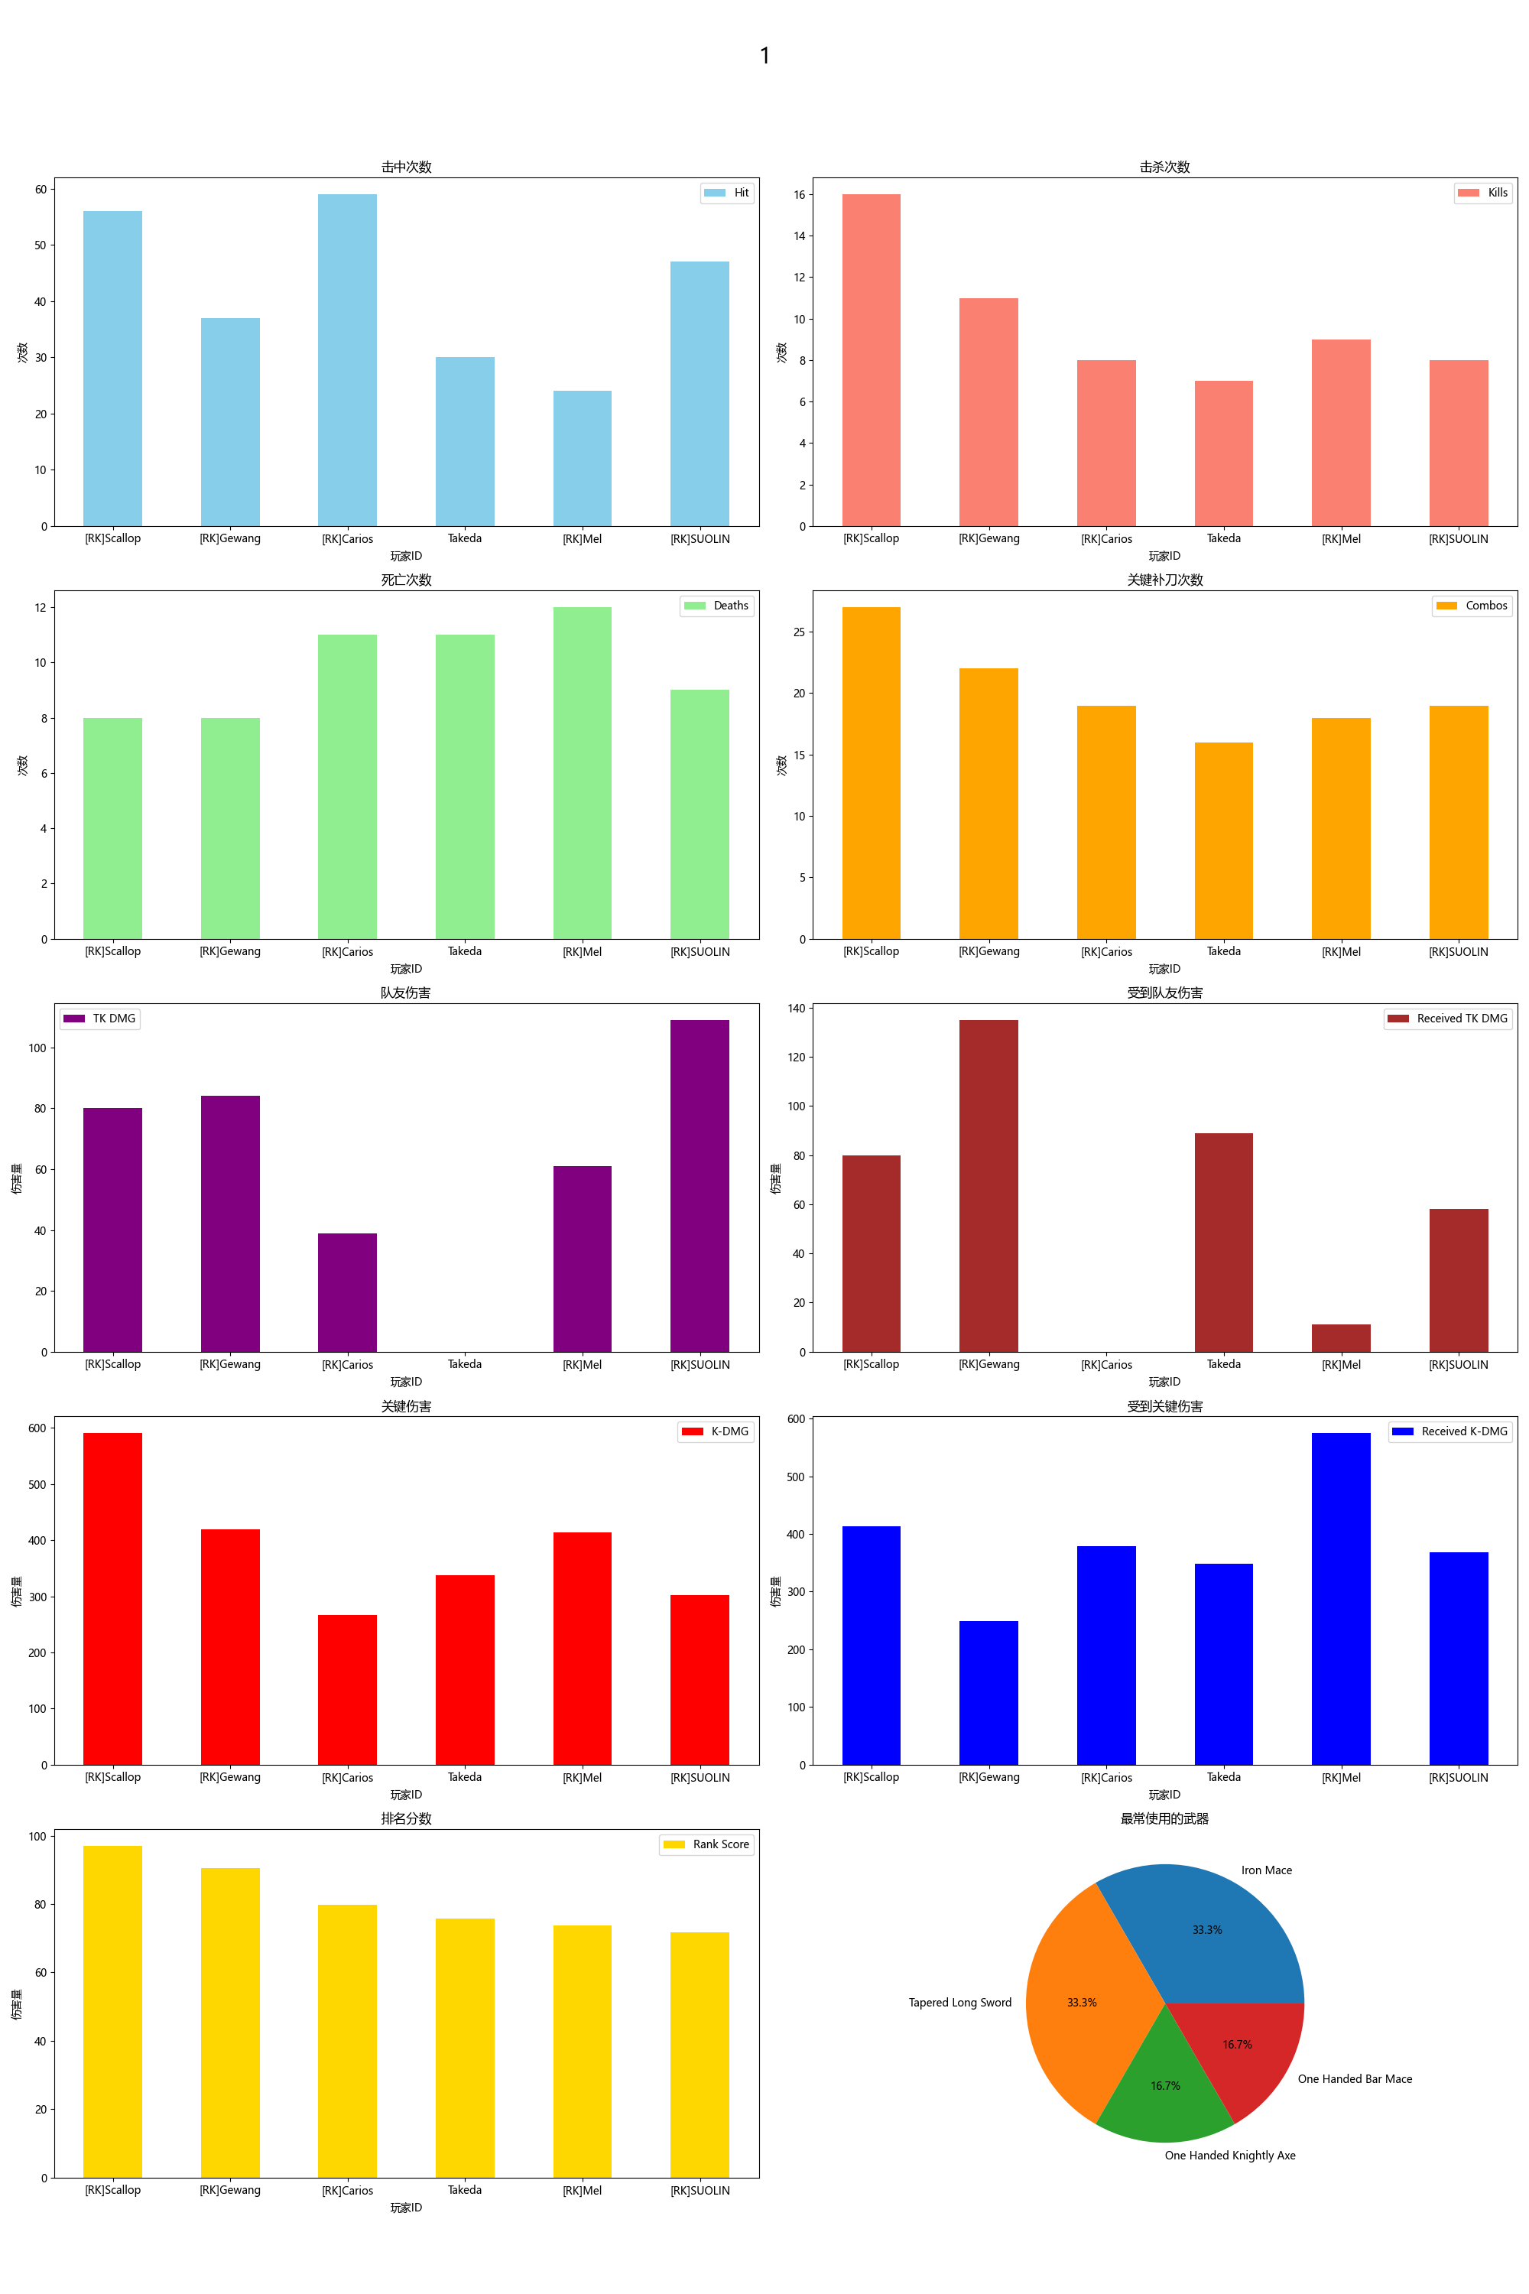
Player ID | Rank Score | Hit | DMG | Most Used Weapon | Combos | Kills | Deaths | TK DMG | Received TK DMG | Kill/Death Ratio | Combo/Hits Ratio | Received Combos | K-DMG | K-DMG/DMG | K-DMG/Combos | Received K-DMG | Received K-DMG/Combos | Team Hits | TK Kills
[RK]Scallop | 97.00 | 56 | 1544.00 | Iron Mace | 27 | 16 | 8 | 80.00 | 80.00 | 2.00 | 0.48 | 13 | 591.00 | 0.38 | 21.89 | 413.00 | 31.77 | 7 | 1
[RK]Gewang | 90.52 | 37 | 877.00 | One Handed Knightly Axe | 22 | 11 | 8 | 84.00 | 135.00 | 1.38 | 0.59 | 12 | 420.00 | 0.48 | 19.09 | 249.00 | 20.75 | 6 | 0
[RK]Carios | 79.85 | 59 | 1086.00 | Tapered Long Sword | 19 | 8 | 11 | 39.00 | 0.00 | 0.73 | 0.32 | 16 | 267.00 | 0.25 | 14.05 | 379.00 | 23.69 | 5 | 1
Takeda | 75.79 | 30 | 759.00 | Iron Mace | 16 | 7 | 11 | 0.00 | 89.00 | 0.64 | 0.53 | 17 | 338.00 | 0.45 | 21.13 | 348.00 | 20.47 | 0 | 0
[RK]Mel | 73.75 | 24 | 584.00 | One Handed Bar Mace | 18 | 9 | 12 | 61.00 | 11.00 | 0.75 | 0.75 | 16 | 414.00 | 0.71 | 23.00 | 575.00 | 35.94 | 4 | 0
[RK]SUOLIN | 71.80 | 47 | 853.00 | Tapered Long Sword | 19 | 8 | 9 | 109.00 | 58.00 | 0.89 | 0.40 | 13 | 302.00 | 0.35 | 15.89 | 368.00 | 28.31 | 9 | 1

2
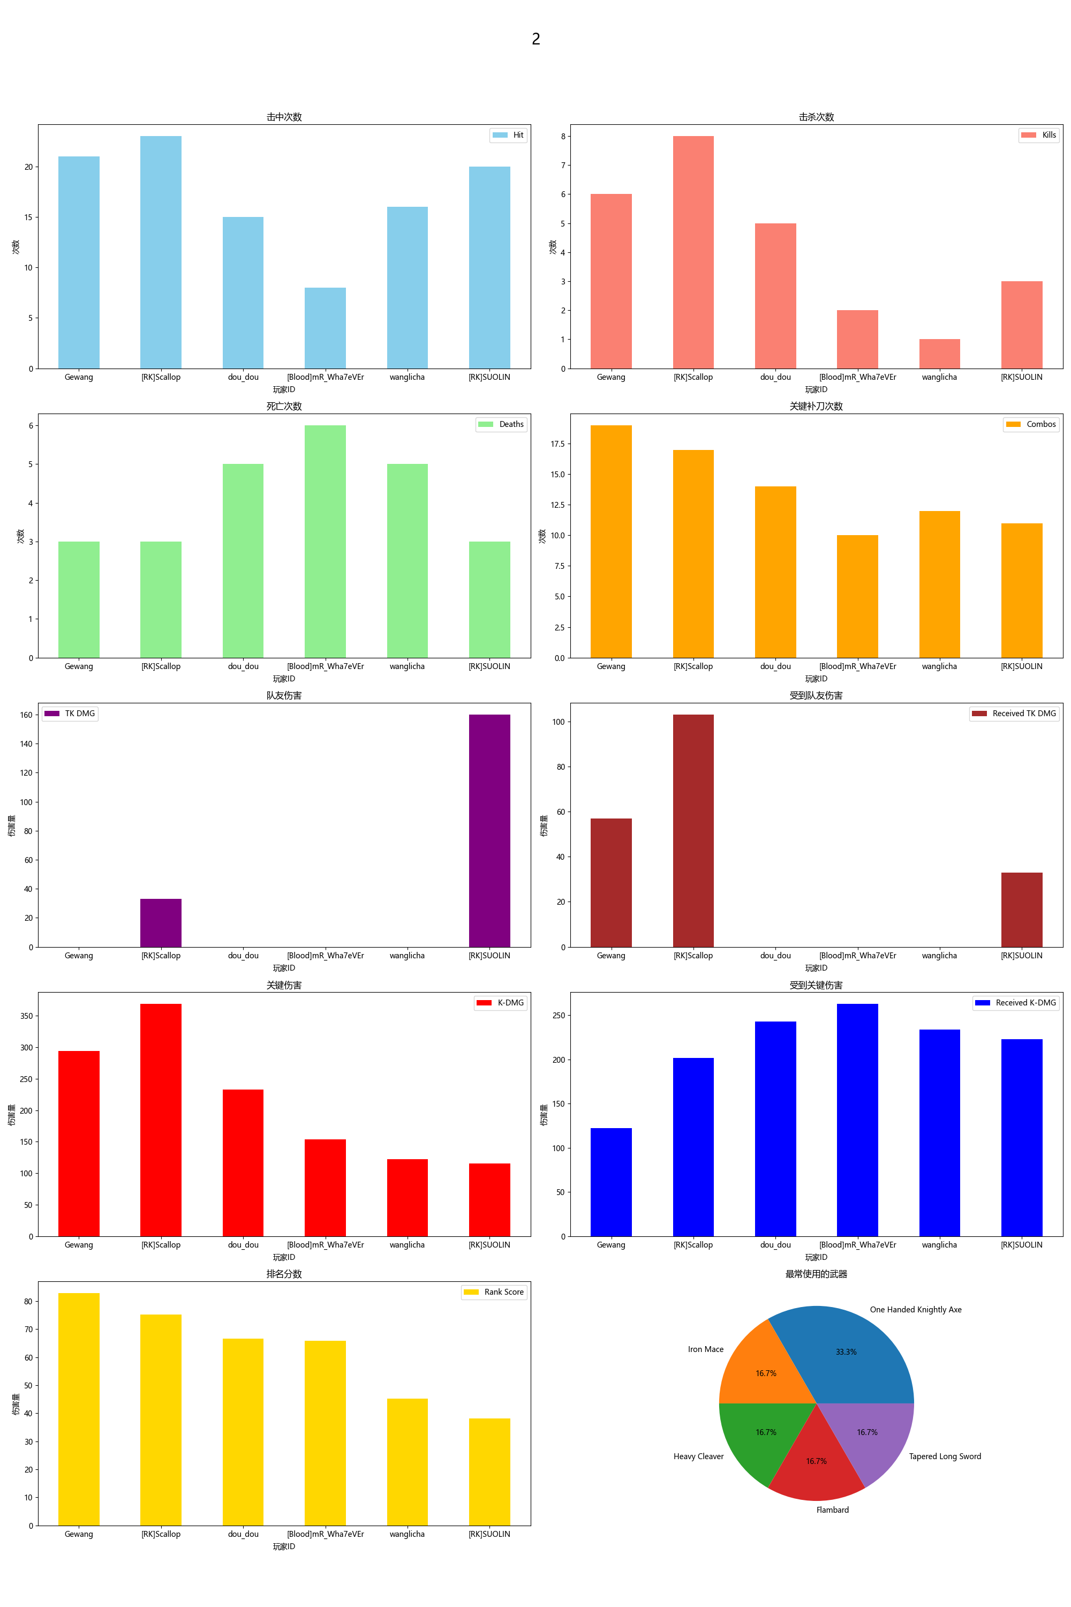
Player ID | Rank Score | Hit | DMG | Most Used Weapon | Combos | Kills | Deaths | TK DMG | Received TK DMG | Kill/Death Ratio | Combo/Hits Ratio | Received Combos | K-DMG | K-DMG/DMG | K-DMG/Combos | Received K-DMG | Received K-DMG/Combos | Team Hits | TK Kills
Gewang | 82.89 | 21 | 546.00 | One Handed Knightly Axe | 19 | 6 | 3 | 0.00 | 57.00 | 2.00 | 0.90 | 8 | 294.00 | 0.54 | 15.47 | 122.00 | 15.25 | 0 | 0
[RK]Scallop | 75.18 | 23 | 655.00 | Iron Mace | 17 | 8 | 3 | 33.00 | 103.00 | 2.67 | 0.74 | 7 | 369.00 | 0.56 | 21.71 | 202.00 | 28.86 | 2 | 0
dou_dou | 66.55 | 15 | 332.00 | Heavy Cleaver | 14 | 5 | 5 | 0.00 | 0.00 | 1.00 | 0.93 | 9 | 233.00 | 0.70 | 16.64 | 243.00 | 27.00 | 0 | 0
[Blood]mR_Wha7eVEr | 65.93 | 8 | 179.00 | Flambard | 10 | 2 | 6 | 0.00 | 0.00 | 0.33 | 1.25 | 10 | 154.00 | 0.86 | 15.40 | 263.00 | 26.30 | 0 | 0
wanglicha | 45.18 | 16 | 309.00 | One Handed Knightly Axe | 12 | 1 | 5 | 0.00 | 0.00 | 0.20 | 0.75 | 10 | 122.00 | 0.39 | 10.17 | 234.00 | 23.40 | 0 | 0
[RK]SUOLIN | 38.09 | 20 | 326.00 | Tapered Long Sword | 11 | 3 | 3 | 160.00 | 33.00 | 1.00 | 0.55 | 9 | 115.00 | 0.35 | 10.45 | 223.00 | 24.78 | 12 | 1

3
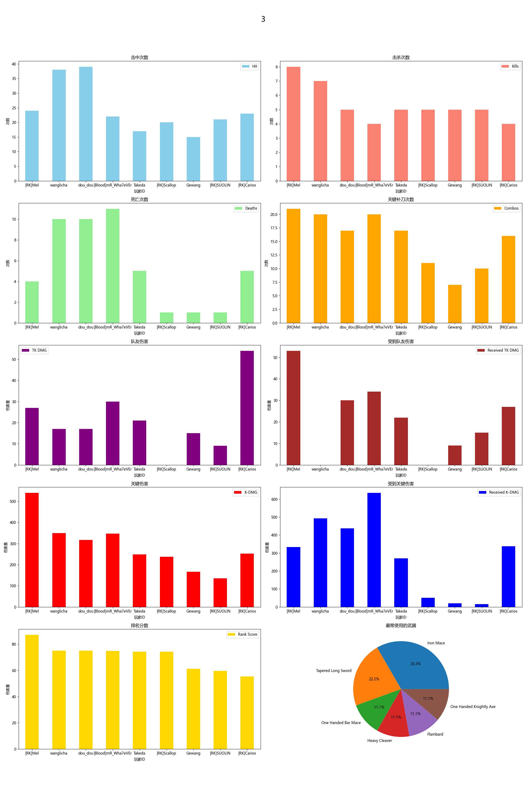
Player ID | Rank Score | Hit | DMG | Most Used Weapon | Combos | Kills | Deaths | TK DMG | Received TK DMG | Kill/Death Ratio | Combo/Hits Ratio | Received Combos | K-DMG | K-DMG/DMG | K-DMG/Combos | Received K-DMG | Received K-DMG/Combos | Team Hits | TK Kills
[RK]Mel | 87.13 | 24 | 769.00 | One Handed Bar Mace | 21 | 8 | 4 | 27.00 | 53.00 | 2.00 | 0.88 | 10 | 540.00 | 0.70 | 25.71 | 333.00 | 33.30 | 1 | 0
wanglicha | 75.12 | 38 | 813.00 | Iron Mace | 20 | 7 | 10 | 17.00 | 0.00 | 0.70 | 0.53 | 17 | 350.00 | 0.43 | 17.50 | 493.00 | 29.00 | 1 | 0
dou_dou | 75.09 | 39 | 807.00 | Heavy Cleaver | 17 | 5 | 10 | 17.00 | 30.00 | 0.50 | 0.44 | 18 | 317.00 | 0.39 | 18.65 | 437.00 | 24.28 | 1 | 0
[Blood]mR_Wha7eVEr | 74.87 | 22 | 480.00 | Flambard | 20 | 4 | 11 | 30.00 | 34.00 | 0.36 | 0.91 | 20 | 347.00 | 0.72 | 17.35 | 635.00 | 31.75 | 2 | 0
Takeda | 74.26 | 17 | 364.00 | Iron Mace | 17 | 5 | 5 | 21.00 | 22.00 | 1.00 | 1.00 | 12 | 248.00 | 0.68 | 14.59 | 271.00 | 22.58 | 1 | 0
[RK]Scallop | 74.20 | 20 | 523.00 | Iron Mace | 11 | 5 | 1 | 0.00 | 0.00 | 5.00 | 0.55 | 3 | 237.00 | 0.45 | 21.55 | 50.00 | 16.67 | 0 | 0
Gewang | 61.15 | 15 | 394.00 | One Handed Knightly Axe | 7 | 5 | 1 | 15.00 | 9.00 | 5.00 | 0.47 | 1 | 166.00 | 0.42 | 23.71 | 20.00 | 20.00 | 1 | 0
[RK]SUOLIN | 59.58 | 21 | 473.00 | Tapered Long Sword | 10 | 5 | 1 | 9.00 | 15.00 | 5.00 | 0.48 | 1 | 135.00 | 0.29 | 13.50 | 15.00 | 15.00 | 1 | 0
[RK]Carios | 55.31 | 23 | 537.00 | Tapered Long Sword | 16 | 4 | 5 | 54.00 | 27.00 | 0.80 | 0.70 | 12 | 252.00 | 0.47 | 15.75 | 338.00 | 28.17 | 4 | 1

4
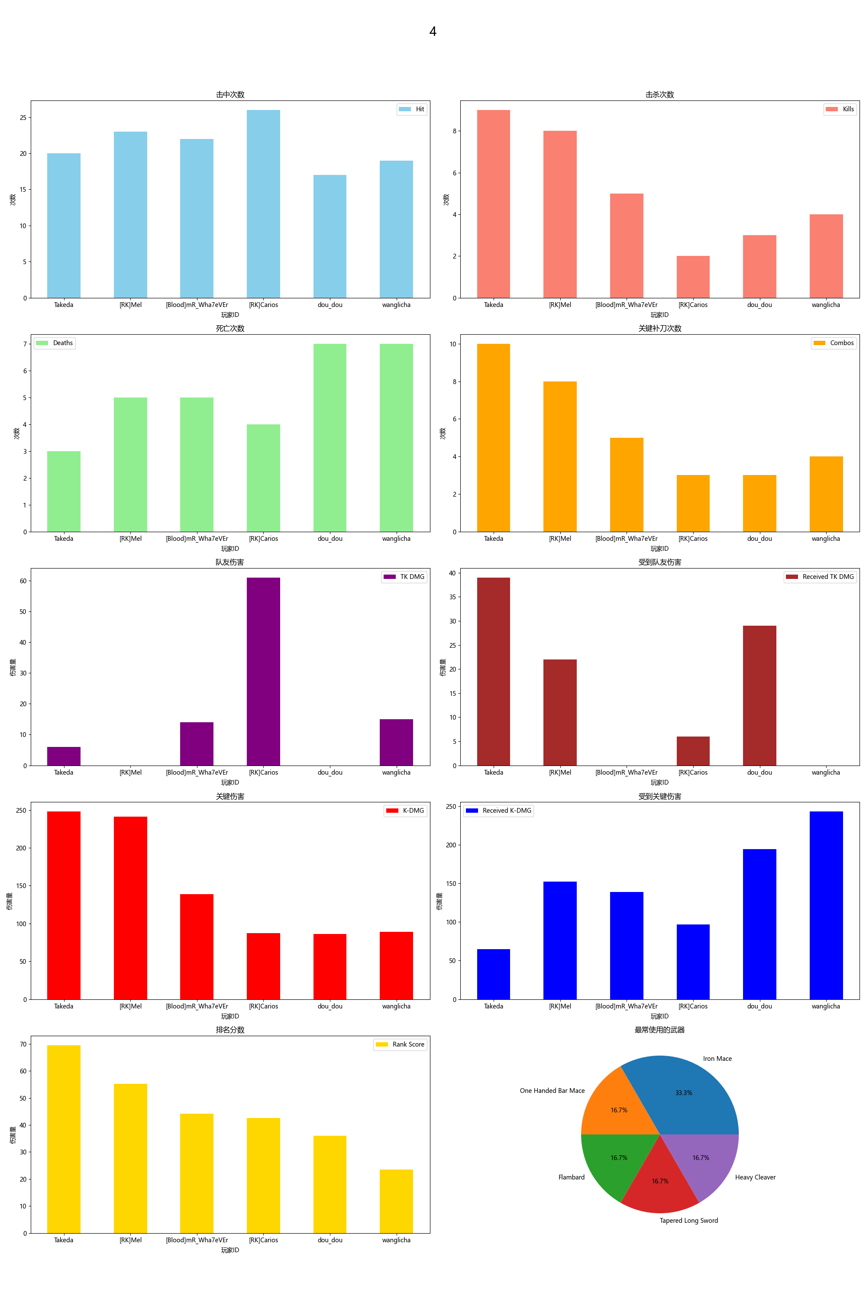
Player ID | Rank Score | Hit | DMG | Most Used Weapon | Combos | Kills | Deaths | TK DMG | Received TK DMG | Kill/Death Ratio | Combo/Hits Ratio | Received Combos | K-DMG | K-DMG/DMG | K-DMG/Combos | Received K-DMG | Received K-DMG/Combos | Team Hits | TK Kills
Takeda | 69.47 | 20 | 471.00 | Iron Mace | 10 | 9 | 3 | 6.00 | 39.00 | 3.00 | 0.50 | 3 | 248.00 | 0.53 | 24.80 | 65.00 | 21.67 | 1 | 0
[RK]Mel | 55.26 | 23 | 652.00 | One Handed Bar Mace | 8 | 8 | 5 | 0.00 | 22.00 | 1.60 | 0.35 | 5 | 241.00 | 0.37 | 30.13 | 152.00 | 30.40 | 0 | 0
[Blood]mR_Wha7eVEr | 44.21 | 22 | 493.00 | Flambard | 5 | 5 | 5 | 14.00 | 0.00 | 1.00 | 0.23 | 5 | 139.00 | 0.28 | 27.80 | 139.00 | 27.80 | 1 | 0
[RK]Carios | 42.49 | 26 | 554.00 | Tapered Long Sword | 3 | 2 | 4 | 61.00 | 6.00 | 0.50 | 0.12 | 4 | 87.00 | 0.16 | 29.00 | 97.00 | 24.25 | 4 | 0
dou_dou | 36.00 | 17 | 438.00 | Heavy Cleaver | 3 | 3 | 7 | 0.00 | 29.00 | 0.43 | 0.18 | 8 | 86.00 | 0.20 | 28.67 | 194.00 | 24.25 | 0 | 0
wanglicha | 23.47 | 19 | 455.00 | Iron Mace | 4 | 4 | 7 | 15.00 | 0.00 | 0.57 | 0.21 | 7 | 89.00 | 0.20 | 22.25 | 243.00 | 34.71 | 1 | 0

