6
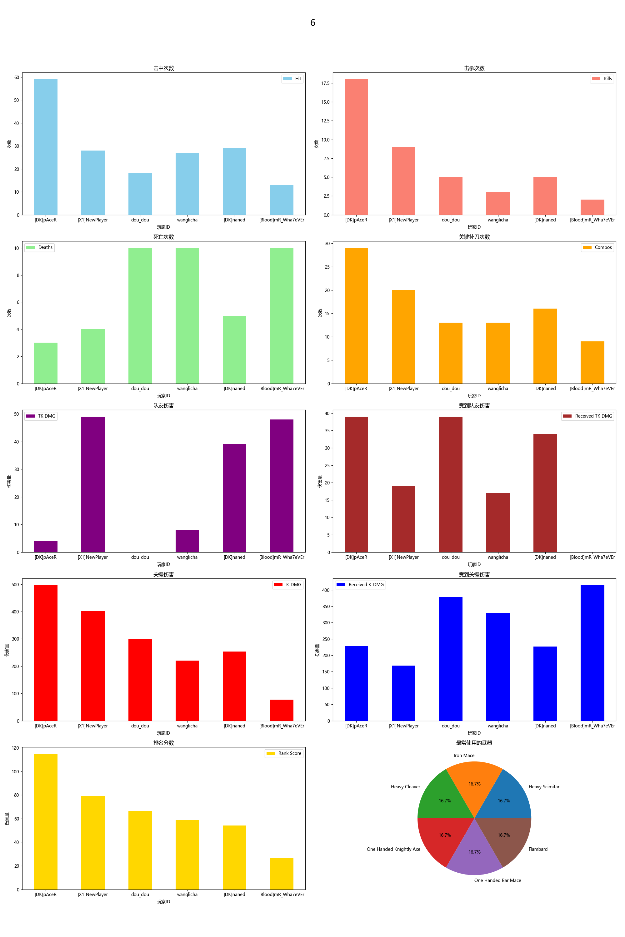
Player ID | Rank Score | Hit | DMG | Most Used Weapon | Combos | Kills | Deaths | TK DMG | Received TK DMG | Kill/Death Ratio | Combo/Hits Ratio | Received Combos | K-DMG | K-DMG/DMG | K-DMG/Combos | Received K-DMG | Received K-DMG/Combos | Team Hits | TK Kills
[DK]pAceR | 114.72 | 59 | 1160.00 | Heavy Scimitar | 29 | 18 | 3 | 4.00 | 39.00 | 6.00 | 0.49 | 8 | 496.00 | 0.43 | 17.10 | 229.00 | 28.63 | 1 | 0
[X1]NewPlayer | 79.23 | 28 | 729.00 | Iron Mace | 20 | 9 | 4 | 49.00 | 19.00 | 2.25 | 0.71 | 7 | 401.00 | 0.55 | 20.05 | 169.00 | 24.14 | 3 | 1
dou_dou | 66.33 | 18 | 529.00 | Heavy Cleaver | 13 | 5 | 10 | 0.00 | 39.00 | 0.50 | 0.72 | 15 | 299.00 | 0.57 | 23.00 | 378.00 | 25.20 | 0 | 0
wanglicha | 58.92 | 27 | 611.00 | One Handed Knightly Axe | 13 | 3 | 10 | 8.00 | 17.00 | 0.30 | 0.48 | 15 | 220.00 | 0.36 | 16.92 | 329.00 | 21.93 | 1 | 0
[DK]naned | 54.01 | 29 | 721.00 | One Handed Bar Mace | 16 | 5 | 5 | 39.00 | 34.00 | 1.00 | 0.55 | 8 | 253.00 | 0.35 | 15.81 | 227.00 | 28.38 | 2 | 1
[Blood]mR_Wha7eVEr | 26.65 | 13 | 312.00 | Flambard | 9 | 2 | 10 | 48.00 | 0.00 | 0.20 | 0.69 | 15 | 77.00 | 0.25 | 8.56 | 414.00 | 27.60 | 4 | 0

1
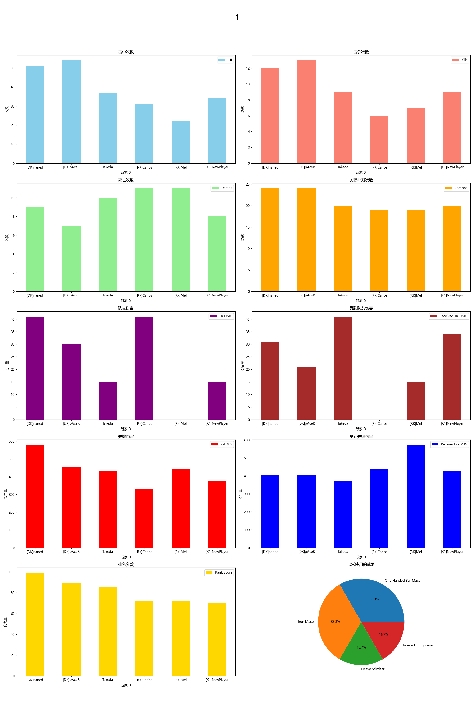
Player ID | Rank Score | Hit | DMG | Most Used Weapon | Combos | Kills | Deaths | TK DMG | Received TK DMG | Kill/Death Ratio | Combo/Hits Ratio | Received Combos | K-DMG | K-DMG/DMG | K-DMG/Combos | Received K-DMG | Received K-DMG/Combos | Team Hits | TK Kills
[DK]naned | 99.06 | 51 | 1373.00 | One Handed Bar Mace | 24 | 12 | 9 | 41.00 | 31.00 | 1.33 | 0.47 | 14 | 580.00 | 0.42 | 24.17 | 406.00 | 29.00 | 2 | 0
[DK]pAceR | 89.11 | 54 | 1139.00 | Heavy Scimitar | 24 | 13 | 7 | 30.00 | 21.00 | 1.86 | 0.44 | 13 | 457.00 | 0.40 | 19.04 | 404.00 | 31.08 | 2 | 1
Takeda | 85.73 | 37 | 944.00 | Iron Mace | 20 | 9 | 10 | 15.00 | 41.00 | 0.90 | 0.54 | 16 | 431.00 | 0.46 | 21.55 | 372.00 | 23.25 | 1 | 0
[RK]Carios | 72.20 | 31 | 749.00 | Tapered Long Sword | 19 | 6 | 11 | 41.00 | 0.00 | 0.55 | 0.61 | 17 | 331.00 | 0.44 | 17.42 | 437.00 | 25.71 | 3 | 0
[RK]Mel | 72.03 | 22 | 710.00 | One Handed Bar Mace | 19 | 7 | 11 | 0.00 | 15.00 | 0.64 | 0.86 | 16 | 443.00 | 0.62 | 23.32 | 573.00 | 35.81 | 0 | 0
[X1]NewPlayer | 70.08 | 34 | 883.00 | Iron Mace | 20 | 9 | 8 | 15.00 | 34.00 | 1.13 | 0.59 | 15 | 376.00 | 0.43 | 18.80 | 426.00 | 28.40 | 1 | 1

2
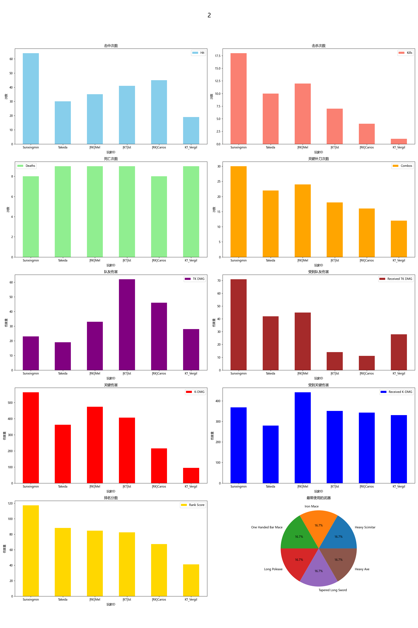
Player ID | Rank Score | Hit | DMG | Most Used Weapon | Combos | Kills | Deaths | TK DMG | Received TK DMG | Kill/Death Ratio | Combo/Hits Ratio | Received Combos | K-DMG | K-DMG/DMG | K-DMG/Combos | Received K-DMG | Received K-DMG/Combos | Team Hits | TK Kills
Sunxingmin | 117.18 | 64 | 1287.00 | Heavy Scimitar | 30 | 18 | 8 | 23.00 | 71.00 | 2.25 | 0.47 | 14 | 564.00 | 0.44 | 18.80 | 369.00 | 26.36 | 2 | 0
Takeda | 87.98 | 30 | 654.00 | Iron Mace | 22 | 10 | 9 | 19.00 | 42.00 | 1.11 | 0.73 | 15 | 362.00 | 0.55 | 16.45 | 280.00 | 18.67 | 1 | 0
[RK]Mel | 84.35 | 35 | 905.00 | One Handed Bar Mace | 24 | 12 | 9 | 33.00 | 45.00 | 1.33 | 0.69 | 14 | 474.00 | 0.52 | 19.75 | 442.00 | 31.57 | 2 | 0
[KT]lst | 82.39 | 41 | 1138.00 | Long Poleaxe | 18 | 7 | 9 | 62.00 | 14.00 | 0.78 | 0.44 | 15 | 407.00 | 0.36 | 22.61 | 351.00 | 23.40 | 4 | 0
[RK]Carios | 67.23 | 45 | 847.00 | Tapered Long Sword | 16 | 4 | 8 | 46.00 | 11.00 | 0.50 | 0.36 | 14 | 215.00 | 0.25 | 13.44 | 343.00 | 24.50 | 5 | 0
KT_Vergil | 40.92 | 19 | 311.00 | Heavy Axe | 12 | 1 | 9 | 28.00 | 28.00 | 0.11 | 0.63 | 15 | 94.00 | 0.30 | 7.83 | 331.00 | 22.07 | 2 | 0

Match 4
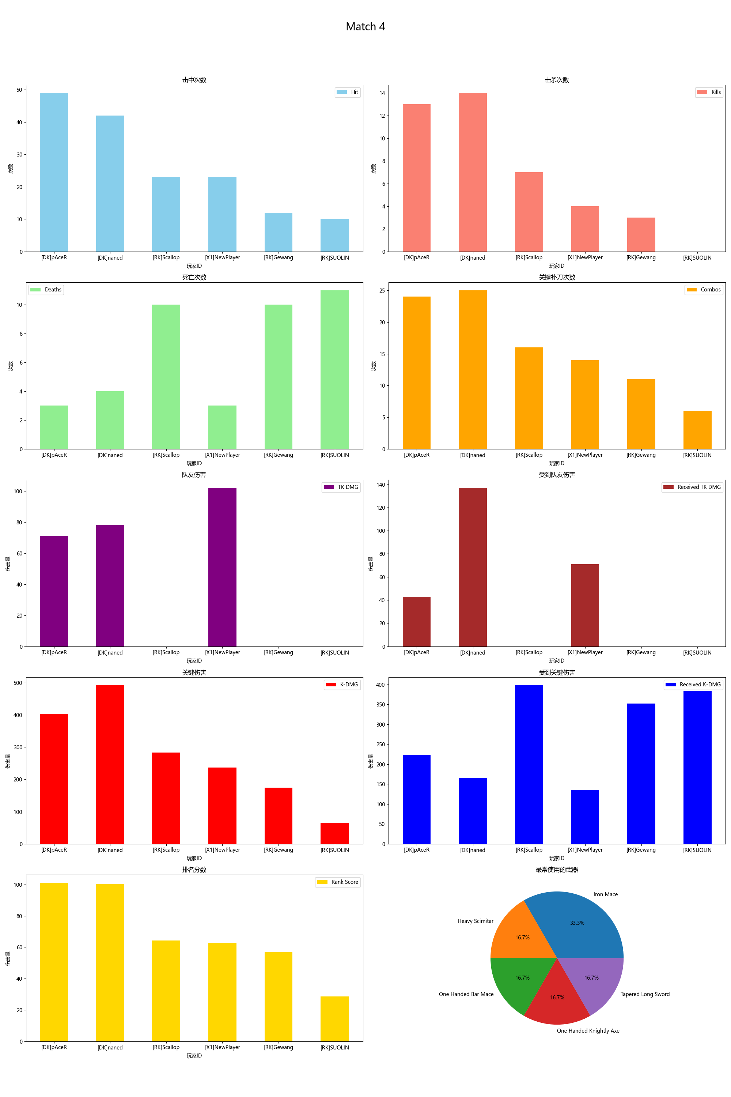
Player ID | Rank Score | Hit | DMG | Most Used Weapon | Combos | Kills | Deaths | TK DMG | Received TK DMG | Kill/Death Ratio | Combo/Hits Ratio | Received Combos | K-DMG | K-DMG/DMG | K-DMG/Combos | Received K-DMG | Received K-DMG/Combos | Team Hits | TK Kills
[DK]pAceR | 101.15 | 49 | 875.00 | Heavy Scimitar | 24 | 13 | 3 | 71.00 | 43.00 | 4.33 | 0.49 | 9 | 404.00 | 0.46 | 16.83 | 223.00 | 24.78 | 4 | 0
[DK]naned | 100.12 | 42 | 1062.00 | One Handed Bar Mace | 25 | 14 | 4 | 78.00 | 137.00 | 3.50 | 0.60 | 7 | 492.00 | 0.46 | 19.68 | 165.00 | 23.57 | 5 | 0
[RK]Scallop | 64.26 | 23 | 586.00 | Iron Mace | 16 | 7 | 10 | 0.00 | 0.00 | 0.70 | 0.70 | 15 | 283.00 | 0.48 | 17.69 | 398.00 | 26.53 | 0 | 0
[X1]NewPlayer | 62.95 | 23 | 546.00 | Iron Mace | 14 | 4 | 3 | 102.00 | 71.00 | 1.33 | 0.61 | 6 | 237.00 | 0.43 | 16.93 | 135.00 | 22.50 | 5 | 0
[RK]Gewang | 56.84 | 12 | 317.00 | One Handed Knightly Axe | 11 | 3 | 10 | 0.00 | 0.00 | 0.30 | 0.92 | 16 | 174.00 | 0.55 | 15.82 | 352.00 | 22.00 | 0 | 0
[RK]SUOLIN | 28.62 | 10 | 187.00 | Tapered Long Sword | 6 | 0 | 11 | 0.00 | 0.00 | 0.00 | 0.60 | 16 | 66.00 | 0.35 | 11.00 | 383.00 | 23.94 | 0 | 0

Match 5
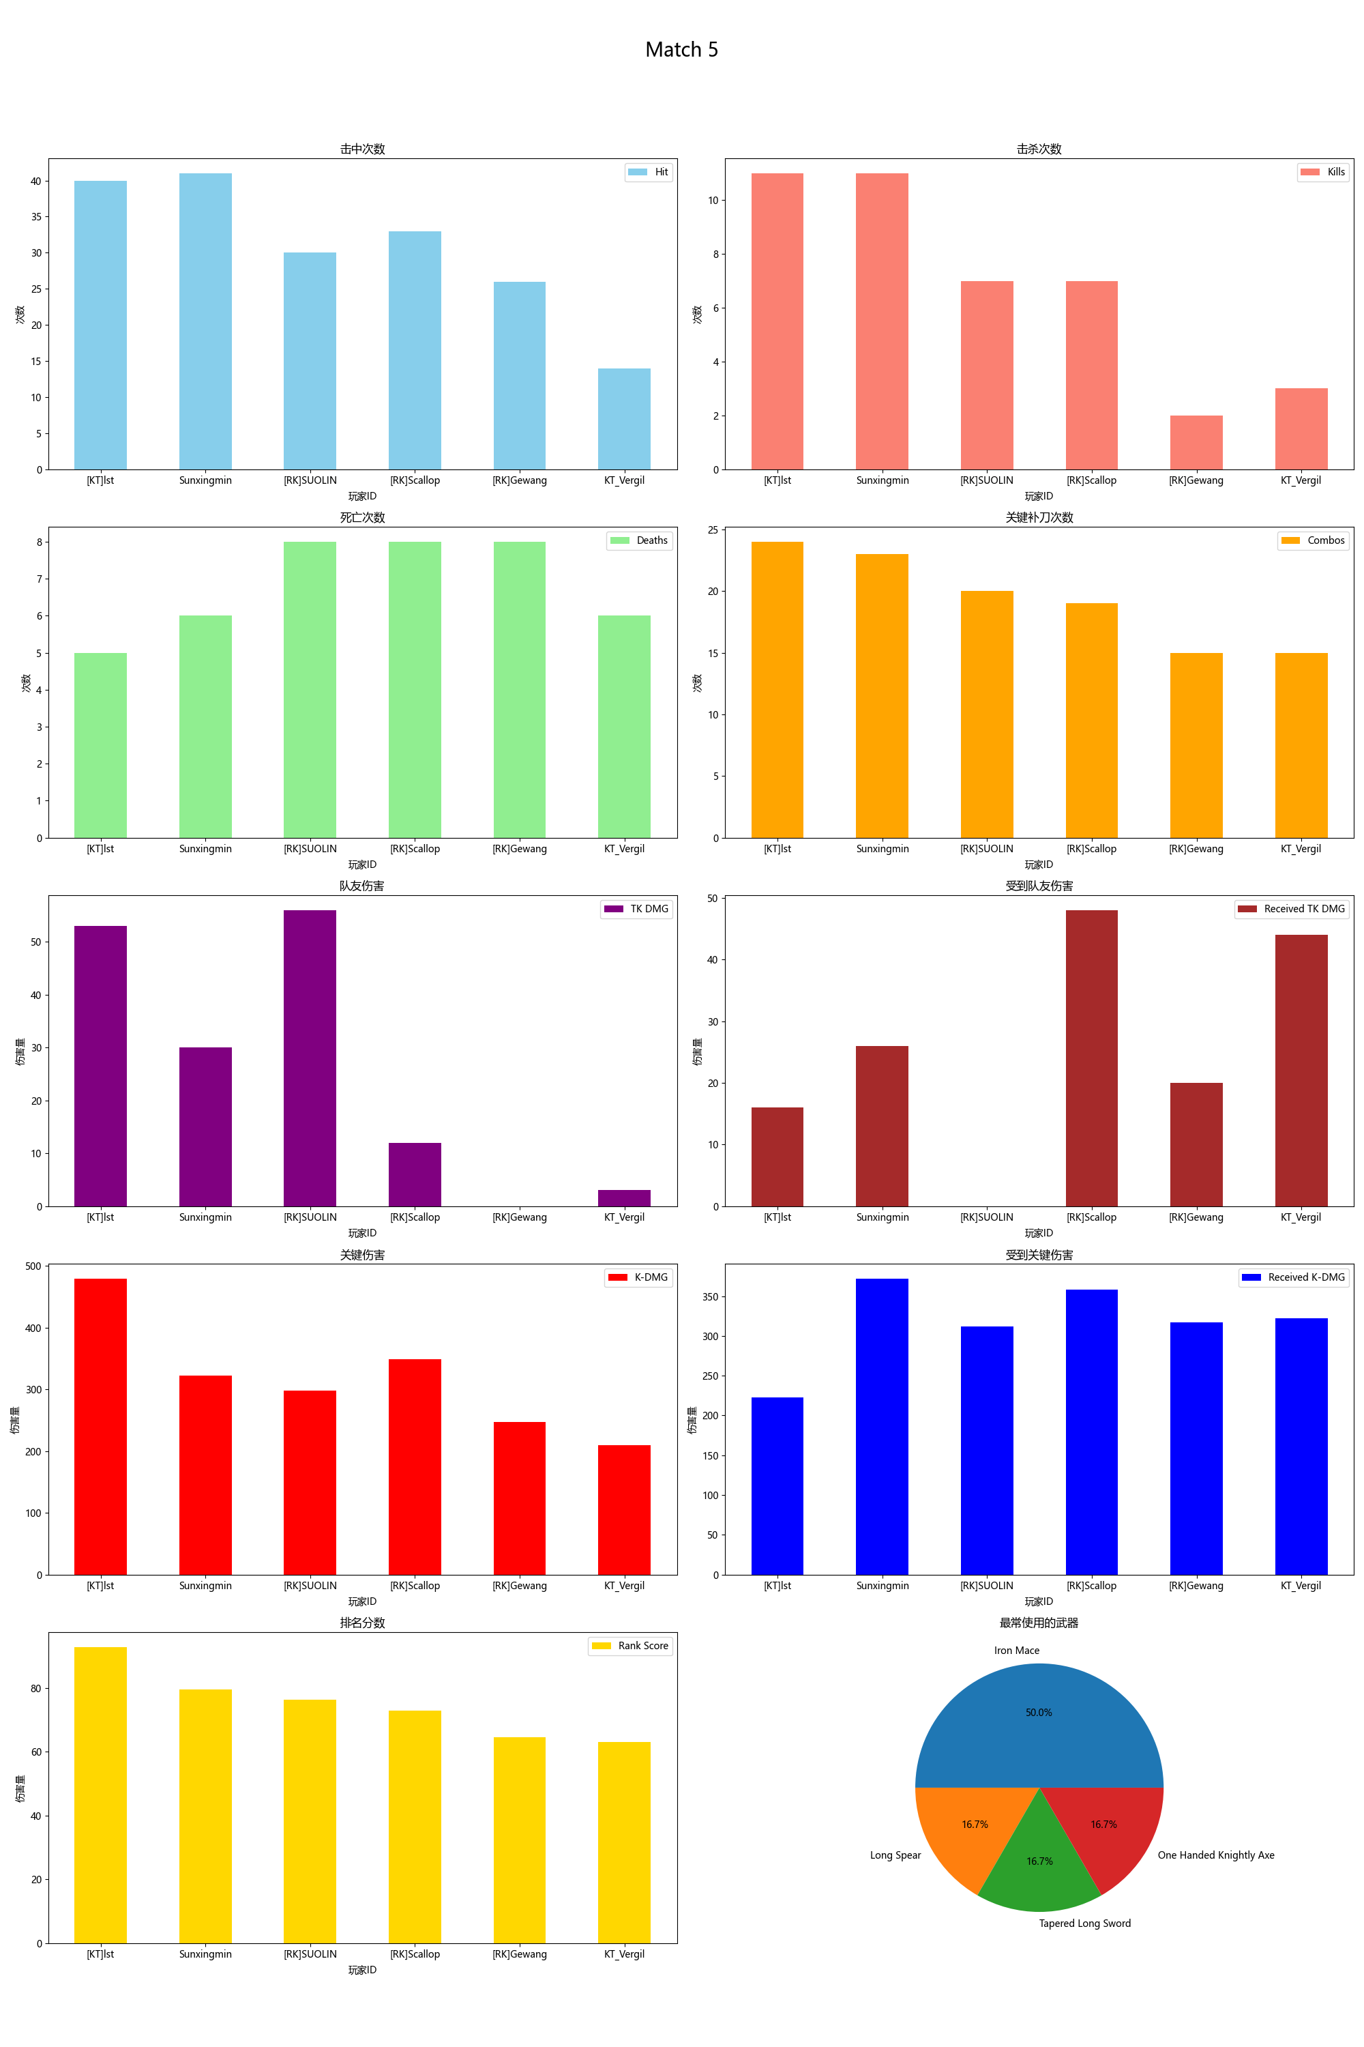
Player ID | Rank Score | Hit | DMG | Most Used Weapon | Combos | Kills | Deaths | TK DMG | Received TK DMG | Kill/Death Ratio | Combo/Hits Ratio | Received Combos | K-DMG | K-DMG/DMG | K-DMG/Combos | Received K-DMG | Received K-DMG/Combos | Team Hits | TK Kills
[KT]lst | 92.87 | 40 | 1048.00 | Iron Mace | 24 | 11 | 5 | 53.00 | 16.00 | 2.20 | 0.60 | 11 | 479.00 | 0.46 | 19.96 | 223.00 | 20.27 | 3 | 1
Sunxingmin | 79.61 | 41 | 801.00 | Long Spear | 23 | 11 | 6 | 30.00 | 26.00 | 1.83 | 0.56 | 13 | 322.00 | 0.40 | 14.00 | 372.00 | 28.62 | 2 | 0
[RK]SUOLIN | 76.40 | 30 | 661.00 | Tapered Long Sword | 20 | 7 | 8 | 56.00 | 0.00 | 0.88 | 0.67 | 15 | 298.00 | 0.45 | 14.90 | 312.00 | 20.80 | 4 | 0
[RK]Scallop | 72.90 | 33 | 913.00 | Iron Mace | 19 | 7 | 8 | 12.00 | 48.00 | 0.88 | 0.58 | 14 | 349.00 | 0.38 | 18.37 | 358.00 | 25.57 | 1 | 0
[RK]Gewang | 64.57 | 26 | 583.00 | One Handed Knightly Axe | 15 | 2 | 8 | 0.00 | 20.00 | 0.25 | 0.58 | 15 | 247.00 | 0.42 | 16.47 | 317.00 | 21.13 | 0 | 0
KT_Vergil | 63.20 | 14 | 356.00 | Iron Mace | 15 | 3 | 6 | 3.00 | 44.00 | 0.50 | 1.07 | 13 | 209.00 | 0.59 | 13.93 | 322.00 | 24.77 | 1 | 0

Match 6
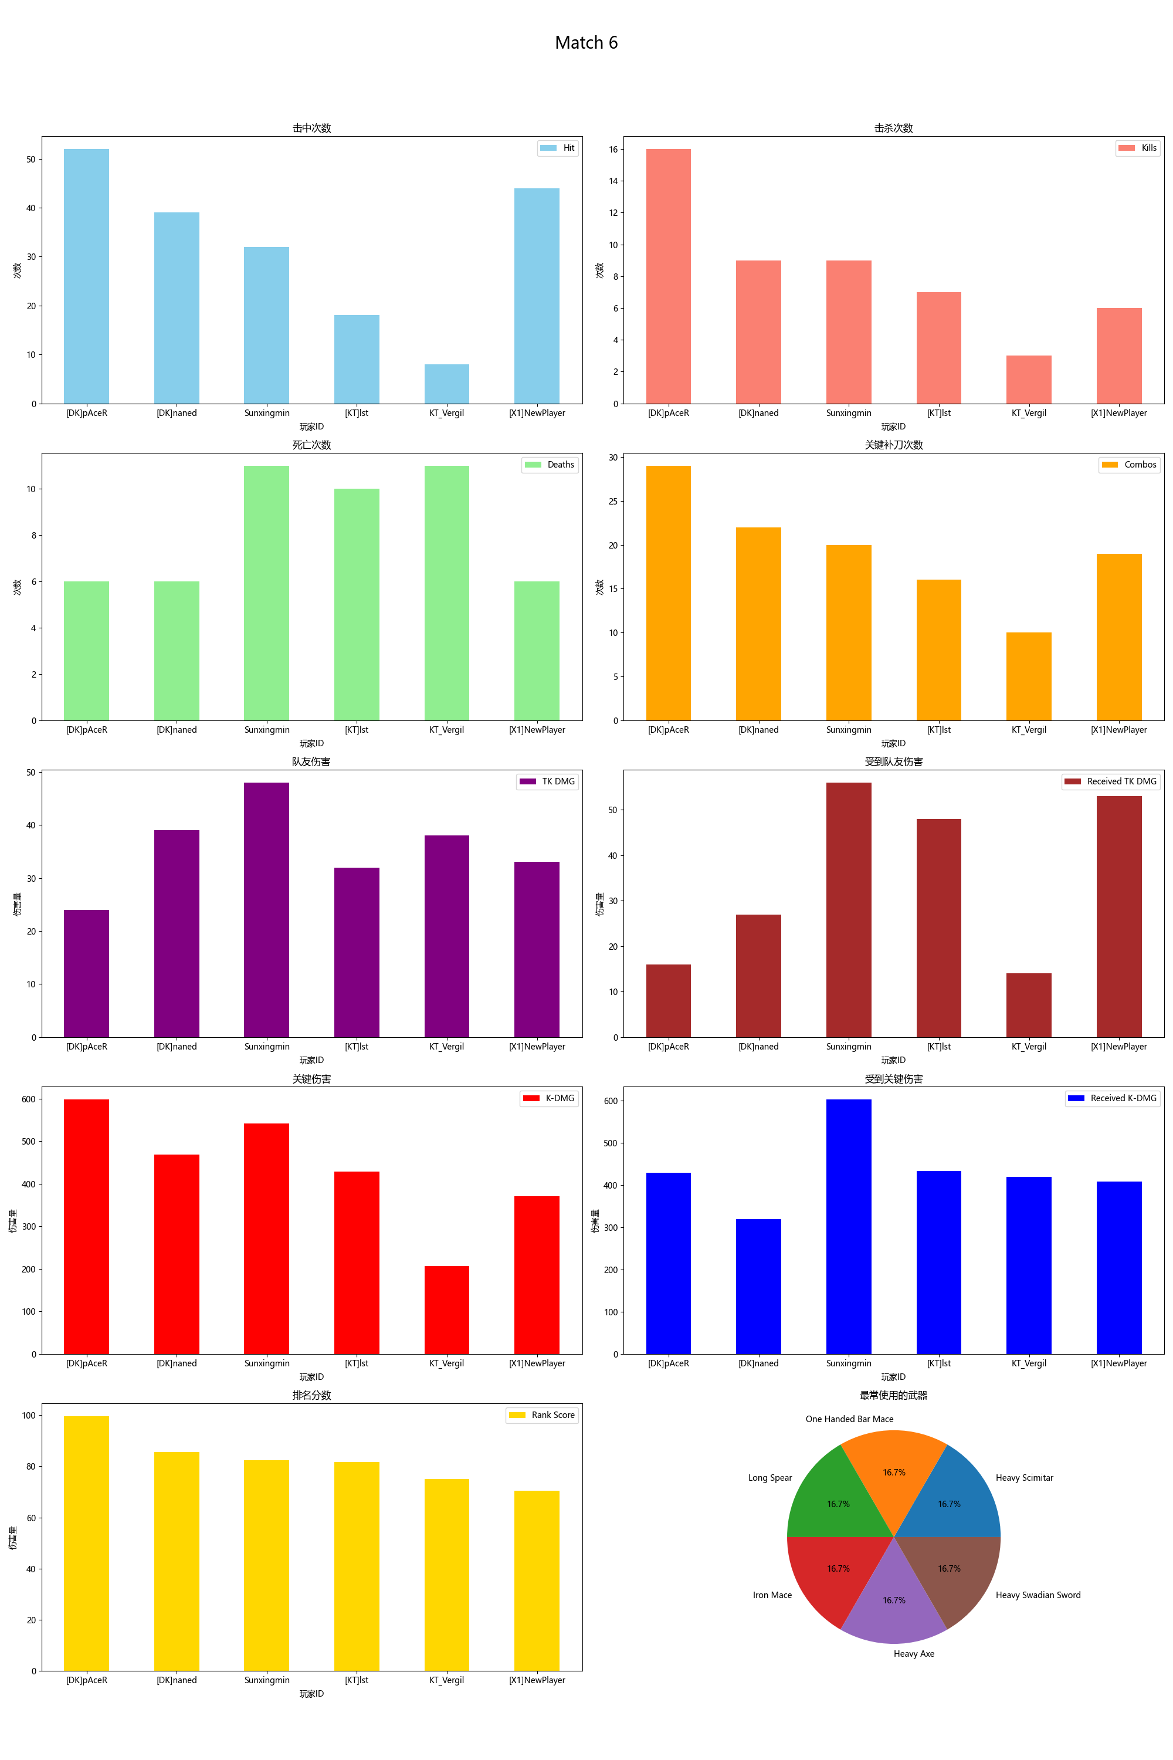
Player ID | Rank Score | Hit | DMG | Most Used Weapon | Combos | Kills | Deaths | TK DMG | Received TK DMG | Kill/Death Ratio | Combo/Hits Ratio | Received Combos | K-DMG | K-DMG/DMG | K-DMG/Combos | Received K-DMG | Received K-DMG/Combos | Team Hits | TK Kills
[DK]pAceR | 99.64 | 52 | 1169.00 | Heavy Scimitar | 29 | 16 | 6 | 24.00 | 16.00 | 2.67 | 0.56 | 11 | 598.00 | 0.51 | 20.62 | 429.00 | 39.00 | 2 | 0
[DK]naned | 85.69 | 39 | 1025.00 | One Handed Bar Mace | 22 | 9 | 6 | 39.00 | 27.00 | 1.50 | 0.56 | 11 | 469.00 | 0.46 | 21.32 | 319.00 | 29.00 | 2 | 0
Sunxingmin | 82.34 | 32 | 964.00 | Long Spear | 20 | 9 | 11 | 48.00 | 56.00 | 0.82 | 0.63 | 18 | 541.00 | 0.56 | 27.05 | 603.00 | 33.50 | 2 | 0
[KT]lst | 81.76 | 18 | 618.00 | Iron Mace | 16 | 7 | 10 | 32.00 | 48.00 | 0.70 | 0.89 | 17 | 428.00 | 0.69 | 26.75 | 434.00 | 25.53 | 2 | 0
KT_Vergil | 74.98 | 8 | 203.00 | Heavy Axe | 10 | 3 | 11 | 38.00 | 14.00 | 0.27 | 1.25 | 18 | 206.00 | 1.01 | 20.60 | 420.00 | 23.33 | 2 | 1
[X1]NewPlayer | 70.49 | 44 | 1011.00 | Heavy Swadian Sword | 19 | 6 | 6 | 33.00 | 53.00 | 1.00 | 0.43 | 11 | 371.00 | 0.37 | 19.53 | 408.00 | 37.09 | 2 | 0

