Match 1
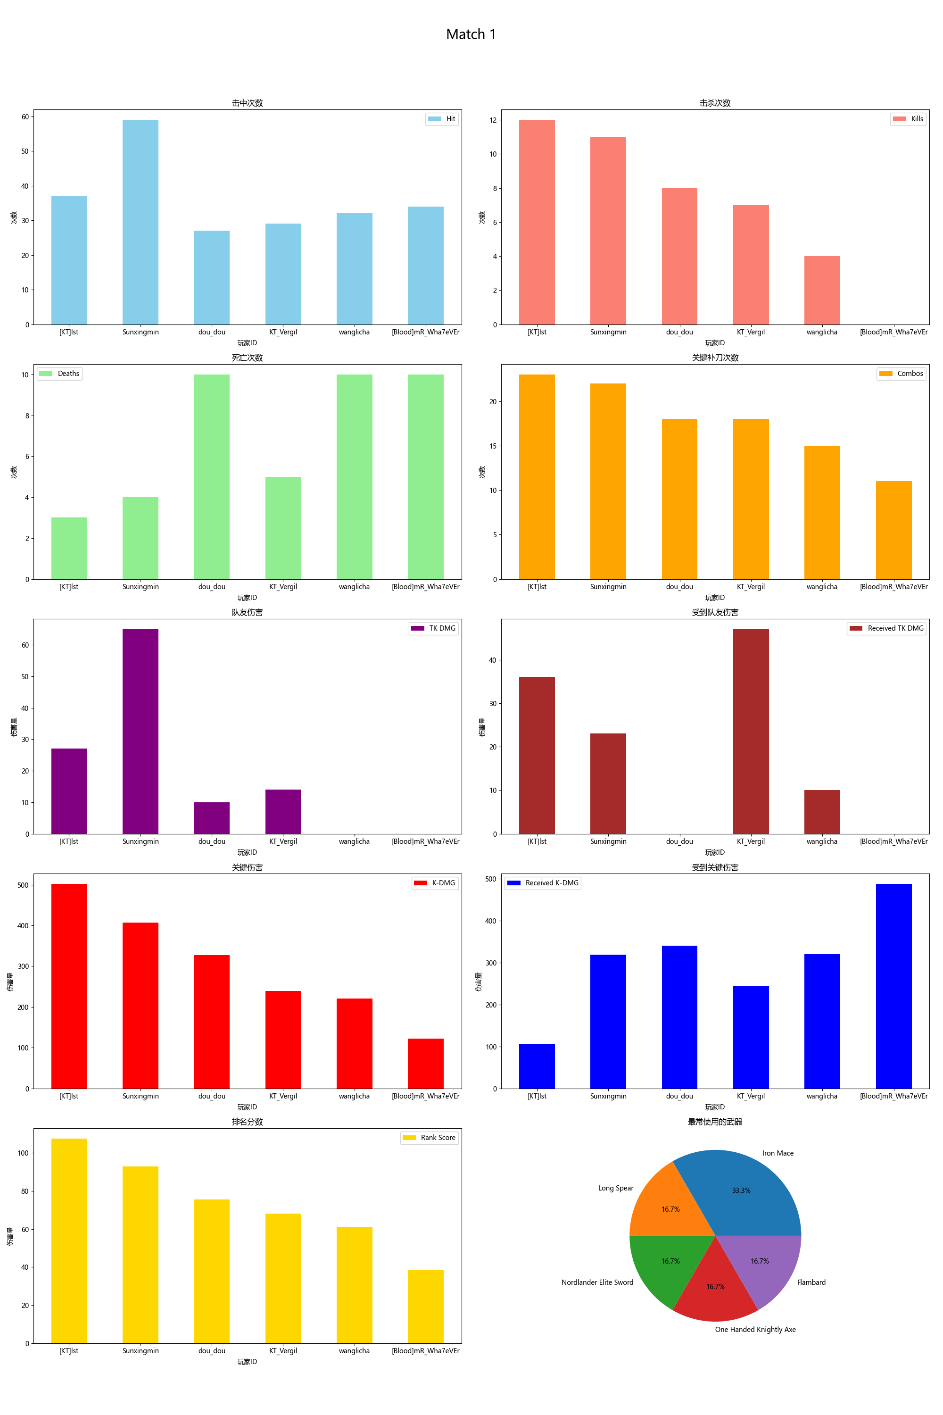
Player ID | Rank Score | Hit | DMG | Most Used Weapon | Combos | Kills | Deaths | TK DMG | Received TK DMG | Kill/Death Ratio | Combo/Hits Ratio | Received Combos | K-DMG | K-DMG/DMG | K-DMG/Combos | Received K-DMG | Received K-DMG/Combos | Team Hits | TK Kills
[KT]lst | 107.48 | 37 | 953.00 | Iron Mace | 23 | 12 | 3 | 27.00 | 36.00 | 4.00 | 0.62 | 7 | 502.00 | 0.53 | 21.83 | 107.00 | 15.29 | 3 | 0
Sunxingmin | 92.82 | 59 | 1259.00 | Long Spear | 22 | 11 | 4 | 65.00 | 23.00 | 2.75 | 0.37 | 10 | 407.00 | 0.32 | 18.50 | 319.00 | 31.90 | 4 | 0
dou_dou | 75.54 | 27 | 630.00 | Iron Mace | 18 | 8 | 10 | 10.00 | 0.00 | 0.80 | 0.67 | 15 | 327.00 | 0.52 | 18.17 | 340.00 | 22.67 | 1 | 0
KT_Vergil | 68.17 | 29 | 534.00 | Nordlander Elite Sword | 18 | 7 | 5 | 14.00 | 47.00 | 1.40 | 0.62 | 10 | 239.00 | 0.45 | 13.28 | 244.00 | 24.40 | 1 | 0
wanglicha | 61.18 | 32 | 686.00 | One Handed Knightly Axe | 15 | 4 | 10 | 0.00 | 10.00 | 0.40 | 0.47 | 14 | 221.00 | 0.32 | 14.73 | 320.00 | 22.86 | 0 | 0
[Blood]mR_Wha7eVEr | 38.32 | 34 | 714.00 | Flambard | 11 | 0 | 10 | 0.00 | 0.00 | 0.00 | 0.32 | 16 | 122.00 | 0.17 | 11.09 | 488.00 | 30.50 | 0 | 0

