Match 1
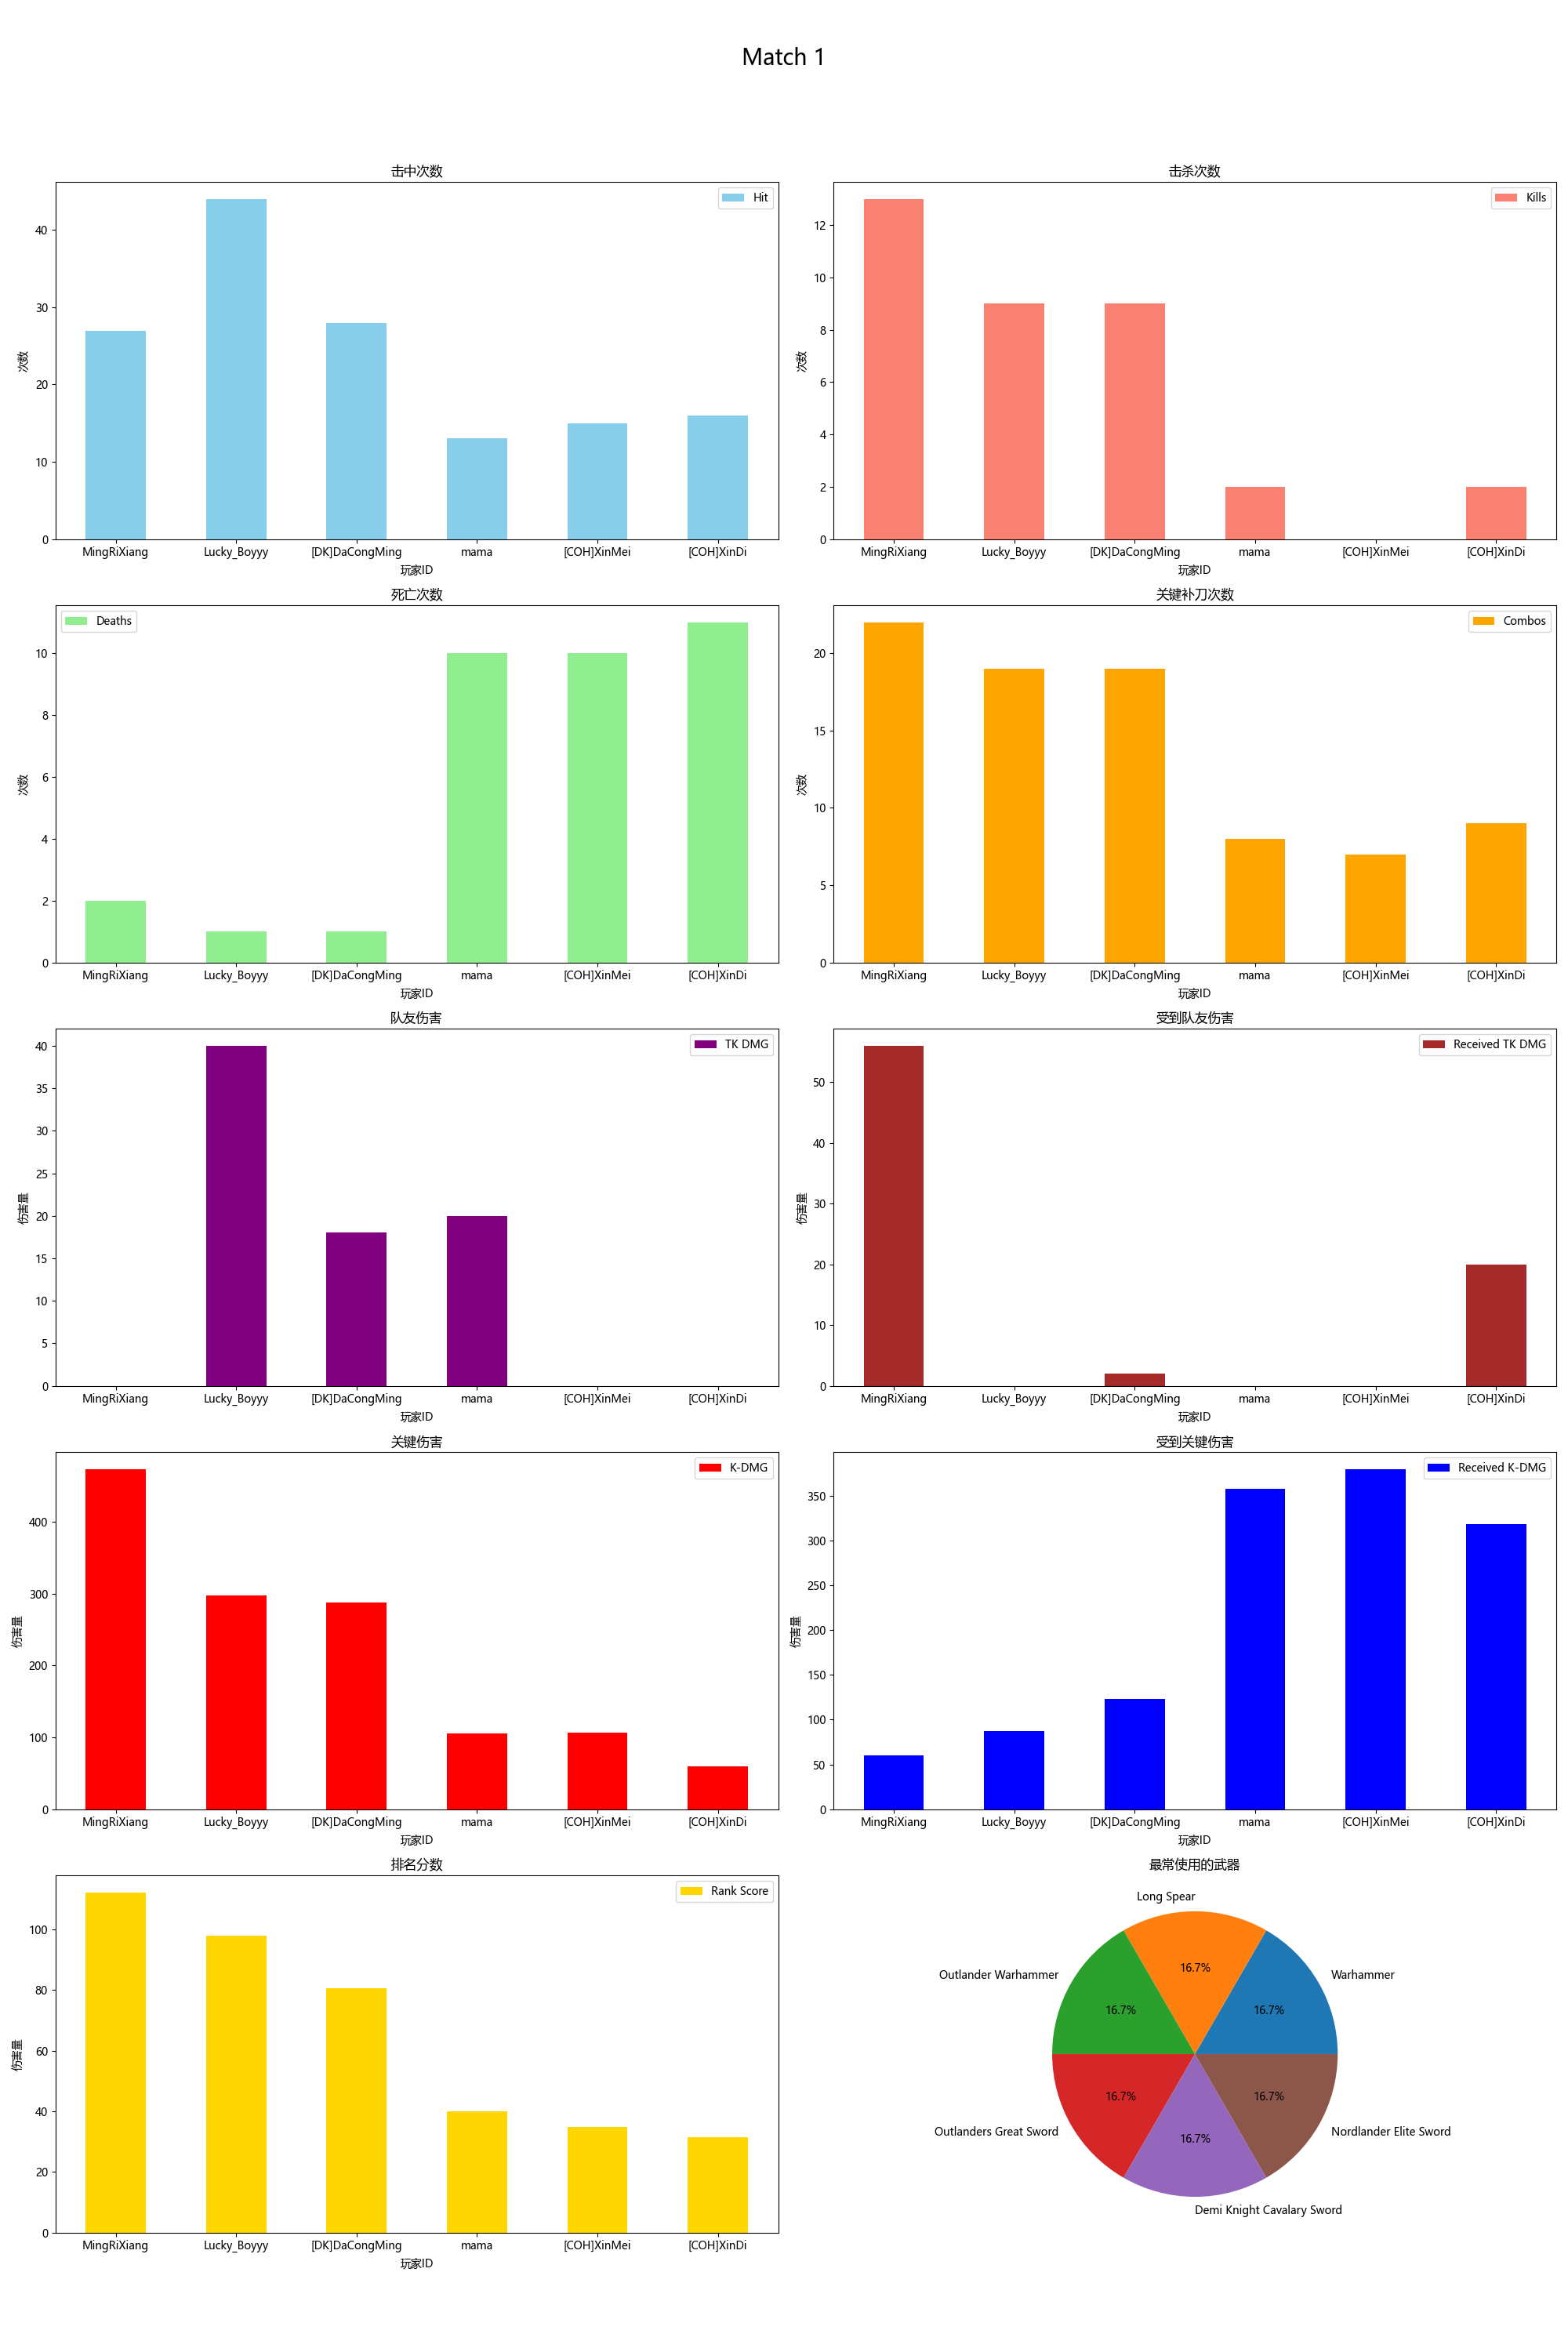
Player ID | Rank Score | Hit | DMG | Most Used Weapon | Combos | Kills | Deaths | TK DMG | Received TK DMG | Kill/Death Ratio | Combo/Hits Ratio | Received Combos | K-DMG | K-DMG/DMG | K-DMG/Combos | Received K-DMG | Received K-DMG/Combos | Team Hits | TK Kills
MingRiXiang | 112.21 | 27 | 673.00 | Warhammer | 22 | 13 | 2 | 0.00 | 56.00 | 6.50 | 0.81 | 4 | 473.00 | 0.70 | 21.50 | 60.00 | 15.00 | 0 | 0
Lucky_Boyyy | 98.05 | 44 | 1063.00 | Long Spear | 19 | 9 | 1 | 40.00 | 0.00 | 9.00 | 0.43 | 5 | 297.00 | 0.28 | 15.63 | 87.00 | 17.40 | 3 | 0
[DK]DaCongMing | 80.56 | 28 | 633.00 | Outlander Warhammer | 19 | 9 | 1 | 18.00 | 2.00 | 9.00 | 0.68 | 4 | 287.00 | 0.45 | 15.11 | 123.00 | 30.75 | 1 | 0
mama | 40.01 | 13 | 216.00 | Outlanders Great Sword | 8 | 2 | 10 | 20.00 | 0.00 | 0.20 | 0.62 | 14 | 105.00 | 0.49 | 13.13 | 358.00 | 25.57 | 2 | 0
[COH]XinMei | 34.79 | 15 | 265.00 | Demi Knight Cavalary Sword | 7 | 0 | 10 | 0.00 | 0.00 | 0.00 | 0.47 | 14 | 106.00 | 0.40 | 15.14 | 380.00 | 27.14 | 0 | 0
[COH]XinDi | 31.57 | 16 | 262.00 | Nordlander Elite Sword | 9 | 2 | 11 | 0.00 | 20.00 | 0.18 | 0.56 | 16 | 59.00 | 0.23 | 6.56 | 319.00 | 19.94 | 0 | 0

Match 2
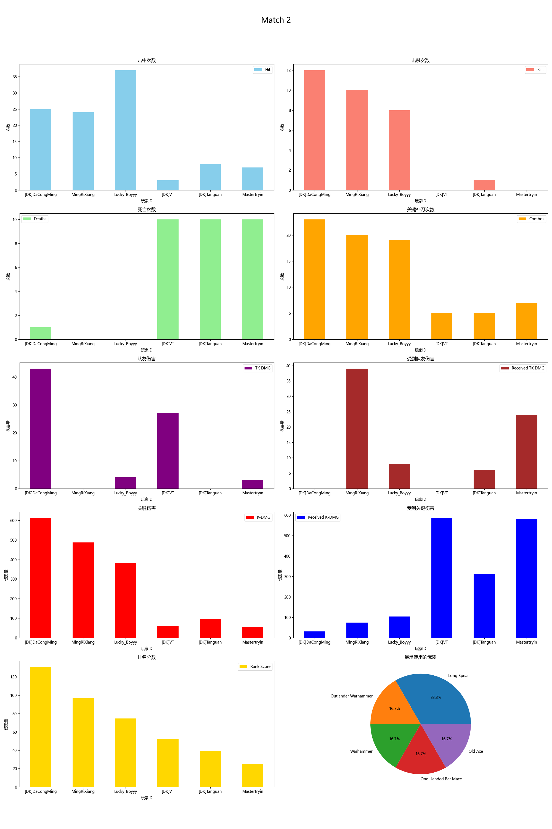
Player ID | Rank Score | Hit | DMG | Most Used Weapon | Combos | Kills | Deaths | TK DMG | Received TK DMG | Kill/Death Ratio | Combo/Hits Ratio | Received Combos | K-DMG | K-DMG/DMG | K-DMG/Combos | Received K-DMG | Received K-DMG/Combos | Team Hits | TK Kills
[DK]DaCongMing | 130.68 | 25 | 835.00 | Outlander Warhammer | 23 | 12 | 1 | 43.00 | 0.00 | 12.00 | 0.92 | 2 | 613.00 | 0.73 | 26.65 | 31.00 | 15.50 | 3 | 0
MingRiXiang | 96.55 | 24 | 637.00 | Warhammer | 20 | 10 | 0 | 0.00 | 39.00 | 0.00 | 0.83 | 4 | 487.00 | 0.76 | 24.35 | 74.00 | 18.50 | 0 | 0
Lucky_Boyyy | 74.49 | 37 | 1072.00 | Long Spear | 19 | 8 | 0 | 4.00 | 8.00 | 0.00 | 0.51 | 4 | 382.00 | 0.36 | 20.11 | 103.00 | 25.75 | 1 | 0
[DK]VT | 52.67 | 3 | 59.00 | Long Spear | 5 | 0 | 10 | 27.00 | 0.00 | 0.00 | 1.67 | 15 | 59.00 | 1.00 | 11.80 | 587.00 | 39.13 | 2 | 0
[DK]Tanguan | 39.34 | 8 | 234.00 | One Handed Bar Mace | 5 | 1 | 10 | 0.00 | 6.00 | 0.10 | 0.63 | 15 | 95.00 | 0.41 | 19.00 | 313.00 | 20.87 | 0 | 0
Mastertryin | 25.21 | 7 | 106.00 | Old Axe | 7 | 0 | 10 | 3.00 | 24.00 | 0.00 | 1.00 | 16 | 54.00 | 0.51 | 7.71 | 582.00 | 36.38 | 1 | 0

Match 3
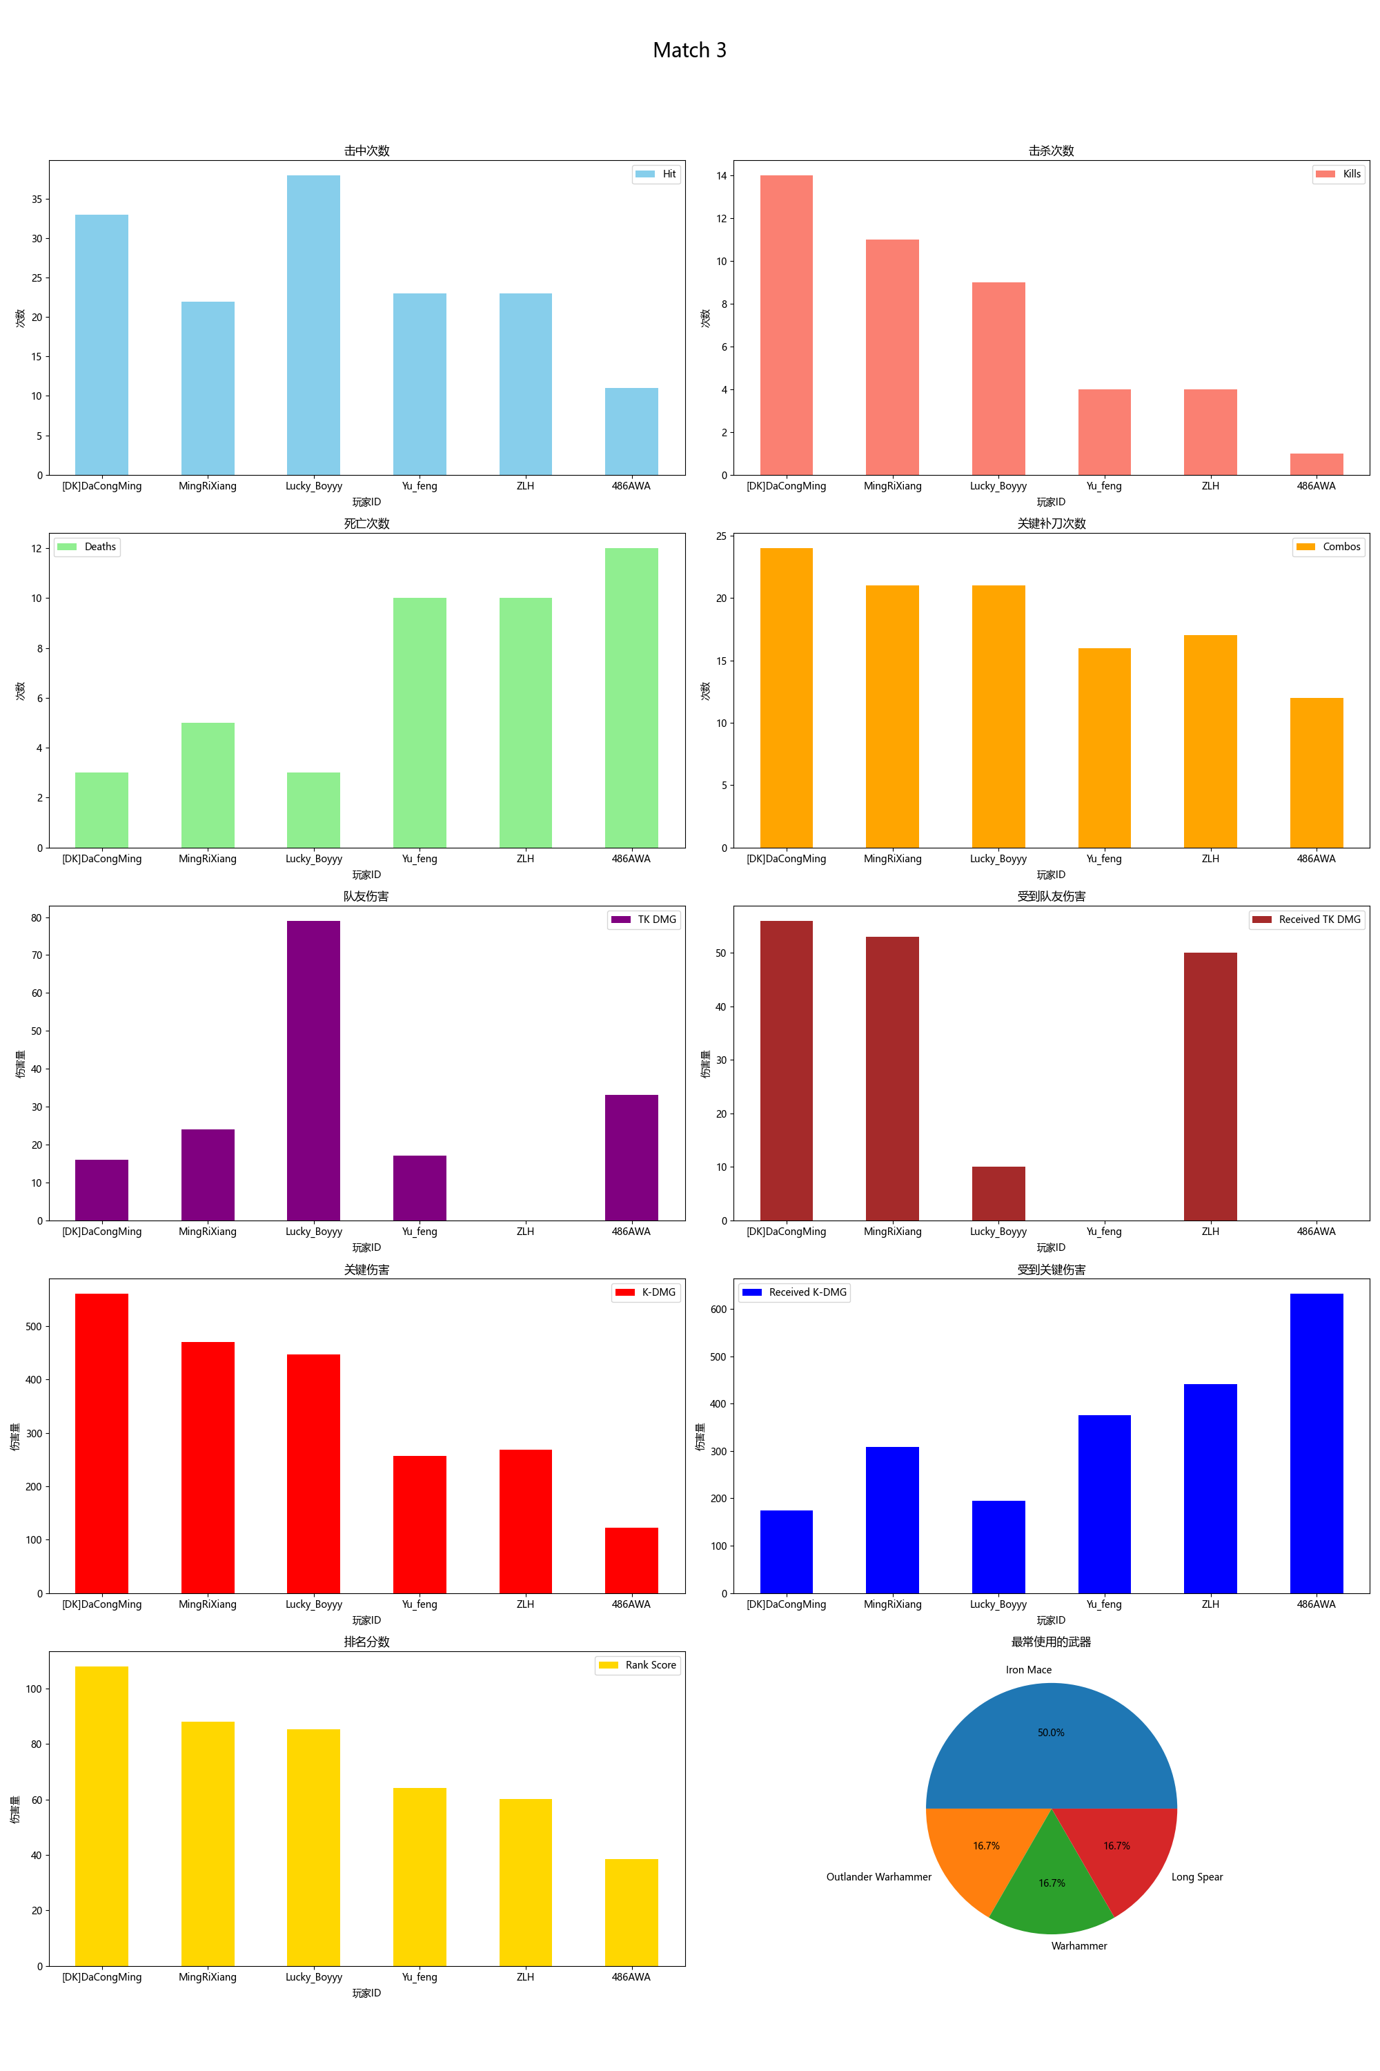
Player ID | Rank Score | Hit | DMG | Most Used Weapon | Combos | Kills | Deaths | TK DMG | Received TK DMG | Kill/Death Ratio | Combo/Hits Ratio | Received Combos | K-DMG | K-DMG/DMG | K-DMG/Combos | Received K-DMG | Received K-DMG/Combos | Team Hits | TK Kills
[DK]DaCongMing | 108.02 | 33 | 961.00 | Outlander Warhammer | 24 | 14 | 3 | 16.00 | 56.00 | 4.67 | 0.73 | 9 | 561.00 | 0.58 | 23.38 | 174.00 | 19.33 | 1 | 0
MingRiXiang | 88.00 | 22 | 687.00 | Warhammer | 21 | 11 | 5 | 24.00 | 53.00 | 2.20 | 0.95 | 11 | 470.00 | 0.68 | 22.38 | 308.00 | 28.00 | 2 | 0
Lucky_Boyyy | 85.26 | 38 | 894.00 | Long Spear | 21 | 9 | 3 | 79.00 | 10.00 | 3.00 | 0.55 | 9 | 447.00 | 0.50 | 21.29 | 194.00 | 21.56 | 7 | 2
Yu_feng | 64.12 | 23 | 555.00 | Iron Mace | 16 | 4 | 10 | 17.00 | 0.00 | 0.40 | 0.70 | 16 | 257.00 | 0.46 | 16.06 | 376.00 | 23.50 | 1 | 0
ZLH | 60.26 | 23 | 570.00 | Iron Mace | 17 | 4 | 10 | 0.00 | 50.00 | 0.40 | 0.74 | 15 | 268.00 | 0.47 | 15.76 | 441.00 | 29.40 | 0 | 0
486AWA | 38.44 | 11 | 232.00 | Iron Mace | 12 | 1 | 12 | 33.00 | 0.00 | 0.08 | 1.09 | 17 | 122.00 | 0.53 | 10.17 | 632.00 | 37.18 | 3 | 0

Match 4
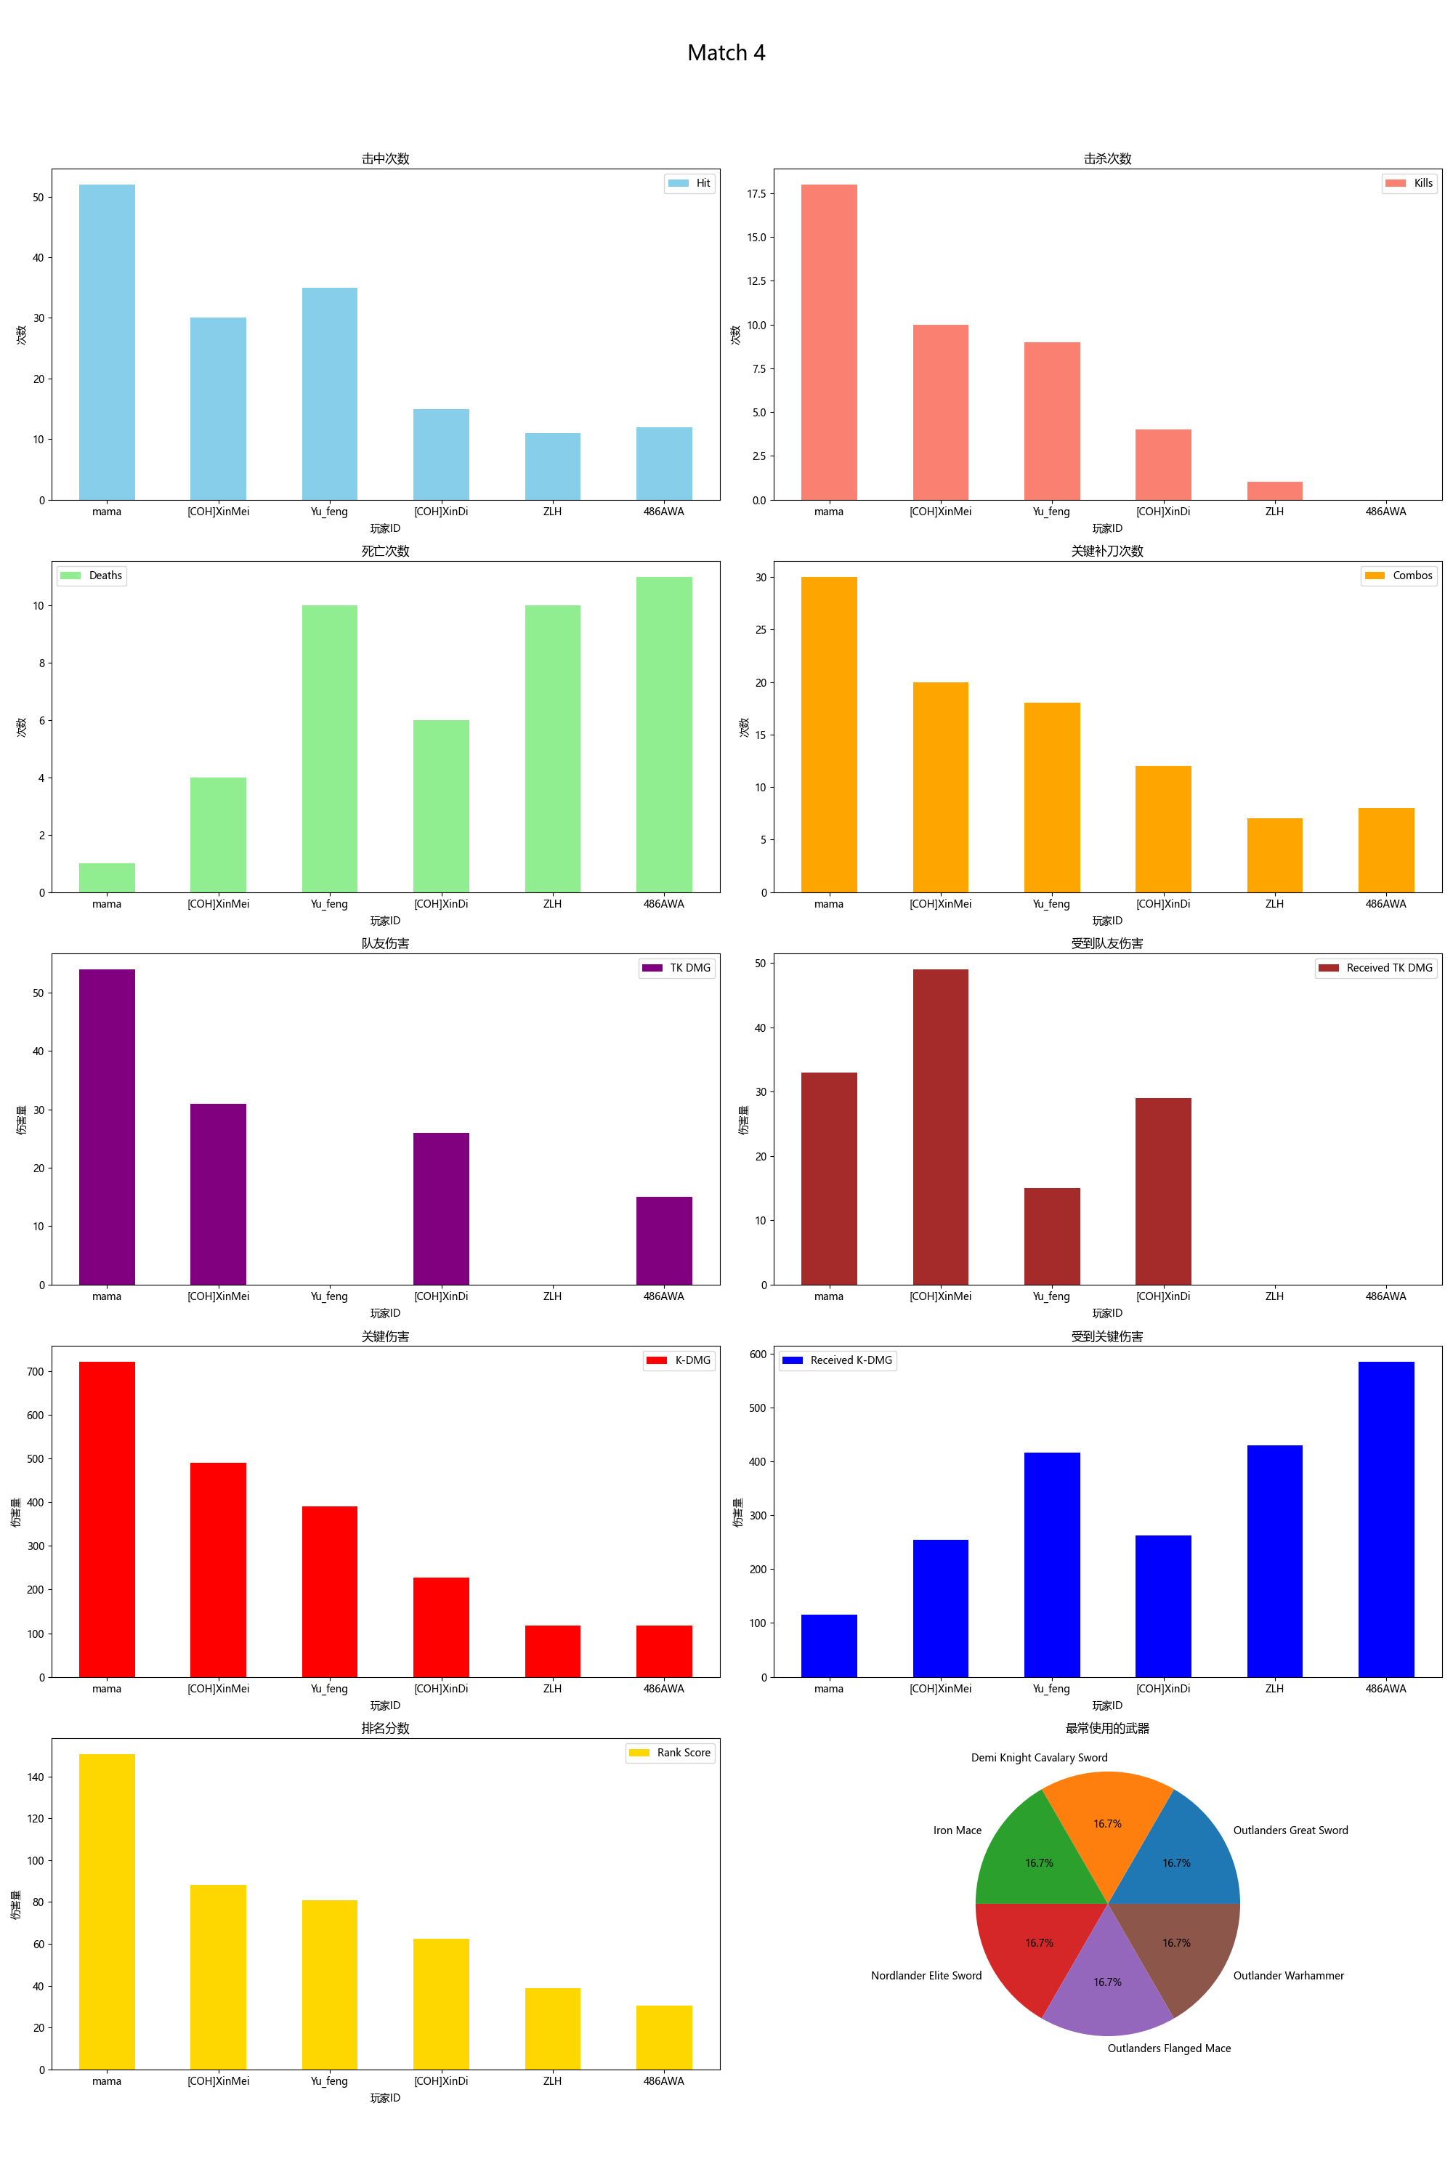
Player ID | Rank Score | Hit | DMG | Most Used Weapon | Combos | Kills | Deaths | TK DMG | Received TK DMG | Kill/Death Ratio | Combo/Hits Ratio | Received Combos | K-DMG | K-DMG/DMG | K-DMG/Combos | Received K-DMG | Received K-DMG/Combos | Team Hits | TK Kills
mama | 150.72 | 52 | 1341.00 | Outlanders Great Sword | 30 | 18 | 1 | 54.00 | 33.00 | 18.00 | 0.58 | 6 | 722.00 | 0.54 | 24.07 | 116.00 | 19.33 | 5 | 1
[COH]XinMei | 88.21 | 30 | 826.00 | Demi Knight Cavalary Sword | 20 | 10 | 4 | 31.00 | 49.00 | 2.50 | 0.67 | 9 | 491.00 | 0.59 | 24.55 | 255.00 | 28.33 | 3 | 0
Yu_feng | 80.68 | 35 | 826.00 | Iron Mace | 18 | 9 | 10 | 0.00 | 15.00 | 0.90 | 0.51 | 17 | 390.00 | 0.47 | 21.67 | 416.00 | 24.47 | 0 | 0
[COH]XinDi | 62.47 | 15 | 311.00 | Nordlander Elite Sword | 12 | 4 | 6 | 26.00 | 29.00 | 0.67 | 0.80 | 9 | 227.00 | 0.73 | 18.92 | 263.00 | 29.22 | 2 | 0
ZLH | 38.92 | 11 | 207.00 | Outlanders Flanged Mace | 7 | 1 | 10 | 0.00 | 0.00 | 0.10 | 0.64 | 14 | 117.00 | 0.57 | 16.71 | 430.00 | 30.71 | 0 | 0
486AWA | 30.59 | 12 | 243.00 | Outlander Warhammer | 8 | 0 | 11 | 15.00 | 0.00 | 0.00 | 0.67 | 16 | 118.00 | 0.49 | 14.75 | 585.00 | 36.56 | 1 | 0

Match 5
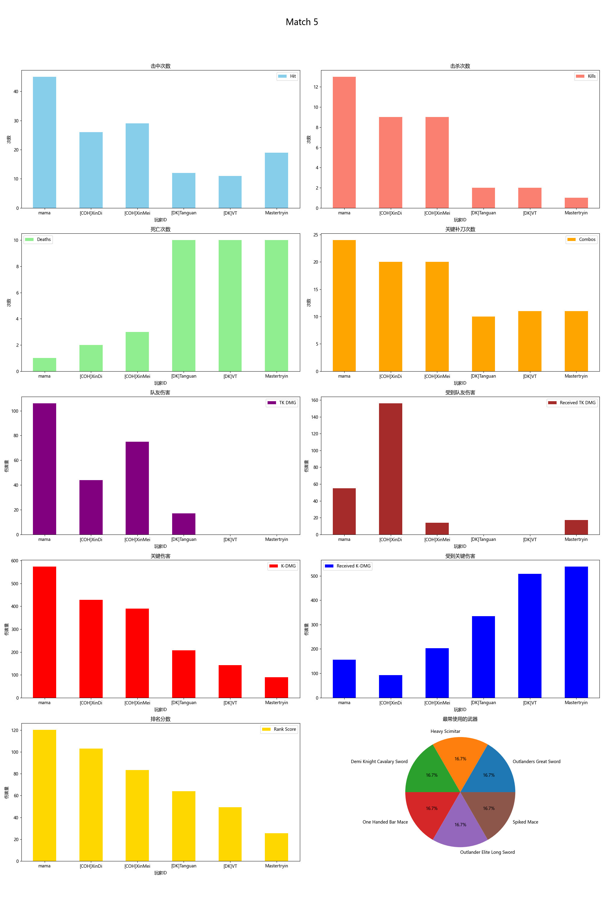
Player ID | Rank Score | Hit | DMG | Most Used Weapon | Combos | Kills | Deaths | TK DMG | Received TK DMG | Kill/Death Ratio | Combo/Hits Ratio | Received Combos | K-DMG | K-DMG/DMG | K-DMG/Combos | Received K-DMG | Received K-DMG/Combos | Team Hits | TK Kills
mama | 120.29 | 45 | 1048.00 | Outlanders Great Sword | 24 | 13 | 1 | 106.00 | 55.00 | 13.00 | 0.53 | 6 | 574.00 | 0.55 | 23.92 | 156.00 | 26.00 | 11 | 1
[COH]XinDi | 103.08 | 26 | 621.00 | Heavy Scimitar | 20 | 9 | 2 | 44.00 | 156.00 | 4.50 | 0.77 | 6 | 428.00 | 0.69 | 21.40 | 93.00 | 15.50 | 4 | 0
[COH]XinMei | 83.44 | 29 | 744.00 | Demi Knight Cavalary Sword | 20 | 9 | 3 | 75.00 | 14.00 | 3.00 | 0.69 | 8 | 390.00 | 0.52 | 19.50 | 203.00 | 25.38 | 7 | 0
[DK]Tanguan | 63.91 | 12 | 338.00 | One Handed Bar Mace | 10 | 2 | 10 | 17.00 | 0.00 | 0.20 | 0.83 | 17 | 208.00 | 0.62 | 20.80 | 334.00 | 19.65 | 2 | 0
[DK]VT | 49.18 | 11 | 215.00 | Outlander Elite Long Sword | 11 | 2 | 10 | 0.00 | 0.00 | 0.20 | 1.00 | 16 | 142.00 | 0.66 | 12.91 | 508.00 | 31.75 | 0 | 0
Mastertryin | 25.49 | 19 | 307.00 | Spiked Mace | 11 | 1 | 10 | 0.00 | 17.00 | 0.10 | 0.58 | 15 | 90.00 | 0.29 | 8.18 | 538.00 | 35.87 | 0 | 0

Match 6
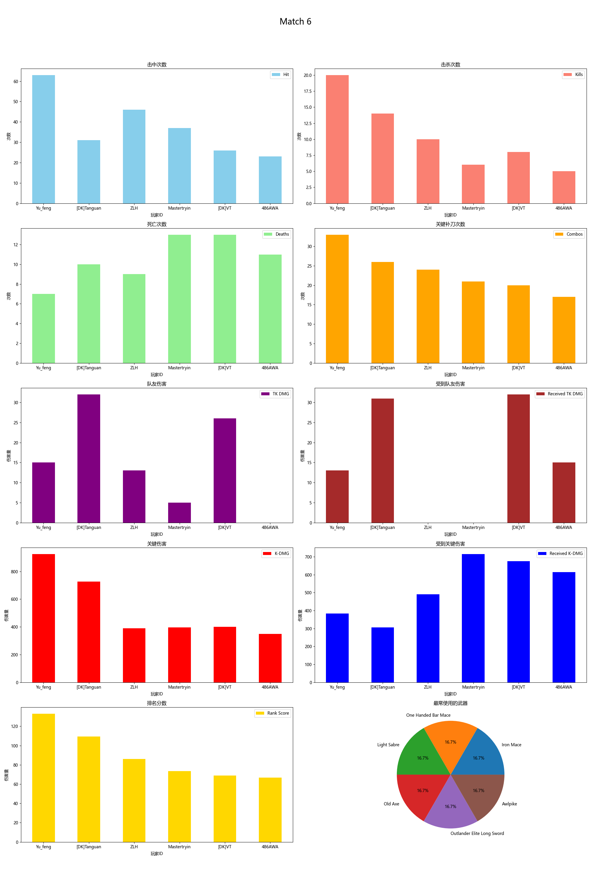
Player ID | Rank Score | Hit | DMG | Most Used Weapon | Combos | Kills | Deaths | TK DMG | Received TK DMG | Kill/Death Ratio | Combo/Hits Ratio | Received Combos | K-DMG | K-DMG/DMG | K-DMG/Combos | Received K-DMG | Received K-DMG/Combos | Team Hits | TK Kills
Yu_feng | 132.97 | 63 | 1899.00 | Iron Mace | 33 | 20 | 7 | 15.00 | 13.00 | 2.86 | 0.52 | 14 | 925.00 | 0.49 | 28.03 | 384.00 | 27.43 | 1 | 0
[DK]Tanguan | 109.46 | 31 | 1045.00 | One Handed Bar Mace | 26 | 14 | 10 | 32.00 | 31.00 | 1.40 | 0.84 | 17 | 726.00 | 0.69 | 27.92 | 306.00 | 18.00 | 1 | 1
ZLH | 86.16 | 46 | 842.00 | Light Sabre | 24 | 10 | 9 | 13.00 | 0.00 | 1.11 | 0.52 | 16 | 390.00 | 0.46 | 16.25 | 490.00 | 30.63 | 1 | 0
Mastertryin | 73.48 | 37 | 774.00 | Old Axe | 21 | 6 | 13 | 5.00 | 0.00 | 0.46 | 0.57 | 20 | 395.00 | 0.51 | 18.81 | 715.00 | 35.75 | 2 | 0
[DK]VT | 69.02 | 26 | 790.00 | Outlander Elite Long Sword | 20 | 8 | 13 | 26.00 | 32.00 | 0.62 | 0.77 | 20 | 400.00 | 0.51 | 20.00 | 675.00 | 33.75 | 2 | 0
486AWA | 66.87 | 23 | 556.00 | Awlpike | 17 | 5 | 11 | 0.00 | 15.00 | 0.45 | 0.74 | 18 | 349.00 | 0.63 | 20.53 | 615.00 | 34.17 | 0 | 0

