Match 1
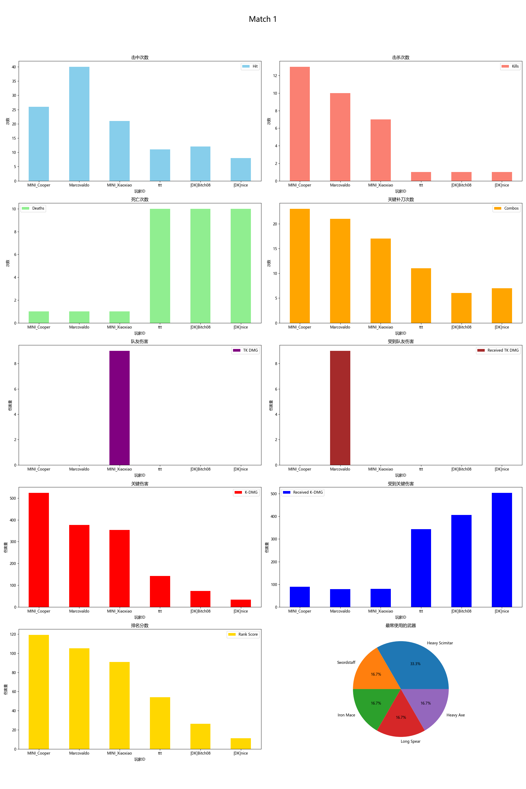
Player ID | Rank Score | Hit | DMG | Most Used Weapon | Combos | Kills | Deaths | TK DMG | Received TK DMG | Kill/Death Ratio | Combo/Hits Ratio | Received Combos | K-DMG | K-DMG/DMG | K-DMG/Combos | Received K-DMG | Received K-DMG/Combos | Team Hits | TK Kills
MINI_Cooper | 119.23 | 26 | 798.00 | Heavy Scimitar | 23 | 13 | 1 | 0.00 | 0.00 | 13.00 | 0.88 | 4 | 524.00 | 0.66 | 22.78 | 89.00 | 22.25 | 0 | 0
Marcovaldo | 105.21 | 40 | 922.00 | Swordstaff | 21 | 10 | 1 | 0.00 | 9.00 | 10.00 | 0.53 | 4 | 376.00 | 0.41 | 17.90 | 79.00 | 19.75 | 0 | 0
MINI_Xiaoxiao | 90.85 | 21 | 631.00 | Iron Mace | 17 | 7 | 1 | 9.00 | 0.00 | 7.00 | 0.81 | 4 | 354.00 | 0.56 | 20.82 | 80.00 | 20.00 | 1 | 0
ttt | 53.96 | 11 | 233.00 | Long Spear | 11 | 1 | 10 | 0.00 | 0.00 | 0.10 | 1.00 | 14 | 142.00 | 0.61 | 12.91 | 344.00 | 24.57 | 0 | 0
[DK]Bitch08 | 26.32 | 12 | 248.00 | Heavy Scimitar | 6 | 1 | 10 | 0.00 | 0.00 | 0.10 | 0.50 | 16 | 73.00 | 0.29 | 12.17 | 406.00 | 25.38 | 0 | 0
[DK]nice | 11.16 | 8 | 133.00 | Heavy Axe | 7 | 1 | 10 | 0.00 | 0.00 | 0.10 | 0.88 | 14 | 33.00 | 0.25 | 4.71 | 504.00 | 36.00 | 0 | 0

Match 2
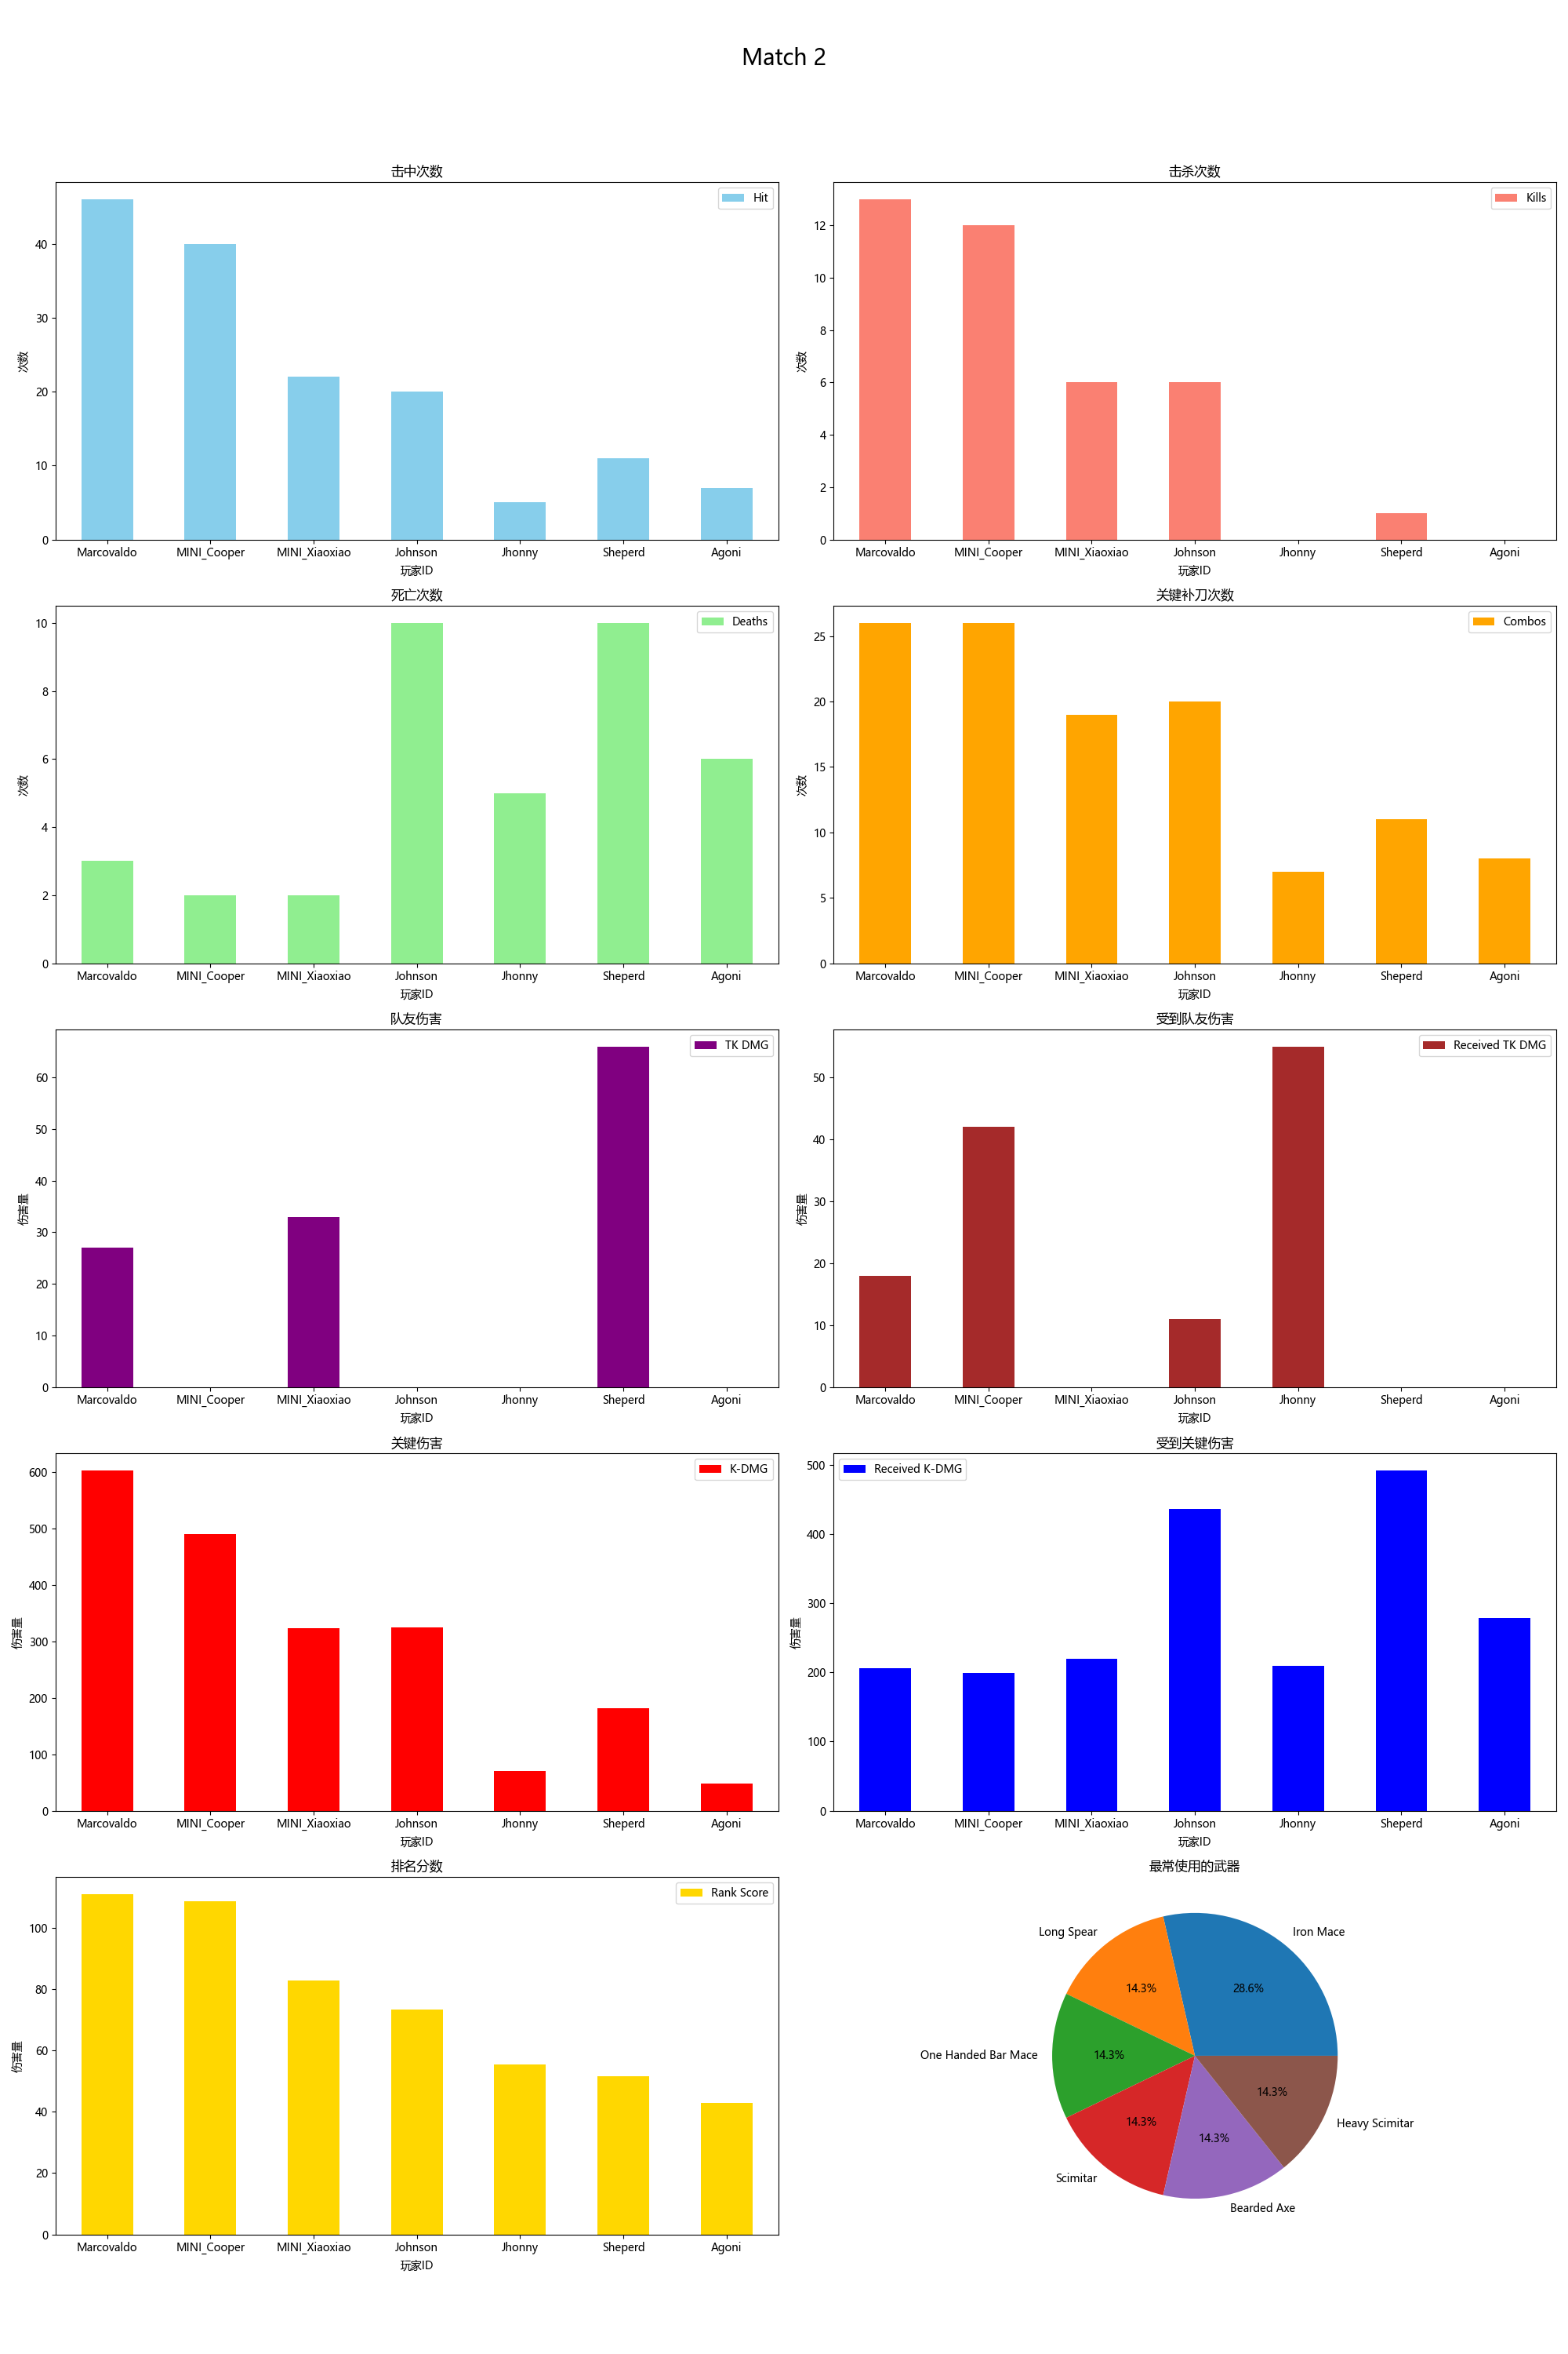
Player ID | Rank Score | Hit | DMG | Most Used Weapon | Combos | Kills | Deaths | TK DMG | Received TK DMG | Kill/Death Ratio | Combo/Hits Ratio | Received Combos | K-DMG | K-DMG/DMG | K-DMG/Combos | Received K-DMG | Received K-DMG/Combos | Team Hits | TK Kills
Marcovaldo | 110.88 | 46 | 1116.00 | Long Spear | 26 | 13 | 3 | 27.00 | 18.00 | 4.33 | 0.57 | 8 | 603.00 | 0.54 | 23.19 | 206.00 | 25.75 | 2 | 0
MINI_Cooper | 108.50 | 40 | 920.00 | Iron Mace | 26 | 12 | 2 | 0.00 | 42.00 | 6.00 | 0.65 | 9 | 490.00 | 0.53 | 18.85 | 199.00 | 22.11 | 0 | 0
MINI_Xiaoxiao | 82.84 | 22 | 534.00 | Iron Mace | 19 | 6 | 2 | 33.00 | 0.00 | 3.00 | 0.86 | 10 | 324.00 | 0.61 | 17.05 | 220.00 | 22.00 | 2 | 0
Johnson | 73.23 | 20 | 550.00 | One Handed Bar Mace | 20 | 6 | 10 | 0.00 | 11.00 | 0.60 | 1.00 | 16 | 325.00 | 0.59 | 16.25 | 436.00 | 27.25 | 0 | 0
Jhonny | 55.33 | 5 | 85.00 | Scimitar | 7 | 0 | 5 | 0.00 | 55.00 | 0.00 | 1.40 | 8 | 70.00 | 0.82 | 10.00 | 210.00 | 26.25 | 0 | 0
Sheperd | 51.46 | 11 | 278.00 | Bearded Axe | 11 | 1 | 10 | 66.00 | 0.00 | 0.10 | 1.00 | 15 | 182.00 | 0.65 | 16.55 | 492.00 | 32.80 | 4 | 0
Agoni | 42.93 | 7 | 82.00 | Heavy Scimitar | 8 | 0 | 6 | 0.00 | 0.00 | 0.00 | 1.14 | 12 | 48.00 | 0.59 | 6.00 | 279.00 | 23.25 | 0 | 0

