ReadMe
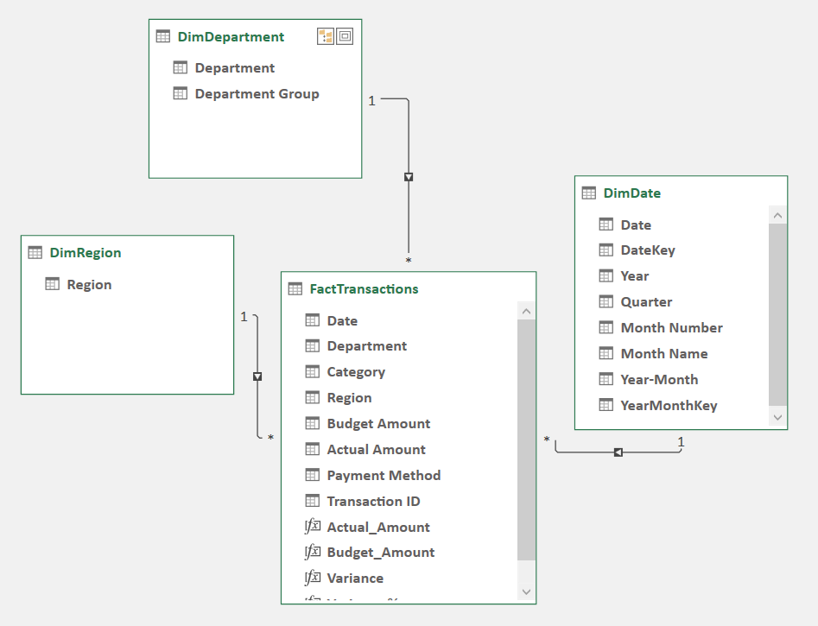
Budget vs Actual Model
Skills used: Power Query, M language, Power Pivot, Dax, PivotTables, Slicers, Finance knowledge

Workbook Overview
Purpose | Compare actual spending against budget by month, department, department group, region, and category.

Model Build Steps
1. Source table | Started with the FactTranx Excel Table, containing one row per financial transaction and both Budget Amount and Actual Amount.
2. Calendar | Created the DimDate table from the full fact-table date range, with Year, Quarter, Month, Year-Month, and sort keys.
3. Dimensions | Created DimDepartment with a Department Group hierarchy and DimRegion for the five operating regions.
4. Data Model | Loaded FactTransactions, DimDate, DimDepartment, and DimRegion into Power Pivot and created one-to-many dimension-to-fact relationships.
5. Measures | Created explicit DAX measures for Actual_Amount, Budget_Amount, Variance, and Variance %.

Star Schema
FactTransactions | Transaction-grain amounts and descriptive transaction fields.
DimDate | Calendar fields used for time filtering and monthly reporting.
DimDepartment | Department and Department Group hierarchy.
DimRegion | Region used for geographic or operating-area analysis.

Why Power Query Was Used
Load to Data Model | Queries load the fact and dimension tables into Power Pivot without duplicating working tables on worksheets.
Clean inputs | The FactTransactions query replaces missing Department, Region, and Category values with Unknown so no transactions are silently excluded.
Refreshable process | When new rows are added or source values change, we can refresh the queries fast and the Data Model updates using the same repeatable steps.

Why PivotTables and Slicers Were Used
Clear presentation | PivotTables display Actual, Budget, Variance, and Variance % in a compact monthly report with easy drill-down.
Interactive analysis | Slicers let users filter the same report by Year, Department Group, Department, Region, and Category.
One-click update | After editing the fact or dimension source tables, use Refresh All and then refresh the PivotTable to update results.

Refresh Workflow
1. Update source tables | Add or edit data in FactTranx, DimDepartment, or DimRegion.
2. Refresh queries | Use Data > Refresh All to rerun Power Query and update the Data Model.
3. Refresh report | Right-click the PivotTable and choose Refresh, or use Refresh All when the PivotTable is included in the workbook refresh.

Business Logic, Measure Conventions
Variance | Actual_Amount - Budget_Amount. For this expense model, a positive variance means actual spending exceeded budget.
Variance % | Variance divided by Budget_Amount. Positive percentages indicate overspend; negative percentages indicate spending below budget.

