social-media
Average Hours on Social Media by Country
UserId | Usage_Duration_Hours | Age | Country | TotalLikes
1 | 2 | 55 | Turkey | 5 | Row Labels | Average of Usage_Duration_Hours
2 | 6 | 45 | Canada | 10 | Mexico | 1
3 | 3 | 50 | Ireland | 7 | Croatia | 1.5
4 | 4 | 35 | South Africa | 5 | Barbados | 2
5 | 1 | 58 | Turkey | 2 | Ireland | 2.5
6 | 13 | 18 | Turkey | 25 | Panama | 2.5714285714
7 | 3 | 50 | Australia | 1 | Bulgaria | 3
8 | 9 | 25 | Canada | 8 | Serbia | 3.3333333333
9 | 8 | 27 | Kosovo | 10 | Germany | 3.7777777778
10 | 9 | 26 | Australia | 0 | Turkey | 3.8
11 | 1 | 60 | Croatia | 1 | Australia | 4.8571428571
12 | 9 | 19 | South Africa | 2 | Canada | 5
13 | 5 | 28 | Serbia | 5 | Singapore | 6.2
14 | 2 | 58 | Croatia | 4 | South Africa | 6.6666666667
15 | 7 | 30 | South Africa | 3 | Kosovo | 8
16 | 11 | 18 | Singapore | 25 | Grand Total | 4
17 | 2 | 52 | Barbados | 1
18 | 2 | 50 | Bulgaria | 0
19 | 6 | 22 | Australia | 4
20 | 5 | 20 | Canada | 5
21 | 2 | 39 | Panama | 0
Average of Total Likes by Age
22 | 3 | 30 | Turkey | 5 | Row Labels | Average of TotalLikes
23 | 4 | 26 | Bulgaria | 3 | 18 | 11.285714286
24 | 5 | 24 | Canada | 6 | 19 | 6.75
25 | 5 | 22 | Panama | 2 | 20 | 6.25
26 | 2 | 47 | Ireland | 1 | 22 | 3
27 | 1 | 50 | Mexico | 2 | 24 | 6
28 | 5 | 19 | Turkey | 5 | 25 | 8
29 | 4 | 18 | Turkey | 4 | 26 | 2.75
30 | 7 | 18 | Bulgaria | 0 | 27 | 7
31 | 1 | 18 | Canada | 10 | 28 | 5
32 | 4 | 19 | Canada | 5 | 30 | 4
33 | 1 | 55 | Bulgaria | 1 | 35 | 5
34 | 7 | 18 | Singapore | 8 | 39 | 0
35 | 4 | 18 | Singapore | 5 | 45 | 10
36 | 1 | 26 | Singapore | 4 | 47 | 1
37 | 8 | 18 | Singapore | 19 | 49 | 0
38 | 2 | 24 | Turkey | 6 | 50 | 2.3333333333
39 | 1 | 55 | Germany | 2 | 51 | 1
40 | 1 | 54 | Germany | 0 | 52 | 2
41 | 2 | 52 | Germany | 3 | 53 | 1
42 | 1 | 55 | Germany | 4 | 54 | 0
43 | 5 | 18 | Germany | 8 | 55 | 2.1666666667
44 | 2 | 18 | Germany | 2 | 58 | 3
45 | 5 | 18 | Germany | 4 | 60 | 1
46 | 3 | 26 | Serbia | 4 | Grand Total | 5.3174603175
47 | 2 | 27 | Serbia | 4
48 | 1 | 53 | Panama | 1
48 | 2 | 49 | Panama | 0
49 | 1 | 50 | Turkey | 3
50 | 5 | 20 | Turkey | 8
51 | 4 | 20 | Panama | 8
52 | 2 | 50 | Panama | 1
53 | 3 | 22 | Australia | 3
54 | 4 | 18 | Australia | 2
55 | 8 | 18 | Australia | 28
56 | 1 | 55 | Australia | 1
57 | 2 | 55 | Bulgaria | 0
58 | 2 | 51 | Turkey | 1
59 | 8 | 19 | Germany | 15
60 | 2 | 20 | Bulgaria | 4
61 | 9 | 18 | Germany | 18
62 | 2 | 52 | Panama | 2

Sheet2
Average Usage by Age
Row Labels | Average of Usage_Duration_Hours
18 | 6.2857142857
19 | 6.5
20 | 4
22 | 4.6666666667
24 | 3.5
25 | 9
26 | 4.25
27 | 5
28 | 5
30 | 5
35 | 4
39 | 2
45 | 6
47 | 2
49 | 2
50 | 2
51 | 2
52 | 2
53 | 1
54 | 1
55 | 1.3333333333
58 | 1.5
60 | 1
Grand Total | 4
Average Likes Per Hour By Country

Row Labels | Average of Likes Per Hour
Bulgaria | 0.44444444444
South Africa | 0.5
Panama | 0.77777777778
Australia | 1.1470588235
Kosovo | 1.25
Serbia | 1.3
Canada | 1.4666666667
Ireland | 1.6
Germany | 1.6470588235
Croatia | 1.6666666667
Turkey | 1.6842105263
Singapore | 1.9677419355
Grand Total | 1.3333333333

Likes Distributed by Country
Row Labels | Sum of TotalLikes
Barbados | 1
Mexico | 2
Croatia | 5
Ireland | 8
Bulgaria | 8
Kosovo | 10
South Africa | 10
Serbia | 13
Panama | 14
Australia | 39
Canada | 44
Germany | 56
Singapore | 61
Turkey | 64
Grand Total | 335

Social Media Dashboard
Social Media Analysis

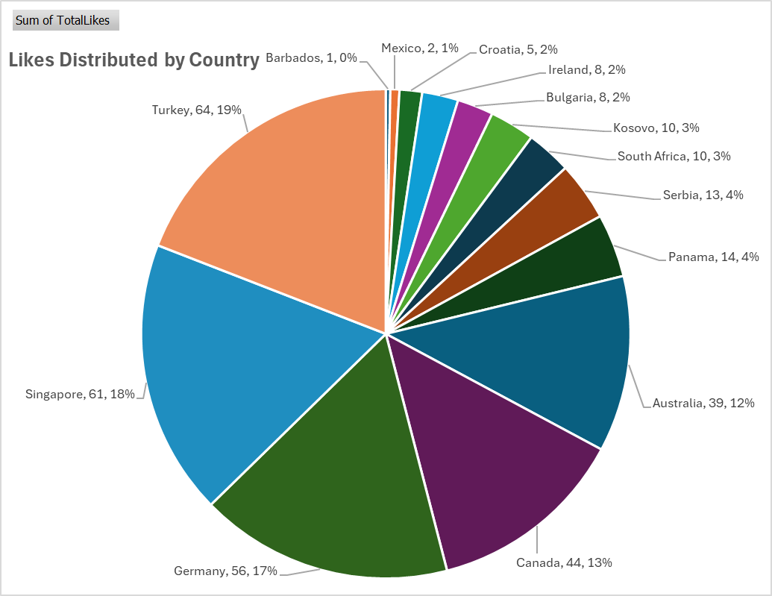
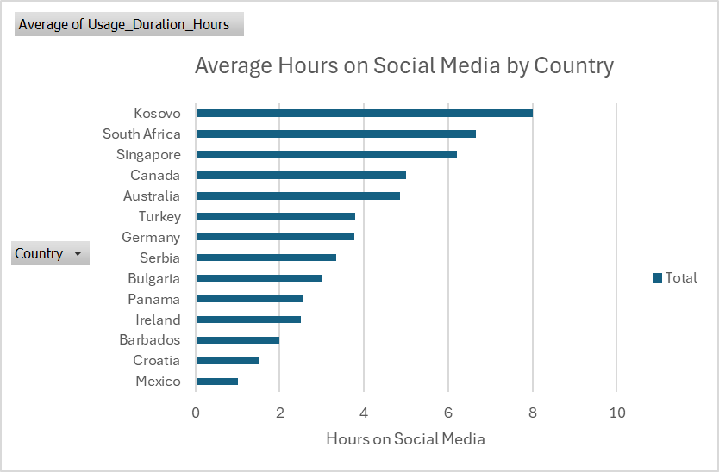
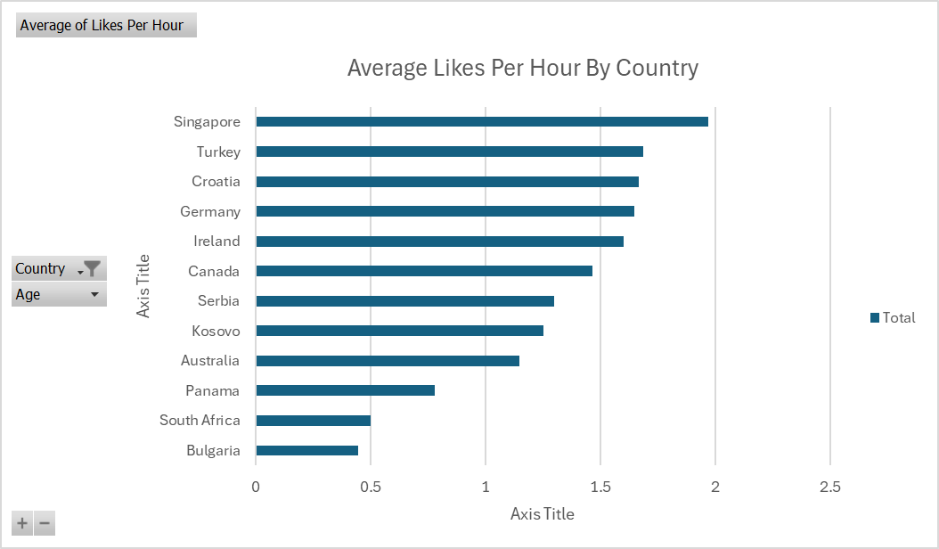

 | Pie chart above shows distribution of Likes by Country. Users in Turkey and Singapore lead the data in interactions on Social Media. While users in Barbados and Mexico rarely interact on Social Media |  |  | Bar chart above shows the average hours users spend on Social Media. Even though Turkey users interact the most, Kosovo and South African users typically spend the most time on Social Media. Mexico users, who interact the least, also spend the least time on Social Media |  | Bar chart above shows the average likes per hour allocated by country. To no surprise, Singapore leads this category by having the highest interaction among countries and the third most average hours on Social Media. (Note: Mexico and Barbados were removed due to the fact that the data has only one entry on each and would skew the data.)

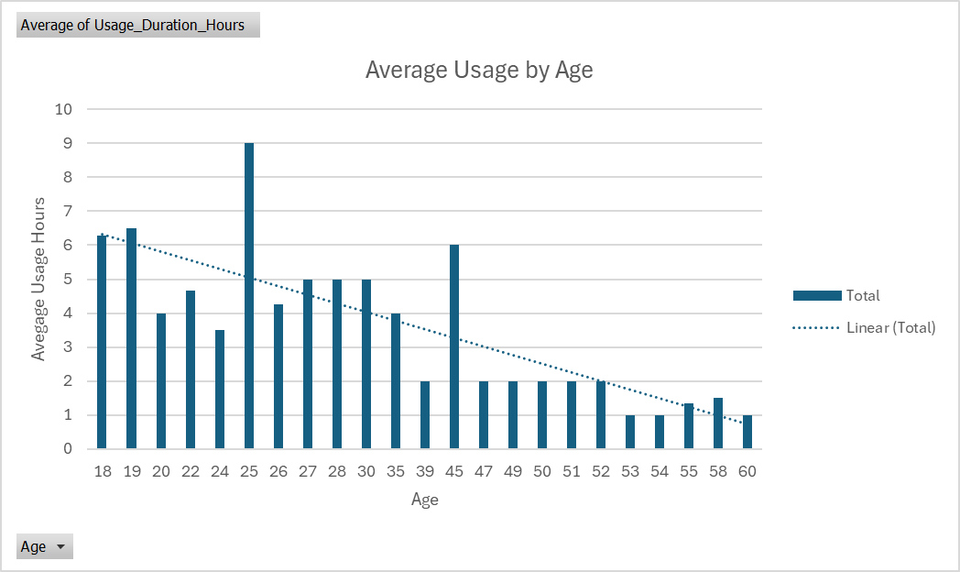
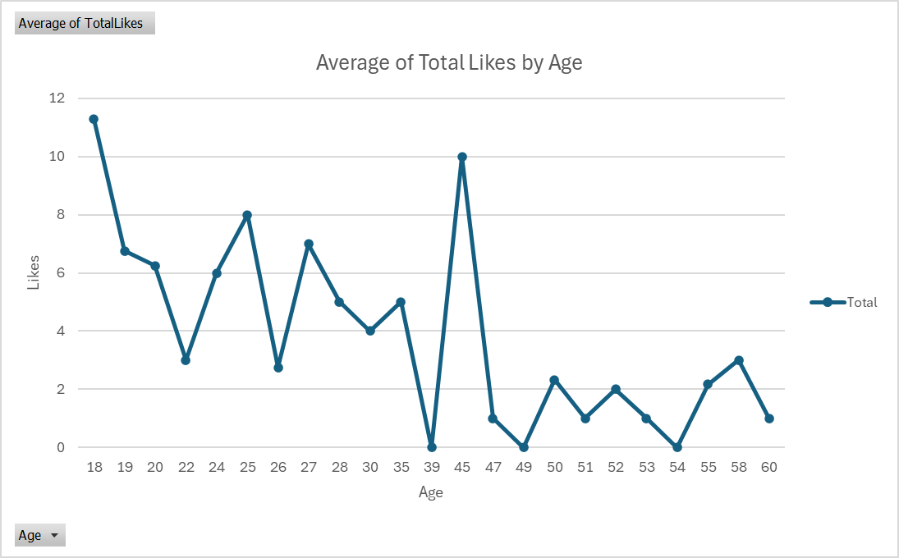

 |  | Column chart above shows the Average Hours on Social Media by age. The trendline shows less usage the older the user becomes. There seems to be an outlier at age 45 and looking at the data, it shows only one user that is 45 years old with a duration of 6 hours on Social Media. (Note: There is only 62 rows of data. The more data, the more accurate the analysis would be.) |  |  | Line graph above shows the average amount of likes distributed by the users age. Looks similar to the chart on the left (including the outlier at age 45). Trendline would also show less interaction the older the user.

 |  |  | In conclusion, younger users tend to be on social media more than older users. There appears to be a huge drop off of usage and interactions after the age of 45. Users above 45 would have been born before 1979 and they wouldn’t have grown up with the internet and social media. Kosovo, South Africa and Singapore users spend the most time on social media. And although Kosovo is number one in usage, they only account for 3% of likes/interactions.

