PFD
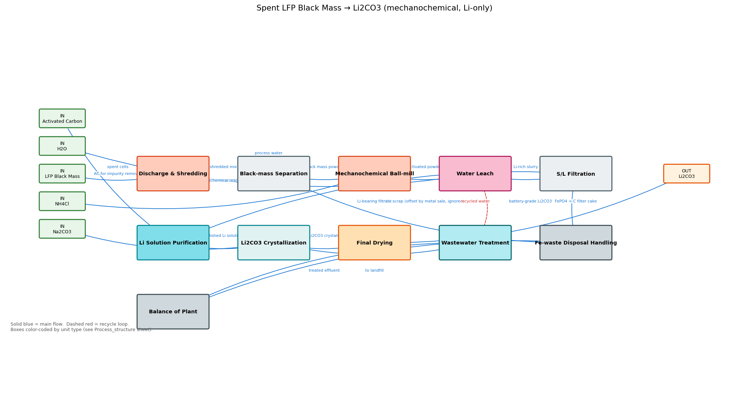
PFD — Process Flow Diagram for the modelled plant.
Boxes are unit-op sections (color = unit type). Solid blue arrows = main flow; dashed red = recycle loop.
VERIFY: every input you'd add to a real plant appears as 'IN', every product as 'OUT'. If the diagram is wrong, fix the `sections`/`edges` lists in your build() before trusting any number in this workbook.

