Diagrams
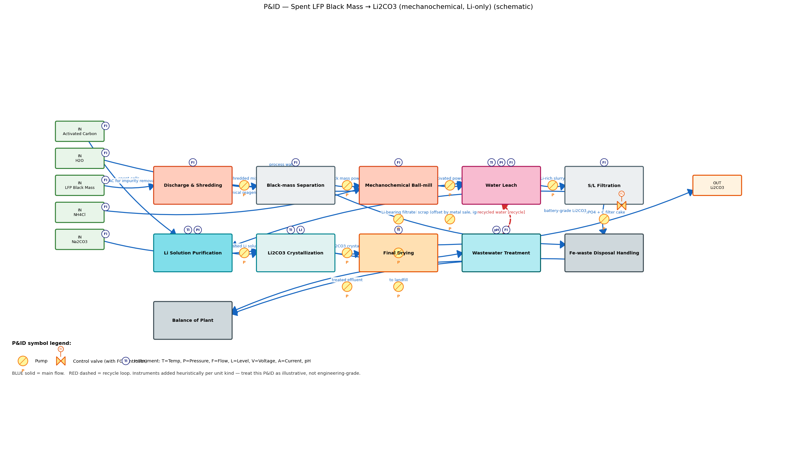
Three diagram tiers (chemical-engineering convention) stacked top → bottom:
1. BFD (Block Flow Diagram) — collapsed unit ops, main flow only. For executive orientation.
2. PFD (Process Flow Diagram) — every section, all streams, recycle loops, stream labels. Engineering-comm level.
3. P&ID (Piping & Instrumentation Diagram, schematic) — PFD + pumps + control valves + instrument balloons (TI/PI/FI/LI/etc.). Treat as illustrative — instrumentation added heuristically per unit kind.
VERIFY: each diagram should depict the SAME plant. If a section or stream is missing in one but present in another, the underlying Process is inconsistent — fix sections/edges in build().

1. BFD — Block Flow Diagram (simplified main flow)


2. PFD — Process Flow Diagram (sections, streams, recycle)
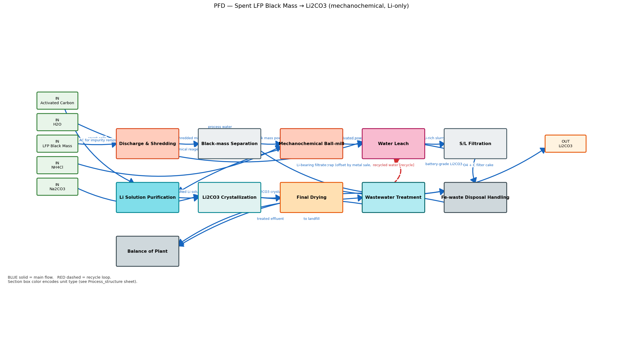

3. P&ID — Piping & Instrumentation Diagram (schematic)

