Sheet1
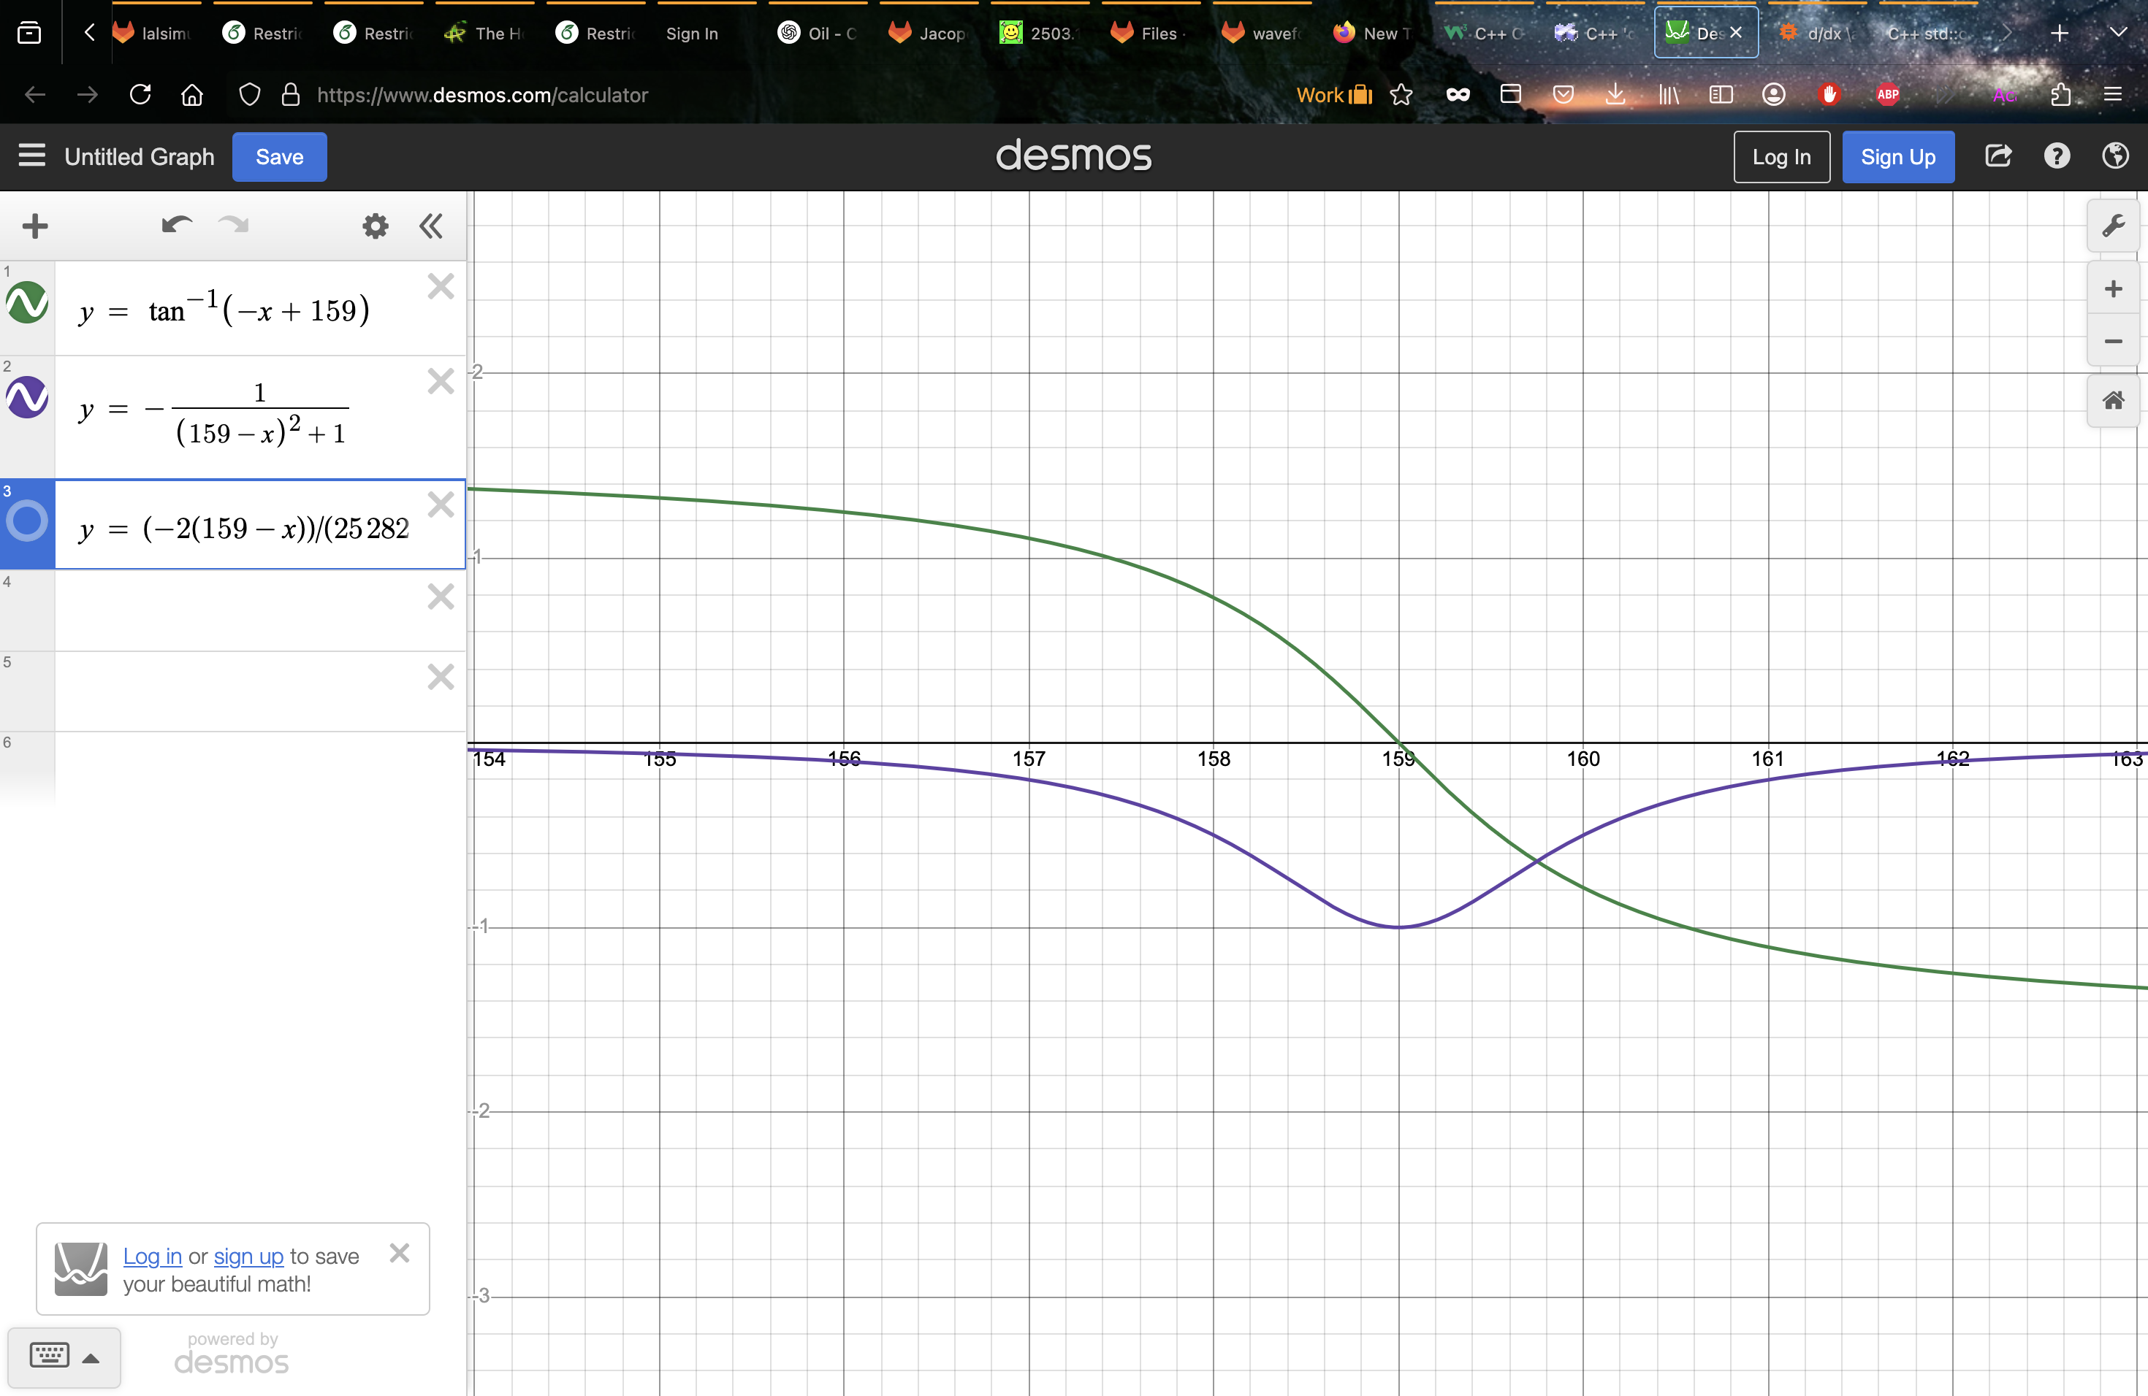
4 | 125
7 | 119
9 | 110
14 | 101
22 | 91
27 | 84
61 | 58
Block at left case: | Area | x-pos
Given area, if x < x-pos, can avoid | 4 | 125
 | 7 | 119
 | 9 | 110
 | 14 | 101
 | 22 | 91
 | 27 | 84
 | 61 | 58

Block at right case: | Area | x-pos
Given area, if x > x-pos, can avoid | 4 | 193
 | 5 | 198
 | 8 | 208
 | 9 | 213
 | 13 | 221
 | 18 | 229
 | 29 | 246
 | 53 | 276

