Аркуш1
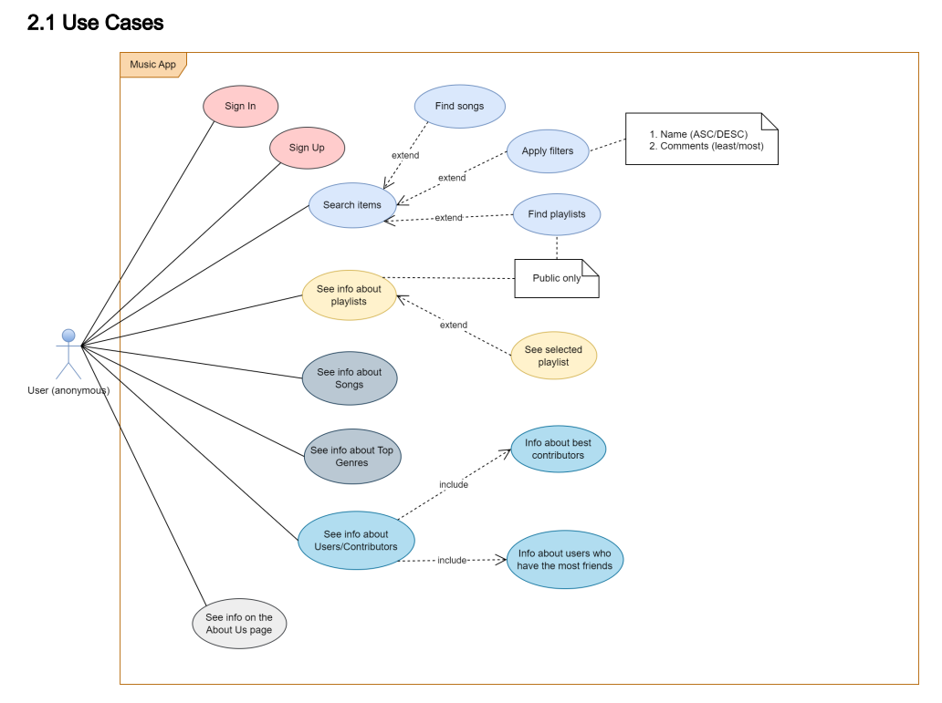
 | Epic |  | Features | Epic
1 | Management Users (Profile) | 1 | Sign up | Management Users (Profile)
2 | Searching | 2 | Sign in | Management Users (Profile)
3 | Library songs | 3 | Log out | Management Users (Profile)
4 | Recommendations | 4 | Setting own profile | Management Users (Profile)
5 | Static pages | 5 | See own profile | Management Users (Profile)
6 | Management playlist | 6 | View own friends | Management Users (Profile)
7 | Community | 7 | Remember me | Management Users (Profile)
8 | Email marketing | 8 | Delete account | Management Users (Profile)
 |  | 9 | See page Public Playlist | Searching
 |  | 10 | Search by metadata songs | Searching
 |  | 11 | Search by metadata playlist | Searching
 |  | 12 | Apply filter for playlist by name | Searching
 |  | 13 | Apply filter for playlist by comment | Searching
 |  | 14 | Add like on song | Library songs
 |  | 15 | Add dislike on song | Library songs
 |  | 16 | See personalized Home Page | Recommendations
 |  | 17 | Evaluation of user preferences based on selected songs | Recommendations
 |  | 18 | See info about Genre | Recommendations
 |  | 19 | See info About us | Static pages
 |  | 20 | See info about playlists | Management playlist
 |  | 21 | See page My Playlist | Management playlist
 |  | 22 | Add playlist | Management playlist
 |  | 23 | Edit playlist | Management playlist
 |  | 24 | Delete playlist | Management playlist
 |  | 25 | Add songs to playlist | Management playlist
 |  | 26 | Remove song from playlist | Management playlist
 |  | 27 | Create comment | Community
 |  | 28 | View comments | Community
 |  | 29 | Share playlist | Community
 |  | 30 | See page Share playlist | Community
 |  | 31 | See page Friend Requests | Community
 |  | 32 | Add new friend | Community
 |  | 33 | Cancel new friend | Community
 |  | 34 | Delete relaitionship | Community
 |  | 35 | Search by friend | Community
 |  | 36 | Send email | Email marketing

