1. Title Page
Customer and Order Behaviour Analysis

Project Name: Customer and Order Behaviour Analysis
Date: 03/05/2024
Analyst Name: MESHACH OKUMBOR

Contents:
Population Flow
Consistency checks
Wrangling steps
Column derivations
Visualizations
Recommendations

2. Population Flow
Title page

Population flow

Exclusion flag
Condition: max_order < 5
Obervations to be removed: 0
Final total count of order_products_all: 32404859

Orders_products_combined
Orders_products_merged
Orders_products_all

Total: 32404859
Total: 32434489
Total: 32404859

3. Consistency checks
 |  |  |  | Title page
Consistency checks

Dataset | Missing values | Missing values treatment | Duplicates
orders | 206209 missing entries for 'days since prior' | Created a Flag that clarifies missing info | N/A
products | 16 missing entries for 'product name' | 16 rows removed | 5 duplicated full rows removed
orders_products_prior
customers |  |  | N/A

4. Wrangling steps
 |  |  |  |  | Title page
Wrangling steps

 | Columns dropped | Columns renamed | Columns' type changed | Comment/Reason
orders | orders 'eval_set' column dropped |  |  | eval set' not needed
orders |  | orders column 'order_dow' renamed 'order_day_of_week' |  | clarity
orders |  | order column 'order_number' renamed 'order_sequence_number' |  | clarity
orders |  |  | order column 'order_id', 'user_id' changed to string | the data in this column are text
customers | customers 'date_joined' column dropped |  |  | date_joined' not needed
customers |  | customers 'Surnam' renamed 'Last Name' |  | clarity
customers |  | customers 'STATE' renamed 'State' |  | clarity
customers |  | customers 'n_dependants' renamed 'Number_of_Dependants' |  | clarity
customers |  | customers 'fam_status' renamed 'Familial_Status' |  | clarity
customers |  |  | customers column 'user_id' to 'integer and 'First Name', 'Last Name', 'Gender', 'State' to 'string' and 'Age', 'Number_of_Dependants', 'income' to 'integer' and 'Familial_Status' to 'string' | decrease memory size
customers | customers columns 'First Name' and 'Last Name' dropped |  |  | Security

5. Column derivations
 |  |  |  | Title page

Column derivations and aggregations

In this tab you should add tables below that the frequences of flags/label variables that you produced after deriving them. NB: don't do this for continuous variables, only for flags.
Dataset | New column | Column/s it was derived from | Conditions
df_ords_prods | Region | State | state' within 'region' defined by United States Census Bureau
df_ords_prods | shopping_behavior | order_hour_of_day | Early Bird: between 5am and 8am Night Owl: at or after 9pm and before 5am Regular: All other time
df_ords_prods | profile | income, Familial_Status | Single, Low-income: Familial_Status ='single', 'divorced/widowed', or 'living with parents and siblings' and income <= 30000 Single, Middle-income: Familial_Status ='single', 'divorced/widowed', or 'living with parents and siblings' and income > 30000 and <= 80000 Single, High-income: Familial_Status ='single', 'divorced/widowed', or 'living with parents and siblings' and income > 80000 Married, Low-income: Familial_Status ='single', 'divorced/widowed', or 'living with parents and siblings' and income <= 60000 Married, Middle-income: Familial_Status ='single', 'divorced/widowed', or 'living with parents and siblings' and income > 60000 and <= 160000 Married, High-income: Familial_Status ='single', 'divorced/widowed', or 'living with parents and siblings' and income > 160000
df_ords_prods | price_range | prices | High-Range product price > 15 Mid-Range product piece > 5 and <= 15 Low-Range price <= 5
df_ords_prods | busiest_days | orders_day_of_week | Busiest: order day of week is 0(Sunday) or 1(Monday) Regular busy: order day of week is 2(Tuesday), 5(Friday) or 6(Saturday) Slowest Days: order day of week is 3(Wednesday) or 4(Thursday)
df_ords_prods | busiest_period_of_day | order_hour_of_day | Most orders: order hour >= 9 and < 17 Average orders: order hour is 7 or 8 Fewest orders: order hour <= 6 or =23
df_ords_prods | loyalty_flag | max_order | New Customer: max order <= 10 Regular Customer: > 10 and <= 40 Loyal Customer: max order > 40
df_ords_prods | spending flag | average spent | High Spender: spending mean >= 10 Low Spender: spending mean < 10
df_ords_prods | order frequency flag | days_since_prior_order | Non-frequent: days since prior order median > 20 Regular: days since prior order median <=20 and > 10 Frequent: days since prior order median <= 10
df_ords_prods | Region | State | state' within 'region' defined by United States Census Bureau
df_ords_prods | lifestyle | income, Familial_Status | Single, Low-income: Familial_Status ='single', 'divorced/widowed', or 'living with parents and siblings' and income <= 30000 Single, Middle-income: Familial_Status ='single', 'divorced/widowed', or 'living with parents and siblings' and income > 30000 and <= 80000 Single, High-income: Familial_Status ='single', 'divorced/widowed', or 'living with parents and siblings' and income > 80000 Married, Low-income: Familial_Status ='single', 'divorced/widowed', or 'living with parents and siblings' and income <= 60000 Married, Middle-income: Familial_Status ='single', 'divorced/widowed', or 'living with parents and siblings' and income > 60000 and <= 160000 Married, High-income: Familial_Status ='single', 'divorced/widowed', or 'living with parents and siblings' and income > 160000
df_ords_prods | price_range | prices | High-Range product price > 15 Mid-Range product piece > 5 and <= 15 Low-Range price <= 5
df_ords_prods | busiest_days | orders_day_of_week | Busiest: order day of week is 0(Sunday) or 1(Monday) Regular busy: order day of week is 2(Tuesday), 5(Friday) or 6(Saturday) Slowest Days: order day of week is 3(Wednesday) or 4(Thursday)
df_ords_prods | busiest_period_of_day | order_hour_of_day | Most orders: order hour >= 9 and < 17 Average orders: order hour is 7 or 8 Fewest orders: order hour <= 6 or =23
df_ords_prods | loyalty_flag | max_order | New Customer: max order <= 10 Regular Customer: > 10 and <= 40 Loyal Customer: max order > 40
df_ords_prods | spending flag | average spent | High Spender: spending mean >= 10 Low Spender: spending mean < 10
df_ords_prods | order frequency flag | days_since_prior_order | Non-frequent: days since prior order median > 20 Regular: days since prior order median <=20 and > 10 Frequent: days since prior order median <= 10

6. Visualizations
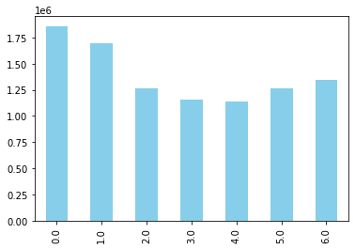
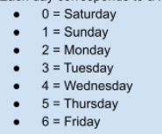
Title page

Visualisations

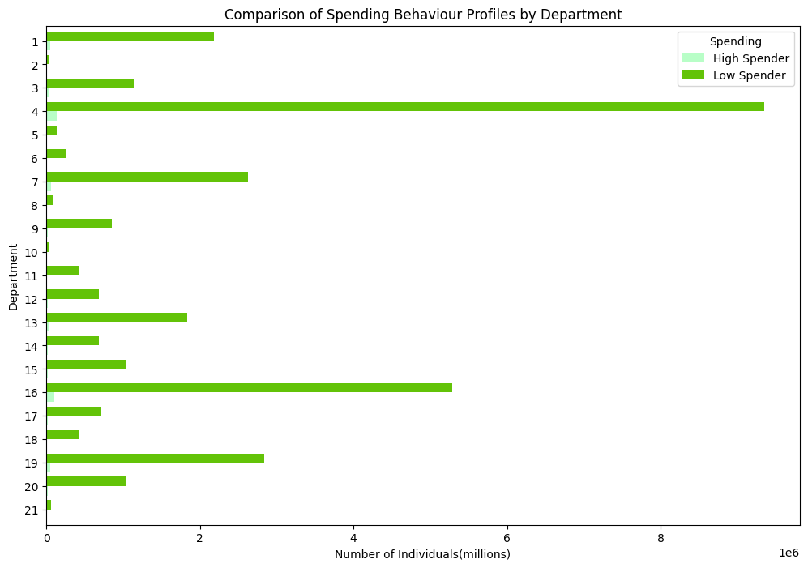
 |  | Sample Loyalty distribution among Customers

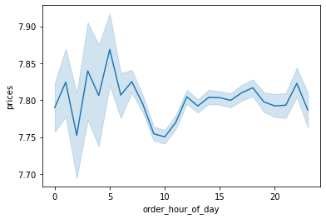
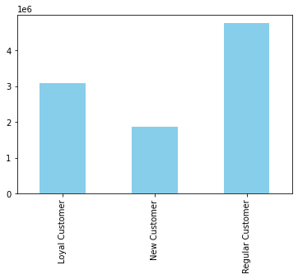

 |  | Sample Average order by Hours of the day(24Hr)
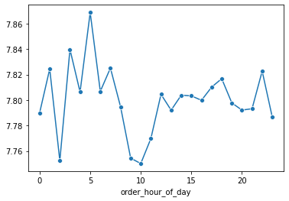

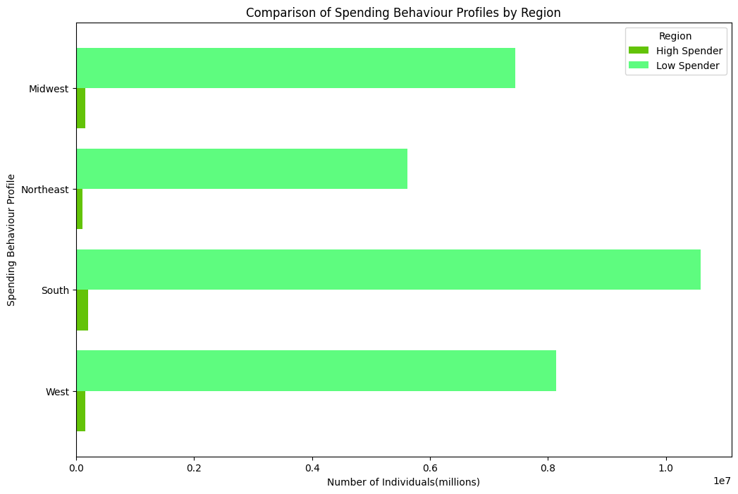

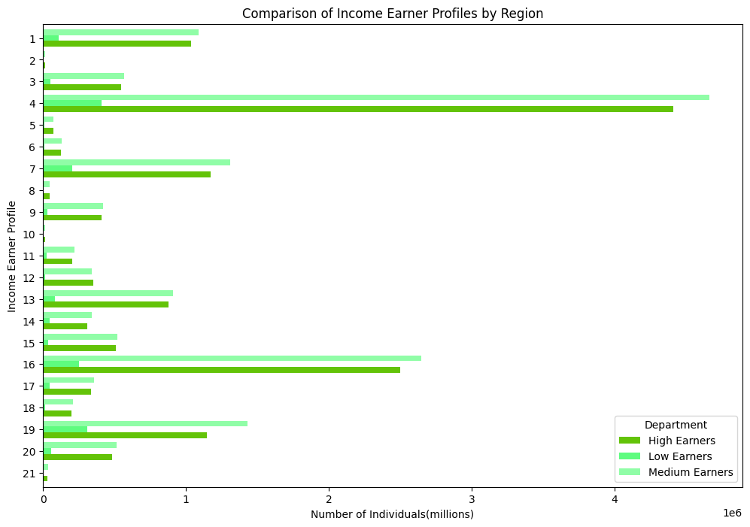
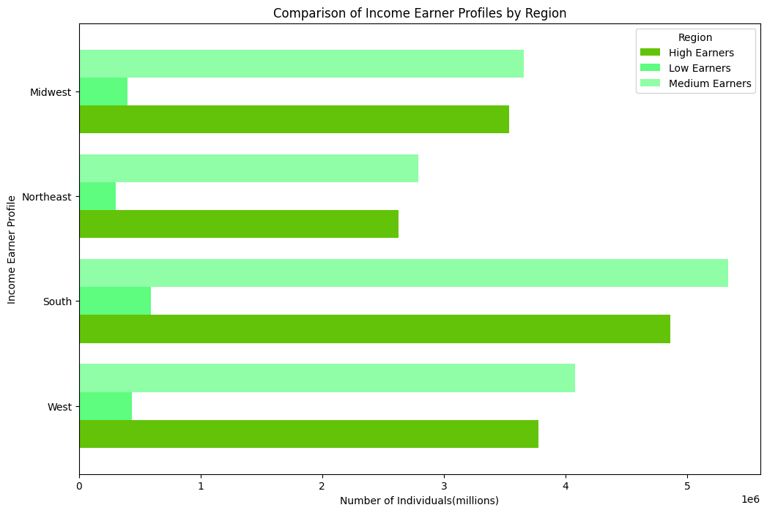

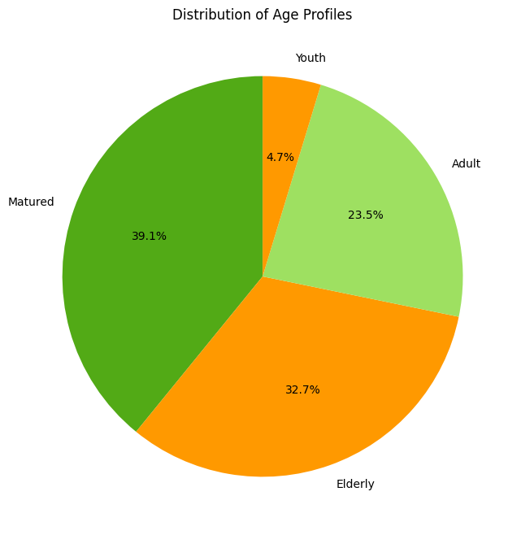

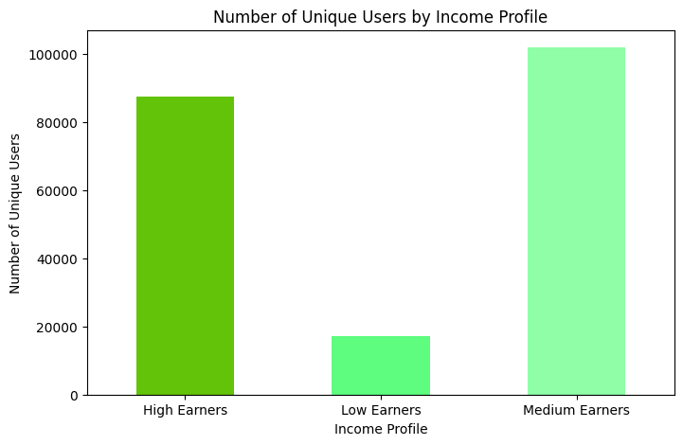

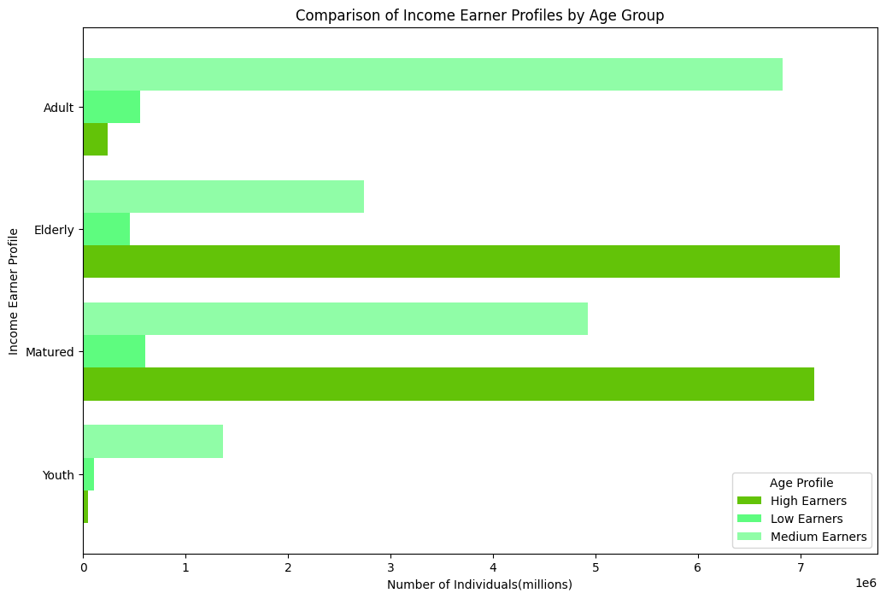
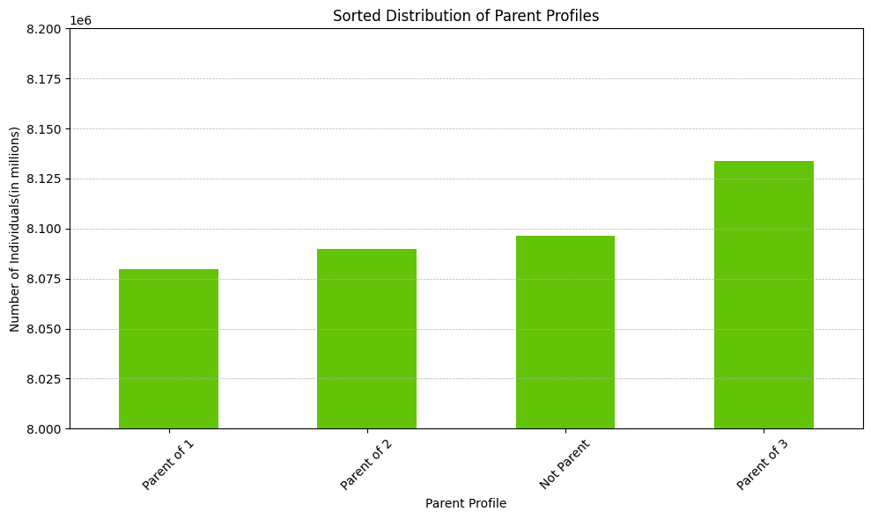

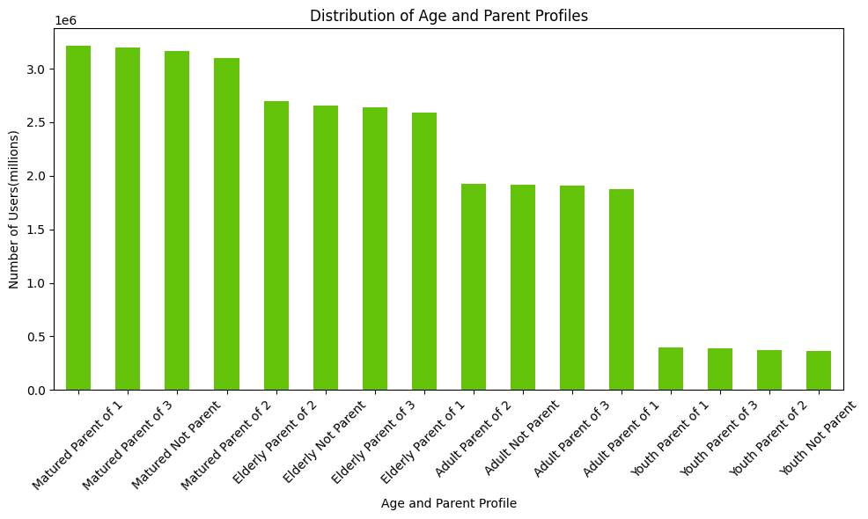
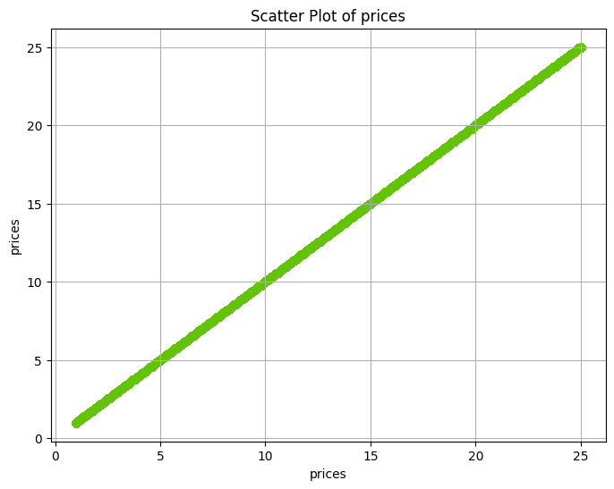

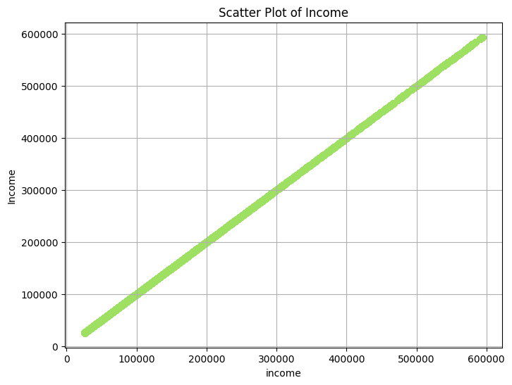

 | Sample of order made days of the week

7. Recommendations
 |  |  | Title page

Questions and Recommendations

 |  |  |  | 0 | Saturday
1 | The sales team needs to know what the busiest days of the week and hours of the day are (i.e., the days and times with the most orders) in order to schedule ads at times when there are fewer orders |  |  | 1 | Sunday
2 | They also want to know whether there are particular times of the day when people spend the most money, as this might inform the type of products they advertise at these times. |  |  | 2 | Monday
3 | Instacart has a lot of products with different price tags. Marketing and sales want to use simpler price range groupings to help direct their efforts. |  |  | 3 | Tuesday
4 | Are there certain types of products that are more popular than others? The marketing and sales teams want to know which departments have the highest frequency of product orders. |  |  | 4 | Wednesday
 |  |  |  | 5 | Thursday
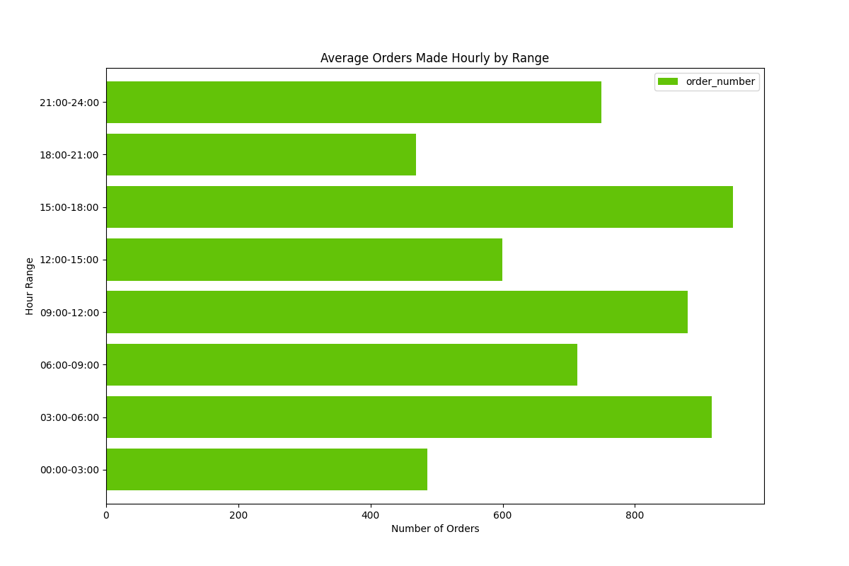
 |  |  |  | 6 | Friday
 |  | 1
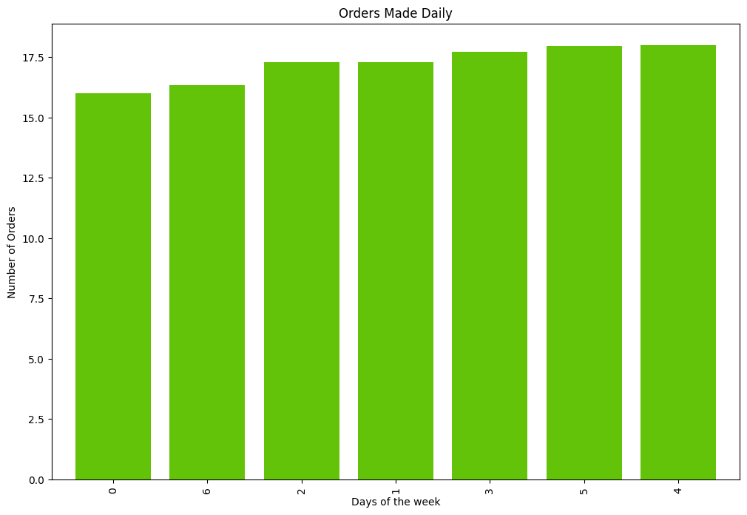
 |  | Based on the analysis, it is clear that the busiest hours for orders occur at 15:00 -18:00(Late Afternoon), 03:00-06:00(Early Morning), 09:00-12:00(Late morning). Additionally, the days with the highest number of orders are Wednesday, Thursday, and Tuesday, which are collectively categorized as mid-week. Given this pattern, I recommend scheduling advertising campaigns during the less busy hours and on days other than those specified to maximize visibility and engagement. This strategic timing will likely increase the effectiveness of the advertisements by reaching potential customers during periods of lower activity.

 |  | 2
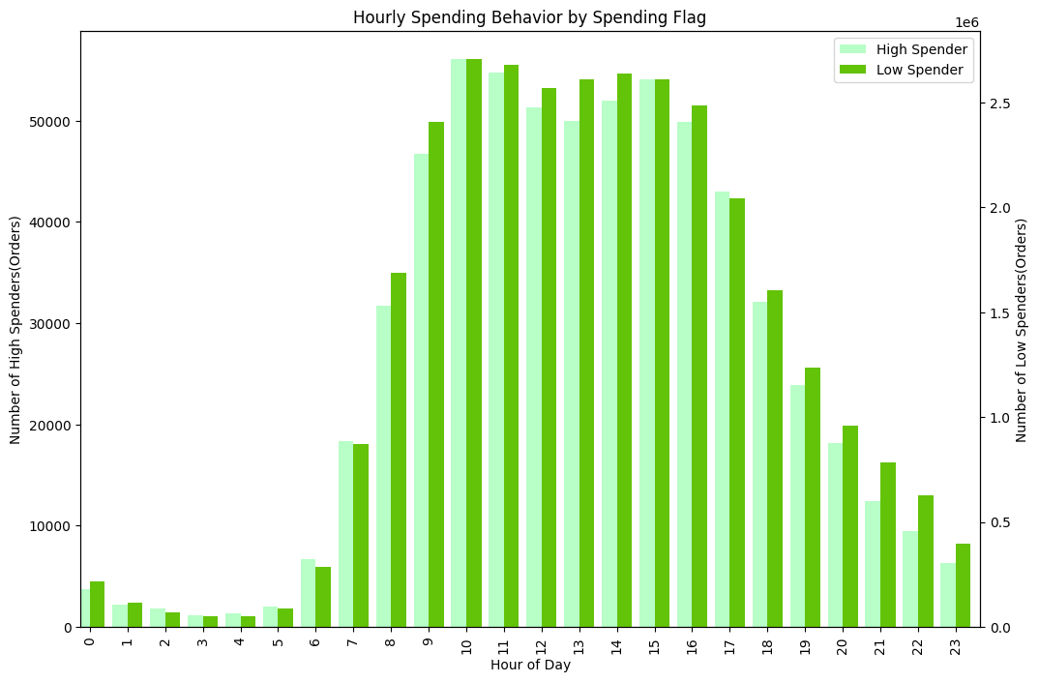
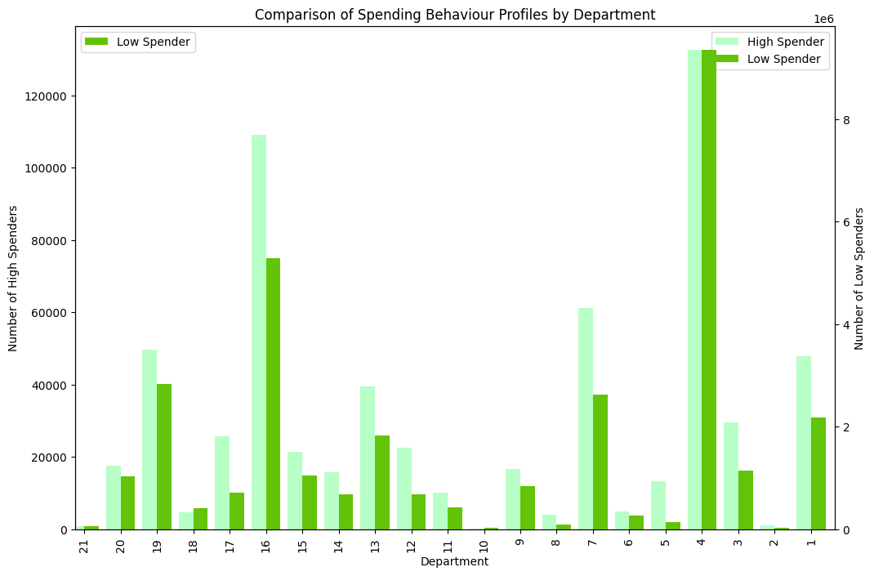
 |  | Analysis of customer purchasing patterns between the hours of 9 AM and 4 PM reveals that Departments 4 (Produce) and 16 (Dairy and Eggs) consistently achieve high sales volumes. In contrast, Departments 21, 10, 8, 6, 5, and 2 are underperforming during these peak hours. Given the concentration of sales during daytime, there is an opportunity to increase night-time sales. Strategic advertising and promotions during evening and night hours could tap into potential markets, possibly encouraging shopping behaviors during these less busy hours.

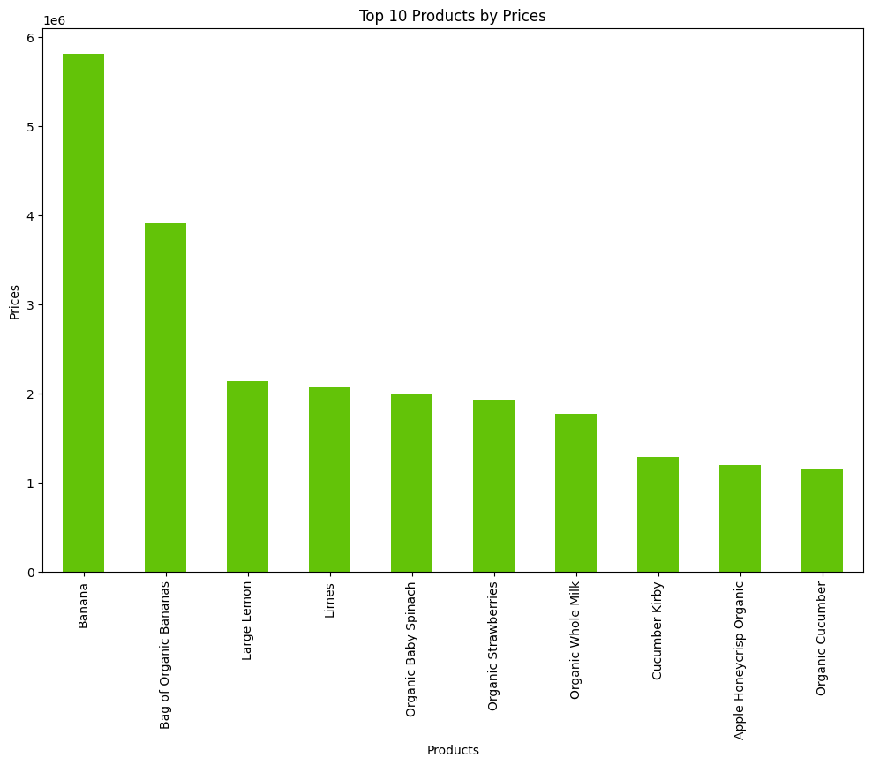

 |  | 3

 |  | Enhanced Focus on High Performing Departments: Continue to capitalize on the strong sales of the Produce (Department 4) and Dairy and Eggs (Department 16) by maintaining stock levels, variety, and visibility during peak hours. Consider cross-promoting related products to increase basket size. To manage the diverse product range effectively, categorize products into simple price brackets such as low, medium, and high. This simplification will help in creating clearer marketing messages and can guide consumers towards products that fit their budget.

 |  | 4
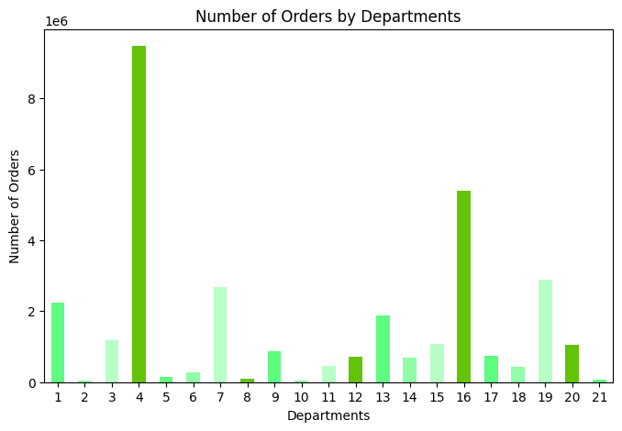
 |  | The first chart clearly shows that departments 4 (Produce) and 16 (Dairy and Eggs) have the highest number of orders by a substantial margin, indicating their popularity among customers. Department 7 also shows a relatively high number of orders, suggesting it's another key area within the customer base.

