CONFIGURE_PIN
CMD_CONFIGURE_PIN
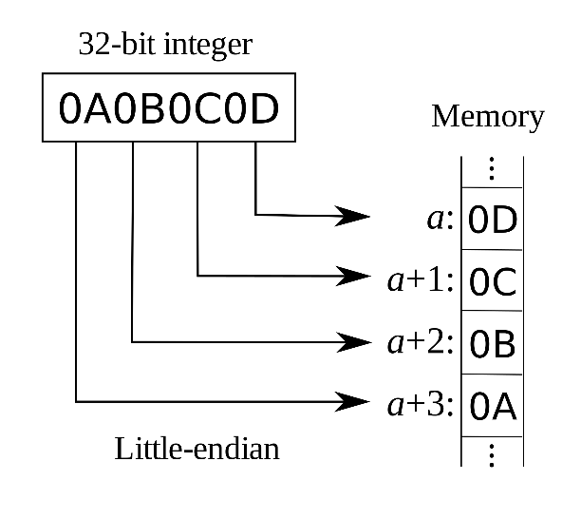

3 | CMD | CMD_CONFIGURE_PIN |  | PIN_TYPE
4 | SUB CMD | DISABLE/DIGITAL_OUTPUT |  | PIN_DISABLE |  | 0
5 | PIN_IDX | BYTE 1 | (uint16_t) | PIN_DIGITAL_INPUT |  | 1
6 |  | BYTE 2 |  | PIN_DIGITAL_OUTPUT |  | 2
 |  |  |  | PIN_ANALOG_INPUT |  | 3

3 | CMD | CMD_CONFIGURE_PIN |  | ADC_BIT_RESOLUTION
4 | SUB CMD | DIGITAL_INPUT |  | ADC_RESOLUTION_12_BIT | 12 bit | 0
5 | PIN_IDX | BYTE 1 | (uint16_t) | ADC_RESOLUTION_11_BIT | 11 bit | 1
6 |  | BYTE 2 |  | ADC_RESOLUTION_10_BIT | 10 bit | 2
7 | SENDING_MODE |  |  | ADC_RESOLUTION_9_BIT | 9 bit | 3 |  | (https://en.wikipedia.org/wiki/Endianness)
8 | DELTA_TICKS_CONT_MODE | BYTE 1 | (uint16_t) | ADC_RESOLUTION_8_BIT | 8 bit | 4
9 |  | BYTE 2

3 | CMD |  |  | LOW_PASS_CUT_OFF [HZ]
4 | SUB CMD | ANALOG_INPUT |  | (IEEE Float 32 bit little-endian)
5 | PIN_IDX | BYTE 1 | (uint16_t)
6 |  | BYTE 2 |  | SENDING_MODE
7 | SENDING_MODE |  |  | SENDING_MODE_OFF |  | 0 | Is it necessary?
8 | DELTA_TICK_CONT_MODE | BYTE 1 | (uint16_t) | SENDING_MODE_CONTINUOS |  | 1
9 |  | BYTE 2 |  | SENDING_MODE_ON_VALUE_CHANGED |  | 2
10 | ADC_BIT_RESOLUTION |  |  | SENDING_MODE_ON_REQUEST |  | 3
11 | FILTER_ORDER | BYTE 1
12 | LOW_PASS_CUT_OFF | BYTE 1 |  | SLIDER_MODE
13 |  | BYTE 2 |  | SLIDER_MODE_DISABLE |  | 0
14 |  | BYTE 3 |  | SLIDER_MODE_ENABLE |  | 1
15 |  | BYTE 4
16 | SLIDER_MODE
17 | SLIDER_THRESHOLD | BYTE 1
18 |  | BYTE 2

