Sheet1
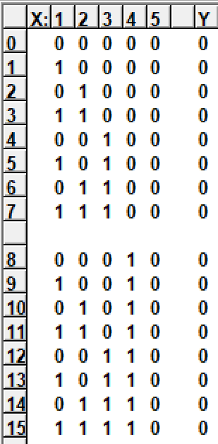
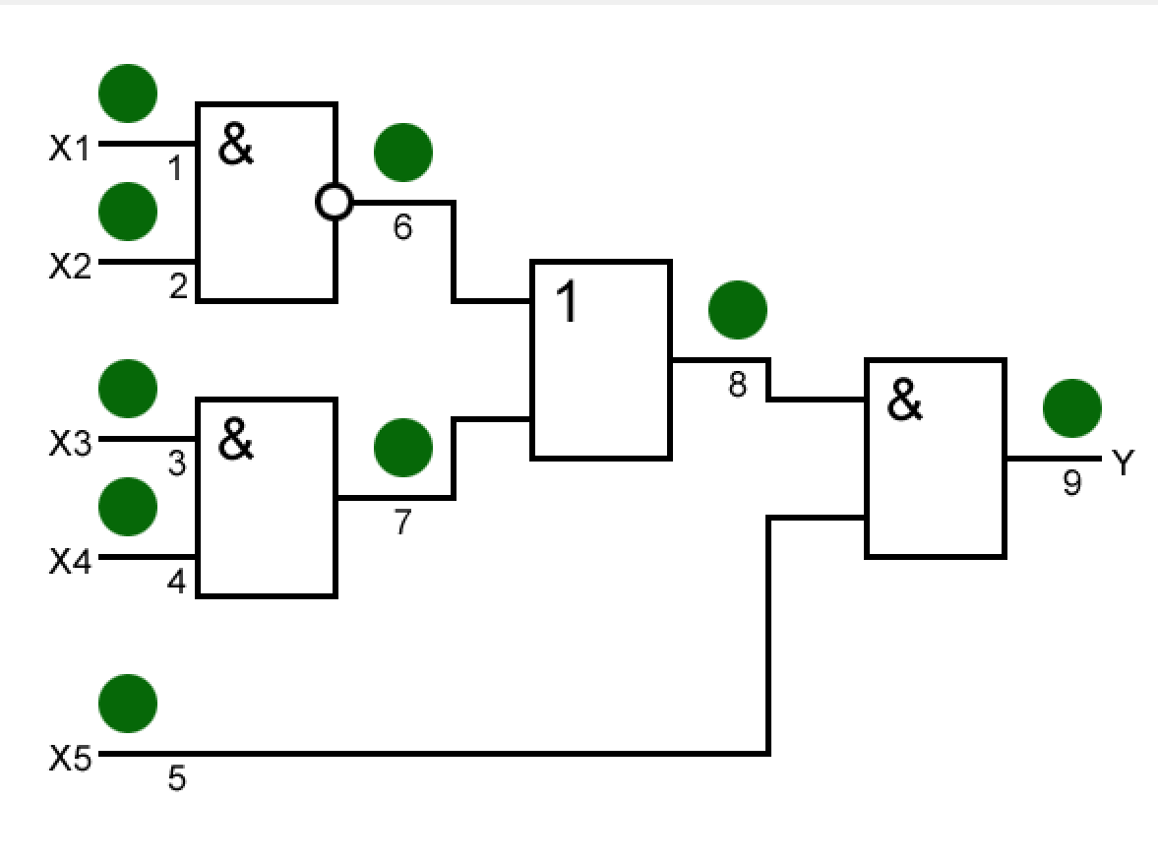
1(0) | 1(1) | 2(0) | 2(1) | 3(0) | 3(1) | 4(0) | 4(1) | 5(0) | 5(1) | 6(0) | 6(1) | 7(0) | 7(1) | 8(0) | 8(1) | 9(0) | 9(1)
0 | 0 | 0 | 0 | 0 | 0 | 0 | 0 | 0 | 1 | 0 | 0 | 0 | 0 | 0 | 0 | 0 | 1
0 | 0 | 0 | 0 | 0 | 0 | 0 | 0 | 0 | 1 | 0 | 0 | 0 | 0 | 0 | 0 | 0 | 1
0 | 0 | 0 | 0 | 0 | 0 | 0 | 0 | 0 | 1 | 0 | 0 | 0 | 0 | 0 | 0 | 0 | 1
0 | 0 | 0 | 0 | 0 | 0 | 0 | 0 | 0 | 0 | 0 | 0 | 0 | 0 | 0 | 0 | 0 | 1
0 | 0 | 0 | 0 | 0 | 0 | 0 | 0 | 0 | 1 | 0 | 0 | 0 | 0 | 0 | 0 | 0 | 1
0 | 0 | 0 | 0 | 0 | 0 | 0 | 0 | 0 | 1 | 0 | 0 | 0 | 0 | 0 | 0 | 0 | 1
0 | 0 | 0 | 0 | 0 | 0 | 0 | 0 | 0 | 1 | 0 | 0 | 0 | 0 | 0 | 0 | 0 | 1
0 | 0 | 0 | 0 | 0 | 0 | 0 | 0 | 0 | 0 | 0 | 0 | 0 | 0 | 0 | 0 | 0 | 1

0 | 0 | 0 | 0 | 0 | 0 | 0 | 0 | 0 | 1 | 0 | 0 | 0 | 0 | 0 | 0 | 0 | 1
0 | 0 | 0 | 0 | 0 | 0 | 0 | 0 | 0 | 1 | 0 | 0 | 0 | 0 | 0 | 0 | 0 | 1
0 | 0 | 0 | 0 | 0 | 0 | 0 | 0 | 0 | 1 | 0 | 0 | 0 | 0 | 0 | 0 | 0 | 1
0 | 0 | 0 | 0 | 0 | 0 | 0 | 0 | 0 | 0 | 0 | 0 | 0 | 0 | 0 | 0 | 0 | 1
0 | 0 | 0 | 0 | 0 | 0 | 0 | 0 | 0 | 1 | 0 | 0 | 0 | 0 | 0 | 0 | 0 | 1
0 | 0 | 0 | 0 | 0 | 0 | 0 | 0 | 0 | 1 | 0 | 0 | 0 | 0 | 0 | 0 | 0 | 1
0 | 0 | 0 | 0 | 0 | 0 | 0 | 0 | 0 | 1 | 0 | 0 | 0 | 0 | 0 | 0 | 0 | 1
0 | 0 | 0 | 0 | 0 | 0 | 0 | 0 | 0 | 1 | 0 | 0 | 0 | 0 | 0 | 0 | 0 | 1

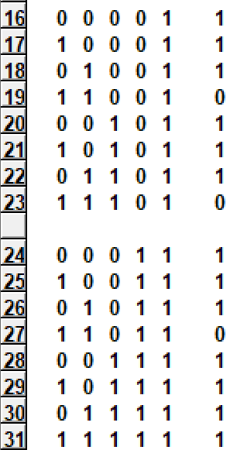
1 | 1 | 1 | 1 | 1 | 1 | 1 | 1 | 0 | 1 | 0 | 1 | 1 | 1 | 0 | 1 | 0 | 1
1 | 1 | 1 | 0 | 1 | 1 | 1 | 1 | 0 | 1 | 0 | 1 | 1 | 1 | 0 | 1 | 0 | 1
1 | 0 | 1 | 1 | 1 | 1 | 1 | 1 | 0 | 1 | 0 | 1 | 1 | 1 | 0 | 1 | 0 | 1
1 | 0 | 1 | 0 | 0 | 0 | 0 | 0 | 0 | 0 | 0 | 1 | 0 | 1 | 0 | 1 | 0 | 1
1 | 1 | 1 | 1 | 1 | 1 | 1 | 1 | 0 | 1 | 0 | 1 | 1 | 1 | 0 | 1 | 0 | 1
1 | 1 | 1 | 0 | 1 | 1 | 1 | 1 | 0 | 1 | 0 | 1 | 1 | 1 | 0 | 1 | 0 | 1
1 | 0 | 1 | 1 | 1 | 1 | 1 | 1 | 0 | 1 | 0 | 1 | 1 | 1 | 0 | 1 | 0 | 1
1 | 0 | 1 | 0 | 0 | 0 | 0 | 0 | 0 | 0 | 0 | 1 | 0 | 1 | 0 | 1 | 0 | 1

1 | 1 | 1 | 1 | 1 | 1 | 1 | 1 | 0 | 1 | 0 | 1 | 1 | 1 | 0 | 1 | 0 | 1
1 | 1 | 1 | 0 | 1 | 1 | 1 | 1 | 0 | 1 | 0 | 1 | 1 | 1 | 0 | 1 | 0 | 1
1 | 0 | 1 | 1 | 1 | 1 | 1 | 1 | 0 | 1 | 0 | 1 | 1 | 1 | 0 | 1 | 0 | 1
1 | 0 | 1 | 0 | 0 | 1 | 0 | 0 | 0 | 0 | 0 | 1 | 0 | 1 | 0 | 1 | 0 | 1
1 | 1 | 1 | 1 | 1 | 1 | 1 | 1 | 0 | 1 | 1 | 1 | 1 | 1 | 0 | 1 | 0 | 1
1 | 1 | 1 | 1 | 1 | 1 | 1 | 1 | 0 | 1 | 1 | 1 | 1 | 1 | 0 | 1 | 0 | 1
1 | 1 | 1 | 1 | 1 | 1 | 1 | 1 | 0 | 1 | 1 | 1 | 1 | 1 | 0 | 1 | 0 | 1
1 | 1 | 1 | 1 | 0 | 1 | 0 | 1 | 0 | 1 | 1 | 1 | 0 | 1 | 0 | 1 | 0 | 1

