Department2
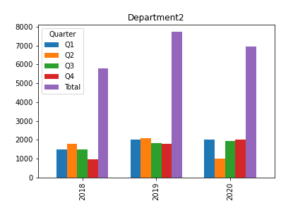
Year | Q1 | Q2 | Q3 | Q4 | Total
2018 | 1500 | 1800 | 1500 | 990 | 5790
2019 | 2000 | 2100 | 1850 | 1790 | 7740
2020 | 2000 | 1000 | 1950 | 2000 | 6950
Total | 5500 | 4900 | 5300 | 4780 | 20480

